Timer
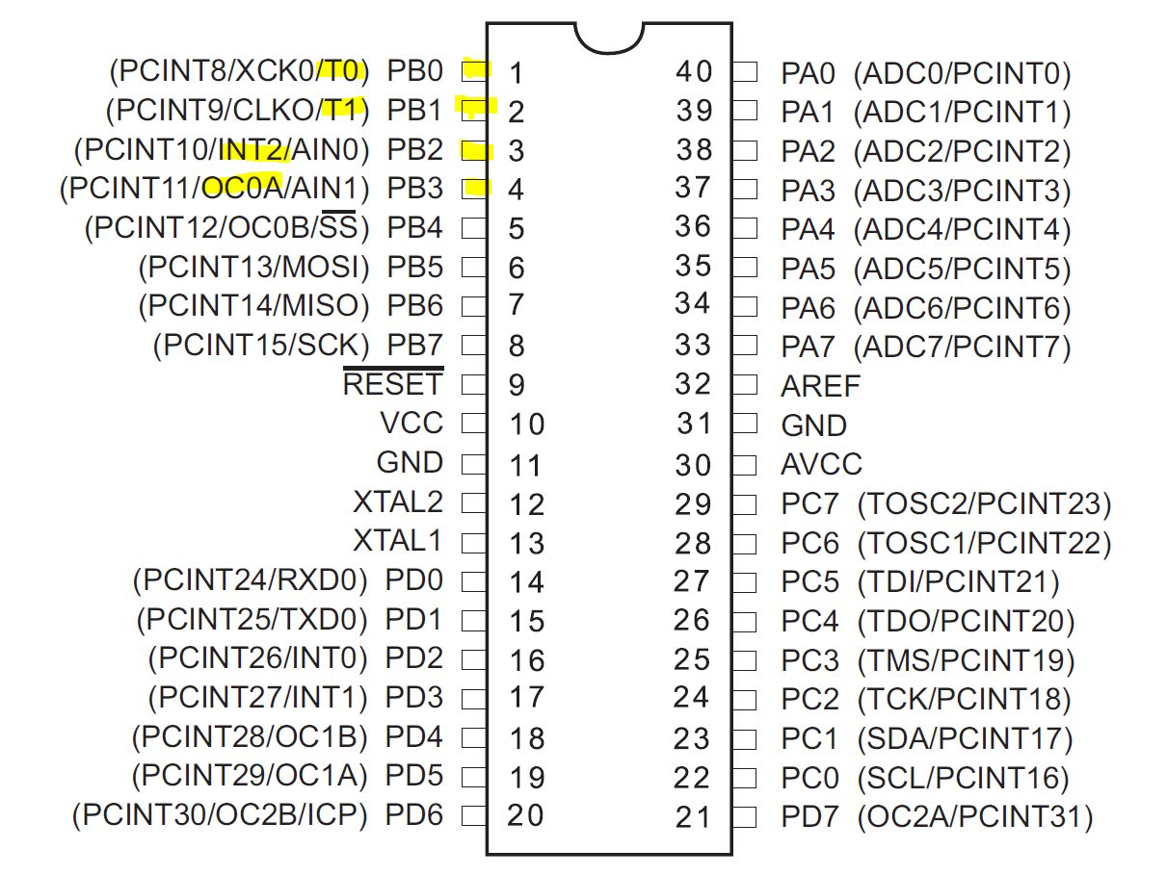
 | TIMER_0 | Timer_1 | Timer_2 |  | F_CPU | 16000000

Auflösung | 8bit | 16 bit | 8bit

 | TCCR0A |  | TCCR2A
 | TCCR0B |  | TCCR2B
 | TIFR0 |  | TIFR2

Zyklus | 8ms |  | 0,5 ms | Timer
 |  |  |  | RTC
 |  |  |  | Encoder-MainFunction

