UI_TestCases
 | Detailed Test Case |  |  |  |  | Test Case Priority | High | 4
 | Project Name |  |  |  |  |  | Medium | 0
 | Function Name |  |  |  |  |  | Low | 0
 | URD/SRS Reference |  |  |  |  | Test Status | Total:
 |  |  |  |  |  |  | Passed
 |  |  |  |  |  |  | Failed
 |  |  |  |  |  |  | No Run
 |  |  |  |  |  |  | N/A

No. | Test case ID | Description | Steps | Example data | Expected Result | Remark | Priority | Status | Build number | Requirement

UI
01 | UI_01 | User gets weather detail of a city after filling city name in search box then search | 1. User launches Website with url: https://openweathermap.org |  | 1. Web site is displayed |  | High
 |  |  | 2. User fills correct city name in Search box then click search button: Ex: Seoul |  | 2. A dropdown list is displayed: Ex - Seoul, KR [flag] 5°C weatherIcon Latitude, Longitude
 |  |  | 3. User clicks on item in dropdown list |  | 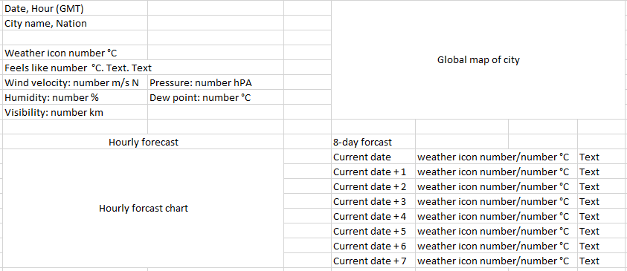 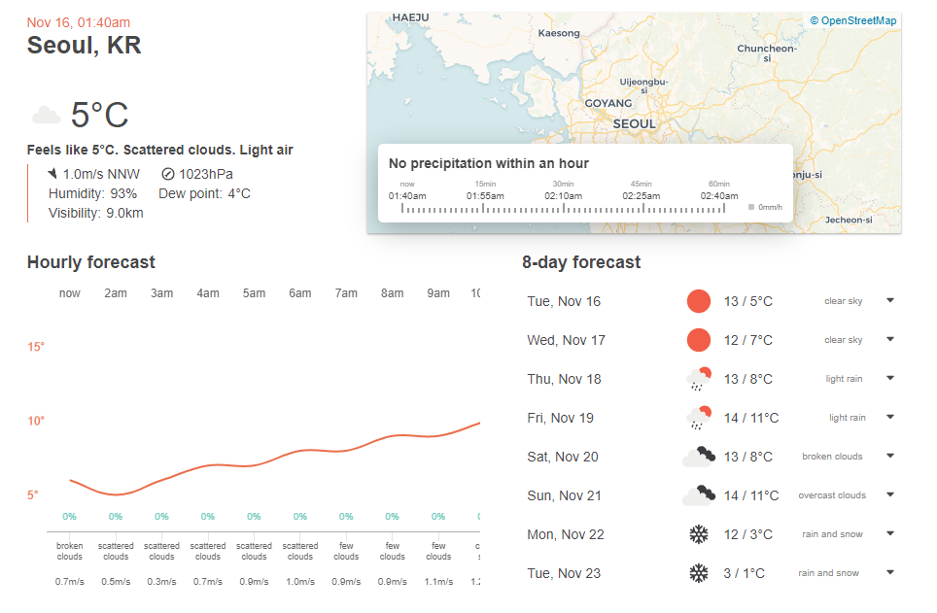 3. Weather detail of city is displayed: Example:

02 | UI_02 | Search weather of a city, fill wrong city name | … |  | … |  | High
03 | UI_03 | Search weather of a city, without filling city name | … |  | … |  | High
04 | UI_04 | Search weather of a city, fill in search box with 256 characters | … |  | … |  | High

