Introduction
This document contains mappings of the CIS Critical Security Controls (CIS Controls) and CIS Safeguards to NIST CSF
Last updated January 2023
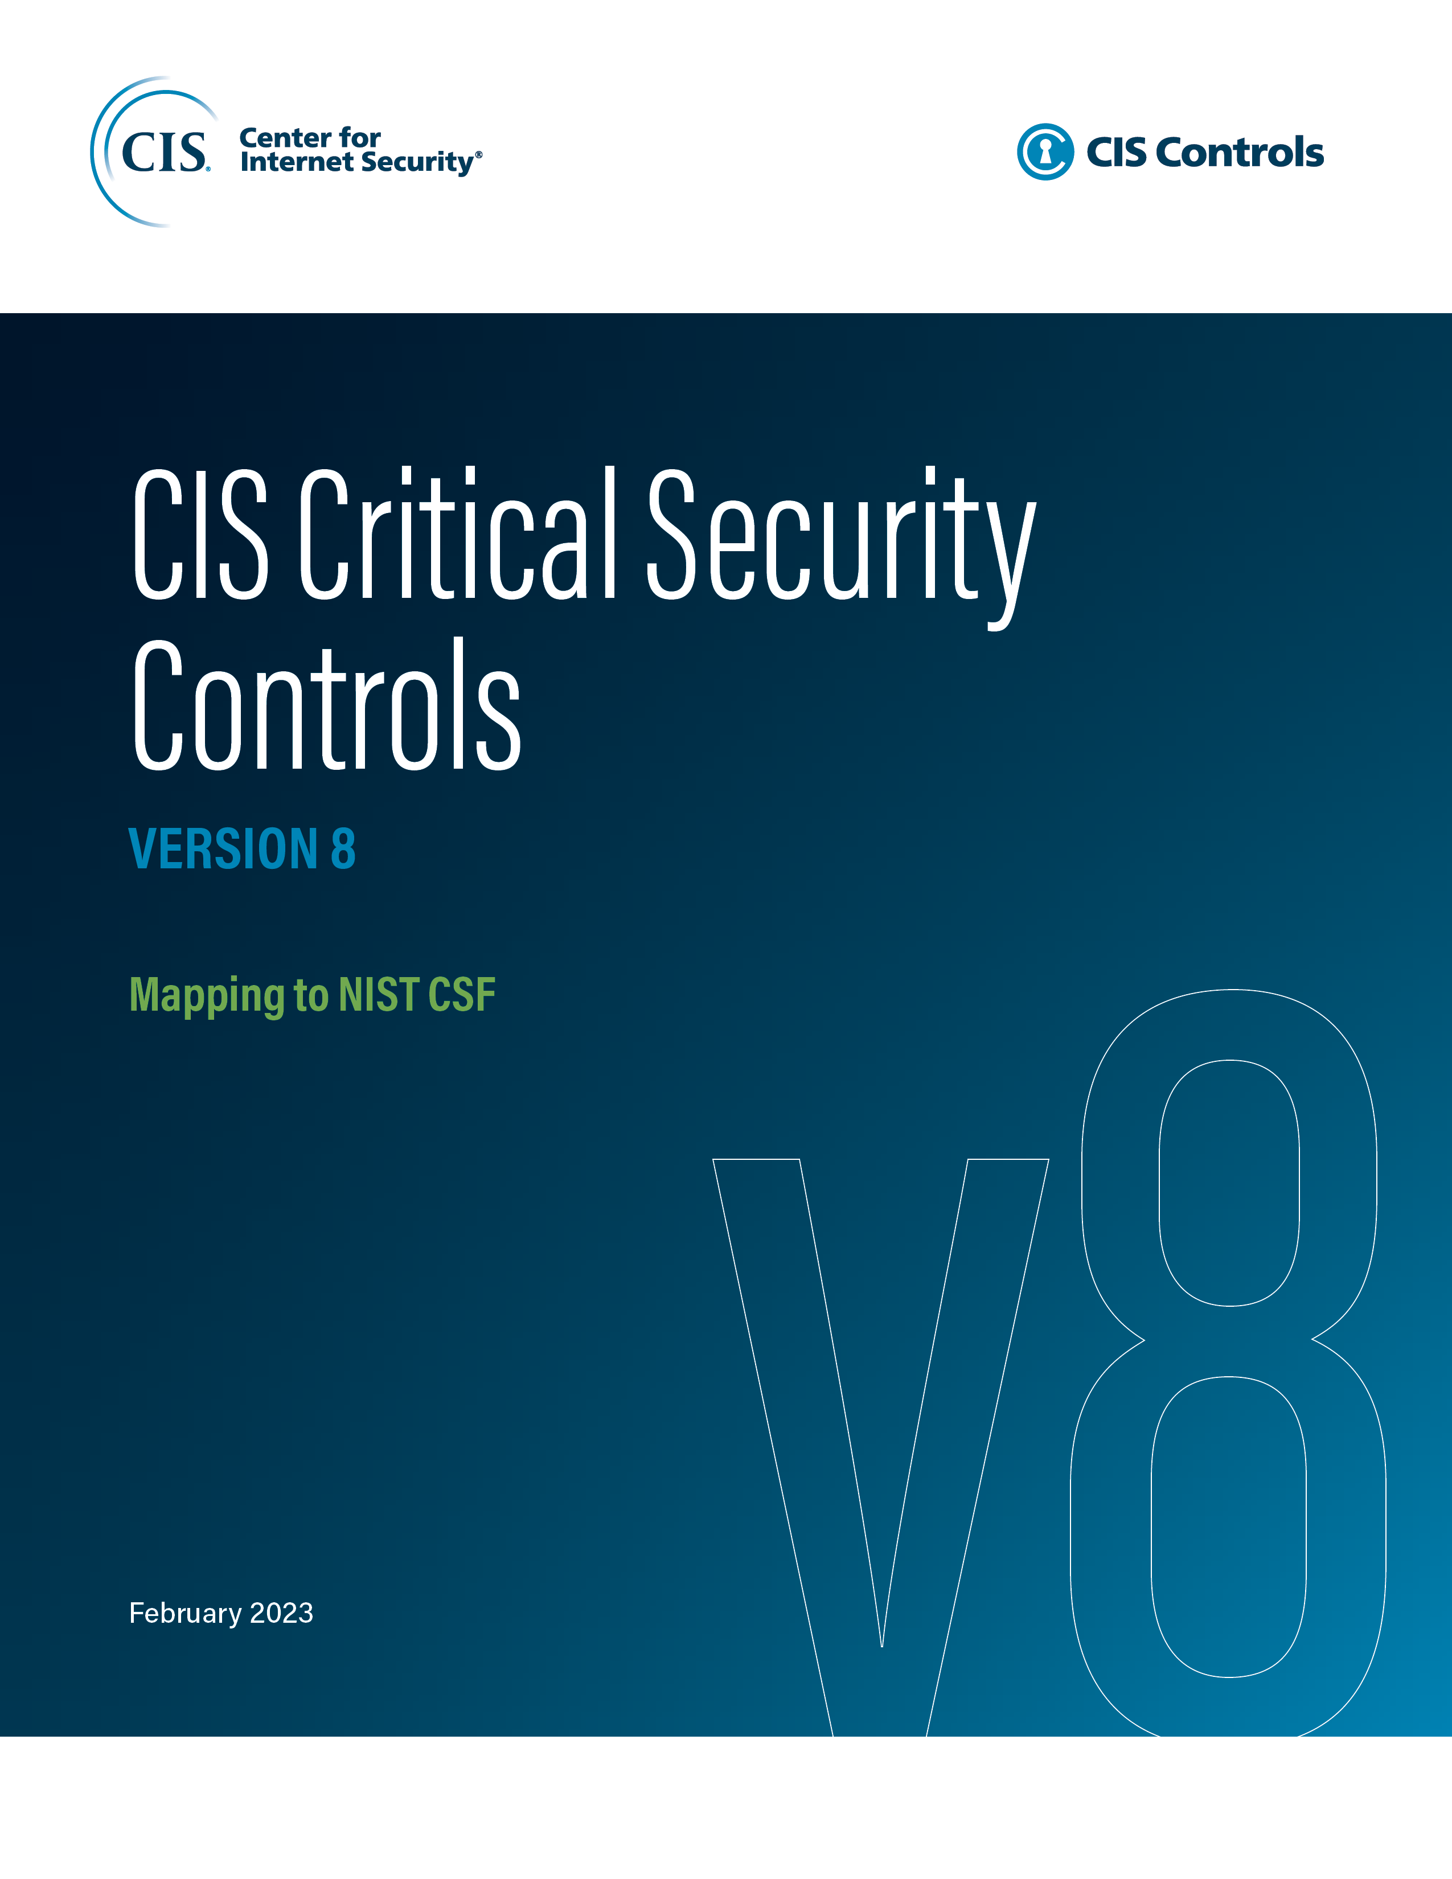

Contact Information
CIS
31 Tech Valley Drive
East Greenbush, NY 12061
518.266.3460
controlsinfo@cisecurity.org

Editor
Thomas Sager

Contributors
Tony Krzyzewski, SAM for Compliance
Jackie Krzyzewksi, SAM for Compliance

