Defects
# | Summary | Description | Steps to reproduce | Reproducibility | Severity | Priority | Symptom | Attachments
fsdr_1 | Incorrect files comversion with CP866 encoding | It looks like that during file conversion with CP866 encoding the app simply replaces input illegable symbols with others. In the end, when we open the converted file, we can not read it and understand its content. Still, the encoding changes from CP866 to UTF-8. In addition the file is deleted from input folder, which leads to loss of file data. Exp: the app processes CP866 files successfully, converting its content to readable text. Act: the file content is not converted properly, the data is lost. Req: DS-5.1 | 1. Create a txt file with CP866 encoding in any directory of any logical drive. 2. Open cmd and start the app ([LOG_FILE_NAME] is optional). 3. Copy the file from Step 1 into the input folder (the first mandatory parameter from Step 2). 4. Wait until the end of conversion process, stop the app. 5. Open the converted file in the output folder (second mandatory parameter from Step 2). Defect: the file is deleted from the input directory and placed into the output directory. If we open the converted file we see that its content is still unreadable and contains illegable symbols only. The file data is lost. | Always | Critical | ASAP | Data corruption
fsdr_2 | Auto-replacement of files with equal names during conversion | If any file with the name, equal to the name of any file already having been placed into the destination directory before, is placed into the same directory, the new file will automatically replace the previous one. However, the application does not display any messages in the console window. Thus, the data of the previous file is completely lost, even if the app still converts files correctly. Exp: the app skips the files which potencially may replace some other already converted files. Act: the app considers files with equal names as two different files (which is true), but the previous file is auto-replaced. | 1. Create a txt file and set any name to it (e.g.: test.txt). 2. Start the app, convert the file from Step 1, stop the app. 3. Make sure that the test.txt file is converted successfully by checking its presence in the destination directory. 4. Repeat Steps 1 and 2. 5. Open destination directory. Defect: the previous file with equal name is replaced by the new one. The data of the previous file is lost. | Always | Critical | ASAP | Data corruption
fsdr_3 | Wrong maximum allowed file size | If we start the app and place a file with the maximum allowed size (50 Mb) into input directory, the app recognizes suitable file and conversion begins, but then the app shuts down witout either any usage or error message and the file is still in the input directory. After some tests it was discoverd that the app considers 25 Mb as a maximum allowed size for input files. Exp: the app detects suitable file and conversion perfiorms successfully. The file is deleted from the input directory and placed into output derictory. Act: the app detects suitable file, conversion starts, then the app shuts down immediately without either any usage or error message, the file is still in the input directory. Req: DS-5.2 | 1. Create a txt 50 Mb file in any directory of any logical drive. 2. Start the app, copy the txt file from Step 1 to input filder. Defect: the app detects suitable file, conversion starts, then the app shuts down immediately without either any usage or error message, the file is still in the input directory. | Always | Major | High | Variance from specs | 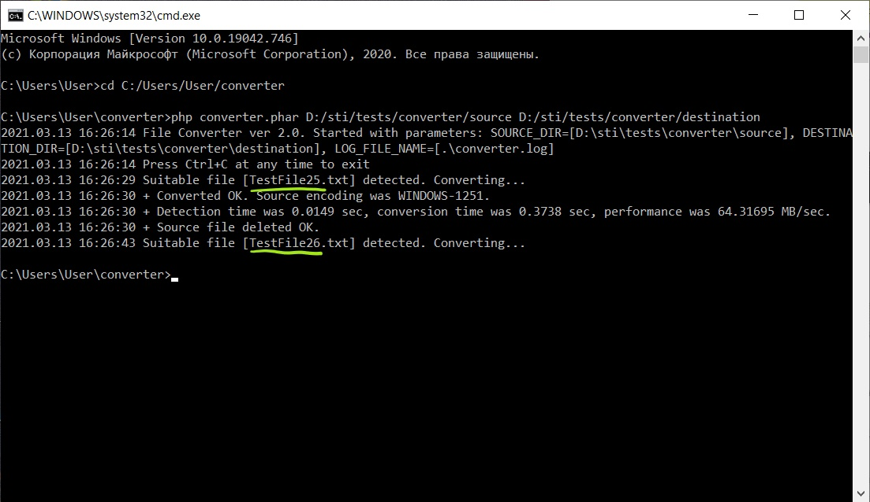
fsdr_4 | Wrong file procwssing with "read-only" attribute | If the input file has the "read-only" attribute, after processing the application fails to move it to the destination directory: a copy of the file is created, but the original is not deleted, then the app stops. Exp: after processing, the file is moved from the source directory to the destination directory. Act: the processed file is copied to the destination directory, but its original remains in the source directory. | 1. Place a file of a valid type and size in the source directory. 2. Assign "read-only" attribute to the file. 3. Start the app. Defect: the processed file appears in the destination directory, but is not deleted from the source directory ("Permission denied" error, see attachment), the app stops. | Always | Major | High | Incorrect operation
fsdr_5 | Time displayed in the app is three hours behind the time on the OS | The operation execution time both in the app and in the the log file is displayed incorrectly falls dehind the current time of the time zone in which the computer is located and the app is executed. This can be easily observed by comparing the time on the OS desktop control panel with the time in the app. In our case, the time in the app is three hours behind. Exp: the time in the app matches the current time zone. Act: the time in the app does not match the current time zone and is three hours behind. | 1. Start the app. 2. Compare the time on the OS desktop control panel with the time in the app. Defect: the time in the app is three hours behind. | Always | Medium | Normal | Unexpected behavior | 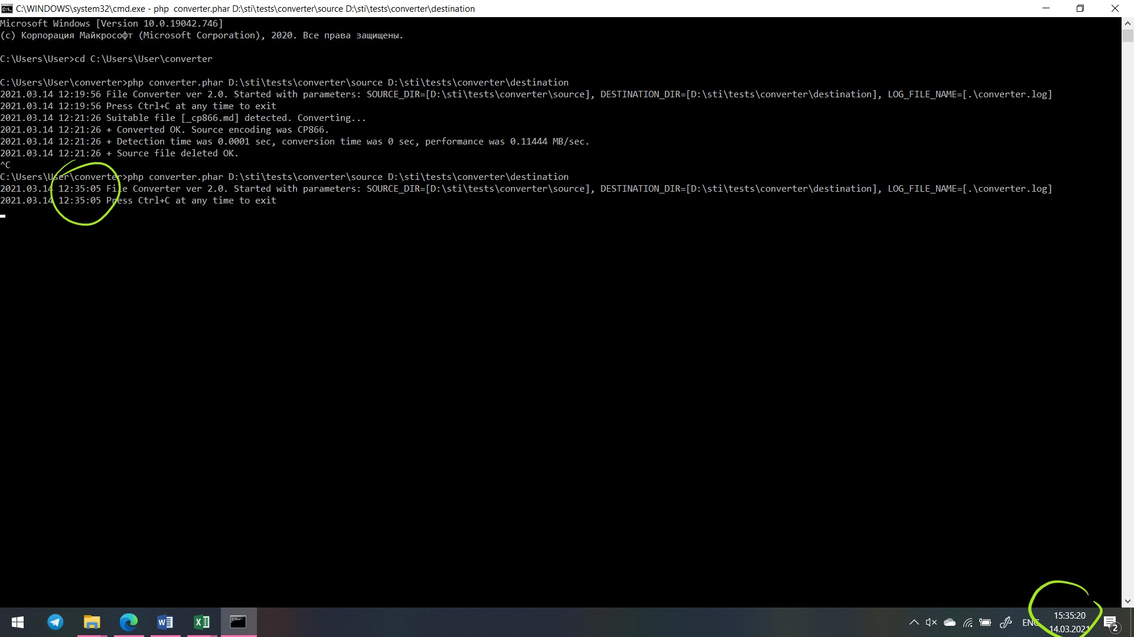
fsdr_6 | Display of other error message when setting nonexisting paths | If we start the app with set nonexisting paths for parameters (e.g.: k:\source\, in case that there is no k: drive in the system) there should be the following error message: "SOURCE_DIR: directory not exists or inaccessible.". But instead there is the following error message: "SOURCE_DIR is not a valid directory.". This discrepancy with requirements does not lead to misinterpretation of the error message and to distortion of its sence, it is just a minor imperfection which may be fixed if the time allows, or may be not. Exp: The content for error message: "SOURCE_DIR: directory not exists or inaccessible.". Act: The content for error message: "SOURCE_DIR is not a valid directory.". Req: DS-2.4 | 1. Start the app with all three parameters (SOURCE_DIR, DESTINATION_DIR, LOG_FILE_NAME) pointing to nonexisting in current file system paths (e.g.: k:\source\, k:\destination\, k:\log.log in case there is no k: drive in the system). Defect: "SOURCE_DIR is not a valid directory." instead of "SOURCE_DIR: directory not exists or inaccessible.". | Always | Minor | Low | Cosmetic flaw
fsdr_7 | Display of other error message when destination dir is inside source dir | If we set the path of DESTIONATION_DIR leading into SOURCE_DIR or into any of its subdirectories, there should be the following error message: "DESTINATION_DIR: destination dir may not reside within source dir tree.". But instead there is the following error message: "DESTINATION_DIR may not be inside SOURCE_DIR.". This discrepancy with requirements does not lead to misinterpretation of the error message and to distortion of its sence, it is just a minor imperfection which may be fixed if the time allows, or may be not. Exp: The content for error message: "DESTINATION_DIR: destination dir may not reside within source dir tree.". Act: The content for error message: "DESTINATION_DIR may not be inside SOURCE_DIR.". | 1. Create a folder in input folder. 2. Start the app, taking into account that DESTINATION_DIR should be inside SOURCE_DIR or inside any of its subderictories ([LOG_FILE_NAME] is optional). Defect: "DESTINATION_DIR may not be inside SOURCE_DIR." instead of "DESTINATION_DIR: destination dir may not reside within source dir tree.". | Always | Minor | Low | Cosmetic flaw
fsdr_8 | Previous auto-created "converter.log" is replaced by the new one | If [LOG_FILE_NAME] is omitted during the application start, and then, during any further application start with [LOG_FILE_NAME] being omitted once again, the other "converter.log" file is created in the same directory where converter.phar is located. This leads to replacement previous "converter.log" file, which can bring unconvenience to majority of users. Exp: when [LOG_FILE_NAME] is omitted at the second time, the app recognizes previously auto-created converter.log file and appends further records into it. Act: new "converter.log" file replaces the previous one, what leads to loss of previous log file and all its records. | 1. Start the app with [LOG_FILE_NAME] parameter omitted, convert some supported file, stop the app. View converter.log. 2. Repeat Step 1. Defect: new "converter.log" file is created in the same directory where converter.phar is located. The previous converter.log file is replaced. | Always | Medium | Low | Enhancemt

