Sheet1
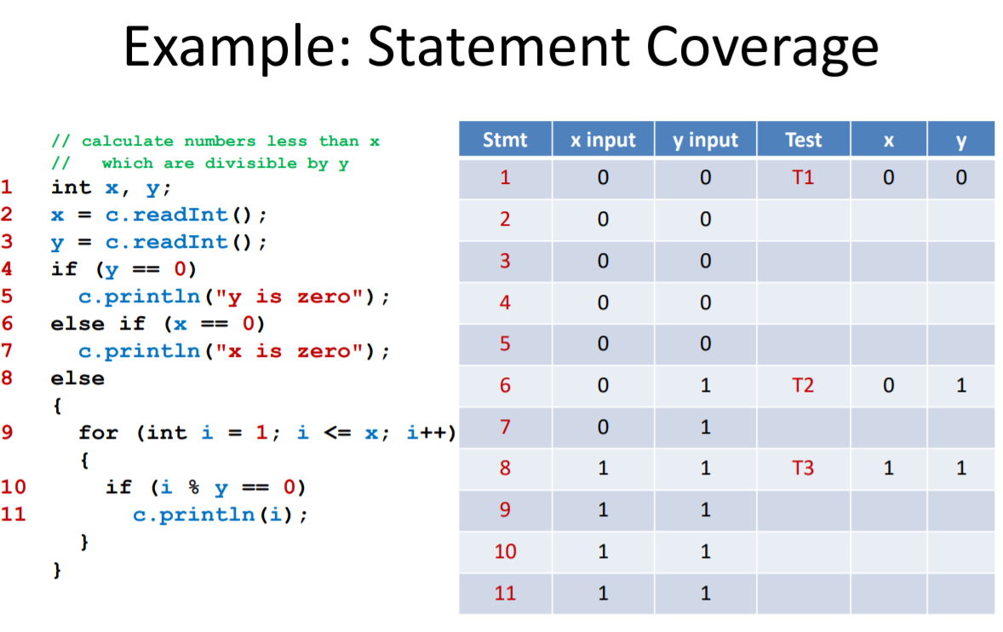
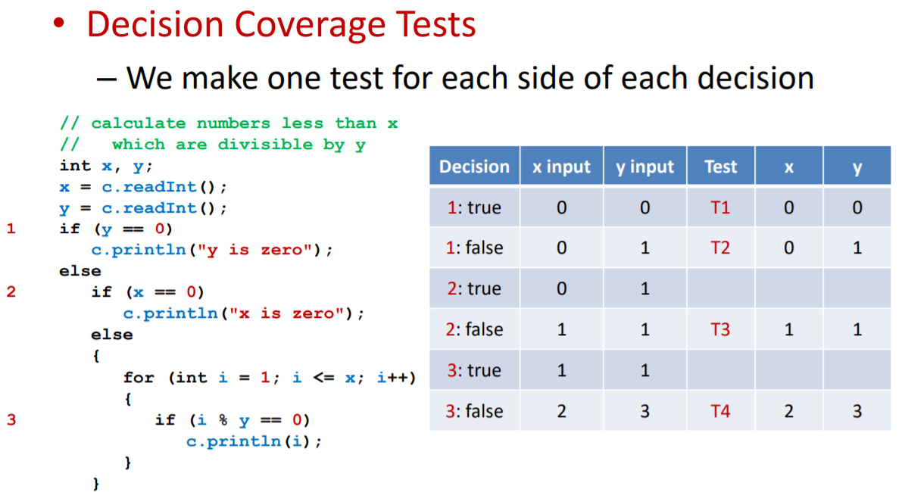
Decision | accountActive = self.accountsHash[fromAccNum][2] | self.accountsHash[fromAccNum][0] | amount | newBal | Test | self.accountsHash[fromAccNum][0] | Statement | accNum | accName | self.accountsHash | Test | self.accountsHash - (after)
1: true | 1 | 100 | 100 | 0 | T1 | 0 | 1 | 1234568 | Chris | {'1234568': '000' 'Chris' '1', '1234569': '4394' 'Jack' '1'} | T1 | {'1234568': '000' 'Chris' '1', '1234569': '4394' 'Jack' '1'}
1: false | 0 | 100 | 100 |  | T2 | 100 | 2 | 1234560 | David | {'1234568': '000' 'Chris' '1', '1234569': '4394' 'Jack' '1'} | T2 | {'1234568': '000' 'Chris' '1', '1234569': '4394' 'Jack' '1', '1234560': '000' 'David' '1'}
2: true | 1 | 100 | 100 | 0 | T3 | 0
2: false | 1 | 0 | 100 | -100 | T4 | 100

