best_median_reg
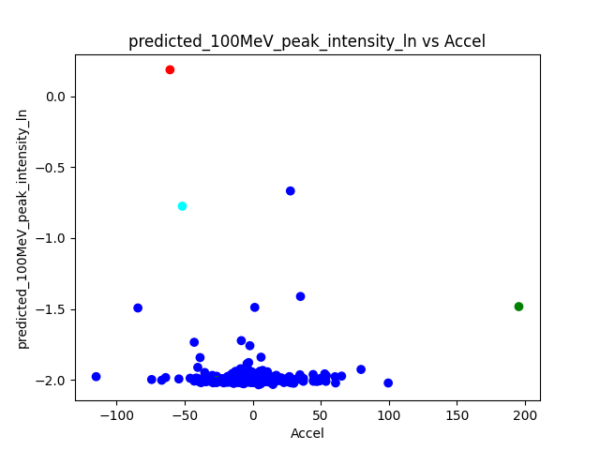
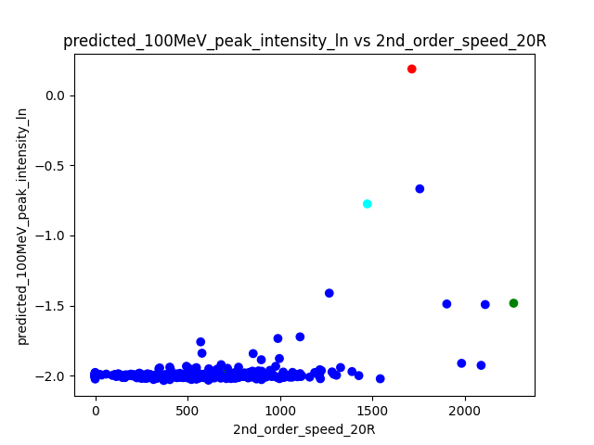
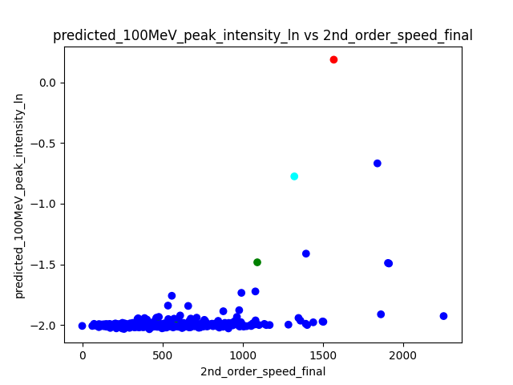
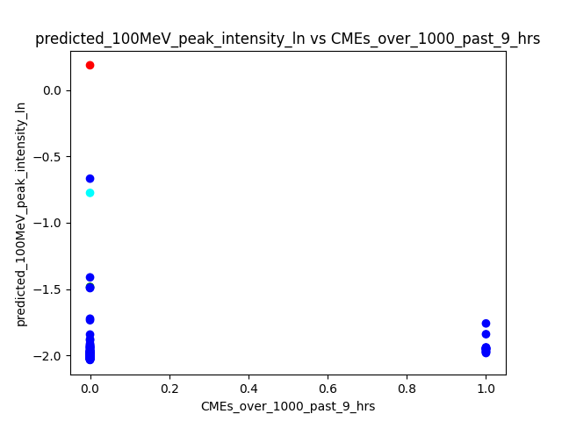
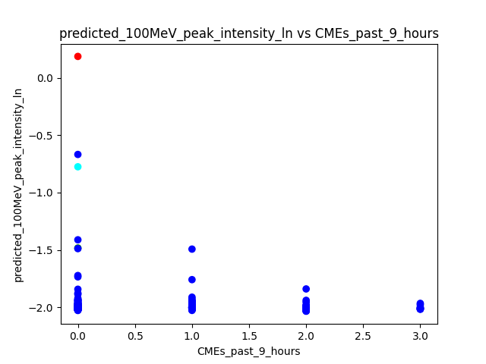
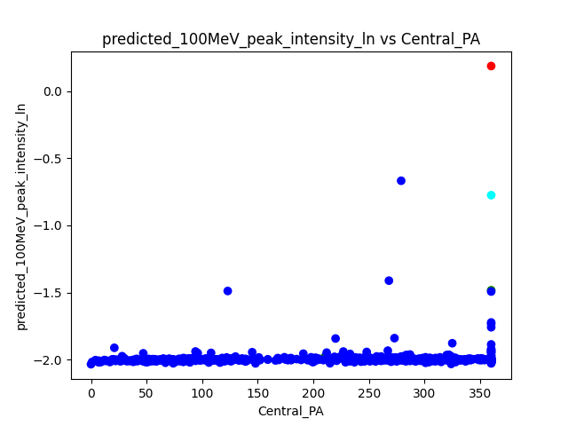
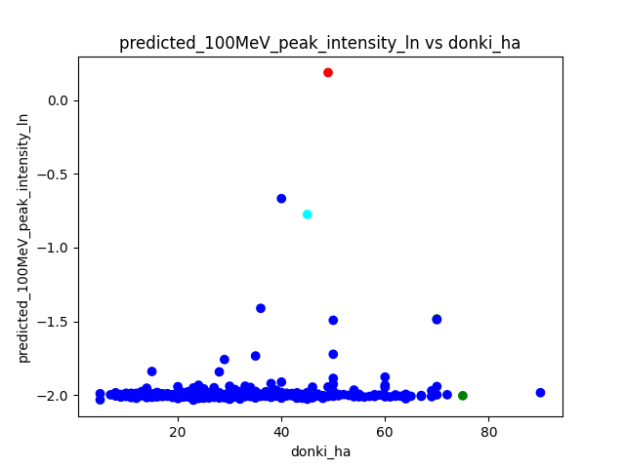
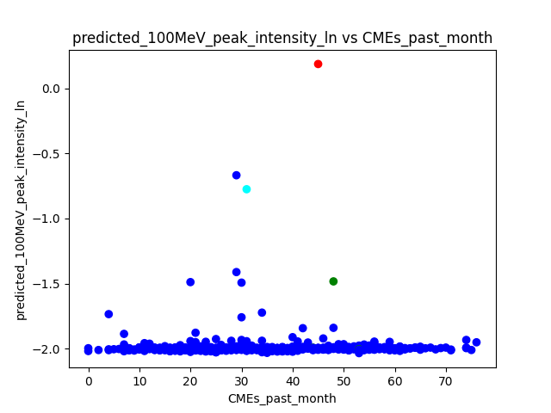
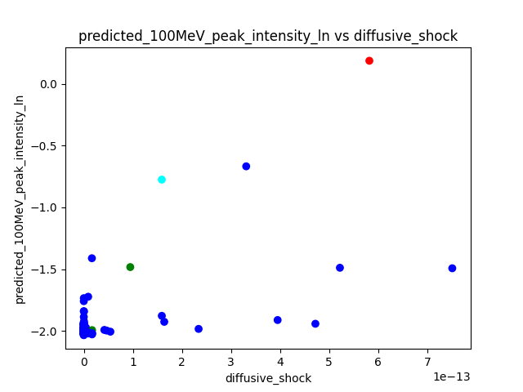
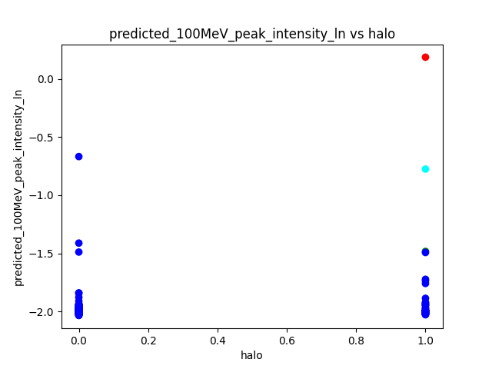
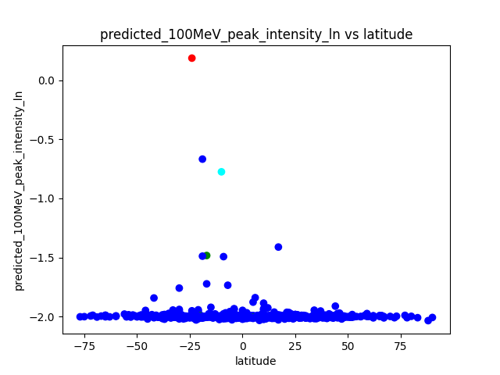
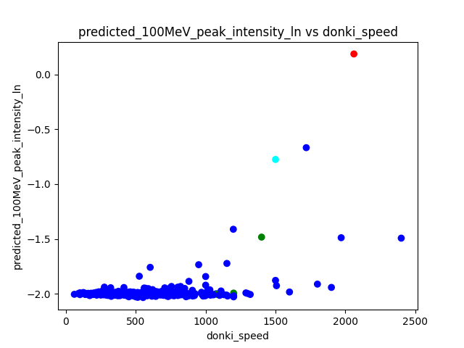
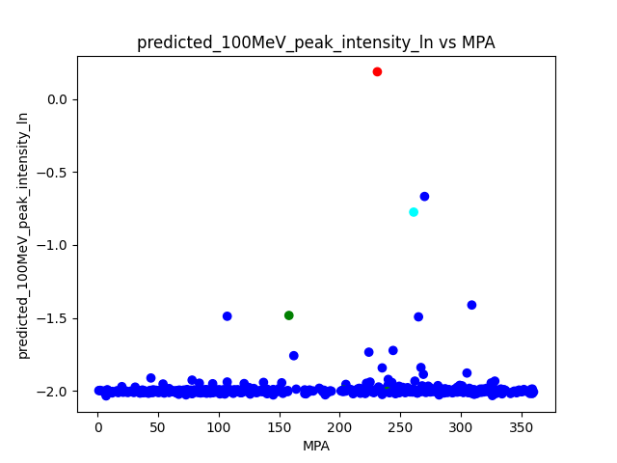
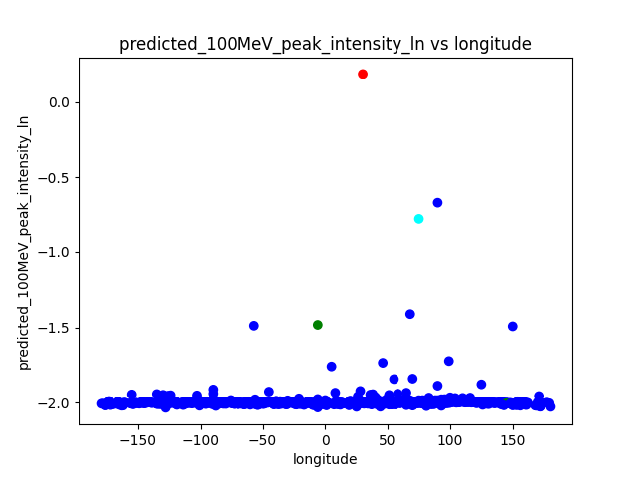
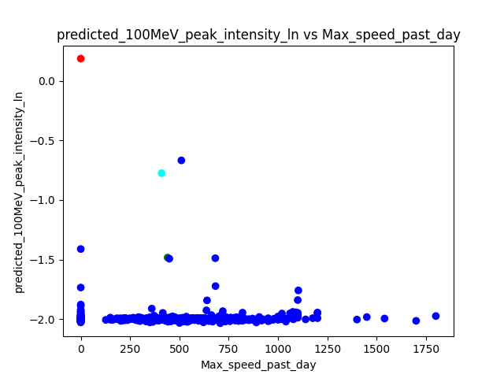
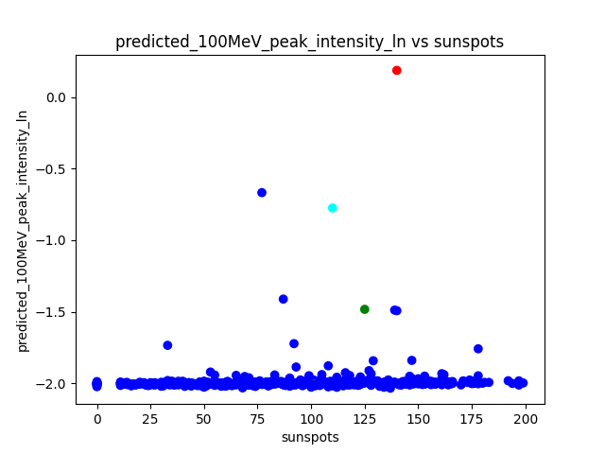
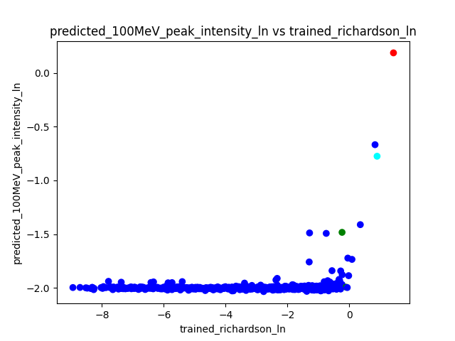
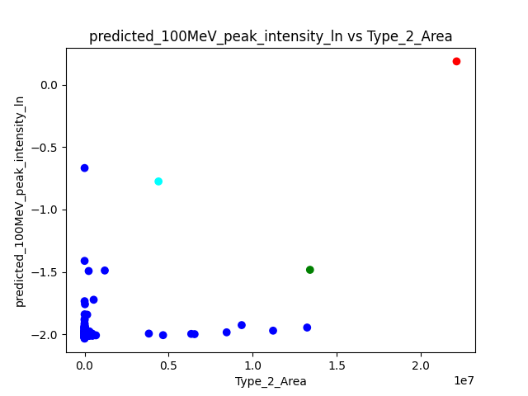
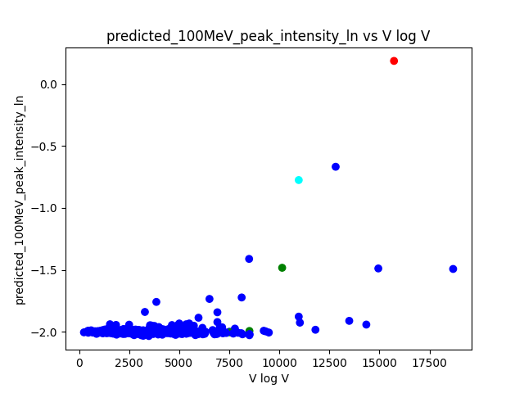
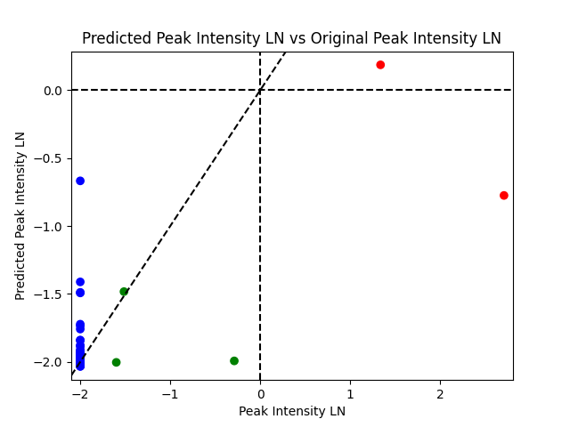
using_trained_richardson\retrained_regNN_oversampled_0_1\Predictions_F1_0.6666666666666666
 |  |  | dummy | index | donki_date | cdaw_date | donki_speed | donki_ha | longitude | latitude | Accel | 2nd_order_speed_final | 2nd_order_speed_20R | Central_PA | MPA | sunspots | halo | target | 100MeV_peak_intensity | 100MeV_peak_intensity_ln | predicted_100MeV_peak_intensity_ln | threshold_time | peak_time | expected_richardson | expected_richardson_ln | Type_2_Area | trained_richardson_ln | diffusive_shock | V log V | CMEs_past_month | CMEs_past_9_hours | CMEs_over_1000_past_9_hrs | Max_speed_past_day | solar_wind_speed | connection_angle_degrees | connection_angle_degrees_phi_2_solar_wind_sq_div | of_interest

 | False Positive
 |  | Elevated
 |  | C=violet

 |  | Background
 |  | C=orange

 | False Negative
 |  | C=cyan | 0 | 2 | 5/17/12 | 5/17/12 | 1500 | 45 | 75 | -10 | -51.8 | 1323 | 1473 | 360 | 261 | 110 | 1 | 1 | 14.992 | 2.7075167255 | -0.77522266 | 17 | 56 | 2.7053134845 | 0.99521779634 | 4396000 | 0.89670537214 | 1.59E-13 | 10969.830581 | 31 | 0 | 0 | 410 | 360.5 | 15.138965994 | -0.061976282142 | 3

 | Very close to False Negative
 |  | C=brown

best_median_rRT
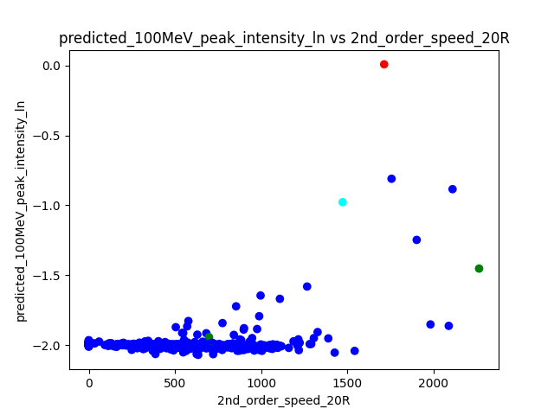
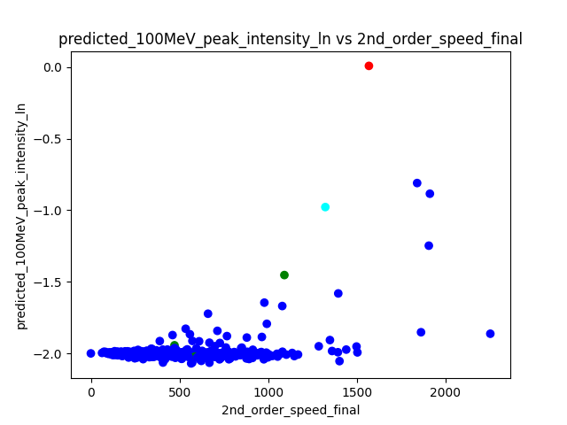
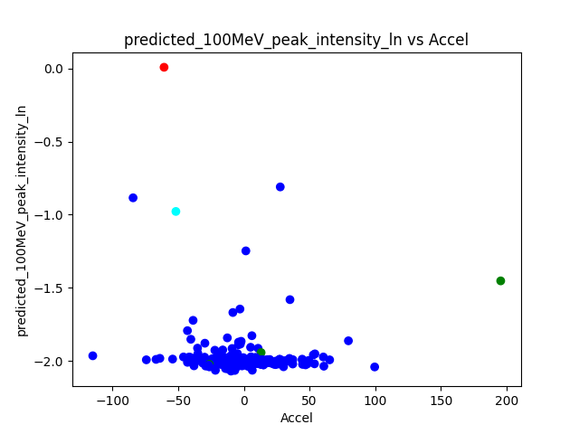
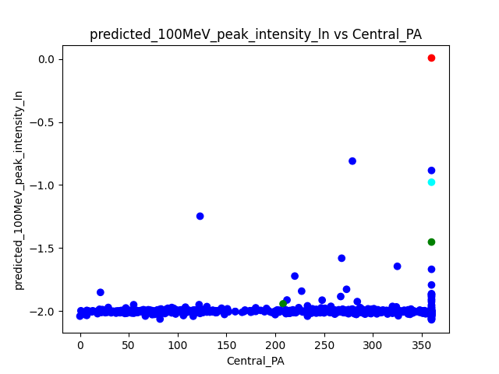
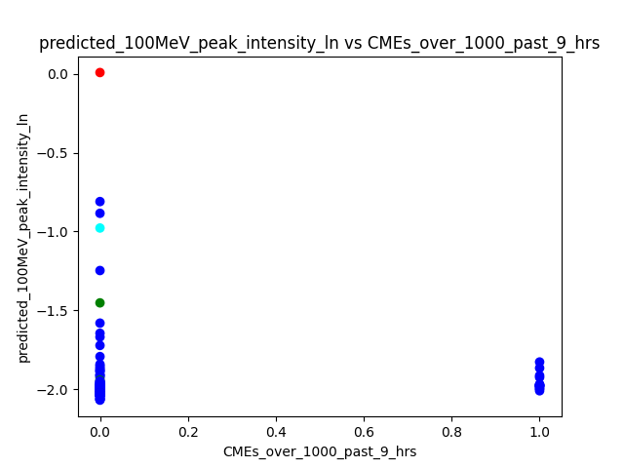
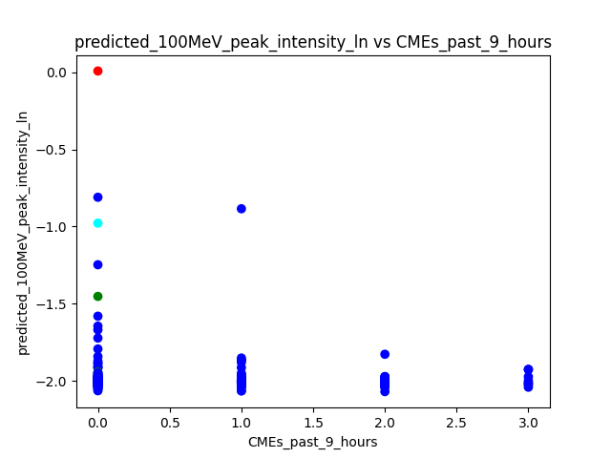
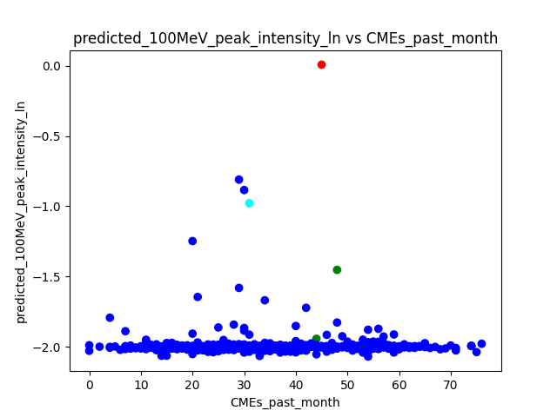
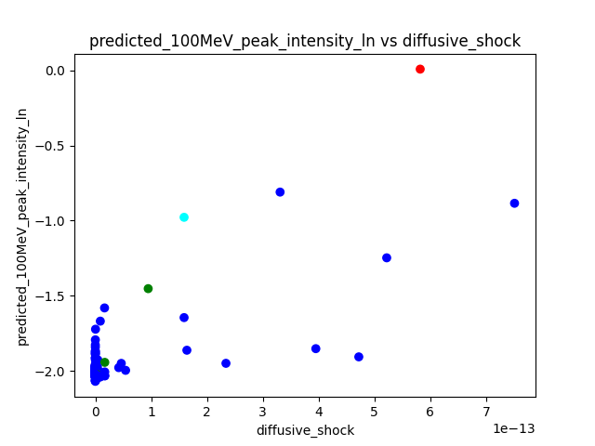
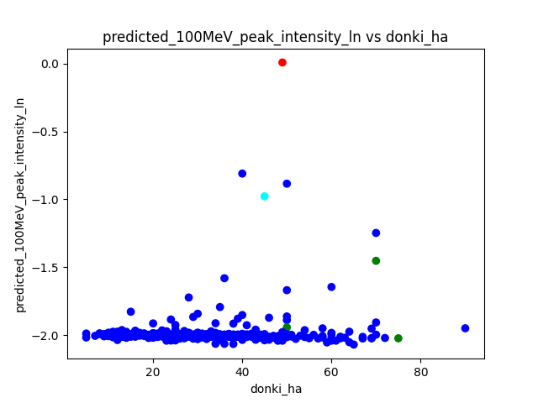
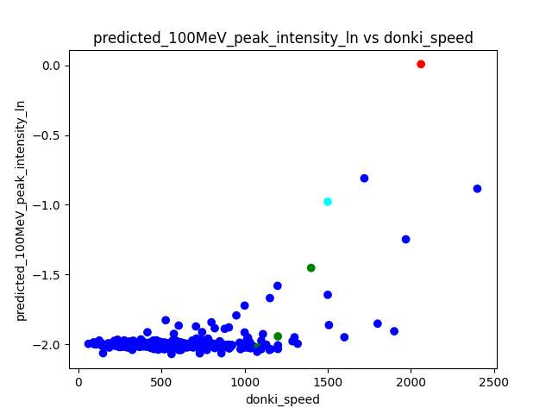
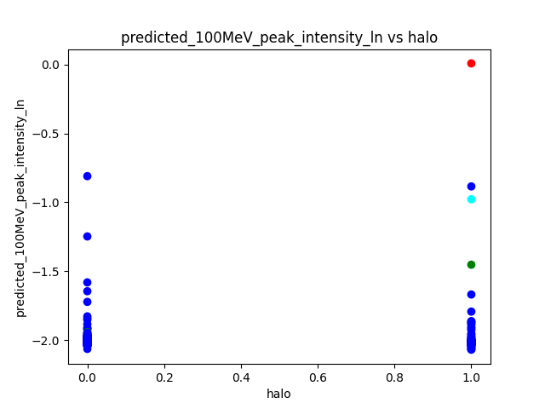
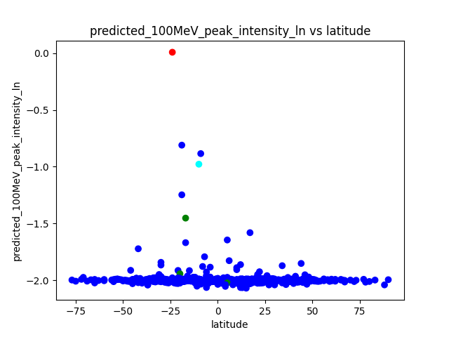
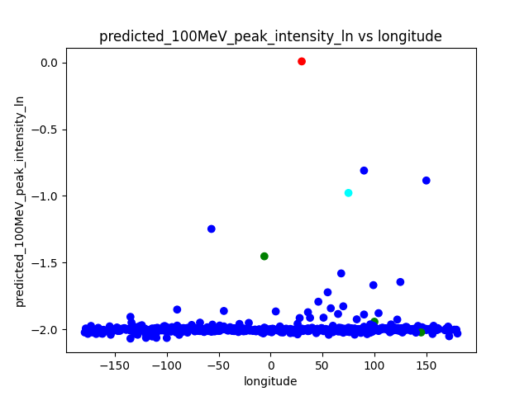
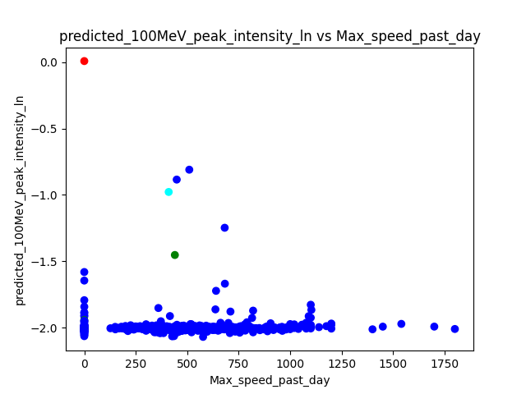
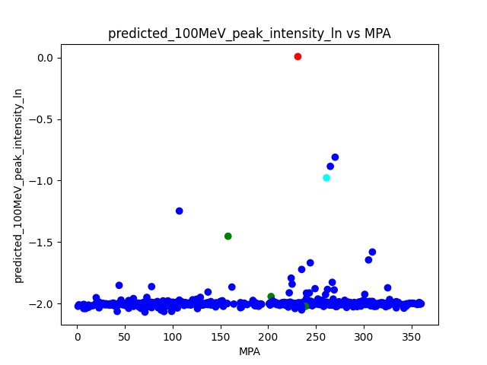
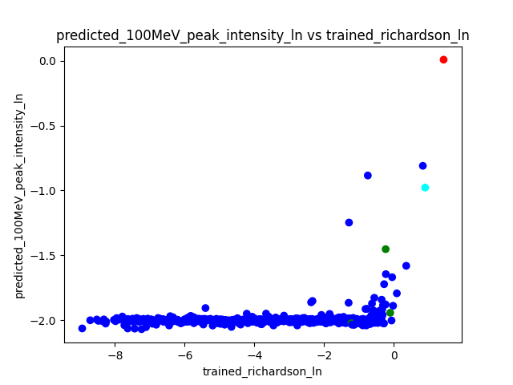
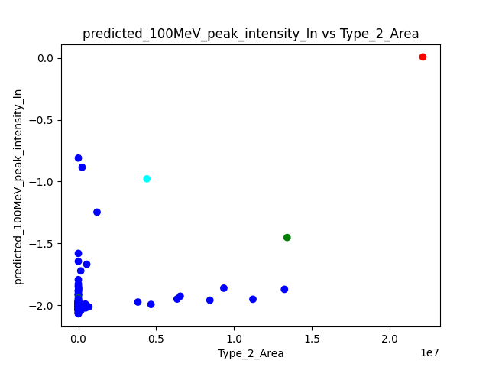
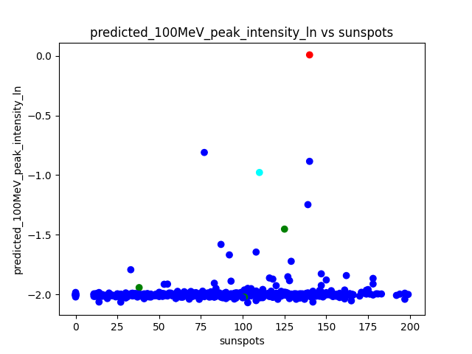
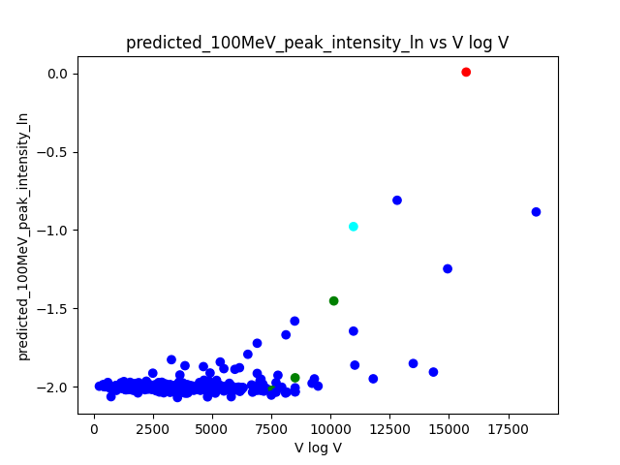
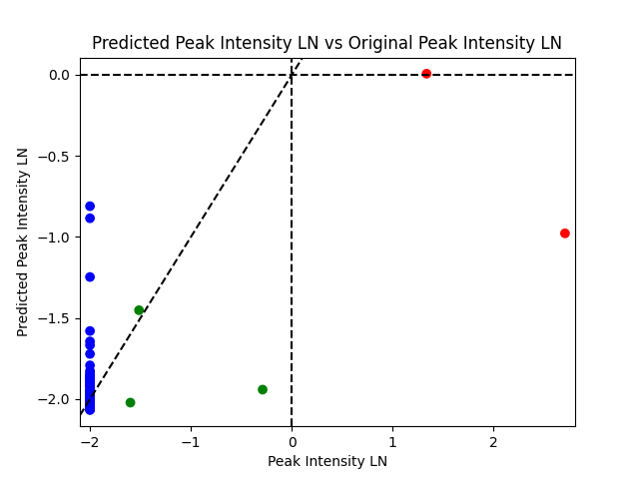
using_trained_richardson\retrained_rRT_0_1\Predictions_F1_0.6666666666666666
 |  |  | dummy | index | donki_date | cdaw_date | donki_speed | donki_ha | longitude | latitude | Accel | 2nd_order_speed_final | 2nd_order_speed_20R | Central_PA | MPA | sunspots | halo | target | 100MeV_peak_intensity | 100MeV_peak_intensity_ln | predicted_100MeV_peak_intensity_ln | threshold_time | peak_time | expected_richardson | expected_richardson_ln | Type_2_Area | trained_richardson_ln | diffusive_shock | V log V | CMEs_past_month | CMEs_past_9_hours | CMEs_over_1000_past_9_hrs | Max_speed_past_day | solar_wind_speed | connection_angle_degrees | connection_angle_degrees_phi_2_solar_wind_sq_div | of_interest

 | False Positive
 |  | Elevated
 |  | C=violet

 |  | Background
 |  | C=orange

 | False Negative
 |  | C=cyan | 0 | 2 | 5/17/12 | 5/17/12 | 1500 | 45 | 75 | -10 | -51.8 | 1323 | 1473 | 360 | 261 | 110 | 1 | 1 | 14.992 | 2.7075167255 | -0.97764605 | 17 | 56 | 2.7053134845 | 0.99521779634 | 4396000 | 0.89670537214 | 1.59E-13 | 10969.830581 | 31 | 0 | 0 | 410 | 360.5 | 15.138965994 | -0.061976282142 | 3

 | Very close to False Negative
 |  | C=brown

autoencoder
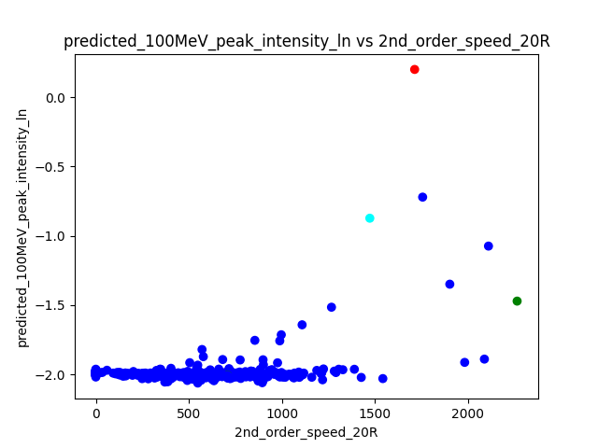
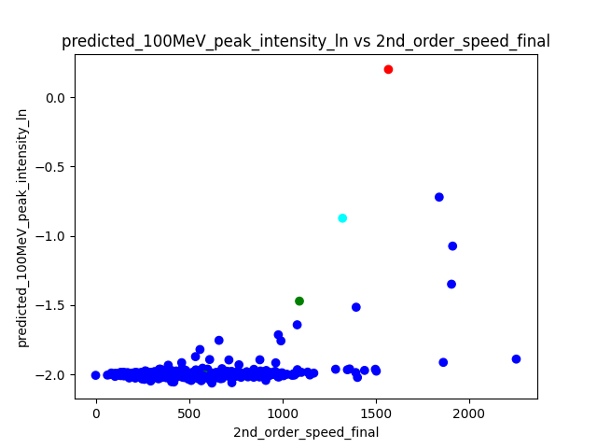
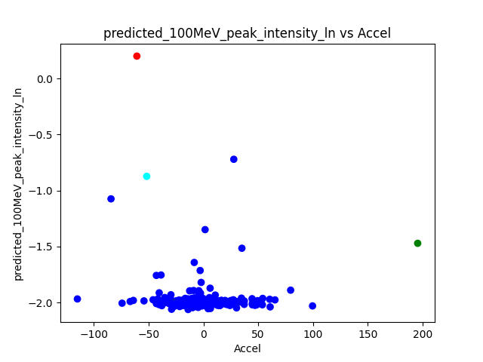
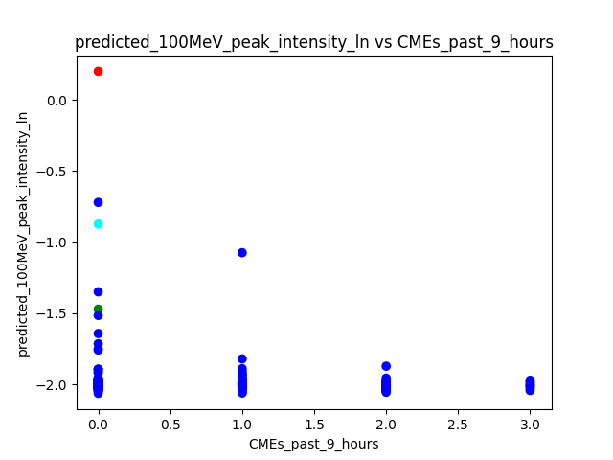
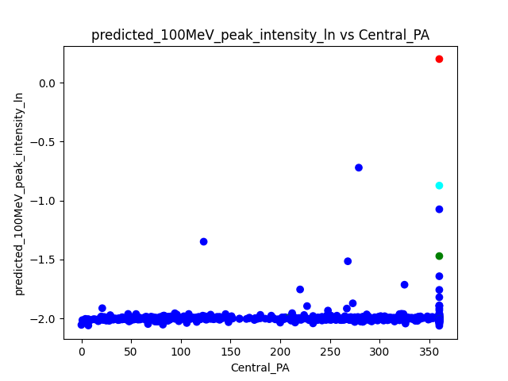
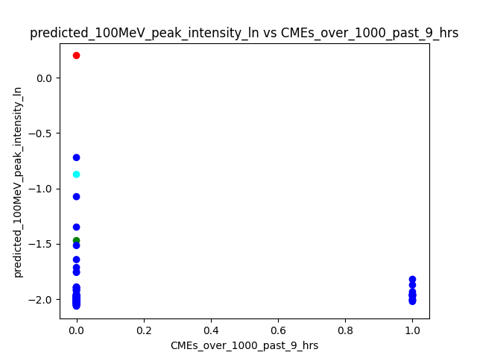
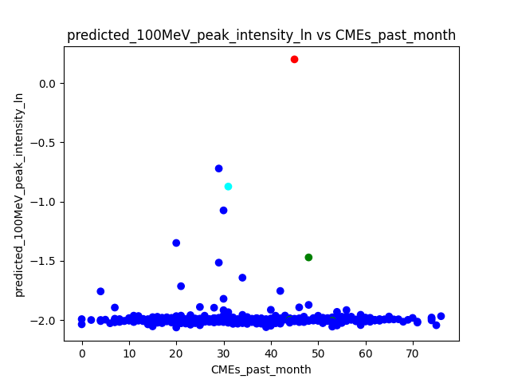
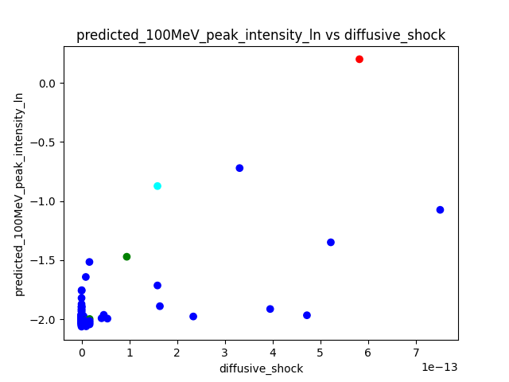
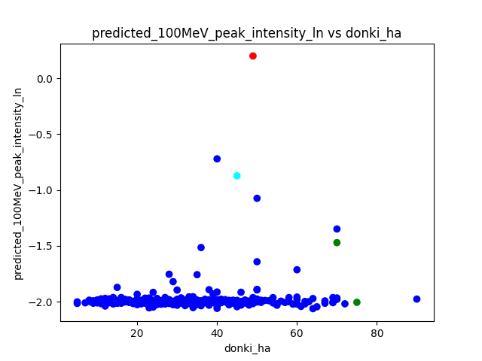
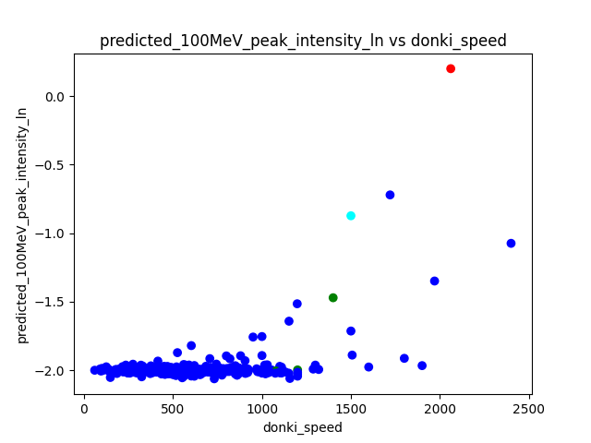









using_trained_richardson\retrained_autoencoder_ss_0_1\Predictions_F1_0.6666666666666666
 |  |  | dummy | index | donki_date | cdaw_date | donki_speed | donki_ha | longitude | latitude | Accel | 2nd_order_speed_final | 2nd_order_speed_20R | Central_PA | MPA | sunspots | halo | target | 100MeV_peak_intensity | 100MeV_peak_intensity_ln | predicted_100MeV_peak_intensity_ln | threshold_time | peak_time | expected_richardson | expected_richardson_ln | Type_2_Area | trained_richardson_ln | diffusive_shock | V log V | CMEs_past_month | CMEs_past_9_hours | CMEs_over_1000_past_9_hrs | Max_speed_past_day | solar_wind_speed | connection_angle_degrees | connection_angle_degrees_phi_2_solar_wind_sq_div | of_interest

 | False Positive
 |  | Elevated
 |  | C=violet

 |  | Background
 |  | C=orange

 | False Negative
 |  | C=cyan | 0 | 2 | 5/17/12 | 5/17/12 | 1500 | 45 | 75 | -10 | -51.8 | 1323 | 1473 | 360 | 261 | 110 | 1 | 1 | 14.992 | 2.7075167255 | -0.8727585 | 17 | 56 | 2.7053134845 | 0.99521779634 | 4396000 | 0.89670537214 | 1.59E-13 | 10969.830581 | 31 | 0 | 0 | 410 | 360.5 | 15.138965994 | -0.061976282142 | 3

 | Very close to False Negative
 |  | C=brown

