best_median_reg
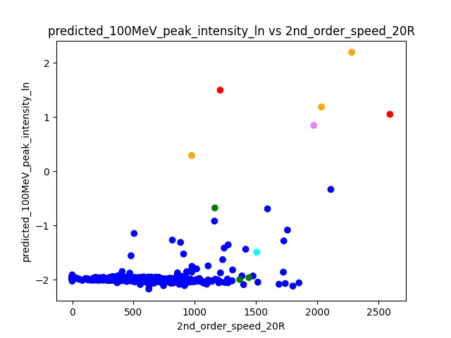
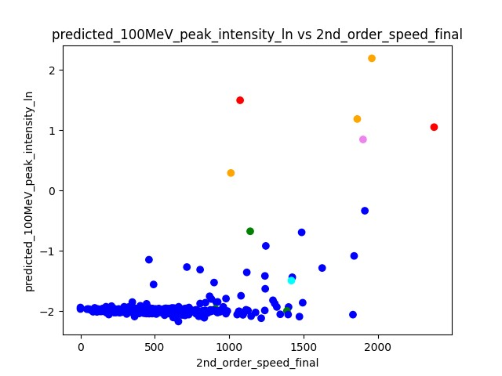
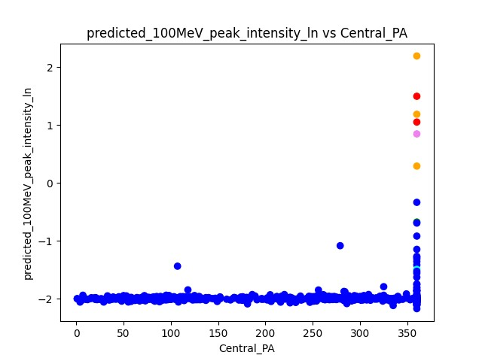
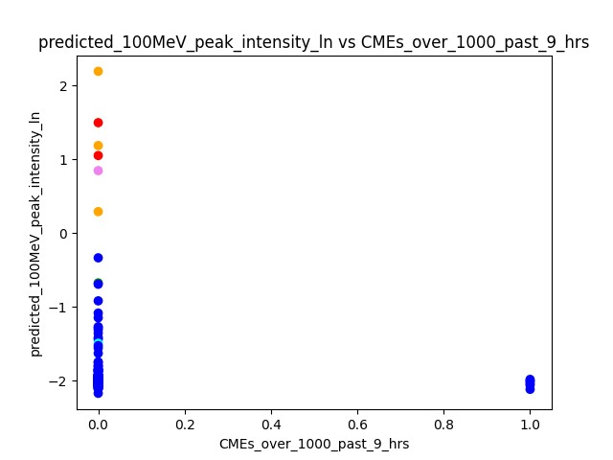
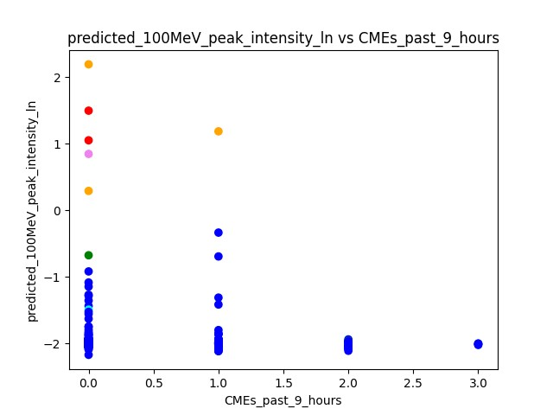
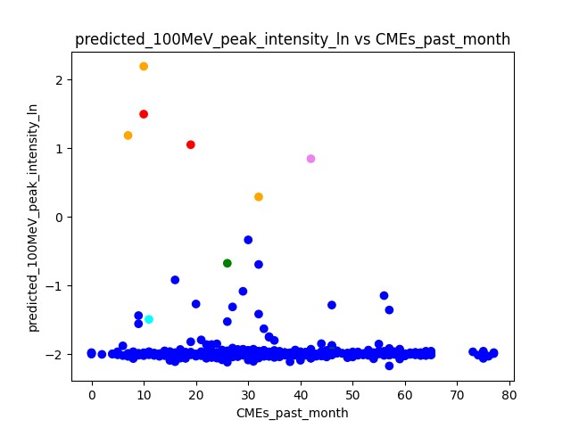
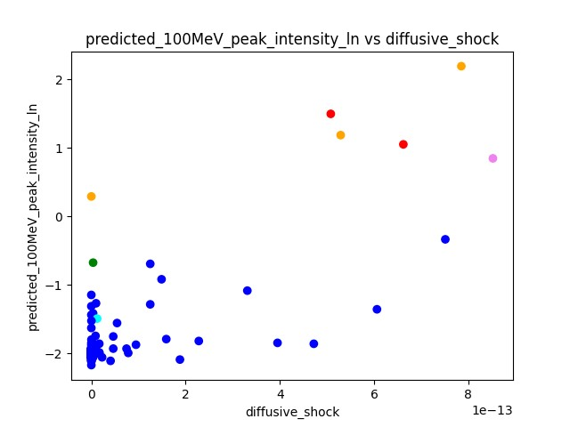
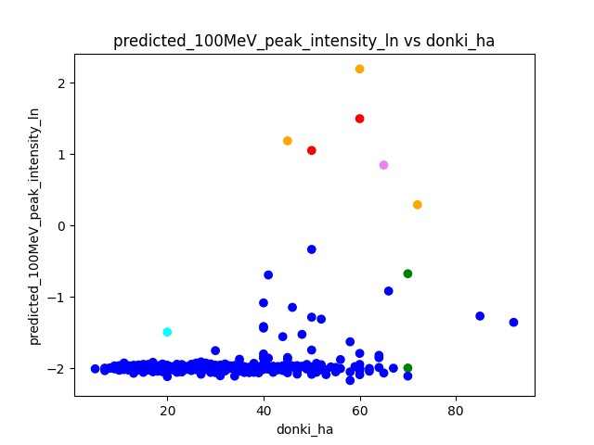
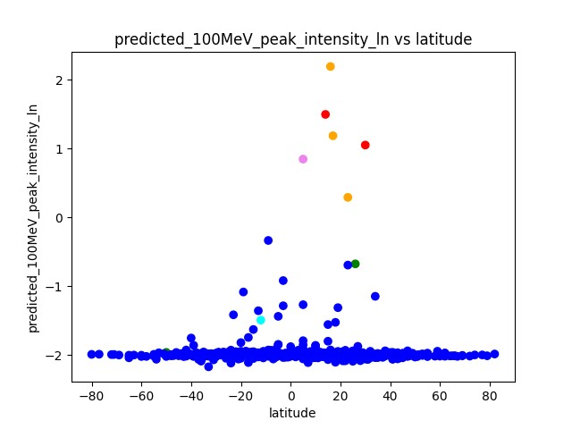
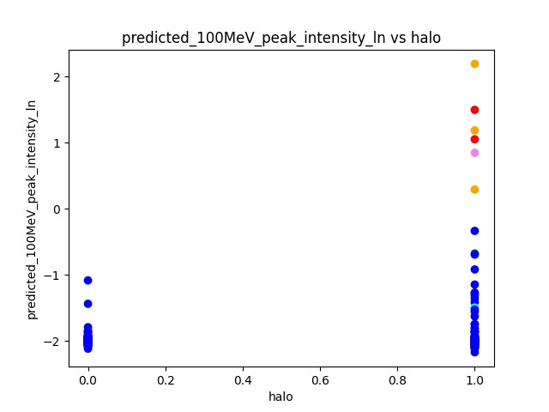
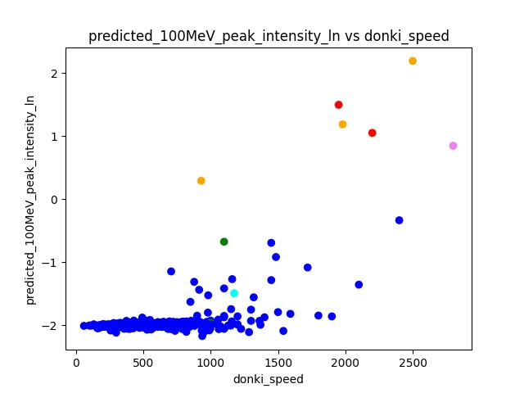
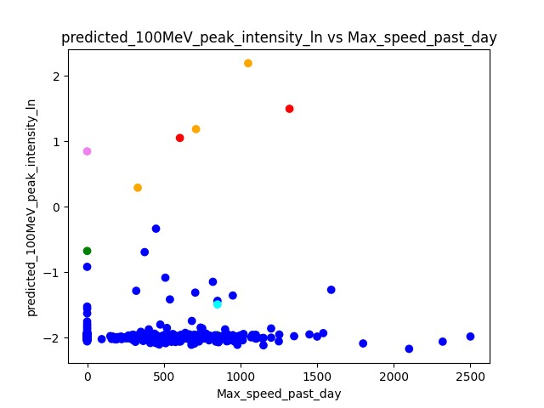
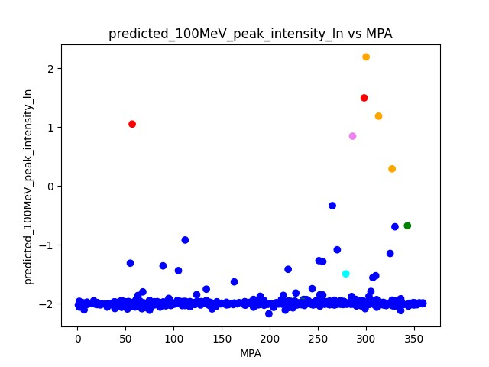
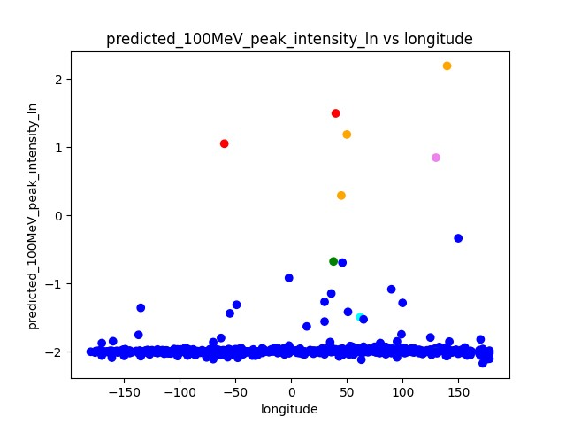
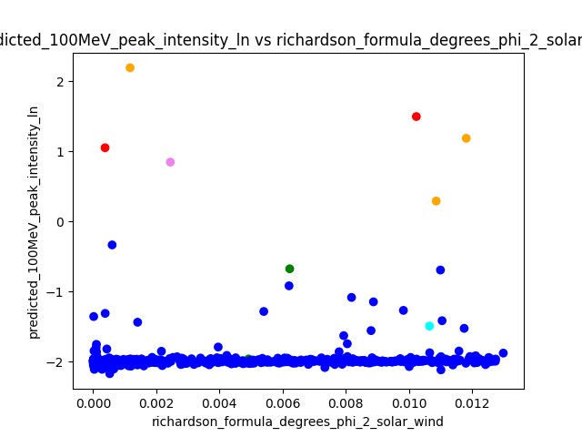
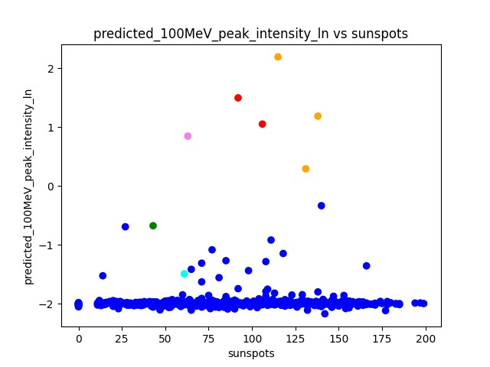
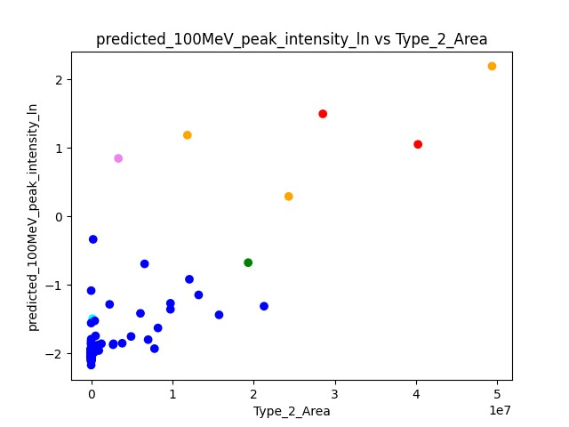
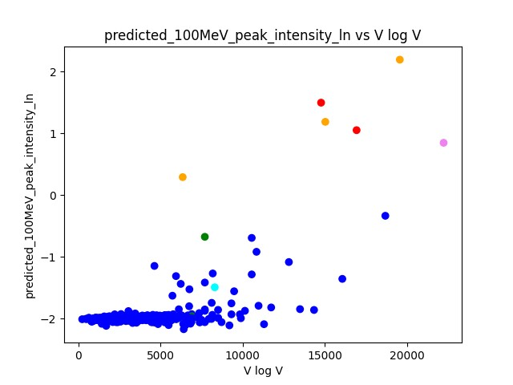
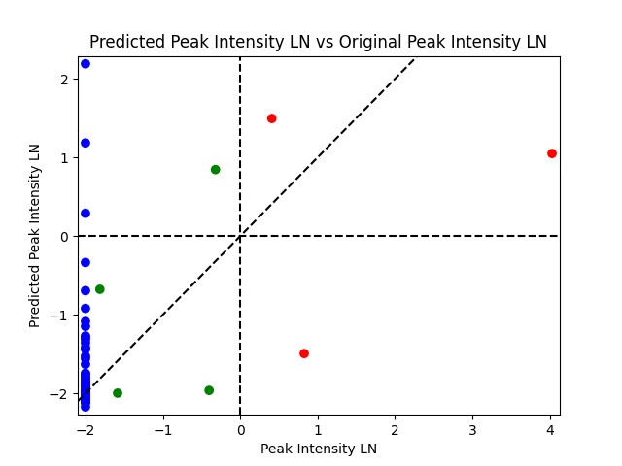
regNN_retrained\iterate\Predictions_Reg_NN_F1_0.4444444444444444_4
 |  |  | dummy | index | donki_date | cdaw_date | donki_speed | donki_ha | longitude | latitude | Accel | 2nd_order_speed_final | 2nd_order_speed_20R | Central_PA | MPA | sunspots | halo | target | 100MeV_peak_intensity | 100MeV_peak_intensity_ln | predicted_100MeV_peak_intensity_ln | threshold_time | peak_time | expected_richardson | expected_richardson_ln | Type_2_Area | richardson_formula_degrees_phi_2_solar_wind | diffusive_shock | V log V | CMEs_past_month | CMEs_past_9_hours | CMEs_over_1000_past_9_hrs | Max_speed_past_day | solar_wind_speed | connection_angle_degrees | connection_angle_degrees_phi_2_solar_wind_sq_div

 | False Positive
 |  | Elevated
 |  | C=violet | 0 | 4 | 7/23/12 | 7/23/12 | 2800 | 65 | 130 | 5 | -24.6 | 1901 | 1972 | 360 | 286 | 63 | 1 | 2 | 0.726 | -0.32020526416 | 0.8457652 | 404 | 1189 | 58.359891824 | 4.0666288701 | 3355800 | 0.0024458290594 | 8.52E-13 | 22224.649149 | 42 | 0 | 0 | 0 | 445.5 | 78.598665006 | -1.6705652084

 |  | Background
 |  | C=orange | 0 | 607 | 6/4/11 | 6/4/11 | 2500 | 60 | 140 | 16 | -140.2 | 1960 | 2281 | 360 | 300 | 115 | 1 | 0 | 0.135335283 | -2.0000000017 | 2.1914763 | 182 | 394 | 9.4747517487 | 2.24863055 | 49362750 | 0.0011692772571 | 7.85E-13 | 19560.115027 | 10 | 0 | 0 | 1050 | 504.3 | 94.376204249 | -2.4085635285
 |  |  | 0 | 58 | 3/7/11 | 3/7/11 | 1980 | 45 | 50 | 17 | -63.1 | 1862 | 2034 | 360 | 313 | 138 | 1 | 0 | 0.135335283 | -2.0000000017 | 1.1851522 | 229 | 484 | 14.731190248 | 2.6899670315 | 11850000 | 0.011819164338 | 5.29E-13 | 15029.887205 | 7 | 1 | 0 | 710 | 394.7 | -18.76564999 | -0.095227046931
 |  |  | 0 | 586 | 11/26/11 | 11/26/11 | 930 | 72 | 45 | 23 | 9 | 1012 | 975 | 360 | 327 | 131 | 1 | 0 | 0.135335283 | -2.0000000017 | 0.29007515 | 229 | 484 | 0.30910961377 | -1.1740593279 | 24327750 | 0.010866622672 | 2.57E-17 | 6356.7216651 | 32 | 0 | 0 | 330 | 402.8 | -25.746438524 | -0.17925340634
 | False Negative
 |  | C=cyan | 0 | 3 | 8/9/11 | 8/9/11 | 1175 | 20 | 62 | -12 | -40.6 | 1419 | 1506 | 360 | 279 | 61 | 1 | 1 | 2.2871 | 0.82728463949 | -1.4934192 | -6 | 30 | 0.7322186601 | -0.31167609365 | 180000 | 0.010655531909 | 1.23E-14 | 8306.1025262 | 11 | 0 | 0 | 850 | 611.2 | 27.118663251 | -0.19887017213

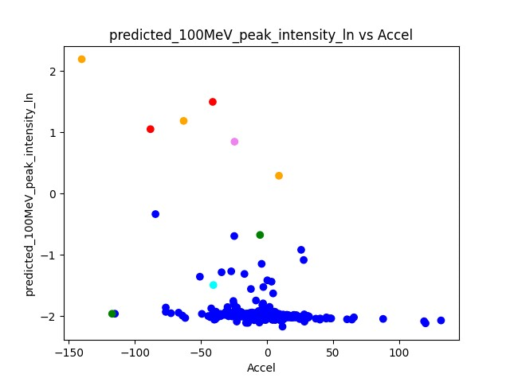
 | Very close to False Negative
 |  | C=brown

best_median_rRT
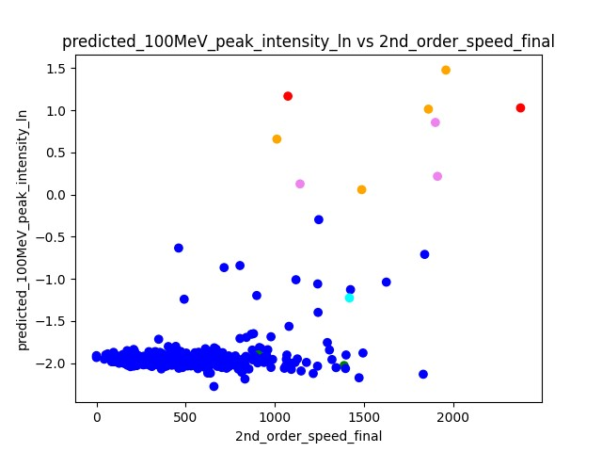
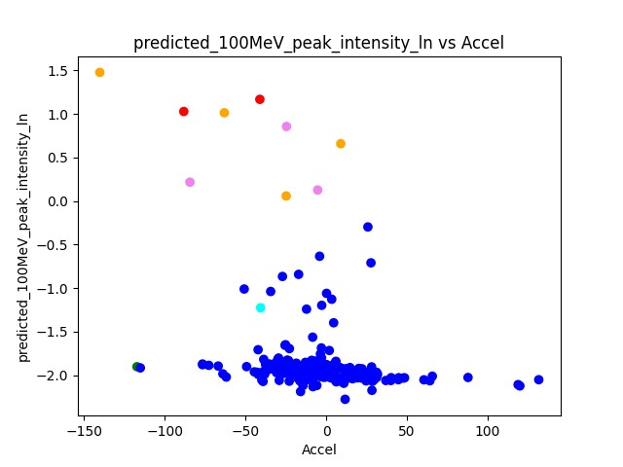
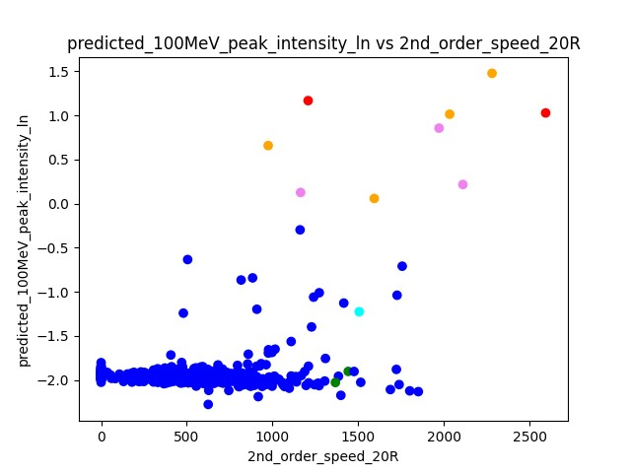
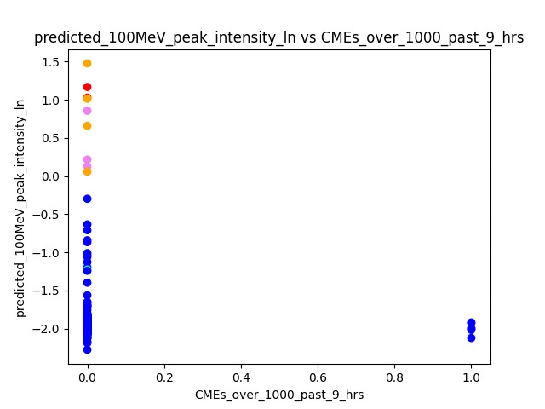
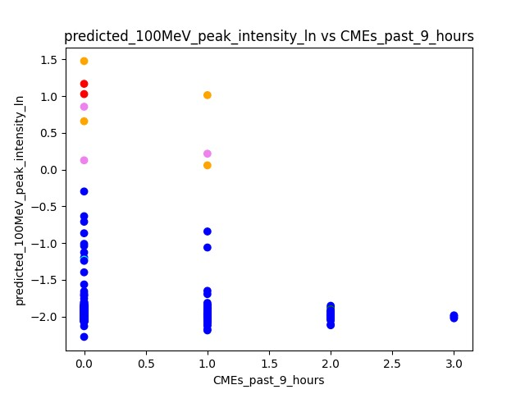
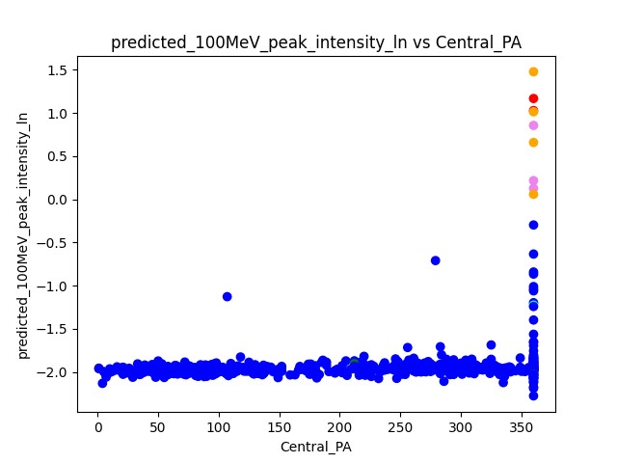
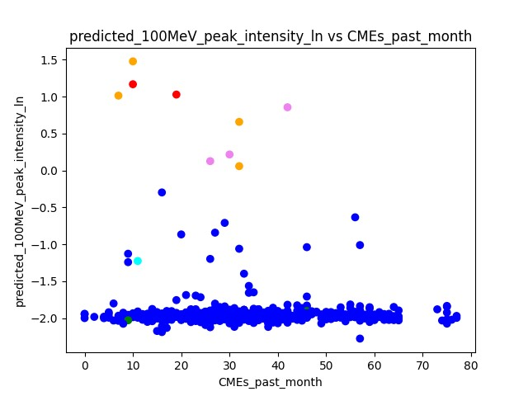
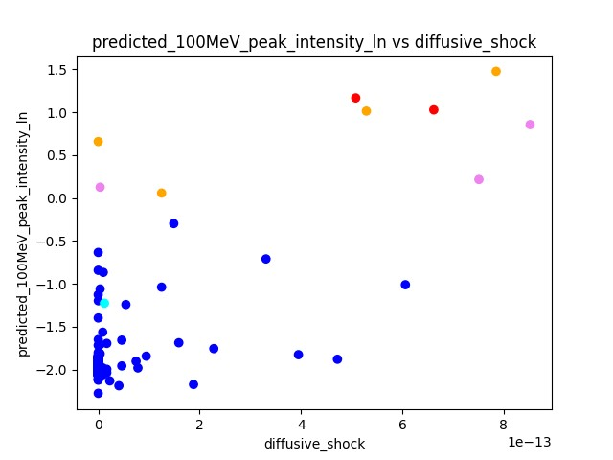
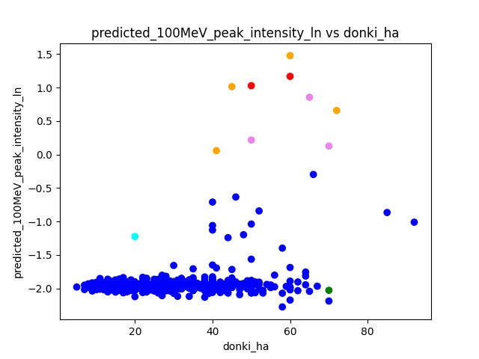
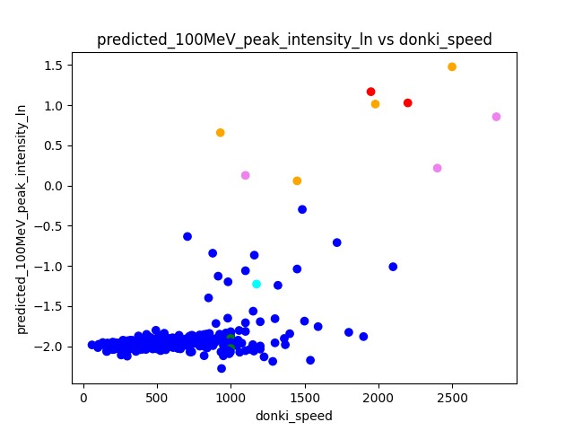
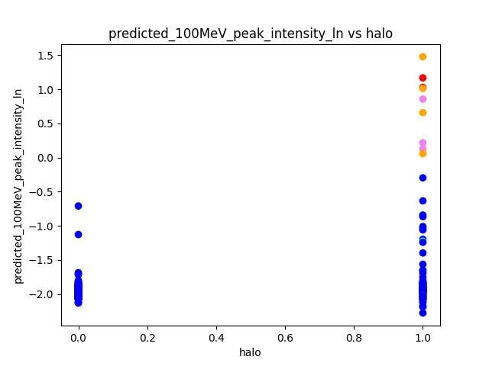
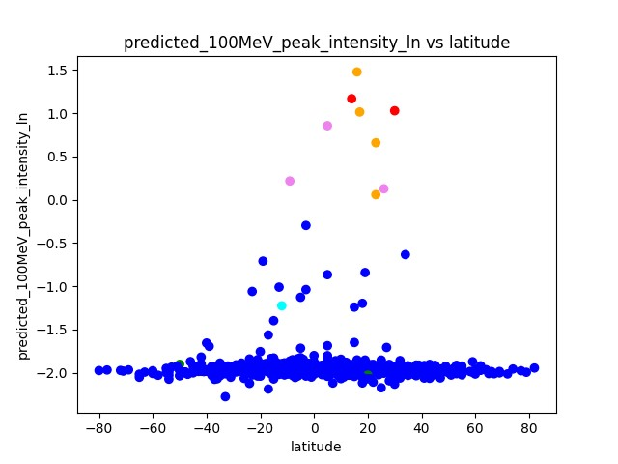
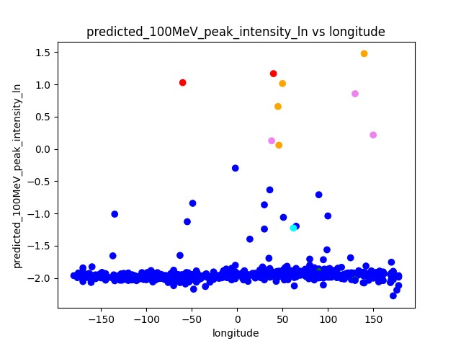
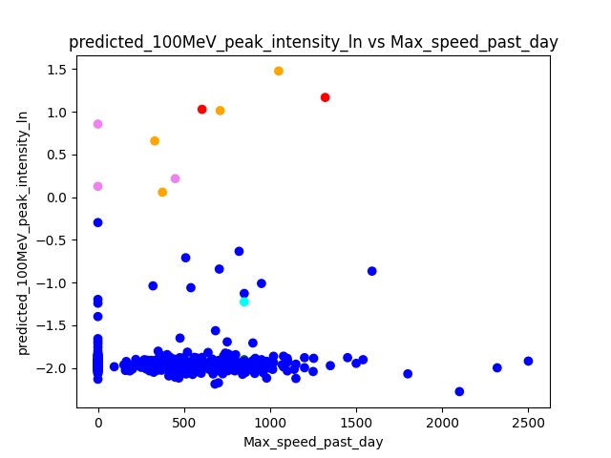
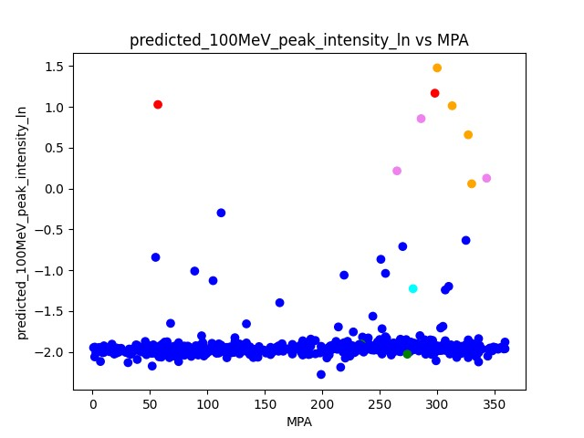
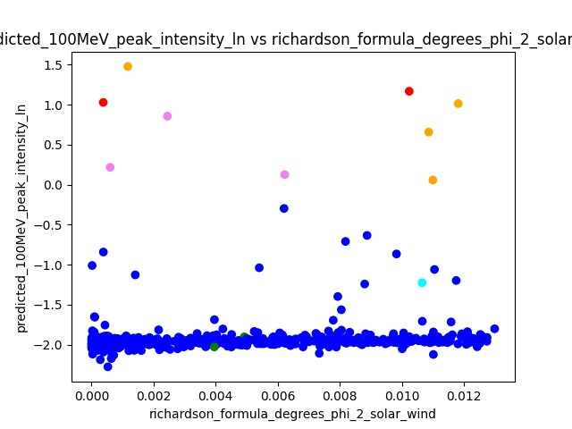
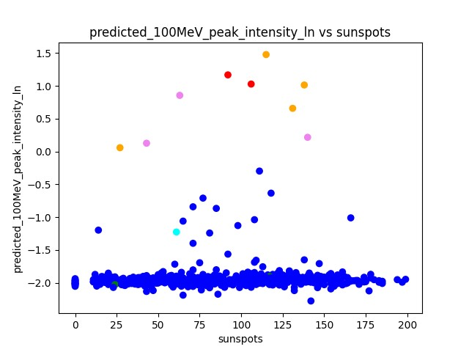
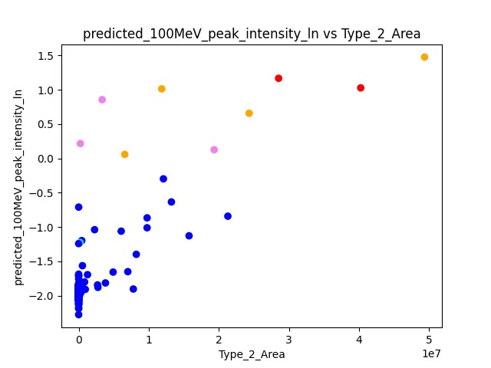
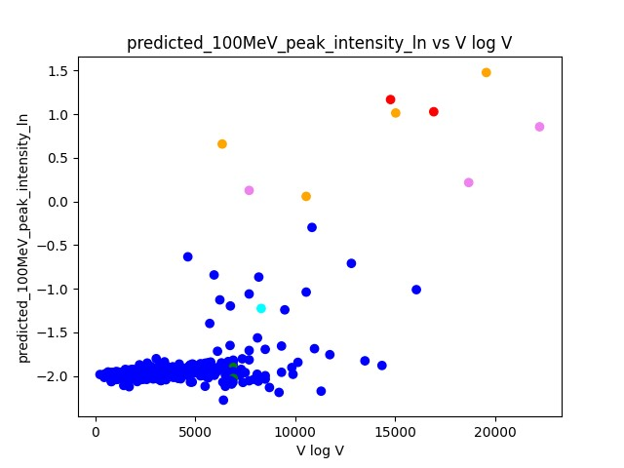
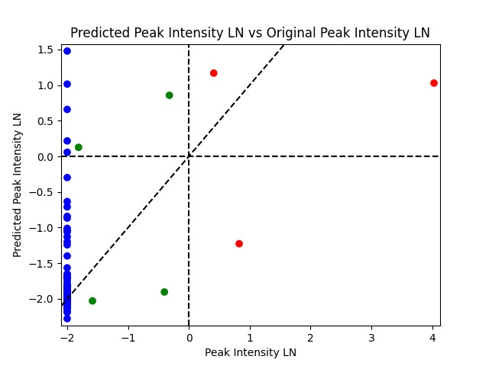
eval\retrained_rRT_0_1\Predictions_F1_0.3333333333333333
 |  |  | dummy | index | donki_date | cdaw_date | donki_speed | donki_ha | longitude | latitude | Accel | 2nd_order_speed_final | 2nd_order_speed_20R | Central_PA | MPA | sunspots | halo | target | 100MeV_peak_intensity | 100MeV_peak_intensity_ln | predicted_100MeV_peak_intensity_ln | threshold_time | peak_time | expected_richardson | expected_richardson_ln | Type_2_Area | richardson_formula_degrees_phi_2_solar_wind | diffusive_shock | V log V | CMEs_past_month | CMEs_past_9_hours | CMEs_over_1000_past_9_hrs | Max_speed_past_day | solar_wind_speed | connection_angle_degrees | connection_angle_degrees_phi_2_solar_wind_sq_div | of_interest

 | False Positive
 |  | Elevated
 |  | C=violet | 0 | 4 | 7/23/12 | 7/23/12 | 2800 | 65 | 130 | 5 | -24.6 | 1901 | 1972 | 360 | 286 | 63 | 1 | 2 | 0.726 | -0.32020526416 | 0.8561065 | 404 | 1189 | 58.359891824 | 4.0666288701 | 3355800 | 0.0024458290594 | 8.52E-13 | 22224.649149 | 42 | 0 | 0 | 0 | 445.5 | 78.598665006 | -1.6705652084 | 2
 |  |  | 0 | 411 | 12/13/14 | 12/13/14 | 2400 | 50 | 150 | -9 | -84.4 | 1913 | 2111 | 360 | 265 | 140 | 1 | 0 | 0.135335283 | -2.0000000017 | 0.216601 | 229 | 484 | 3.3969345263 | 1.222873415 | 242400 | 0.00060087322549 | 7.51E-13 | 18679.737639 | 30 | 1 | 0 | 449 | 531 | 106.62475235 | -3.0743206634 | 2
 |  |  | 0 | 6 | 9/29/13 | 9/29/13 | 1100 | 70 | 38 | 26 | -5.3 | 1142 | 1164 | 360 | 343 | 43 | 1 | 2 | 0.163 | -1.8140050782 | 0.12645836 | 475 | 490 | 0.32659848344 | -1.1190237419 | 19334780 | 0.0062259842174 | 3.78E-15 | 7703.3720047 | 26 | 0 | 0 | 0 | 269.7 | -52.177902409 | -0.7362178204 | 2

 |  | Background
 |  | C=orange | 0 | 607 | 6/4/11 | 6/4/11 | 2500 | 60 | 140 | 16 | -140.2 | 1960 | 2281 | 360 | 300 | 115 | 1 | 0 | 0.135335283 | -2.0000000017 | 1.4775174 | 182 | 394 | 9.4747517487 | 2.24863055 | 49362750 | 0.0011692772571 | 7.85E-13 | 19560.115027 | 10 | 0 | 0 | 1050 | 504.3 | 94.376204249 | -2.4085635285 | 1
 |  |  | 0 | 58 | 3/7/11 | 3/7/11 | 1980 | 45 | 50 | 17 | -63.1 | 1862 | 2034 | 360 | 313 | 138 | 1 | 0 | 0.135335283 | -2.0000000017 | 1.0139222 | 229 | 484 | 14.731190248 | 2.6899670315 | 11850000 | 0.011819164338 | 5.29E-13 | 15029.887205 | 7 | 1 | 0 | 710 | 394.7 | -18.76564999 | -0.095227046931 | 1
 |  |  | 0 | 586 | 11/26/11 | 11/26/11 | 930 | 72 | 45 | 23 | 9 | 1012 | 975 | 360 | 327 | 131 | 1 | 0 | 0.135335283 | -2.0000000017 | 0.6582537 | 229 | 484 | 0.30910961377 | -1.1740593279 | 24327750 | 0.010866622672 | 2.57E-17 | 6356.7216651 | 32 | 0 | 0 | 330 | 402.8 | -25.746438524 | -0.17925340634 | 1
 |  |  | 0 | 431 | 6/25/15 | 6/25/15 | 1450 | 41 | 46 | 23 | -24.8 | 1488 | 1594 | 360 | 330 | 27 | 1 | 0 | 0.135335283 | -2.0000000017 | 0.05810213 | 229 | 484 | 2.0345549473 | 0.71027709586 | 6578750 | 0.011001508226 | 1.25E-13 | 10555.012311 | 32 | 1 | 0 | 375 | 630.7 | 24.844697659 | -0.16691698262 | 1
 | False Negative
 |  | C=cyan | 0 | 3 | 8/9/11 | 8/9/11 | 1175 | 20 | 62 | -12 | -40.6 | 1419 | 1506 | 360 | 279 | 61 | 1 | 1 | 2.2871 | 0.82728463949 | -1.2263219 | -6 | 30 | 0.7322186601 | -0.31167609365 | 180000 | 0.010655531909 | 1.23E-14 | 8306.1025262 | 11 | 0 | 0 | 850 | 611.2 | 27.118663251 | -0.19887017213 | 3

 | Very close to False Negative
 |  | C=brown

richardson_3fold_4fold_all
TEST DATA |  | DATASET 0

100MeV_peak_intensity_ln vs DONKI speed
100MeV_peak_intensity_ln vs conn^2 / (2 * sigma^2) sigma = 102.669
100MeV_peak_intensity_ln vs conn^2 / (2 * sigma^2) sigma = 43

 |  | DATASET 1

 |  | DATASET 2

 | LN |  |  |  |  |  |  |  | LN | SEP ONLY |  |  |  |  |  |  | LN |  |  |  |  |  |  |  | LN | SEP ONLY
 | LEARN RICHARDSON ON SYN LN 3Fold/4Fold Dataset 0 MAE SHOW WORK |  |  |  |  |  |  |  | LEARN RICHARDSON ON SYN LN 3Fold/4Fold Dataset 0 MAE SHOW WORK
target | output_on_syn | 100MeV_peak_intensity_ln | abs_diff | sum_abs_diff | n | sum_abs_diff_div_n | AVERAGE | target | output_on_syn | 100MeV_peak_intensity_ln | abs_diff | sum_abs_diff | n | sum_abs_diff_div_n | AVERAGE | target | output_on_syn | 100MeV_peak_intensity_ln | abs_diff | sum_abs_diff | n | sum_abs_diff_div_n | AVERAGE | target | output_on_syn | 100MeV_peak_intensity_ln | abs_diff | sum_abs_diff | n | sum_abs_diff_div_n | AVERAGE
 |  |  | 0 | 0 | 10 | 0 | 0 |  |  |  | 0 | 0 | 4 | 0 | 0 |  |  |  | 0 | 0 | 10 | 0 | 0 |  |  |  | 0 | 0 | 4 | 0 | 0
 |  |  | 0 |  |  |  |  |  |  |  | 0 |  |  |  |  |  |  |  | 0 |  |  |  |  |  |  |  | 0
 |  |  | 0 |  |  |  |  |  |  |  | 0 |  |  |  |  |  |  |  | 0 |  |  |  |  |  |  |  | 0
 |  |  | 0 |  |  |  |  |  |  |  | 0 |  |  |  |  |  |  |  | 0 |  |  |  |  |  |  |  | 0
 |  |  | 0 |  |  |  |  |  |  |  |  |  |  |  |  |  |  |  | 0
 |  |  | 0 |  |  |  |  |  |  |  |  |  |  |  |  |  |  |  | 0
 |  |  | 0 |  |  |  |  |  |  |  |  |  |  |  |  |  |  |  | 0
 |  |  | 0 |  |  |  |  |  |  |  |  |  |  |  |  |  |  |  | 0
 |  |  | 0 |  |  |  |  |  |  |  |  |  |  |  |  |  |  |  | 0
 |  |  | 0 |  |  |  |  |  |  |  |  |  |  |  |  |  |  |  | 0

 | LEARN RICHARDSON ON SYN LN 3Fold/4Fold Dataset 1 MAE SHOW WORK |  |  |  |  |  |  |  | LEARN RICHARDSON ON SYN LN 3Fold/4Fold Dataset 1 MAE SHOW WORK
target | output_on_syn | 100MeV_peak_intensity_ln | abs_diff | sum_abs_diff | n | sum_abs_diff_div_n |  | target | output_on_syn | 100MeV_peak_intensity_ln | abs_diff | sum_abs_diff | n | sum_abs_diff_div_n |  | target | output_on_syn | 100MeV_peak_intensity_ln | abs_diff | sum_abs_diff | n | sum_abs_diff_div_n |  | target | output_on_syn | 100MeV_peak_intensity_ln | abs_diff | sum_abs_diff | n | sum_abs_diff_div_n
 |  |  | 0 | 0 | 10 | 0 |  |  |  |  | 0 | 0 | 4 | 0 |  |  |  |  | 0 | 0 | 10 | 0 |  |  |  |  | 0 | 0 | 4 | 0
 |  |  | 0 |  |  |  |  |  |  |  | 0 |  |  |  |  |  |  |  | 0 |  |  |  |  |  |  |  | 0
 |  |  | 0 |  |  |  |  |  |  |  | 0 |  |  |  |  |  |  |  | 0 |  |  |  |  |  |  |  | 0
 |  |  | 0 |  |  |  |  |  |  |  | 0 |  |  |  |  |  |  |  | 0 |  |  |  |  |  |  |  | 0
 |  |  | 0 |  |  |  |  |  |  |  |  |  |  |  |  |  |  |  | 0
 |  |  | 0 |  |  |  |  |  |  |  |  |  |  |  |  |  |  |  | 0
 |  |  | 0 |  |  |  |  |  |  |  |  |  |  |  |  |  |  |  | 0
 |  |  | 0 |  |  |  |  |  |  |  |  |  |  |  |  |  |  |  | 0
 |  |  | 0 |  |  |  |  |  |  |  |  |  |  |  |  |  |  |  | 0
 |  |  | 0 |  |  |  |  |  |  |  |  |  |  |  |  |  |  |  | 0

 | LEARN RICHARDSON ON SYN LN 3Fold/4Fold Dataset 2 MAE SHOW WORK |  |  |  |  |  |  |  | LEARN RICHARDSON ON SYN LN 3Fold/4Fold Dataset 2 MAE SHOW WORK
target | output_on_syn | 100MeV_peak_intensity_ln | abs_diff | sum_abs_diff | n | sum_abs_diff_div_n |  | target | output_on_syn | 100MeV_peak_intensity_ln | abs_diff | sum_abs_diff | n | sum_abs_diff_div_n |  | target | output_on_syn | 100MeV_peak_intensity_ln | abs_diff | sum_abs_diff | n | sum_abs_diff_div_n |  | target | output_on_syn | 100MeV_peak_intensity_ln | abs_diff | sum_abs_diff | n | sum_abs_diff_div_n
 |  |  | 0 | 0 | 9 | 0 |  |  |  |  | 0 | 0 | 5 | 0 |  |  |  |  | 0 | 0 | 9 | 0 |  |  |  |  | 0 | 0 | 5 | 0
 |  |  | 0 |  |  |  |  |  |  |  | 0 |  |  |  |  |  |  |  | 0 |  |  |  |  |  |  |  | 0
 |  |  | 0 |  |  |  |  |  |  |  | 0 |  |  |  |  |  |  |  | 0 |  |  |  |  |  |  |  | 0
 |  |  | 0 |  |  |  |  |  |  |  | 0 |  |  |  |  |  |  |  | 0 |  |  |  |  |  |  |  | 0
 |  |  | 0 |  |  |  |  |  |  |  | 0 |  |  |  |  |  |  |  | 0 |  |  |  |  |  |  |  | 0
 |  |  | 0 |  |  |  |  |  |  |  |  |  |  |  |  |  |  |  | 0
 |  |  | 0 |  |  |  |  |  |  |  |  |  |  |  |  |  |  |  | 0
 |  |  | 0 |  |  |  |  |  |  |  |  |  |  |  |  |  |  |  | 0
 |  |  | 0 |  |  |  |  |  |  |  |  |  |  |  |  |  |  |  | 0

 | Intensity |  |  |  |  |  |  |  | Intensity | SEP ONLY |  |  |  |  |  |  | Intensity |  |  |  |  |  |  |  | Intensity | SEP ONLY
 | LEARN RICHARDSON ON SYN LN 3Fold/4Fold Dataset 0 MAE SHOW WORK |  |  |  |  |  |  |  | LEARN RICHARDSON ON SYN LN 3Fold/4Fold Dataset 0 MAE SHOW WORK
target | output_on_syn_exp | 100MeV_peak_intensity | abs_diff | sum_abs_diff | n | sum_abs_diff_div_n | AVERAGE | target | output_on_syn_exp | 100MeV_peak_intensity | abs_diff | sum_abs_diff | n | sum_abs_diff_div_n | AVERAGE | target | output_on_syn_exp | 100MeV_peak_intensity | abs_diff | sum_abs_diff | n | sum_abs_diff_div_n | AVERAGE | target | output_on_syn_exp | 100MeV_peak_intensity | abs_diff | sum_abs_diff | n | sum_abs_diff_div_n | AVERAGE
 |  |  | 0 | 0 | 10 | 0 | 0 |  |  |  | 0 | 0 | 4 | 0 | 0 |  |  |  | 0 | 0 | 10 | 0 | 0 |  |  |  | 0 | 0 | 4 | 0 | 0
 |  |  | 0 |  |  |  |  |  |  |  | 0 |  |  |  |  |  |  |  | 0 |  |  |  |  |  |  |  | 0
 |  |  | 0 |  |  |  |  |  |  |  | 0 |  |  |  |  |  |  |  | 0 |  |  |  |  |  |  |  | 0
 |  |  | 0 |  |  |  |  |  |  |  | 0 |  |  |  |  |  |  |  | 0 |  |  |  |  |  |  |  | 0
 |  |  | 0 |  |  |  |  |  |  |  |  |  |  |  |  |  |  |  | 0
 |  |  | 0 |  |  |  |  |  |  |  |  |  |  |  |  |  |  |  | 0
 |  |  | 0 |  |  |  |  |  |  |  |  |  |  |  |  |  |  |  | 0
 |  |  | 0 |  |  |  |  |  |  |  |  |  |  |  |  |  |  |  | 0
 |  |  | 0 |  |  |  |  |  |  |  |  |  |  |  |  |  |  |  | 0
 |  |  | 0 |  |  |  |  |  |  |  |  |  |  |  |  |  |  |  | 0

 | LEARN RICHARDSON ON SYN LN 3Fold/4Fold Dataset 1 MAE SHOW WORK |  |  |  |  |  |  |  | LEARN RICHARDSON ON SYN LN 3Fold/4Fold Dataset 1 MAE SHOW WORK
target | output_on_syn_exp | 100MeV_peak_intensity | abs_diff | sum_abs_diff | n | sum_abs_diff_div_n |  | target | output_on_syn_exp | 100MeV_peak_intensity | abs_diff | sum_abs_diff | n | sum_abs_diff_div_n |  | target | output_on_syn_exp | 100MeV_peak_intensity | abs_diff | sum_abs_diff | n | sum_abs_diff_div_n |  | target | output_on_syn_exp | 100MeV_peak_intensity | abs_diff | sum_abs_diff | n | sum_abs_diff_div_n
 |  |  | 0 | 0 | 10 | 0 |  |  |  |  | 0 | 0 | 4 | 0 |  |  |  |  | 0 | 0 | 10 | 0 |  |  |  |  | 0 | 0 | 4 | 0
 |  |  | 0 |  |  |  |  |  |  |  | 0 |  |  |  |  |  |  |  | 0 |  |  |  |  |  |  |  | 0
 |  |  | 0 |  |  |  |  |  |  |  | 0 |  |  |  |  |  |  |  | 0 |  |  |  |  |  |  |  | 0
 |  |  | 0 |  |  |  |  |  |  |  | 0 |  |  |  |  |  |  |  | 0 |  |  |  |  |  |  |  | 0
 |  |  | 0 |  |  |  |  |  |  |  |  |  |  |  |  |  |  |  | 0
 |  |  | 0 |  |  |  |  |  |  |  |  |  |  |  |  |  |  |  | 0
 |  |  | 0 |  |  |  |  |  |  |  |  |  |  |  |  |  |  |  | 0
 |  |  | 0 |  |  |  |  |  |  |  |  |  |  |  |  |  |  |  | 0
 |  |  | 0 |  |  |  |  |  |  |  |  |  |  |  |  |  |  |  | 0
 |  |  | 0 |  |  |  |  |  |  |  |  |  |  |  |  |  |  |  | 0

 | LEARN RICHARDSON ON SYN LN 3Fold/4Fold Dataset 2 MAE SHOW WORK |  |  |  |  |  |  |  | LEARN RICHARDSON ON SYN LN 3Fold/4Fold Dataset 2 MAE SHOW WORK
target | output_on_syn_exp | 100MeV_peak_intensity | abs_diff | sum_abs_diff | n | sum_abs_diff_div_n |  | target | output_on_syn_exp | 100MeV_peak_intensity | abs_diff | sum_abs_diff | n | sum_abs_diff_div_n |  | target | output_on_syn_exp | 100MeV_peak_intensity | abs_diff | sum_abs_diff | n | sum_abs_diff_div_n |  | target | output_on_syn_exp | 100MeV_peak_intensity | abs_diff | sum_abs_diff | n | sum_abs_diff_div_n
 |  |  | 0 | 0 | 9 | 0 |  |  |  |  | 0 | 0 | 5 | 0 |  |  |  |  | 0 | 0 | 9 | 0 |  |  |  |  | 0 | 0 | 5 | 0
 |  |  | 0 |  |  |  |  |  |  |  | 0 |  |  |  |  |  |  |  | 0 |  |  |  |  |  |  |  | 0
 |  |  | 0 |  |  |  |  |  |  |  | 0 |  |  |  |  |  |  |  | 0 |  |  |  |  |  |  |  | 0
 |  |  | 0 |  |  |  |  |  |  |  | 0 |  |  |  |  |  |  |  | 0 |  |  |  |  |  |  |  | 0
 |  |  | 0 |  |  |  |  |  |  |  | 0 |  |  |  |  |  |  |  | 0 |  |  |  |  |  |  |  | 0
 |  |  | 0 |  |  |  |  |  |  |  |  |  |  |  |  |  |  |  | 0
 |  |  | 0 |  |  |  |  |  |  |  |  |  |  |  |  |  |  |  | 0
 |  |  | 0 |  |  |  |  |  |  |  |  |  |  |  |  |  |  |  | 0
 |  |  | 0 |  |  |  |  |  |  |  |  |  |  |  |  |  |  |  | 0

