Diagnostics Info
 |  |  |  | Note: n = sample size; k = # x variables

Influential Point (General) | A data point is influential if, by itself, it has a substantial impact on the parameter estimates (intercept, slopes) in a model. This typically happens when the observation is both extreme in X (has leverage) AND is unusual in the patter of Y|X
Diagnostic | SAS Code | Critical Value or Formula | Definitions | Conclusions
Leverage | Hat Diag | Observations w/Leverage > 2(k+1)/n are worth investigation, where k = # of independent variables in the model | Farther an X value is from the mean of the X's (independent variables), the more leverage it has, and thus the more potential influece it has on the fit of the regression line | Data point has/does not have large leverage and thus is/is not potentially influential.
Cook's Distance (d_i) | Cook's D | d_i > 1 worth investigating | a general measure of how much the regression estimates (intercept, slopes) change with the deletion of each observation. d_i will be large if either the leverage or studentized residual is large | Data point is/is not influential in its effect on regression estimates
DFBETAS (∆Β) | DFBETAS | ∆Β > 2/sqrt(n) influential in estimating the slope | if we delete the ith observation, and refit the regression model, how do each of the regression coefficient estimates change? | Data point has/does not have large influence on the slope estimate
DFFITS (∆Y) |  | ∆Y > 2*sqrt(k/n) is influential, where k = # of independent variables in the model | if we delete the ith observation, and refit the regression model, how does the predicted value for the ith individal change? | Data point is/is not influential in the fit of the regression line

Residual Analysis
Estimated residual (Ehat_i) | Residual | 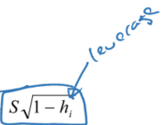 | The mean of all estimated residuals. Also includes standard error of estimated residual | Plot residuals vs predicted values (from regression model). Assess linearity. Sometimes issues with observations extreme in X or Y can be resolved by transformation (log Y or categorizing X). For Jackknife, "Data point does/does not have a significant jackknife residual because alpha >/< alpha/n, with Bonferronni correction for multiple comparisons"
Studentized residual (r_i) | Student residual |  | h_i is the leverage of the ith observation and ranges from 0 to 1. Leverage quantifies how far x_i is from the center of the distribution of x in your data
Jackknife Residual (r_-i) | Rstudent | 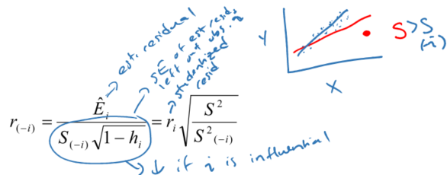 Jackknife residual follows t-distribution w/df = n-k-2. alpha = 0.05/n (Bonferronni correction for multiple comparisons) | JR useful for identifying influential points, will be largest when: (1) Studentized residual (ri) is large, e.g. leverage is large, or (2) sample variance of residuals is smaller when observation i is deleted

Overall Conclusion, Example (p. 9-14)
Data point for Mira Loma (ML) suggests ML is cetainly an influential comunity in the analysis of MMEF growth vs PM10. Analysis including ML produces a slope estimate of -0.0094 (p=0.49), while the same analysis excludin ML yields a slope estimate of -0.04 (p=0.06). Despite this, we have no a priori reason to exclude the ML datapoint, and no evidence for a data error in either the outcome (MMEF growth rate) or the exposure (PM10) level for Mira Loma. Thus, the estimates based on the complete data should be reported.

Notes:
Large leverage does not necessarily imply large influence
Large residual does not necessarily imply large influence

