Presentation
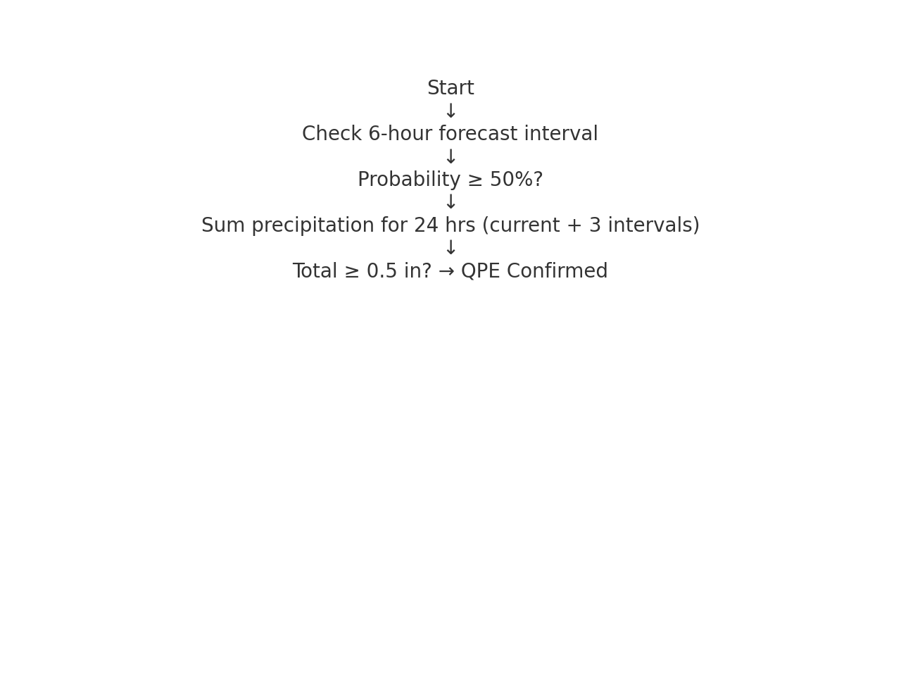
Category | Section | Detail
StormGPT Deep Dive | Purpose | Centralized compliance intelligence engine for stormwater and environmental permits.
StormGPT Deep Dive | Scope | Covers NPDES, CGP, SWPPP, Section 401, Section 404, Fish & Game Code 1602, BMPs, and treatment formulas.
StormGPT Deep Dive | Key Feature | One-sentence-per-row spec sheets with citations from authoritative documents.
StormGPT Deep Dive | Key Feature | Automated weather compliance monitoring linked to NWS forecasts.
StormGPT Deep Dive | Deliverable | Workbook containing multi-sheet spec sheets, diagrams, and compliance package.
StormGPT Deep Dive | Deliverable | PDF-ready for regulatory submissions or training presentations.

