Core Assumptions
Ted Black Tax Return |  | Latest Update: 01/27/26 |  | QuickStart Guide
Scoping and Pricing Calculator - Tax PHB Clients |  | INPUT FIELD |  | Pricing and Scoping FAQs

Enter Project/Client Information: |  |  |  | Notes:
1 | Enter Project or Client Name | Ted Black Tax Return |  | Pricing can be at the Project level or in aggregate for a Parent Customer. Pricing for Projects requires Entity allocations.

2 | Enter Service Line | PHB

3 | View Comparison Project Yes or No | No |  | See Import Instructions for optional import of Comparison Project History

4 | Enter Duration (Weeks) | 40 |  | Duration impacts Average Hours/Week calculations but is non-essential

5 | Offshoring is Available/Client Acceptable - Yes or No | Yes |  | Check with Resource Planning to confirm Outsourcing Resources are available. Individual Returns require a completed Form 7216.

6 | T&M Basis | National |  | Choose National for Standard Rate or the GEO

7 | One-time Pricing Adjustments to T&M Rates (exc. NOW) | 0.0% |  | Default is 0.0%. Applied to the T&M Rate. See Notes below for Scoping Adjustment or enter as a negative percentage to apply a Discount Rate
 | Line Item Rounding | $100 | 10000% | Default is $100
 | Fixed Fee Total Price Rounding | $1,000 | 100000% | Default is $1,000

8 | Technology & Admin Fee | 7.0% |  | 7% is standard and below 7% requires BUOL Written Approval

9 | Gross Margin Benchmark | 74.6%

Enter Entity Names |  | Enter Service Type |  | Comments - note if more than one Service Type per Entity
1 | A Business | Corporation Return
2 | B Corp | Corporation Return
3 | C LLC | Corporation Return
4 | D Demo Corp | Corporation Return
5
6
7
8
9
10
11
12
13
14
15
16
17
18
19
20
21
22
23
24
25
26
27
28
29
30
31
32
33
34
35
36
37
38
39
40
View More Entities

Notes For Completing This Workbook:
 | First consider Value Pricing: A pricing strategy where the fee is determined based on the perceived value of the outcome to the client, rather than the time or effort it takes to deliver the service. It reflects what the client believes the service is worth, considering factors like potential ROI, the importance of the outcome, our unique expertise, market rates, and available alternatives. Include the value for automation investment, e.g. K1X aumated Schedlue K1s.
 | And enter the Value Pricing as a Fixed Fee: A set price agreed upon in advance for a clearly defined scope of services. The fee does not vary based on time spent or actual costs incurred. While the firm may consider internal costs, resource use, and time estimates to help determine the fee, the client is charged a fixed amount regardless of effort required.
 | T&M Pricing is still possible, but there should be an overall transition towards Value Pricing and Fixed Fees.
 | Renewals: Pricing may require a slightly different approach for Client Renewals vs Net New Clients. Consider the prior year as a benchmark from which NextGenApp can aim to gain efficiencies in terms of hours worked to complete tasks, automation, and additional outsourcing to India. However, we should try to keep hold on to these efficiencies rather than concede all to the client. This is another benefit of Value Pricing/Fixed Pricing over T&M.
 | Pricing Adjustments are for more complex or difficult client situations and examples include special allocations for partnerships, consolidated corporate tax returns, M&A activity, tax law changes, numbers of entities, messy books and financial statements, limited client financial and tax knowledge, stability, responsiveness and more limited familiarity for NextGenApp with the client's industry
View Notes

Notes For Importing Client Renewal History from the DataMart:
1 | Open the Project Profitability Dashboard using the following link:

2 | Select Tax for the Cost Center filter
 | Select the Project Delivery Lead
 | Enter the full year Date range
 | Select the Parent Customer
 | Choose to drill down further by entering the Project (optional)

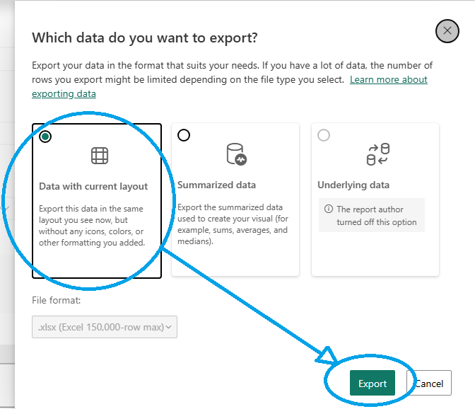

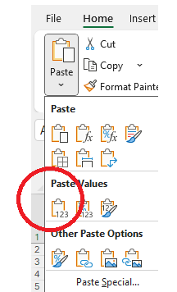
3 | Click the 3 dots (…) on the Project Profitability - Data Export bar below the filters and select Export data, select Data with current layout and then click the Export Button
4 | Go to the top right corner of the browser and Open the file (click the square with an arrow icon)

 | 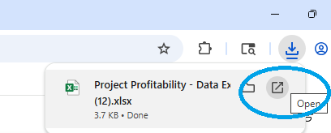

5 | Click the empty square beside column A and row 1 to select all workbook cells and then choose Copy
6 | Return to this file and select the Project Profitability Import tab. Select cell A1 and Paste Values. Paste Values can be found under Home and then the Paste drop-down

View Import Instructions

