Anx1 Project Milestones
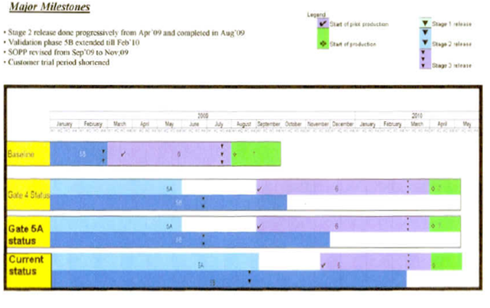
Annexure 1 Project Milestones

Anx2 2 Page Spec
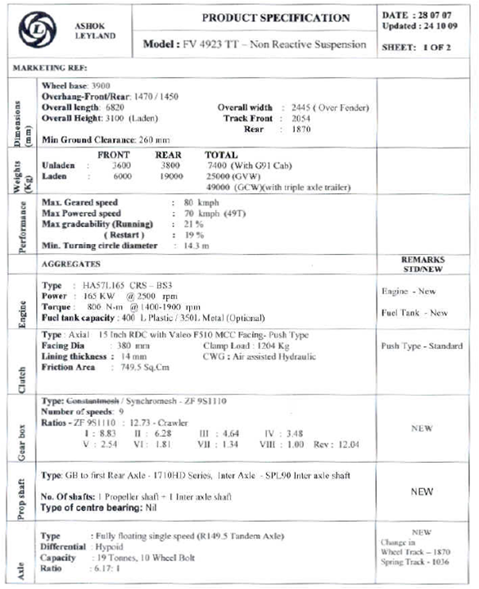
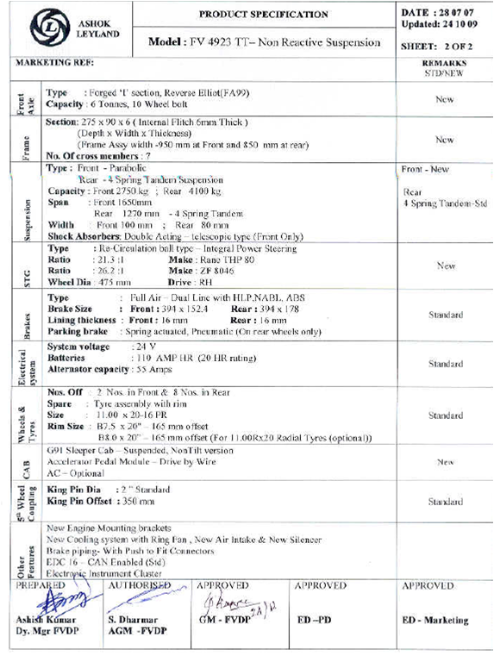
Annexure 2 Approved Technical Specification

Anx6 Cost Update
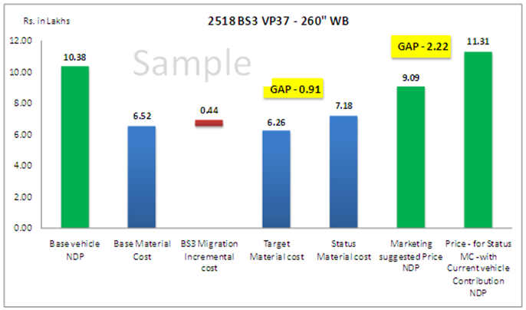
Annexure 6 Cost Update

Annexure-7 Sheet2
 |  |  |  |  | vc-xxxx-xx
 |  | Vehicle Group : |  | Vehicle Model:
 |  | Vehicle owner : |  | Engine Model:
 |  | Assessor Name : |  | Vehicle Spec:
Sheet 2 of 2
 |  | Assessment Dt : |  | Report Ref.:

ENGINE APPLICATION SIGN OFF - OPEN POINT REVIEW (Rev XX Dated XX-XX-XX)

SI. No. | SYSTEM | STATUS | OPEN POINTS | VI COMMENTS | EIS COMMENTS | OPEN | CLOSED

Confirmation: |  |  |  |  |  | 0 | 0

Assessment Done By: Checked By: Reviewed By:

Anx8 TQT
KBF and Ranking are Model Specific
Annexure 8 Target Quality Table (TQT)
 |  |  |  |  | Meeting Target |  | Better than existing model |  |  | Not meeting the target

KBF | Ranking | Functional Requirements | UoM | Competition Benchmarking |  | AL/SWITCH Existing Model | Product Target (Initial) | Product Target (After Trade-off) | Actual | Vehicle Integration Remarks | Reviewer Comments | Final Performance (Post Sales) (Ph. 7)
PRICE | 1 | Vehicle Pricing | Rupees
 |  | Vehicle Cost | Rupees
 |  | Chassis Cost - Base Material Cost | Rupees
 |  | Chassis Price - NDP | Rupees
 |  | Warranty Cost | % vehicle sale price
 |  | Warranty Period | Kms / years
FUEL CONSUMPTION | 2 | Acceleration | m/s2
 |  | Brake effectiveness (Stopping Distance) | Meters
 |  | Decceleration | m/s2
 |  | Engine power | hp
 |  | Fuel Economy -Rated load return empty | kmpl

MAINTENANCE COST | 3 | Ad Blue consumption interval | Kms
 |  | Ad Blue quantity | Litres
 |  | Air Cleaner filter element change interval | Kms
 |  | Air compressor life | Kms
 |  | Air Drier decant life | Kms

DURABILITY | 4 | Alternator Life | Kms
 |  | Clutch Disc life | Kms
 |  | Clutch pressure plate and face plate life | Kms
 |  | Cab / Cowl life | Kms
 |  | Electrical switches life | Kms

VEHICLE AVAILABILITY (UPTIME) | 5 | Alternator capacity | V-Amps
 |  | Availability % | %
 |  | B10 - Clutch | kms
 |  | B10 - Engine | kms
 |  | B10 - Frame | kms

TURN AROUND TIME | 6 | 0-30 time WOT Acceleration | Seconds
 |  | 0-60 time WOT Acceleration | Seconds
 |  | 30-50 time WOT Acceleration | Seconds
 |  | 40-60 time WOT Acceleration | Seconds
 |  | Brake Dive | Rating 0 -10

PAYLOAD | 7 | Rated Pay Load | Tonnes
 |  | Overload Pay Load | Tonnes

SPARES / SERVICE SUPPORT | 8 | Diagnostics - On Board Diagnostics (OBD) | Yes/No
 |  | Number of Special tools | #

FULLY BUILT SOLUTION | 9 | Angle of Approach | degress
 |  | Angle of Departure | degress
 |  | Appeal Index - Exterior Styling (Flushness, Cab Body profile and finish) | Rating 0 -10
 |  | Appeal Index - Interior Styling | Rating 0 -10
 |  | Controls and Switch Reachability | Rating 0 -10
 |  | Driver Entry/Egress | Three Points of Contact

DRIVER/PASSANGER COMFORT | 10 | Accelerator Pedal Effort | kgf
 |  | Angle of steering | Angles
 |  | Brake Pedal Effort | kgf
 |  | Brake pedal travel | Millimeters
 |  | BSR (Clutch Rattle noise) | Rating 0 -10

SAFETY | 11 | Anti Brake system (ABS) | Yes/No
 |  | Brake stability (Skid) | Meters
 |  | Braking Distance @ Average speed | Meters
 |  | Braking Distance @ Max speed | Meters
 |  | Flammability requirements | Yes/No

REGULATORY | 12 | Exterior Passby Noise (PBN) | dBA
 |  | Emission Standards (Nox levels / Smoke levels) | BS III/IV
 |  | Radiated Emission | Volts/Meter
 |  | CMVR requirements | Yes/No

Reviewed By: |  |  |  |  |  | Approved By:

Chief Engineer |  |  |  |  |  | Head- Engg

