Question
Step 1: Data Entry
The marks scored by different students in Maths, English, Science are as follows:
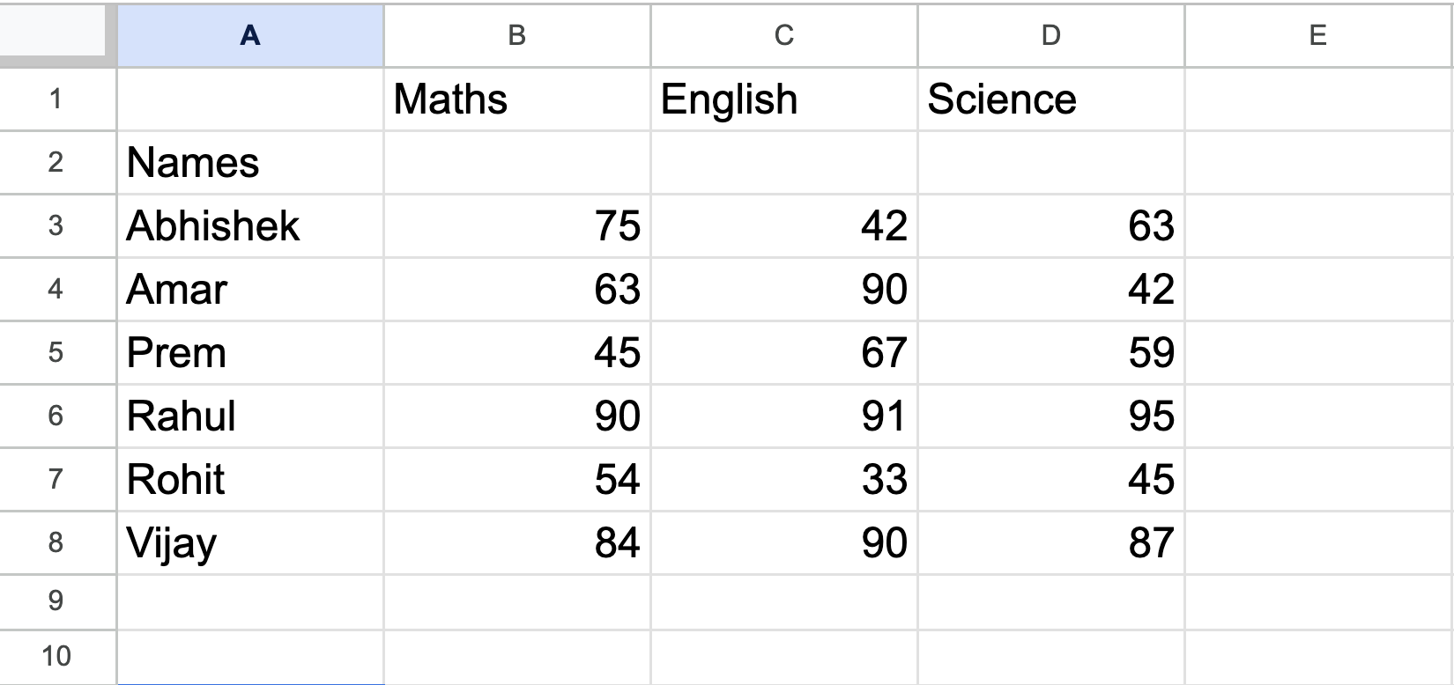
Add the data in the "Marks" sheet as shown in the above image. Once done, match the image with your answer.

Step 2: Adding Sum
1. Create a new column in the previous sheet and name it as "Total".
2. Add up the marks of each student in every subject to find their total marks.
Update the same sheet with this data.

Step 3: Calculating Average
1. Create a new column and name it as "Average".
2. Calculate the average marks of each student.
Update the same sheet with this data.

