Question
Step 1: Data Entry
The scores achieved by different students in G.K Quiz, Maths Quiz, Vocab Quiz are as follows:
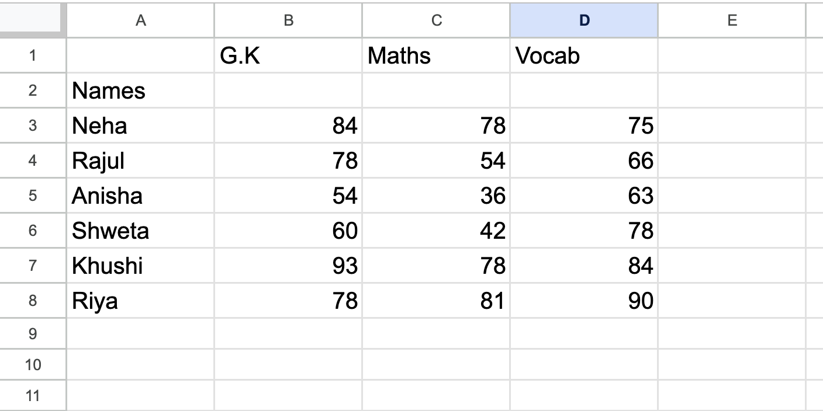
Add the data in the "Quiz Score" sheet as shown in the above image. Once done, match the image with your answer.

Step 2: Adding Sum
1. Create a new column in the previous sheet and name it as "Total".
2. Add up the scores of each student in every quiz to find their total score.
Update the same sheet with this data.

Step 3: Calculating Average
1. Create a new column and name it as "Average".
2. Calculate the average score of each student.
Update the same sheet with this data.

