Question
Step 1: Perform Multiplication
Raju went for shopping and purchased the following items: - 5 packets of Biscuits at Rs. 30 each. - 10 packets of Chips at Rs. 40 each. - 3 packets of Bread at Rs. 35 each.
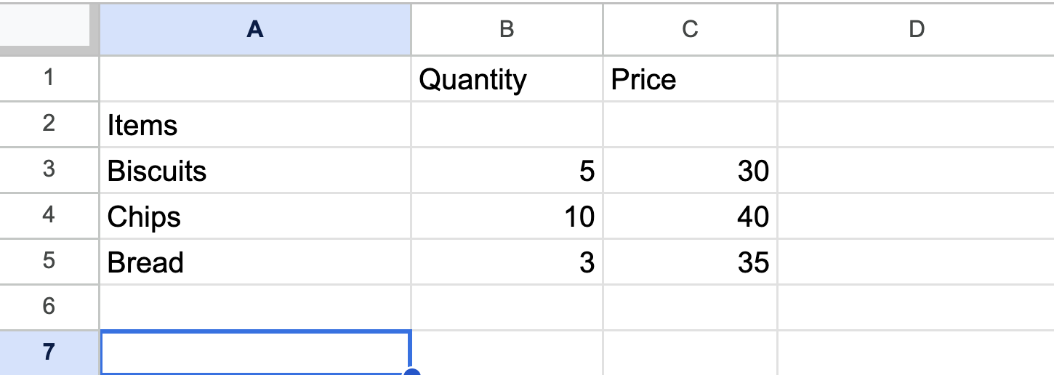
Make a table in the "Grocery Expense" sheet as shown in the image above.
Calculate the amount he spent on purchasing Biscuits, Chips, Bread and add it in "Total Amount" column.

Step 2: Inserting New Rows
He purchased two more items. - 5 packets of Maggi at Rs. 40 each. - 6 packets of Cookies at Rs. 80 each. Insert two rows for "Maggi" and "Cookies" as shown in the image below:
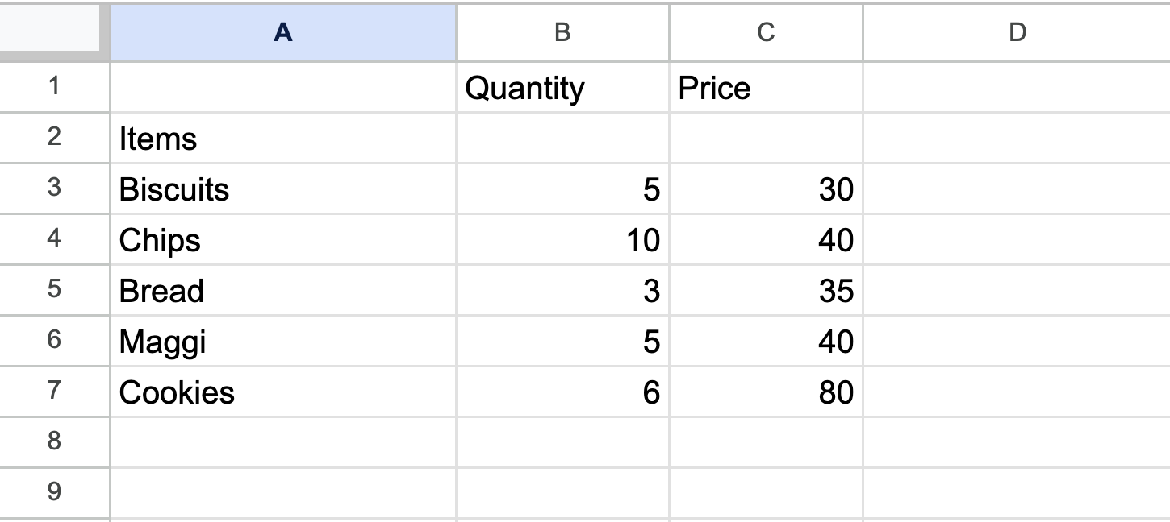
Calculate the "Total Amount" he spent on shopping after including these additional items.

