Question
Step 1: Perform Multiplication
Riya went for shopping and purchased the following items: - 5 Hats at Rs. 100 each. - 2 Jackets at Rs. 900 each. - 1 Hand Bag at Rs. 400. - 3 Jeans at Rs. 800 each. - 5 Tshirts at Rs. 400 each.
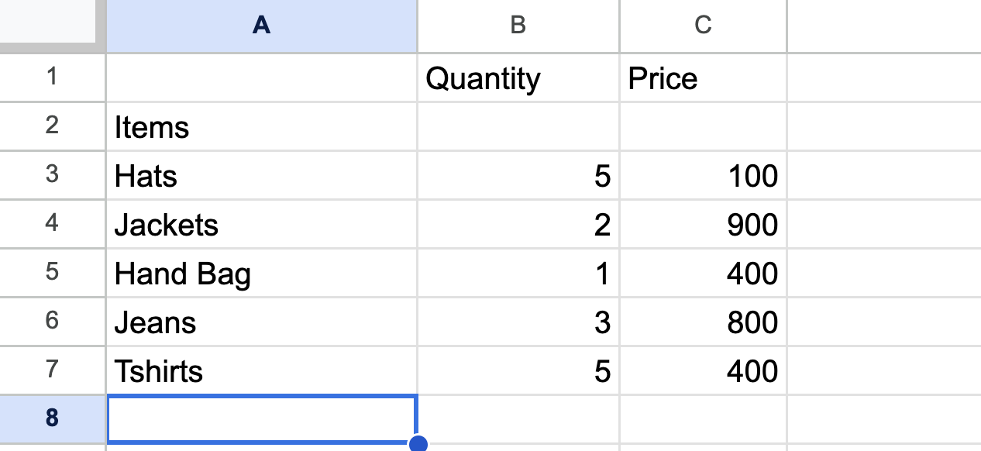
Make a table in the "Shopping Expense" sheet as shown in the image above.
Calculate the amount she spent on purchasing Hats, Jackets, Hand Bag, Jeans, and Tshirts and add it in "Total Amount" column.

Step 2: Inserting New Rows
She purchased two more items: - 2 Umbrellas for Rs. 300 each. - 5 Notebooks for Rs. 80 each. Insert two rows for "Umbrellas" and "Notebooks" as shown in the image below:
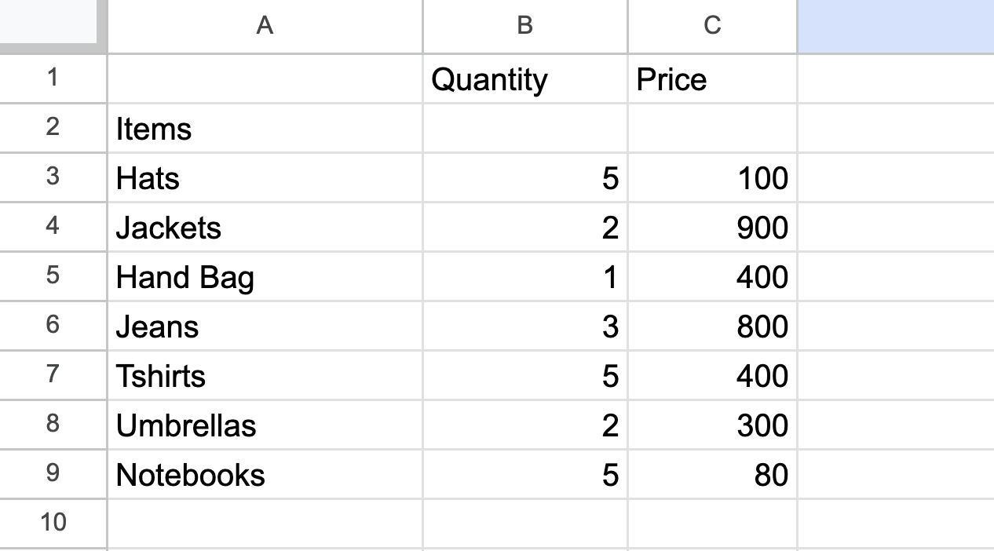
Calculate the "Total Amount" she spent on shopping after including these additional items.

