Question
Step 1: Perform Multiplication
Arun went for shopping and purchased the following stationery items: - 10 packs of Pen at Rs. 120 per pack. - 5 packs of Pencil at Rs. 30 per pack. - 3 packs Pencil Color at Rs. 45 per pack. - 2 packs of Sticky Notes at Rs. 75 per pack. - 1 pack of Eraser at Rs. 30 per pack.
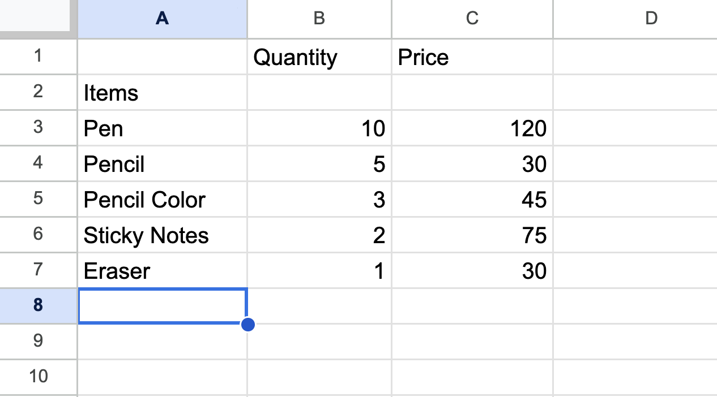
Make a table in the "Stationery Expense" sheet as shown in the image above.
Calculate the amount she spent on purchasing Pen, Pencil, Pencil Color, Sticky Notes, Eraser and add it in "Total Amount" column.

Step 2: Inserting New Rows
She purchased three more items: - 2 packs of Tape for Rs. 90 per pack. - 5 packs of Crayon for Rs. 150 per pack. - 4 packs of Drawing Book for Rs. 60 per pack. Insert three rows for "Tape", "Crayon", and "Drawing Book" as shown in the image below:
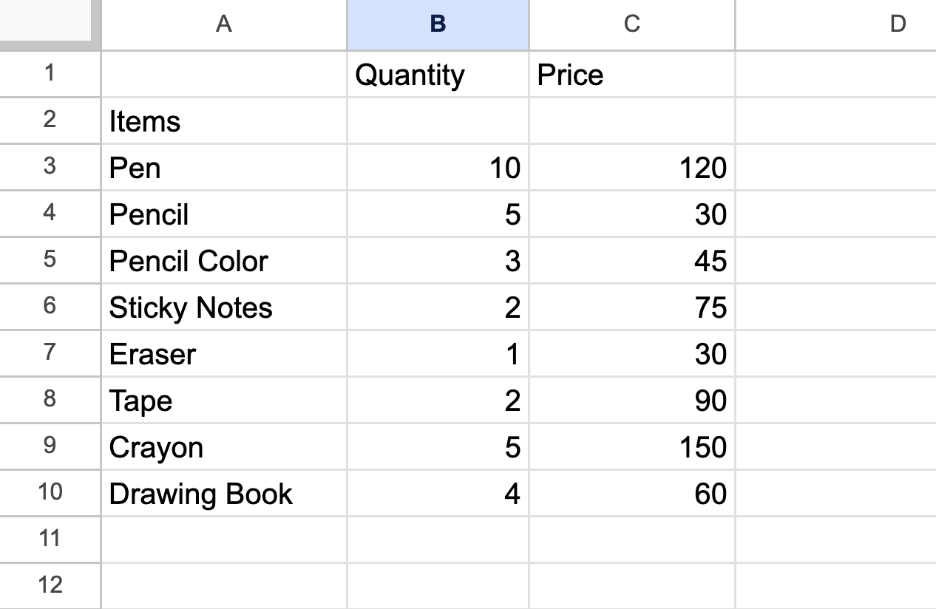
Calculate the "Total Amount" she spent on shopping after including these additional items.

