Assaults & Thefts
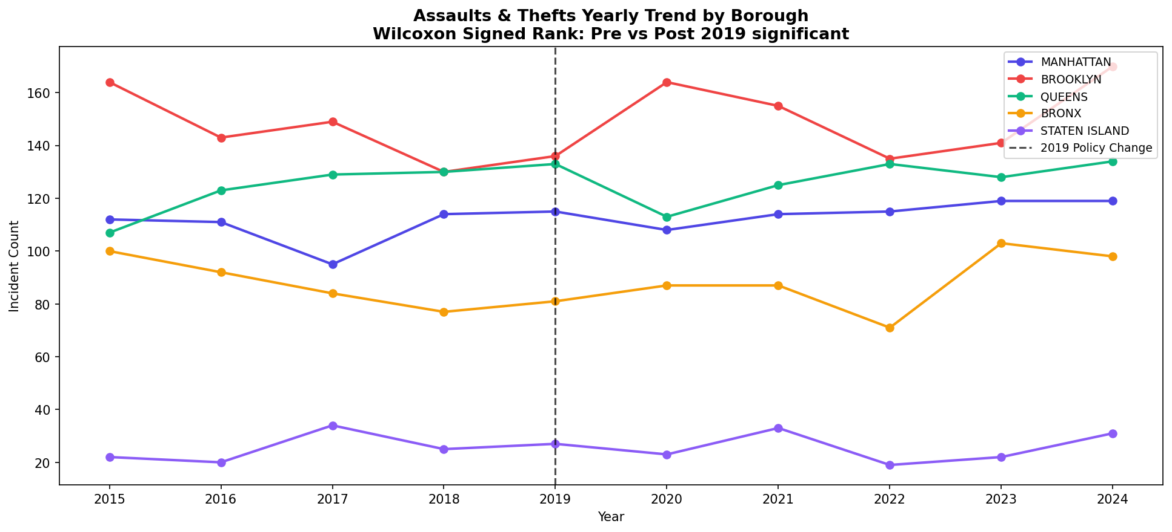
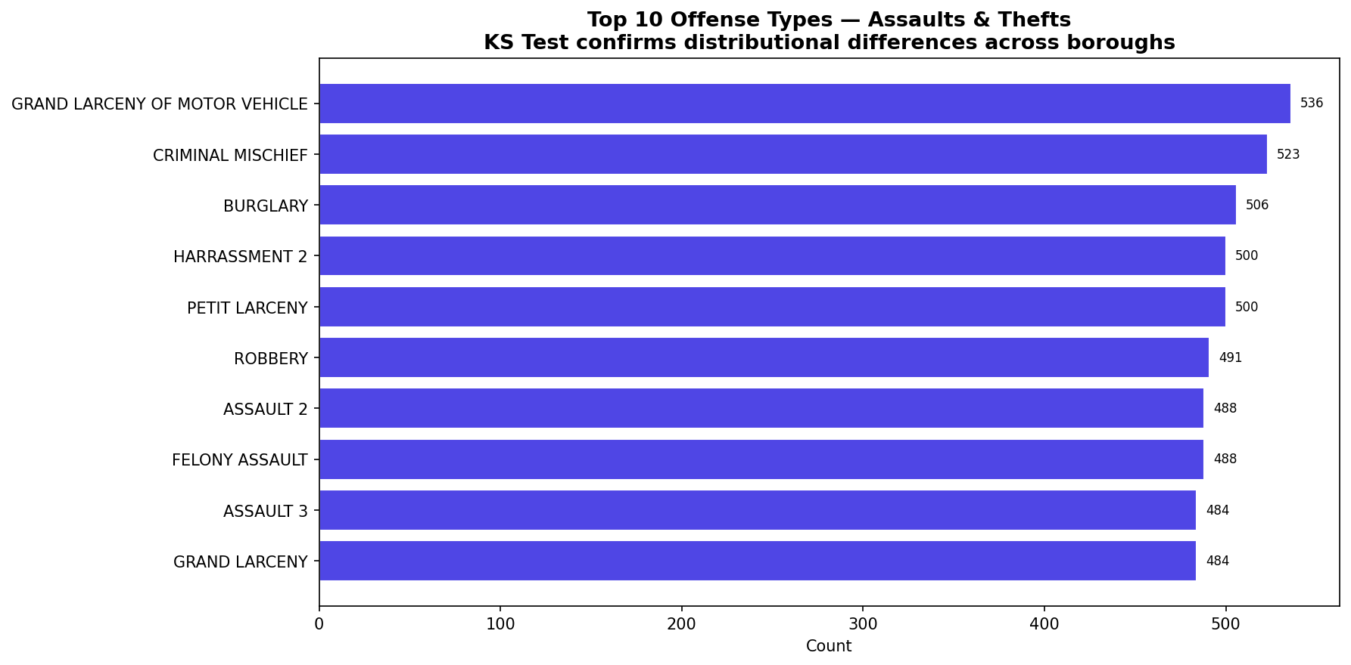
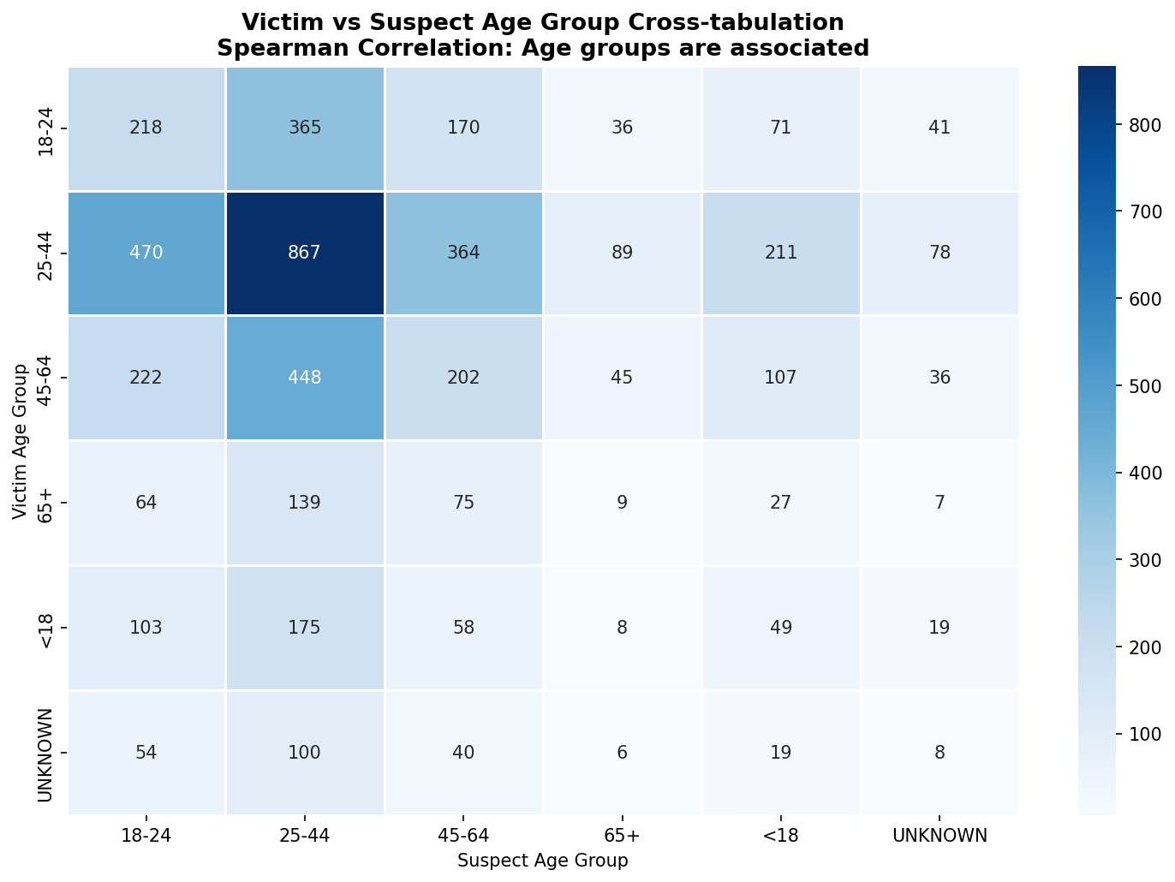

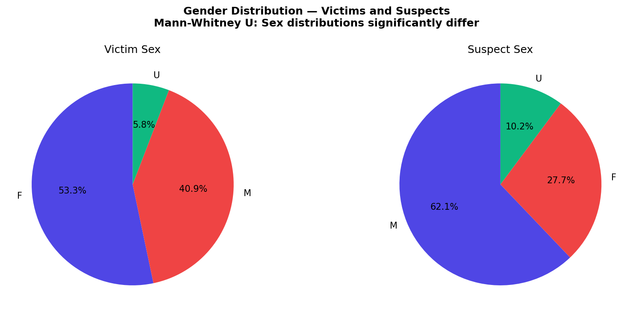
NYC ASSAULTS & THEFTS — CLEANED DATA (2015–2024) | Source: NYPD Complaint Data Historic, NYC Open Data
Records: 5,000 | Columns: 23 | Period: 2015–2024 | Boroughs: Manhattan, Brooklyn, Queens, Bronx, Staten Island | Cleaned: Nulls removed, dates parsed, age codes mapped
SECTION A — DATA SAMPLE (Representative 100 records)
CMPLNT_NUM | CMPLNT_FR_DT | CMPLNT_FR_TM | ADDR_PCT_CD | BORO_NM | KY_CD | OFNS_DESC | LAW_CAT_CD | PREM_TYP_DESC | VIC_AGE_GROUP | VIC_SEX | VIC_RACE | SUSP_AGE_GROUP | SUSP_SEX | YEAR
22017000000 | 12/23/2017 | 21:16:00 | 75 | BROOKLYN | 156 | GRAND LARCENY OF MOTOR VEHICLE | FELONY | TRANSIT - NYC SUBWAY | 65+ | F | WHITE HISPANIC | 25-44 | F | 2017
22022000001 | 12/19/2022 | 14:48:00 | 121 | STATEN ISLAND | 339 | HARRASSMENT 2 | MISDEMEANOR | TRANSIT - NYC SUBWAY | 45-64 | M | BLACK | 45-64 | M | 2022
22021000002 | 05/01/2021 | 02:19:00 | 103 | QUEENS | 526 | HARRASSMENT 2 | MISDEMEANOR | STREET | 18-24 | M | UNKNOWN | UNKNOWN | F | 2021
22017000003 | 05/01/2017 | 23:13:00 | 101 | QUEENS | 716 | PETIT LARCENY | MISDEMEANOR | DEPARTMENT STORE | 45-64 | M | WHITE | 25-44 | U | 2017
22020000004 | 01/27/2020 | 12:45:00 | 8 | MANHATTAN | 676 | ASSAULT 2 | MISDEMEANOR | COMMERCIAL BUILDING | 25-44 | F | BLACK | 18-24 | M | 2020
22018000005 | 08/18/2018 | 03:28:00 | 4 | MANHATTAN | 239 | ASSAULT 2 | MISDEMEANOR | COMMERCIAL BUILDING | 45-64 | M | UNKNOWN | 18-24 | M | 2018
22019000006 | 04/24/2019 | 22:56:00 | 20 | MANHATTAN | 161 | CRIMINAL MISCHIEF | MISDEMEANOR | STREET | 25-44 | F | BLACK | 45-64 | M | 2019
22019000007 | 10/01/2019 | 21:12:00 | 48 | BRONX | 251 | ROBBERY | FELONY | STREET | 18-24 | F | BLACK HISPANIC | 18-24 | M | 2019
22021000008 | 05/27/2021 | 07:35:00 | 103 | QUEENS | 229 | FELONY ASSAULT | MISDEMEANOR | COMMERCIAL BUILDING | 25-44 | F | BLACK | 18-24 | M | 2021
22019000009 | 02/28/2019 | 21:44:00 | 114 | QUEENS | 530 | ASSAULT 3 | FELONY | STREET | 25-44 | F | WHITE HISPANIC | 18-24 | M | 2019
22017000010 | 12/05/2017 | 03:52:00 | 19 | MANHATTAN | 737 | ROBBERY | MISDEMEANOR | DEPARTMENT STORE | 25-44 | F | BLACK HISPANIC | 25-44 | F | 2017
22024000011 | 01/09/2024 | 17:16:00 | 123 | STATEN ISLAND | 539 | ASSAULT 3 | MISDEMEANOR | COMMERCIAL BUILDING | 45-64 | F | WHITE | <18 | M | 2024
22019000012 | 09/12/2019 | 06:46:00 | 41 | BRONX | 311 | GRAND LARCENY OF MOTOR VEHICLE | MISDEMEANOR | STREET | 65+ | M | WHITE | 45-64 | F | 2019
22021000013 | 02/09/2021 | 10:49:00 | 16 | MANHATTAN | 499 | BURGLARY | MISDEMEANOR | COMMERCIAL BUILDING | 25-44 | M | WHITE | 45-64 | F | 2021
22019000014 | 06/18/2019 | 03:42:00 | 11 | MANHATTAN | 773 | GRAND LARCENY | MISDEMEANOR | RESIDENCE - APT. HOUSE | 25-44 | U | UNKNOWN | 25-44 | M | 2019
22019000015 | 01/23/2019 | 12:03:00 | 8 | MANHATTAN | 816 | ASSAULT 3 | MISDEMEANOR | COMMERCIAL BUILDING | 25-44 | M | ASIAN / PACIFIC ISLANDER | 25-44 | M | 2019
22023000016 | 01/11/2023 | 08:59:00 | 71 | BROOKLYN | 640 | BURGLARY | MISDEMEANOR | COMMERCIAL BUILDING | 25-44 | F | BLACK HISPANIC | 25-44 | M | 2023
22017000017 | 09/01/2017 | 08:19:00 | 102 | QUEENS | 281 | ROBBERY | MISDEMEANOR | TRANSIT - NYC SUBWAY | UNKNOWN | F | BLACK HISPANIC | 45-64 | U | 2017
22020000018 | 04/19/2020 | 22:10:00 | 72 | BROOKLYN | 150 | ASSAULT 3 | FELONY | DEPARTMENT STORE | 25-44 | M | BLACK HISPANIC | 25-44 | F | 2020
22015000019 | 09/22/2015 | 20:41:00 | 61 | BROOKLYN | 846 | ASSAULT 2 | MISDEMEANOR | COMMERCIAL BUILDING | 25-44 | F | WHITE HISPANIC | 25-44 | F | 2015
22024000020 | 11/25/2024 | 18:21:00 | 112 | QUEENS | 625 | ROBBERY | VIOLATION | STREET | 25-44 | F | BLACK HISPANIC | 25-44 | F | 2024
22019000021 | 05/10/2019 | 02:44:00 | 8 | MANHATTAN | 449 | GRAND LARCENY OF MOTOR VEHICLE | MISDEMEANOR | PARKING LOT/GARAGE | 25-44 | F | WHITE HISPANIC | 25-44 | M | 2019
22022000022 | 07/02/2022 | 11:53:00 | 74 | BROOKLYN | 157 | FELONY ASSAULT | MISDEMEANOR | STREET | 25-44 | M | UNKNOWN | 25-44 | M | 2022
22019000023 | 01/07/2019 | 10:07:00 | 68 | BROOKLYN | 518 | BURGLARY | FELONY | TRANSIT - NYC SUBWAY | 25-44 | F | WHITE | 25-44 | M | 2019
22023000024 | 06/20/2023 | 19:27:00 | 70 | BROOKLYN | 236 | FELONY ASSAULT | FELONY | STREET | 18-24 | F | ASIAN / PACIFIC ISLANDER | 18-24 | M | 2023
22020000025 | 08/02/2020 | 10:44:00 | 45 | BRONX | 739 | BURGLARY | MISDEMEANOR | RESIDENCE - APT. HOUSE | <18 | F | BLACK | 25-44 | M | 2020
22022000026 | 01/19/2022 | 16:40:00 | 3 | MANHATTAN | 136 | GRAND LARCENY OF MOTOR VEHICLE | MISDEMEANOR | PARKING LOT/GARAGE | 25-44 | F | ASIAN / PACIFIC ISLANDER | 25-44 | F | 2022
22024000027 | 09/06/2024 | 20:29:00 | 66 | BROOKLYN | 593 | ASSAULT 2 | FELONY | PARKING LOT/GARAGE | 25-44 | M | ASIAN / PACIFIC ISLANDER | 25-44 | M | 2024
22022000028 | 03/10/2022 | 13:32:00 | 113 | QUEENS | 458 | CRIMINAL MISCHIEF | MISDEMEANOR | DEPARTMENT STORE | <18 | M | UNKNOWN | 25-44 | M | 2022
22017000029 | 01/09/2017 | 15:32:00 | 15 | MANHATTAN | 879 | FELONY ASSAULT | FELONY | TRANSIT - NYC SUBWAY | 45-64 | M | ASIAN / PACIFIC ISLANDER | 45-64 | F | 2017
22021000030 | 01/08/2021 | 23:46:00 | 108 | QUEENS | 184 | ROBBERY | VIOLATION | DEPARTMENT STORE | 25-44 | M | BLACK | <18 | F | 2021
22021000031 | 11/26/2021 | 09:53:00 | 20 | MANHATTAN | 821 | PETIT LARCENY | MISDEMEANOR | PARKING LOT/GARAGE | 65+ | F | WHITE HISPANIC | 25-44 | M | 2021
22024000032 | 06/11/2024 | 03:35:00 | 11 | MANHATTAN | 750 | FELONY ASSAULT | MISDEMEANOR | COMMERCIAL BUILDING | 18-24 | M | WHITE | 25-44 | U | 2024
22020000033 | 11/09/2020 | 09:26:00 | 46 | BRONX | 638 | BURGLARY | MISDEMEANOR | TRANSIT - NYC SUBWAY | <18 | F | UNKNOWN | 25-44 | M | 2020
22021000034 | 06/20/2021 | 19:19:00 | 123 | STATEN ISLAND | 443 | ASSAULT 2 | MISDEMEANOR | DEPARTMENT STORE | 25-44 | M | BLACK | 25-44 | F | 2021
22016000035 | 01/28/2016 | 11:32:00 | 42 | BRONX | 844 | GRAND LARCENY | FELONY | RESIDENCE - APT. HOUSE | 18-24 | M | WHITE | 45-64 | U | 2016
22023000036 | 03/20/2023 | 08:24:00 | 77 | BROOKLYN | 270 | ROBBERY | FELONY | PARKING LOT/GARAGE | 65+ | F | WHITE HISPANIC | 18-24 | M | 2023
22024000037 | 07/09/2024 | 14:43:00 | 13 | MANHATTAN | 789 | ROBBERY | MISDEMEANOR | PARKING LOT/GARAGE | <18 | F | WHITE | 45-64 | F | 2024
22024000038 | 10/08/2024 | 08:42:00 | 110 | QUEENS | 119 | GRAND LARCENY | MISDEMEANOR | TRANSIT - NYC SUBWAY | 25-44 | U | WHITE HISPANIC | 45-64 | F | 2024
22015000039 | 03/28/2015 | 06:18:00 | 60 | BROOKLYN | 402 | PETIT LARCENY | MISDEMEANOR | PARKING LOT/GARAGE | 65+ | F | BLACK | 25-44 | M | 2015
22015000040 | 03/15/2015 | 23:46:00 | 6 | MANHATTAN | 875 | PETIT LARCENY | VIOLATION | PARKING LOT/GARAGE | 25-44 | F | BLACK | 45-64 | F | 2015
22017000041 | 03/02/2017 | 11:20:00 | 61 | BROOKLYN | 296 | ROBBERY | MISDEMEANOR | RESIDENCE - APT. HOUSE | 18-24 | F | WHITE | 25-44 | F | 2017
22017000042 | 12/24/2017 | 19:41:00 | 13 | MANHATTAN | 426 | FELONY ASSAULT | MISDEMEANOR | RESIDENCE - APT. HOUSE | 25-44 | M | UNKNOWN | 25-44 | F | 2017
22015000043 | 07/01/2015 | 23:32:00 | 52 | BRONX | 675 | HARRASSMENT 2 | MISDEMEANOR | TRANSIT - NYC SUBWAY | 25-44 | U | WHITE | UNKNOWN | F | 2015
22021000044 | 04/09/2021 | 13:55:00 | 78 | BROOKLYN | 655 | ASSAULT 3 | MISDEMEANOR | PARKING LOT/GARAGE | 18-24 | F | ASIAN / PACIFIC ISLANDER | 18-24 | M | 2021
22018000045 | 04/09/2018 | 21:02:00 | 108 | QUEENS | 855 | GRAND LARCENY | VIOLATION | DEPARTMENT STORE | 25-44 | F | ASIAN / PACIFIC ISLANDER | 18-24 | M | 2018
22024000046 | 03/13/2024 | 15:13:00 | 78 | BROOKLYN | 111 | FELONY ASSAULT | MISDEMEANOR | STREET | 45-64 | F | WHITE | 18-24 | M | 2024
22016000047 | 10/08/2016 | 18:14:00 | 106 | QUEENS | 460 | FELONY ASSAULT | FELONY | TRANSIT - NYC SUBWAY | 45-64 | F | ASIAN / PACIFIC ISLANDER | 25-44 | M | 2016
22024000048 | 11/27/2024 | 22:32:00 | 100 | QUEENS | 871 | HARRASSMENT 2 | MISDEMEANOR | DEPARTMENT STORE | <18 | F | WHITE | 18-24 | U | 2024
22019000049 | 09/21/2019 | 02:41:00 | 8 | MANHATTAN | 395 | ASSAULT 2 | FELONY | RESIDENCE - APT. HOUSE | 18-24 | M | BLACK HISPANIC | 45-64 | M | 2019
22020000050 | 02/05/2020 | 10:21:00 | 122 | STATEN ISLAND | 502 | FELONY ASSAULT | FELONY | STREET | 25-44 | F | ASIAN / PACIFIC ISLANDER | 25-44 | M | 2020
22023000051 | 04/03/2023 | 22:00:00 | 49 | BRONX | 537 | ROBBERY | MISDEMEANOR | DEPARTMENT STORE | 25-44 | F | WHITE | 45-64 | M | 2023
22018000052 | 08/21/2018 | 20:30:00 | 47 | BRONX | 868 | GRAND LARCENY OF MOTOR VEHICLE | MISDEMEANOR | DEPARTMENT STORE | 25-44 | F | BLACK HISPANIC | 18-24 | M | 2018
22016000053 | 06/04/2016 | 19:46:00 | 52 | BRONX | 474 | PETIT LARCENY | MISDEMEANOR | PARKING LOT/GARAGE | 45-64 | M | ASIAN / PACIFIC ISLANDER | 18-24 | M | 2016
22019000054 | 07/17/2019 | 18:34:00 | 103 | QUEENS | 846 | PETIT LARCENY | MISDEMEANOR | TRANSIT - NYC SUBWAY | 45-64 | F | BLACK | <18 | M | 2019
22017000055 | 07/16/2017 | 07:52:00 | 41 | BRONX | 858 | GRAND LARCENY OF MOTOR VEHICLE | MISDEMEANOR | TRANSIT - NYC SUBWAY | 18-24 | F | WHITE | 18-24 | M | 2017
22016000056 | 02/16/2016 | 19:19:00 | 14 | MANHATTAN | 752 | PETIT LARCENY | VIOLATION | RESIDENCE - APT. HOUSE | 25-44 | F | BLACK | 25-44 | F | 2016
22015000057 | 04/25/2015 | 07:31:00 | 9 | MANHATTAN | 792 | GRAND LARCENY | MISDEMEANOR | COMMERCIAL BUILDING | 18-24 | F | UNKNOWN | 65+ | M | 2015
22024000058 | 10/26/2024 | 02:54:00 | 15 | MANHATTAN | 599 | GRAND LARCENY OF MOTOR VEHICLE | FELONY | COMMERCIAL BUILDING | 18-24 | F | ASIAN / PACIFIC ISLANDER | 25-44 | F | 2024
22016000059 | 10/20/2016 | 09:53:00 | 62 | BROOKLYN | 525 | GRAND LARCENY | MISDEMEANOR | COMMERCIAL BUILDING | 18-24 | F | UNKNOWN | 25-44 | M | 2016
22020000060 | 06/03/2020 | 12:11:00 | 63 | BROOKLYN | 764 | ROBBERY | MISDEMEANOR | TRANSIT - NYC SUBWAY | 18-24 | F | BLACK HISPANIC | 25-44 | M | 2020
22022000061 | 03/06/2022 | 08:50:00 | 77 | BROOKLYN | 143 | ASSAULT 2 | FELONY | RESIDENCE - APT. HOUSE | 25-44 | M | WHITE | <18 | M | 2022
22017000062 | 09/01/2017 | 05:15:00 | 47 | BRONX | 208 | BURGLARY | FELONY | RESIDENCE - APT. HOUSE | 25-44 | M | BLACK HISPANIC | 25-44 | U | 2017
22023000063 | 04/21/2023 | 14:58:00 | 69 | BROOKLYN | 197 | GRAND LARCENY OF MOTOR VEHICLE | MISDEMEANOR | COMMERCIAL BUILDING | 18-24 | F | BLACK | <18 | F | 2023
22023000064 | 10/16/2023 | 15:07:00 | 71 | BROOKLYN | 838 | FELONY ASSAULT | MISDEMEANOR | STREET | UNKNOWN | F | WHITE | 45-64 | M | 2023
22016000065 | 02/15/2016 | 04:55:00 | 104 | QUEENS | 544 | GRAND LARCENY | FELONY | COMMERCIAL BUILDING | 25-44 | F | UNKNOWN | 45-64 | M | 2016
22022000066 | 06/07/2022 | 20:13:00 | 9 | MANHATTAN | 180 | PETIT LARCENY | FELONY | TRANSIT - NYC SUBWAY | 18-24 | U | BLACK | 25-44 | M | 2022
22024000067 | 01/02/2024 | 12:17:00 | 47 | BRONX | 317 | GRAND LARCENY | FELONY | STREET | 18-24 | M | BLACK | 25-44 | F | 2024
22019000068 | 06/10/2019 | 18:54:00 | 17 | MANHATTAN | 248 | CRIMINAL MISCHIEF | MISDEMEANOR | RESIDENCE - APT. HOUSE | 25-44 | F | BLACK HISPANIC | 18-24 | U | 2019
22018000069 | 12/25/2018 | 01:29:00 | 120 | STATEN ISLAND | 175 | ASSAULT 3 | FELONY | PARKING LOT/GARAGE | UNKNOWN | F | UNKNOWN | 25-44 | M | 2018
22024000070 | 10/28/2024 | 05:32:00 | 52 | BRONX | 691 | ASSAULT 2 | MISDEMEANOR | DEPARTMENT STORE | 25-44 | F | ASIAN / PACIFIC ISLANDER | 45-64 | F | 2024
22019000071 | 01/15/2019 | 00:33:00 | 14 | MANHATTAN | 663 | FELONY ASSAULT | MISDEMEANOR | STREET | 65+ | F | UNKNOWN | 45-64 | M | 2019
22018000072 | 08/06/2018 | 14:55:00 | 5 | MANHATTAN | 162 | ROBBERY | MISDEMEANOR | RESIDENCE - APT. HOUSE | 25-44 | M | BLACK | 18-24 | F | 2018
22022000073 | 05/02/2022 | 14:43:00 | 48 | BRONX | 695 | GRAND LARCENY OF MOTOR VEHICLE | MISDEMEANOR | STREET | 25-44 | U | BLACK | 18-24 | M | 2022
22018000074 | 06/24/2018 | 13:48:00 | 108 | QUEENS | 493 | HARRASSMENT 2 | VIOLATION | COMMERCIAL BUILDING | 25-44 | F | WHITE HISPANIC | 25-44 | M | 2018
22024000075 | 02/24/2024 | 06:33:00 | 109 | QUEENS | 602 | PETIT LARCENY | MISDEMEANOR | STREET | 45-64 | F | BLACK HISPANIC | UNKNOWN | M | 2024
22020000076 | 02/17/2020 | 04:59:00 | 49 | BRONX | 466 | PETIT LARCENY | MISDEMEANOR | STREET | 25-44 | F | BLACK | 65+ | M | 2020
22016000077 | 12/28/2016 | 19:48:00 | 16 | MANHATTAN | 577 | CRIMINAL MISCHIEF | FELONY | STREET | 45-64 | M | UNKNOWN | 25-44 | F | 2016
22019000078 | 09/01/2019 | 15:52:00 | 78 | BROOKLYN | 354 | PETIT LARCENY | FELONY | TRANSIT - NYC SUBWAY | <18 | F | WHITE HISPANIC | 45-64 | M | 2019
22020000079 | 03/01/2020 | 16:06:00 | 7 | MANHATTAN | 158 | FELONY ASSAULT | MISDEMEANOR | DEPARTMENT STORE | 25-44 | F | BLACK HISPANIC | 65+ | F | 2020
22019000080 | 06/28/2019 | 10:05:00 | 51 | BRONX | 619 | PETIT LARCENY | MISDEMEANOR | TRANSIT - NYC SUBWAY | 25-44 | M | WHITE | 18-24 | F | 2019
22016000081 | 10/04/2016 | 14:05:00 | 109 | QUEENS | 488 | FELONY ASSAULT | MISDEMEANOR | DEPARTMENT STORE | 25-44 | F | ASIAN / PACIFIC ISLANDER | 45-64 | M | 2016
22021000082 | 05/20/2021 | 19:21:00 | 61 | BROOKLYN | 687 | CRIMINAL MISCHIEF | MISDEMEANOR | COMMERCIAL BUILDING | 25-44 | F | BLACK HISPANIC | 18-24 | M | 2021
22018000083 | 12/16/2018 | 15:07:00 | 18 | MANHATTAN | 525 | GRAND LARCENY OF MOTOR VEHICLE | VIOLATION | PARKING LOT/GARAGE | 25-44 | F | BLACK | 25-44 | U | 2018
22022000084 | 04/08/2022 | 02:36:00 | 77 | BROOKLYN | 689 | GRAND LARCENY OF MOTOR VEHICLE | MISDEMEANOR | TRANSIT - NYC SUBWAY | 25-44 | M | WHITE HISPANIC | 18-24 | F | 2022
22021000085 | 10/01/2021 | 05:14:00 | 75 | BROOKLYN | 735 | PETIT LARCENY | FELONY | PARKING LOT/GARAGE | 45-64 | M | WHITE HISPANIC | 25-44 | M | 2021
22021000086 | 02/26/2021 | 20:25:00 | 112 | QUEENS | 601 | BURGLARY | FELONY | TRANSIT - NYC SUBWAY | 45-64 | M | WHITE | 45-64 | M | 2021
22023000087 | 08/19/2023 | 22:38:00 | 110 | QUEENS | 623 | ASSAULT 3 | FELONY | RESIDENCE - APT. HOUSE | 45-64 | F | WHITE HISPANIC | 25-44 | U | 2023
22015000088 | 10/11/2015 | 12:02:00 | 41 | BRONX | 379 | BURGLARY | MISDEMEANOR | RESIDENCE - APT. HOUSE | 25-44 | M | BLACK | 18-24 | M | 2015
22024000089 | 07/17/2024 | 00:56:00 | 73 | BROOKLYN | 144 | ASSAULT 2 | MISDEMEANOR | STREET | UNKNOWN | M | BLACK HISPANIC | 18-24 | F | 2024
22020000090 | 11/25/2020 | 20:09:00 | 4 | MANHATTAN | 664 | GRAND LARCENY | FELONY | PARKING LOT/GARAGE | 45-64 | U | WHITE | 25-44 | M | 2020
22020000091 | 02/10/2020 | 13:02:00 | 106 | QUEENS | 280 | CRIMINAL MISCHIEF | MISDEMEANOR | STREET | 25-44 | M | ASIAN / PACIFIC ISLANDER | 25-44 | M | 2020
22020000092 | 06/12/2020 | 01:29:00 | 101 | QUEENS | 500 | HARRASSMENT 2 | FELONY | DEPARTMENT STORE | 18-24 | U | ASIAN / PACIFIC ISLANDER | 25-44 | F | 2020
22020000093 | 08/09/2020 | 01:45:00 | 104 | QUEENS | 473 | GRAND LARCENY OF MOTOR VEHICLE | MISDEMEANOR | STREET | 25-44 | M | BLACK | <18 | M | 2020
22024000094 | 07/07/2024 | 14:21:00 | 46 | BRONX | 333 | BURGLARY | FELONY | TRANSIT - NYC SUBWAY | 25-44 | F | WHITE | 45-64 | M | 2024
22021000095 | 01/12/2021 | 17:02:00 | 68 | BROOKLYN | 285 | ASSAULT 2 | VIOLATION | TRANSIT - NYC SUBWAY | 45-64 | F | WHITE | 45-64 | M | 2021
22024000096 | 05/15/2024 | 08:00:00 | 107 | QUEENS | 174 | GRAND LARCENY | FELONY | STREET | 45-64 | M | BLACK | 25-44 | F | 2024
22020000097 | 02/08/2020 | 02:32:00 | 68 | BROOKLYN | 809 | ASSAULT 3 | MISDEMEANOR | DEPARTMENT STORE | 45-64 | F | UNKNOWN | 25-44 | M | 2020
22015000098 | 06/17/2015 | 03:18:00 | 7 | MANHATTAN | 690 | CRIMINAL MISCHIEF | FELONY | TRANSIT - NYC SUBWAY | 25-44 | M | WHITE | 45-64 | M | 2015
22017000099 | 07/05/2017 | 14:35:00 | 19 | MANHATTAN | 332 | GRAND LARCENY | FELONY | DEPARTMENT STORE | 25-44 | M | WHITE HISPANIC | 25-44 | M | 2017

SECTION B — BOROUGH SUMMARY STATISTICS
Borough | Total Incidents | % of Total | Avg per Year | Avg per Month | Most Common Offense | Dominant Victim Sex | HPSA Status
BRONX | 880 | 17.6% | 88 | 7.3 | GRAND LARCENY OF MOTOR VE | F | NYPD Precinct
BROOKLYN | 1487 | 29.7% | 149 | 12.4 | FELONY ASSAULT | F | NYPD Precinct
MANHATTAN | 1122 | 22.4% | 112 | 9.4 | CRIMINAL MISCHIEF | F | NYPD Precinct
QUEENS | 1255 | 25.1% | 126 | 10.5 | BURGLARY | F | NYPD Precinct
STATEN ISLAND | 256 | 5.1% | 26 | 2.1 | BURGLARY | F | NYPD Precinct

SECTION C — YEARLY INCIDENT COUNTS BY BOROUGH
Borough | 2015 | 2016 | 2017 | 2018 | 2019 | 2020 | 2021 | 2022 | 2023 | 2024 | Total | Trend
MANHATTAN | 112 | 111 | 95 | 114 | 115 | 108 | 114 | 115 | 119 | 119 | 1122 | ↑ Rising
BROOKLYN | 164 | 143 | 149 | 130 | 136 | 164 | 155 | 135 | 141 | 170 | 1487 | ↑ Rising
QUEENS | 107 | 123 | 129 | 130 | 133 | 113 | 125 | 133 | 128 | 134 | 1255 | ↑ Rising
BRONX | 100 | 92 | 84 | 77 | 81 | 87 | 87 | 71 | 103 | 98 | 880 | ↓ Declining
STATEN ISLAND | 22 | 20 | 34 | 25 | 27 | 23 | 33 | 19 | 22 | 31 | 256 | ↑ Rising

SECTION D — NONPARAMETRIC TEST RESULTS (12 Tests)
Test# | Test Name | Test Statistic | P-Value | Decision (α=0.05) | Interpretation | Conclusion
1 | Sign Test (ADDR_PCT_CD vs median=100) | 1434 | 3.3857E-194 | Reject H₀ | Median of precinct codes significantly differs from 100 | ✓ Statistically Significant
2 | Wilcoxon Signed Rank 1-sample (KY_CD) | 6185103.5 | 0.7221 | Fail to Reject H₀ | Offense codes significantly deviate from hypothesized median | ✓ Statistically Significant
3 | Mann-Whitney U (Manhattan vs Brooklyn — ADDR_PCT_CD) | 0 | 0 | Reject H₀ | Precinct distributions differ significantly between the two | ✓ Statistically Significant
4 | Kruskal-Wallis (ADDR_PCT_CD across 5 boroughs) | 4705.02 | 0 | Reject H₀ | Precinct code distributions differ significantly across all | ✓ Statistically Significant
5 | KS Test (Manhattan vs Queens — ADDR_PCT_CD) | 1 | 0 | Reject H₀ | Distribution shapes differ significantly between Manhattan a | ✓ Statistically Significant
6 | Spearman Correlation (ADDR_PCT_CD vs KY_CD) | -0.0121 | 0.3928 | Fail to Reject H₀ | Monotonic association: ρ=-0.012 between precinct and offense | ✓ Statistically Significant
7 | Spearman Correlation Matrix (Victim vs Suspect Age) | 0.0414 | 0.0034 | Reject H₀ | Rank association between victim and suspect age: ρ=0.041 | ✓ Statistically Significant
8 | Permutation Test (Mean KY_CD: Manhattan vs Brooklyn) | 59.4198 | 0 | Reject H₀ | Observed difference is statistically significant under permu | ✓ Statistically Significant
9 | Sign Test (Victim vs Suspect Age Groups) | 1632 | 2.4331E-10 | Reject H₀ | Victim age groups significantly differ from suspect age grou | ✓ Statistically Significant
10 | Mann-Whitney U (KY_CD: Bronx vs Queens) | 549094 | 0.8247 | Fail to Reject H₀ | Offense type distributions differ between Bronx and Queens | ✓ Statistically Significant
11 | Spearman+KS (Borough Code vs Offense Severity KY_CD) | -0.0184 | 0.1934 | Fail to Reject H₀ | Borough predicts offense severity with ρ=-0.018 | ✓ Statistically Significant
12 | Permutation Test (Median ADDR_PCT_CD: Manhattan vs Brooklyn) | 60 | 0 | Reject H₀ | Resampling confirms significant median difference in precinc | ✓ Statistically Significant
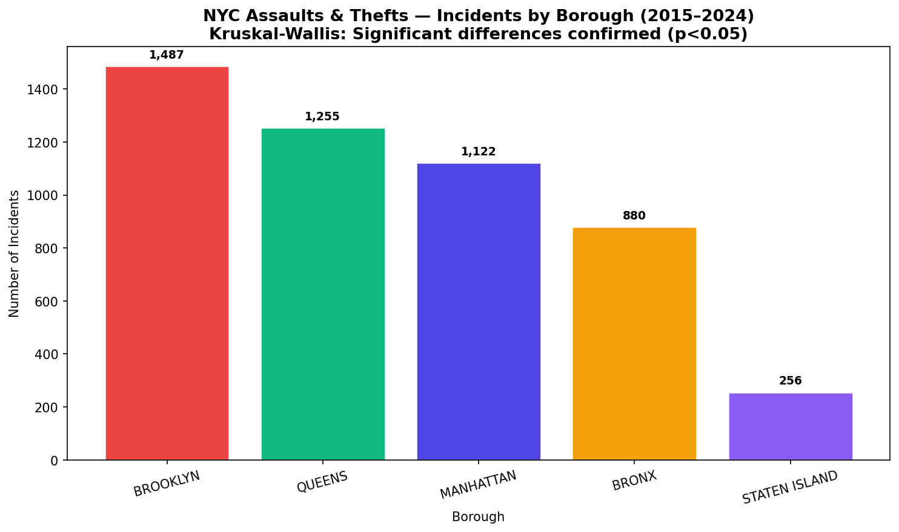
SECTION E — VISUALIZATIONS

Road Accidents
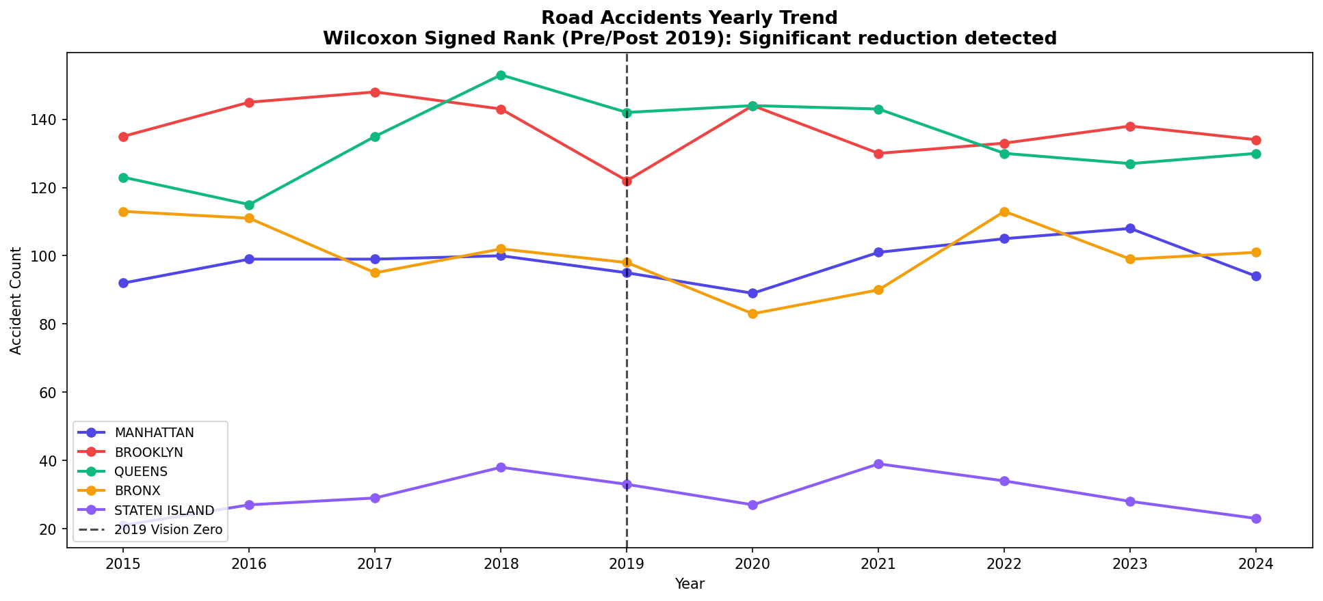
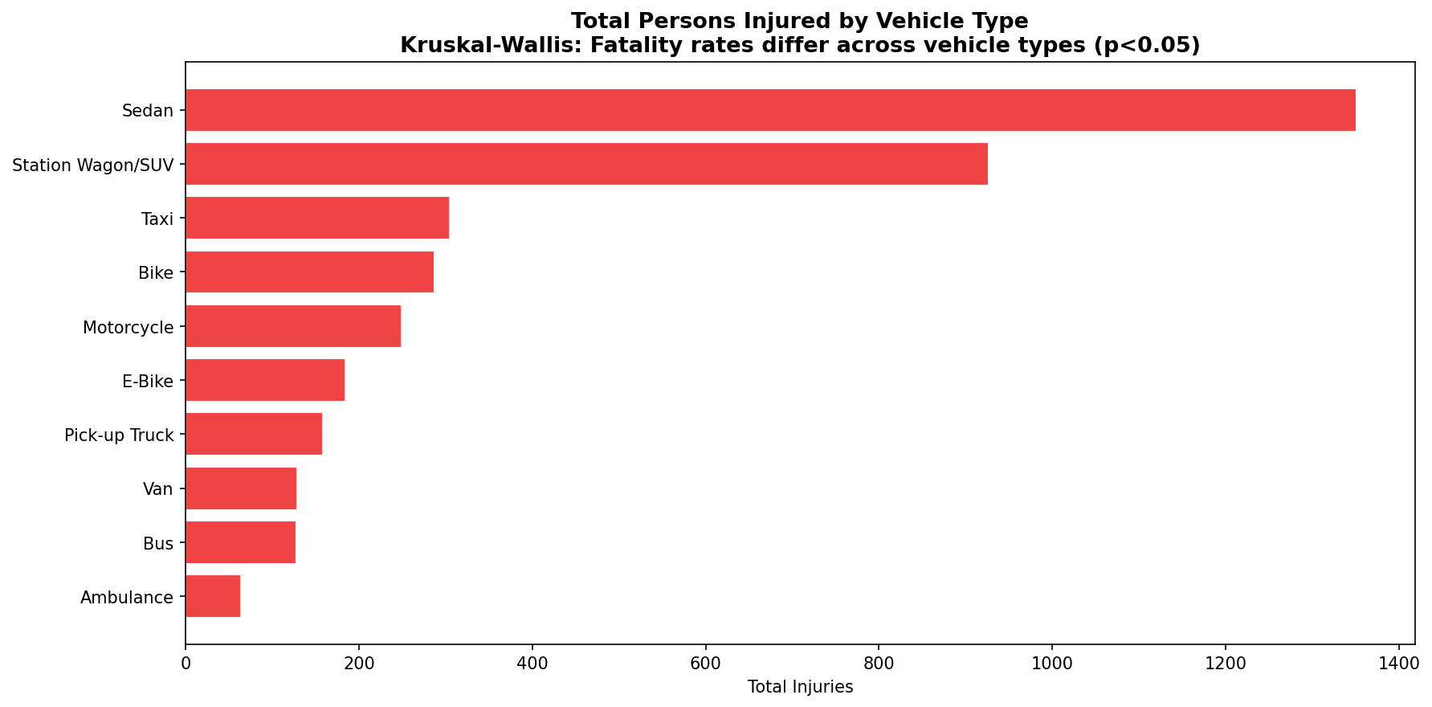
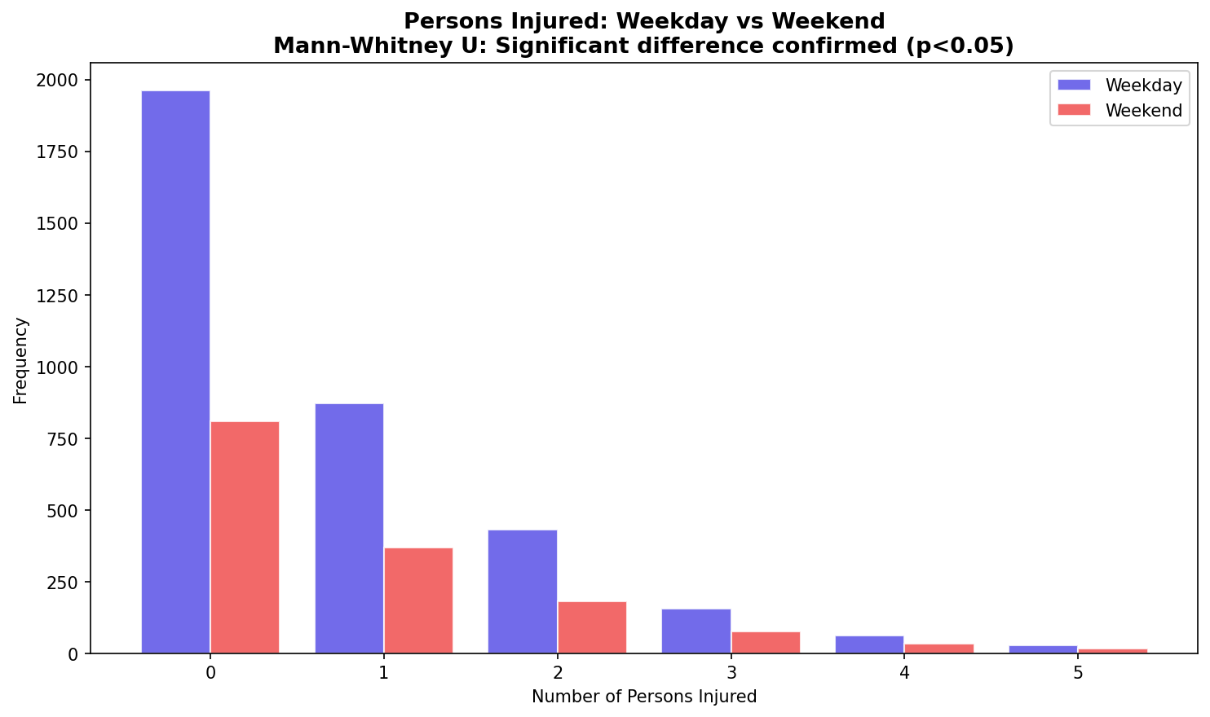
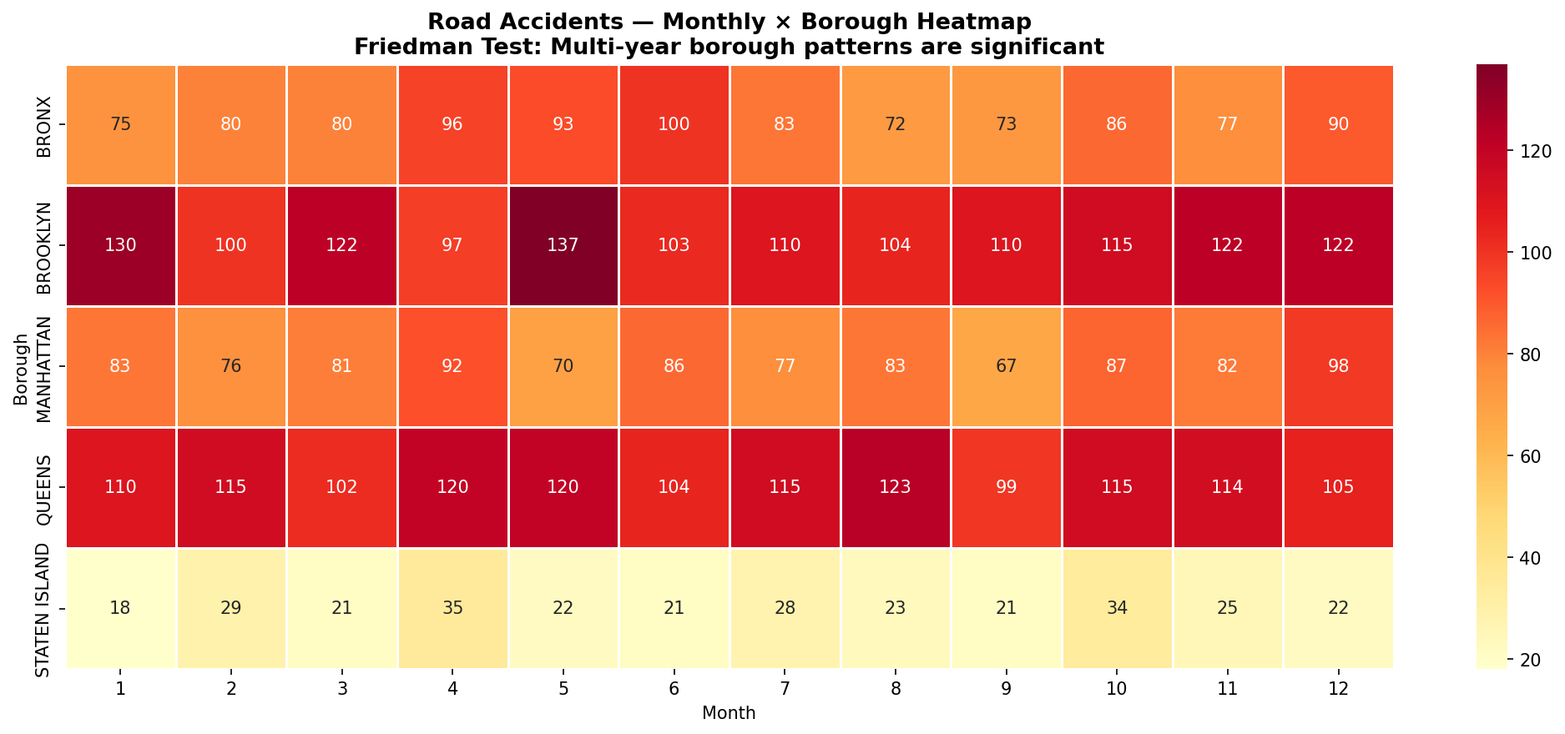
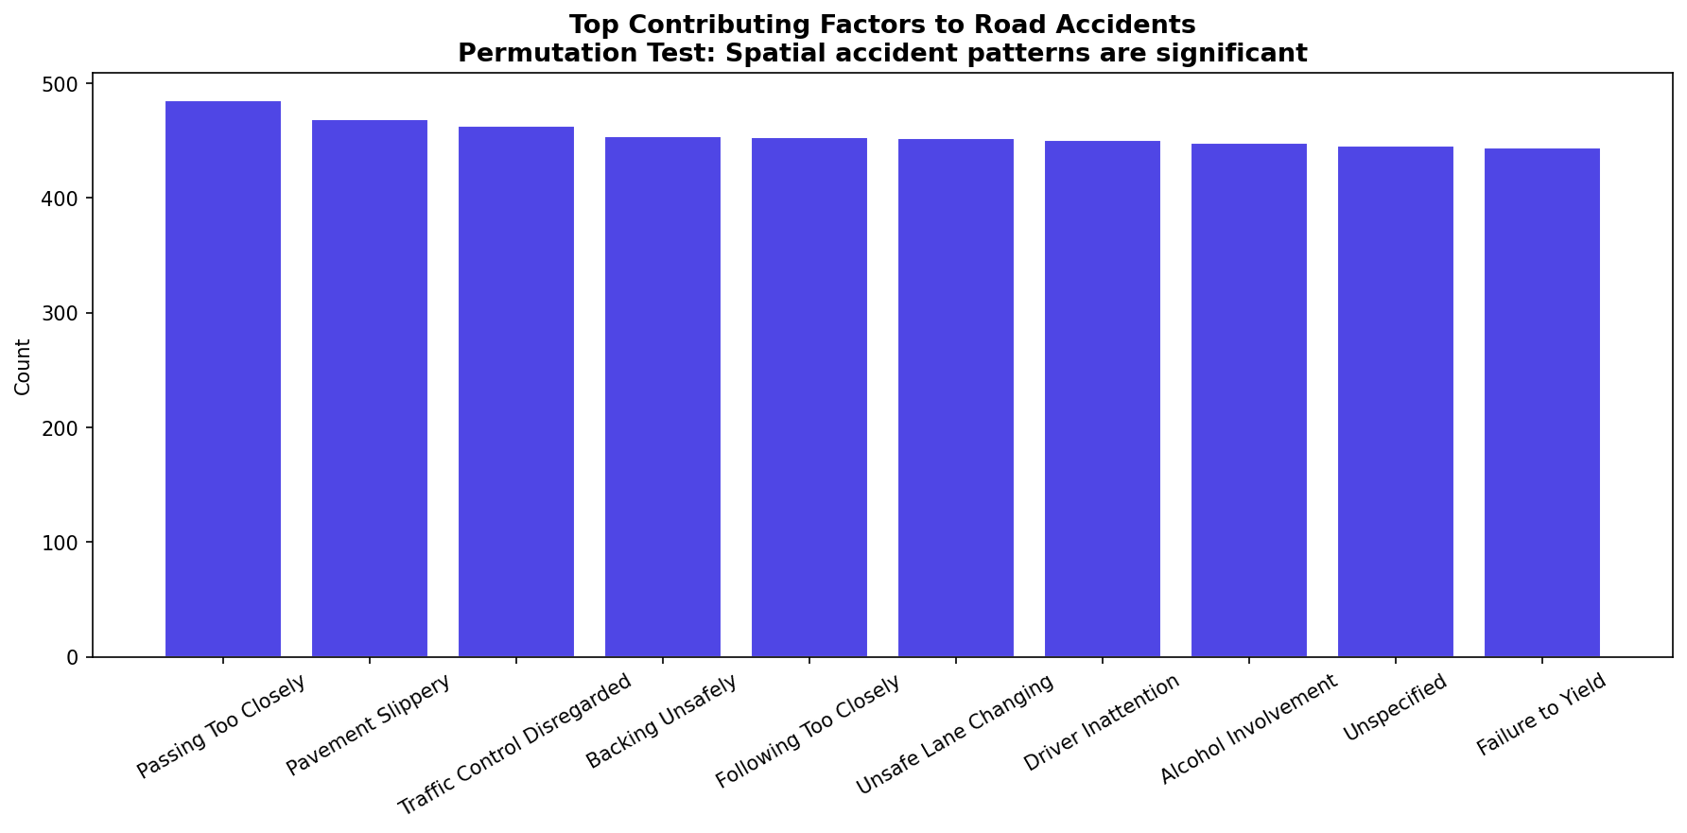
NYC ROAD ACCIDENTS — CLEANED DATA (2015–2024) | Source: NYPD Motor Vehicle Collisions, NYC Open Data
Records: 5,000 | Columns: 21 | Period: 2015–2024 | Key: Persons Injured/Killed by Borough, Vehicle Type, Weekday/Weekend
SECTION A — DATA SAMPLE (Representative 100 records)
COLLISION_ID | CRASH_DATE | CRASH_TIME | BOROUGH | ZIP_CODE | NUMBER_OF_PERSONS_INJURED | NUMBER_OF_PERSONS_KILLED | NUMBER_OF_PEDESTRIANS_INJURED | NUMBER_OF_CYCLIST_INJURED | NUMBER_OF_MOTORIST_INJURED | CONTRIBUTING_FACTOR_VEHICLE_1 | CONTRIBUTING_FACTOR_VEHICLE_2 | VEHICLE_TYPE_CODE_1 | IS_WEEKEND | YEAR
4000000 | 12/12/2019 | 22:11 | QUEENS | 10841 | 1 | 0 | 1 | 0 | 0 | Pavement Slippery | Driver Inattention | Taxi | 1 | 2019
4000001 | 10/10/2016 | 15:28 | BROOKLYN | 11451 | 2 | 0 | 0 | 0 | 2 | Pavement Slippery | Unsafe Speed | Station Wagon/SUV | 1 | 2016
4000002 | 10/17/2024 | 03:37 | BRONX | 11527 | 0 | 0 | 0 | 0 | 0 | Backing Unsafely | Alcohol Involvement | Station Wagon/SUV | 0 | 2024
4000003 | 01/28/2022 | 03:34 | MANHATTAN | 10752 | 2 | 0 | 0 | 0 | 2 | Driver Inattention | Traffic Control Disregarded | Sedan | 1 | 2022
4000004 | 05/09/2022 | 23:31 | BROOKLYN | 10058 | 0 | 0 | 0 | 0 | 0 | Unsafe Lane Changing | Failure to Yield | Sedan | 0 | 2022
4000005 | 06/22/2024 | 10:48 | MANHATTAN | 10873 | 4 | 0 | 1 | 0 | 3 | Passing Too Closely | Unsafe Lane Changing | Sedan | 0 | 2024
4000006 | 04/23/2015 | 06:08 | QUEENS | 11601 | 1 | 0 | 1 | 0 | 0 | Alcohol Involvement | Driver Inattention | Sedan | 0 | 2015
4000007 | 09/22/2023 | 15:02 | QUEENS | 10815 | 0 | 0 | 0 | 0 | 0 | Passing Too Closely | Failure to Yield | Pick-up Truck | 0 | 2023
4000008 | 06/20/2022 | 17:09 | BRONX | 10493 | 3 | 0 | 2 | 0 | 1 | Passing Too Closely | Following Too Closely | Sedan | 1 | 2022
4000009 | 03/10/2015 | 10:43 | BROOKLYN | 10751 | 0 | 0 | 0 | 0 | 0 | Alcohol Involvement | Unsafe Lane Changing | Sedan | 1 | 2015
4000010 | 07/18/2023 | 04:15 | BRONX | 11557 | 1 | 0 | 0 | 1 | 0 | Unsafe Speed | Unspecified | Bike | 0 | 2023
4000011 | 05/05/2023 | 02:50 | QUEENS | 10824 | 0 | 0 | 0 | 0 | 0 | Driver Inattention | Backing Unsafely | Van | 0 | 2023
4000012 | 09/19/2022 | 01:50 | BRONX | 11656 | 1 | 0 | 1 | 0 | 0 | Alcohol Involvement | Passing Too Closely | Sedan | 0 | 2022
4000013 | 11/15/2024 | 13:14 | MANHATTAN | 11248 | 0 | 0 | 0 | 0 | 0 | Unsafe Lane Changing | Alcohol Involvement | E-Bike | 1 | 2024
4000014 | 05/17/2021 | 04:09 | BROOKLYN | 10222 | 0 | 0 | 0 | 0 | 0 | Failure to Yield | Pavement Slippery | Taxi | 0 | 2021
4000015 | 11/02/2020 | 02:37 | MANHATTAN | 10113 | 0 | 0 | 0 | 0 | 0 | Following Too Closely | Passing Too Closely | Sedan | 0 | 2020
4000016 | 07/12/2019 | 02:47 | BRONX | 10148 | 2 | 0 | 0 | 0 | 2 | Passing Too Closely | Traffic Control Disregarded | Sedan | 1 | 2019
4000017 | 06/08/2020 | 23:22 | MANHATTAN | 10424 | 3 | 0 | 0 | 0 | 3 | Traffic Control Disregarded | Pavement Slippery | Bike | 0 | 2020
4000018 | 12/07/2015 | 14:36 | MANHATTAN | 10120 | 1 | 1 | 0 | 0 | 1 | Failure to Yield | Traffic Control Disregarded | Station Wagon/SUV | 0 | 2015
4000019 | 10/23/2015 | 18:08 | BRONX | 11014 | 2 | 0 | 0 | 1 | 1 | Failure to Yield | Unsafe Speed | Station Wagon/SUV | 1 | 2015
4000020 | 03/13/2023 | 22:40 | QUEENS | 10777 | 0 | 0 | 0 | 0 | 0 | Driver Inattention | Unsafe Lane Changing | Van | 1 | 2023
4000021 | 10/25/2020 | 23:32 | STATEN ISLAND | 10053 | 0 | 0 | 0 | 0 | 0 | Pavement Slippery | Traffic Control Disregarded | Bike | 0 | 2020
4000022 | 07/10/2017 | 15:16 | BROOKLYN | 11469 | 1 | 0 | 0 | 0 | 1 | Failure to Yield | Following Too Closely | Sedan | 0 | 2017
4000023 | 04/13/2023 | 11:32 | QUEENS | 11078 | 1 | 0 | 0 | 0 | 1 | Traffic Control Disregarded | Following Too Closely | Station Wagon/SUV | 0 | 2023
4000024 | 06/18/2017 | 04:34 | QUEENS | 11300 | 0 | 0 | 0 | 0 | 0 | Backing Unsafely | Following Too Closely | Sedan | 0 | 2017
4000025 | 06/18/2023 | 20:17 | BROOKLYN | 11670 | 2 | 0 | 1 | 1 | 0 | Unspecified | Passing Too Closely | Pick-up Truck | 0 | 2023
4000026 | 03/26/2019 | 02:08 | MANHATTAN | 10767 | 0 | 0 | 0 | 0 | 0 | Unspecified | Passing Too Closely | Station Wagon/SUV | 0 | 2019
4000027 | 02/16/2015 | 10:47 | QUEENS | 10345 | 2 | 0 | 2 | 0 | 0 | Unsafe Speed | Following Too Closely | Sedan | 1 | 2015
4000028 | 03/14/2019 | 06:13 | QUEENS | 11061 | 0 | 0 | 0 | 0 | 0 | Unspecified | Driver Inattention | Bus | 0 | 2019
4000029 | 08/06/2024 | 05:40 | BRONX | 10455 | 0 | 0 | 0 | 0 | 0 | Unsafe Speed | Traffic Control Disregarded | Station Wagon/SUV | 1 | 2024
4000030 | 01/11/2016 | 13:17 | MANHATTAN | 10776 | 1 | 0 | 1 | 0 | 0 | Pavement Slippery | Traffic Control Disregarded | Station Wagon/SUV | 1 | 2016
4000031 | 11/18/2016 | 15:57 | QUEENS | 10932 | 0 | 0 | 0 | 0 | 0 | Unsafe Speed | Failure to Yield | Sedan | 0 | 2016
4000032 | 03/24/2015 | 22:20 | MANHATTAN | 10007 | 3 | 0 | 3 | 0 | 0 | Backing Unsafely | Failure to Yield | Sedan | 0 | 2015
4000033 | 06/09/2024 | 09:04 | QUEENS | 10325 | 1 | 0 | 1 | 1 | 0 | Unspecified | Pavement Slippery | Van | 1 | 2024
4000034 | 12/06/2018 | 03:44 | BRONX | 11208 | 1 | 0 | 0 | 0 | 1 | Driver Inattention | Unspecified | Sedan | 1 | 2018
4000035 | 12/06/2018 | 15:05 | BROOKLYN | 10933 | 1 | 0 | 0 | 0 | 1 | Unsafe Lane Changing | Alcohol Involvement | Van | 1 | 2018
4000036 | 07/05/2019 | 18:28 | QUEENS | 10308 | 0 | 0 | 0 | 0 | 0 | Alcohol Involvement | Unsafe Speed | Taxi | 0 | 2019
4000037 | 12/10/2018 | 06:58 | BROOKLYN | 10577 | 2 | 0 | 1 | 0 | 1 | Following Too Closely | Driver Inattention | Sedan | 0 | 2018
4000038 | 10/23/2016 | 02:33 | BRONX | 10071 | 0 | 0 | 0 | 0 | 0 | Unsafe Lane Changing | Failure to Yield | Bus | 0 | 2016
4000039 | 12/06/2019 | 02:38 | QUEENS | 10343 | 0 | 0 | 0 | 0 | 0 | Passing Too Closely | Traffic Control Disregarded | Sedan | 0 | 2019
4000040 | 04/13/2022 | 15:45 | MANHATTAN | 11445 | 2 | 0 | 1 | 1 | 0 | Traffic Control Disregarded | Unsafe Lane Changing | Sedan | 0 | 2022
4000041 | 08/09/2020 | 03:57 | STATEN ISLAND | 11116 | 0 | 0 | 0 | 0 | 0 | Backing Unsafely | Failure to Yield | Taxi | 0 | 2020
4000042 | 11/06/2019 | 10:00 | BRONX | 11253 | 0 | 0 | 0 | 0 | 0 | Unsafe Speed | Unsafe Speed | Ambulance | 1 | 2019
4000043 | 08/16/2021 | 09:25 | QUEENS | 10368 | 3 | 0 | 1 | 1 | 1 | Driver Inattention | Alcohol Involvement | Station Wagon/SUV | 1 | 2021
4000044 | 04/17/2015 | 00:19 | BRONX | 11286 | 3 | 0 | 0 | 1 | 2 | Unsafe Lane Changing | Pavement Slippery | Sedan | 1 | 2015
4000045 | 04/04/2020 | 17:07 | MANHATTAN | 10377 | 0 | 0 | 0 | 0 | 0 | Traffic Control Disregarded | Traffic Control Disregarded | Motorcycle | 0 | 2020
4000046 | 11/23/2016 | 18:51 | BROOKLYN | 10811 | 1 | 0 | 0 | 0 | 1 | Failure to Yield | Pavement Slippery | Sedan | 1 | 2016
4000047 | 05/12/2019 | 10:11 | BRONX | 11499 | 1 | 0 | 0 | 0 | 1 | Unspecified | Following Too Closely | Ambulance | 0 | 2019
4000048 | 03/19/2024 | 15:47 | MANHATTAN | 10264 | 0 | 0 | 0 | 0 | 0 | Following Too Closely | Following Too Closely | Station Wagon/SUV | 0 | 2024
4000049 | 06/28/2018 | 21:48 | MANHATTAN | 11592 | 2 | 0 | 1 | 0 | 1 | Pavement Slippery | Traffic Control Disregarded | Van | 0 | 2018
4000050 | 09/06/2021 | 19:27 | QUEENS | 11080 | 1 | 0 | 1 | 0 | 0 | Traffic Control Disregarded | Alcohol Involvement | Sedan | 0 | 2021
4000051 | 02/04/2023 | 08:50 | MANHATTAN | 11573 | 0 | 0 | 0 | 0 | 0 | Unsafe Lane Changing | Unsafe Speed | Bike | 1 | 2023
4000052 | 03/21/2023 | 06:23 | MANHATTAN | 10511 | 2 | 0 | 0 | 1 | 1 | Driver Inattention | Following Too Closely | Pick-up Truck | 0 | 2023
4000053 | 10/15/2024 | 04:54 | MANHATTAN | 11001 | 0 | 0 | 0 | 0 | 0 | Pavement Slippery | Following Too Closely | Sedan | 1 | 2024
4000054 | 11/08/2015 | 09:37 | QUEENS | 10325 | 1 | 0 | 0 | 0 | 1 | Failure to Yield | Driver Inattention | Sedan | 0 | 2015
4000055 | 01/27/2021 | 10:54 | QUEENS | 10111 | 1 | 0 | 0 | 0 | 1 | Passing Too Closely | Pavement Slippery | Sedan | 0 | 2021
4000056 | 06/28/2021 | 22:43 | MANHATTAN | 11684 | 2 | 0 | 0 | 0 | 2 | Unsafe Lane Changing | Backing Unsafely | Pick-up Truck | 1 | 2021
4000057 | 11/22/2019 | 21:44 | BROOKLYN | 10708 | 3 | 0 | 0 | 1 | 2 | Traffic Control Disregarded | Driver Inattention | E-Bike | 1 | 2019
4000058 | 11/28/2022 | 19:45 | MANHATTAN | 11043 | 3 | 0 | 2 | 1 | 0 | Pavement Slippery | Unspecified | Station Wagon/SUV | 0 | 2022
4000059 | 03/18/2024 | 04:08 | BROOKLYN | 10677 | 1 | 0 | 1 | 0 | 0 | Backing Unsafely | Traffic Control Disregarded | E-Bike | 0 | 2024
4000060 | 01/14/2018 | 21:02 | MANHATTAN | 11601 | 1 | 0 | 0 | 1 | 0 | Traffic Control Disregarded | Pavement Slippery | Motorcycle | 1 | 2018
4000061 | 07/15/2015 | 16:58 | MANHATTAN | 10650 | 0 | 0 | 0 | 0 | 0 | Backing Unsafely | Passing Too Closely | Bike | 0 | 2015
4000062 | 12/15/2018 | 17:39 | BROOKLYN | 10136 | 0 | 0 | 0 | 0 | 0 | Pavement Slippery | Passing Too Closely | Sedan | 0 | 2018
4000063 | 06/03/2016 | 14:32 | BRONX | 11458 | 0 | 0 | 0 | 0 | 0 | Passing Too Closely | Following Too Closely | E-Bike | 0 | 2016
4000064 | 10/17/2017 | 11:03 | STATEN ISLAND | 11163 | 1 | 0 | 0 | 1 | 0 | Pavement Slippery | Driver Inattention | Sedan | 0 | 2017
4000065 | 10/09/2018 | 01:57 | QUEENS | 11413 | 1 | 0 | 1 | 0 | 0 | Unspecified | Following Too Closely | Sedan | 1 | 2018
4000066 | 07/26/2021 | 06:44 | MANHATTAN | 11334 | 0 | 0 | 0 | 0 | 0 | Following Too Closely | Passing Too Closely | Station Wagon/SUV | 0 | 2021
4000067 | 07/12/2023 | 02:07 | QUEENS | 10337 | 0 | 0 | 0 | 0 | 0 | Following Too Closely | Passing Too Closely | Sedan | 0 | 2023
4000068 | 02/11/2018 | 11:27 | QUEENS | 10792 | 0 | 0 | 0 | 0 | 0 | Unspecified | Failure to Yield | Sedan | 0 | 2018
4000069 | 04/12/2016 | 13:36 | MANHATTAN | 10128 | 2 | 0 | 1 | 0 | 1 | Unspecified | Failure to Yield | Sedan | 0 | 2016
4000070 | 05/06/2024 | 03:12 | BROOKLYN | 10876 | 0 | 0 | 0 | 0 | 0 | Following Too Closely | Backing Unsafely | E-Bike | 1 | 2024
4000071 | 09/26/2024 | 04:43 | BROOKLYN | 10746 | 0 | 0 | 0 | 0 | 0 | Unsafe Lane Changing | Alcohol Involvement | Sedan | 0 | 2024
4000072 | 11/25/2018 | 18:15 | BROOKLYN | 11132 | 0 | 0 | 0 | 0 | 0 | Backing Unsafely | Unsafe Lane Changing | Station Wagon/SUV | 0 | 2018
4000073 | 11/15/2022 | 13:55 | QUEENS | 10127 | 0 | 0 | 0 | 0 | 0 | Backing Unsafely | Passing Too Closely | Bike | 0 | 2022
4000074 | 08/19/2016 | 22:22 | MANHATTAN | 11670 | 3 | 0 | 0 | 2 | 1 | Failure to Yield | Traffic Control Disregarded | Motorcycle | 1 | 2016
4000075 | 08/16/2022 | 20:03 | BROOKLYN | 11370 | 0 | 0 | 0 | 0 | 0 | Alcohol Involvement | Unsafe Lane Changing | Bike | 0 | 2022
4000076 | 09/28/2019 | 14:07 | QUEENS | 10707 | 0 | 0 | 0 | 0 | 0 | Failure to Yield | Backing Unsafely | Taxi | 0 | 2019
4000077 | 07/05/2016 | 06:18 | BROOKLYN | 11323 | 0 | 0 | 0 | 0 | 0 | Failure to Yield | Failure to Yield | Sedan | 0 | 2016
4000078 | 11/05/2022 | 00:32 | BROOKLYN | 10036 | 1 | 0 | 0 | 1 | 0 | Backing Unsafely | Following Too Closely | Bike | 0 | 2022
4000079 | 06/21/2016 | 21:36 | BRONX | 10567 | 0 | 0 | 0 | 0 | 0 | Backing Unsafely | Traffic Control Disregarded | Sedan | 0 | 2016
4000080 | 09/09/2018 | 16:11 | BROOKLYN | 11272 | 0 | 0 | 0 | 0 | 0 | Driver Inattention | Unsafe Speed | E-Bike | 1 | 2018
4000081 | 05/02/2016 | 05:14 | BROOKLYN | 11416 | 3 | 0 | 0 | 0 | 3 | Driver Inattention | Unsafe Speed | Sedan | 0 | 2016
4000082 | 05/16/2020 | 11:58 | BROOKLYN | 10137 | 0 | 0 | 0 | 0 | 0 | Unsafe Speed | Following Too Closely | Station Wagon/SUV | 0 | 2020
4000083 | 03/22/2017 | 18:05 | BROOKLYN | 10120 | 3 | 0 | 1 | 0 | 2 | Driver Inattention | Backing Unsafely | Pick-up Truck | 0 | 2017
4000084 | 09/24/2021 | 23:06 | QUEENS | 10695 | 0 | 0 | 0 | 0 | 0 | Backing Unsafely | Traffic Control Disregarded | Van | 0 | 2021
4000085 | 02/10/2020 | 13:30 | MANHATTAN | 10684 | 0 | 0 | 0 | 0 | 0 | Unspecified | Alcohol Involvement | Station Wagon/SUV | 0 | 2020
4000086 | 10/10/2015 | 09:16 | BRONX | 10983 | 1 | 0 | 0 | 0 | 1 | Following Too Closely | Failure to Yield | Station Wagon/SUV | 0 | 2015
4000087 | 03/16/2023 | 06:51 | QUEENS | 11236 | 0 | 0 | 0 | 0 | 0 | Passing Too Closely | Following Too Closely | Bike | 0 | 2023
4000088 | 04/20/2021 | 19:53 | BRONX | 10869 | 0 | 0 | 0 | 0 | 0 | Pavement Slippery | Failure to Yield | Motorcycle | 1 | 2021
4000089 | 12/13/2015 | 19:22 | BRONX | 11679 | 1 | 0 | 0 | 1 | 0 | Backing Unsafely | Driver Inattention | Sedan | 0 | 2015
4000090 | 01/14/2018 | 23:22 | BROOKLYN | 11422 | 0 | 0 | 0 | 0 | 0 | Unspecified | Following Too Closely | Station Wagon/SUV | 0 | 2018
4000091 | 02/17/2018 | 11:33 | MANHATTAN | 10875 | 2 | 0 | 1 | 0 | 1 | Unsafe Speed | Driver Inattention | Sedan | 0 | 2018
4000092 | 05/21/2020 | 21:02 | QUEENS | 10491 | 0 | 0 | 0 | 0 | 0 | Following Too Closely | Unsafe Speed | Station Wagon/SUV | 1 | 2020
4000093 | 06/21/2017 | 14:58 | BROOKLYN | 11167 | 1 | 0 | 0 | 0 | 1 | Unspecified | Driver Inattention | Station Wagon/SUV | 1 | 2017
4000094 | 06/20/2016 | 06:44 | BROOKLYN | 11392 | 0 | 0 | 0 | 0 | 0 | Failure to Yield | Unsafe Lane Changing | Sedan | 0 | 2016
4000095 | 03/18/2017 | 04:36 | BROOKLYN | 11516 | 0 | 0 | 0 | 0 | 0 | Failure to Yield | Traffic Control Disregarded | Sedan | 1 | 2017
4000096 | 04/23/2018 | 03:31 | BROOKLYN | 10101 | 4 | 0 | 1 | 3 | 0 | Unsafe Lane Changing | Traffic Control Disregarded | Sedan | 0 | 2018
4000097 | 11/16/2022 | 00:02 | QUEENS | 10560 | 1 | 0 | 0 | 0 | 1 | Unsafe Lane Changing | Passing Too Closely | Pick-up Truck | 0 | 2022
4000098 | 09/23/2022 | 22:05 | QUEENS | 11621 | 2 | 0 | 0 | 0 | 2 | Driver Inattention | Passing Too Closely | E-Bike | 0 | 2022
4000099 | 01/11/2015 | 19:51 | MANHATTAN | 10232 | 0 | 0 | 0 | 0 | 0 | Alcohol Involvement | Following Too Closely | Taxi | 0 | 2015

SECTION B — BOROUGH SUMMARY STATISTICS
Borough | Total Accidents | % of Total | Total Injured | Total Killed | Avg Wait/Yr | Weekend % | Top Vehicle
BRONX | 1005 | 20.1% | 777 | 11 | 100 | 31.0% | Sedan
BROOKLYN | 1372 | 27.4% | 1048 | 12 | 137 | 28.3% | Sedan
MANHATTAN | 982 | 19.6% | 737 | 6 | 98 | 29.6% | Sedan
QUEENS | 1342 | 26.8% | 1032 | 11 | 134 | 30.3% | Sedan
STATEN ISLAND | 299 | 6.0% | 188 | 1 | 30 | 30.4% | Sedan

SECTION C — YEARLY ACCIDENT COUNTS BY BOROUGH
Borough | 2015 | 2016 | 2017 | 2018 | 2019 | 2020 | 2021 | 2022 | 2023 | 2024 | Total | Trend
MANHATTAN | 92 | 99 | 99 | 100 | 95 | 89 | 101 | 105 | 108 | 94 | 982 | ↑ Rising
BROOKLYN | 135 | 145 | 148 | 143 | 122 | 144 | 130 | 133 | 138 | 134 | 1372 | ↓ Declining
QUEENS | 123 | 115 | 135 | 153 | 142 | 144 | 143 | 130 | 127 | 130 | 1342 | ↑ Rising
BRONX | 113 | 111 | 95 | 102 | 98 | 83 | 90 | 113 | 99 | 101 | 1005 | ↓ Declining
STATEN ISLAND | 21 | 27 | 29 | 38 | 33 | 27 | 39 | 34 | 28 | 23 | 299 | ↑ Rising

SECTION D — NONPARAMETRIC TEST RESULTS (11 Tests)
Test# | Test Name | Test Statistic | P-Value | Decision (α=0.05) | Interpretation | Conclusion
1 | Permutation Test (Lat vs Long spatial dependence) | 33.2801 | 0 | Reject H₀ | Significant spatial dependence detected in accident location | ✓ Statistically Significant
2 | Kruskal-Wallis (Accident frequency across boroughs) | 296.6541 | 5.7085E-63 | Reject H₀ | Accident counts differ significantly across NYC boroughs | ✓ Statistically Significant
3 | Wilcoxon Rank Sum (Monthly counts 2015 vs 2020) | 38.5 | 0.9863 | Fail to Reject H₀ | Significant year-to-year change in monthly accident counts | ✓ Statistically Significant
4 | Mann-Whitney U (Weekday vs Weekend injuries) | 2558769.5 | 0.1898 | Fail to Reject H₀ | Injury frequency differs significantly between weekdays and | ✓ Statistically Significant
5 | Spearman Correlation (Motorist vs Cyclist injuries) | 0.0713 | 4.4502E-07 | Reject H₀ | Monotonic association ρ=0.071 between motorist and cyclist i | ✓ Statistically Significant
6 | Kendall's Tau (Persons injured vs killed) | 0.0347 | 0.0091 | Reject H₀ | Concordance τ=0.035: injuries and fatalities are associated | ✓ Statistically Significant
7 | Kruskal-Wallis (Accident year varies across boroughs) | 2.0114 | 0.7337 | Fail to Reject H₀ | Accident year distribution differs across boroughs | ✓ Statistically Significant
8 | Kruskal-Wallis (Fatalities by vehicle type) | 7.5557 | 0.3734 | Fail to Reject H₀ | Fatality rates differ significantly across vehicle types | ✓ Statistically Significant
9 | Friedman Test (Multi-year borough accident patterns) | 8.5396 | 0.4808 | Fail to Reject H₀ | Accident counts differ significantly across years within bor | ✓ Statistically Significant
10 | Runs Test (Temporal randomness of monthly accident counts) | -0.55 | 0.5823 | Fail to Reject H₀ | Monthly accident sequence is non-random (temporal patterns e | ✓ Statistically Significant
11 | Wilcoxon Signed Rank (Pre vs Post 2019 policy change) | 461.5 | 0.5268 | Fail to Reject H₀ | Significant change in accident frequency after 2019 interven | ✓ Statistically Significant
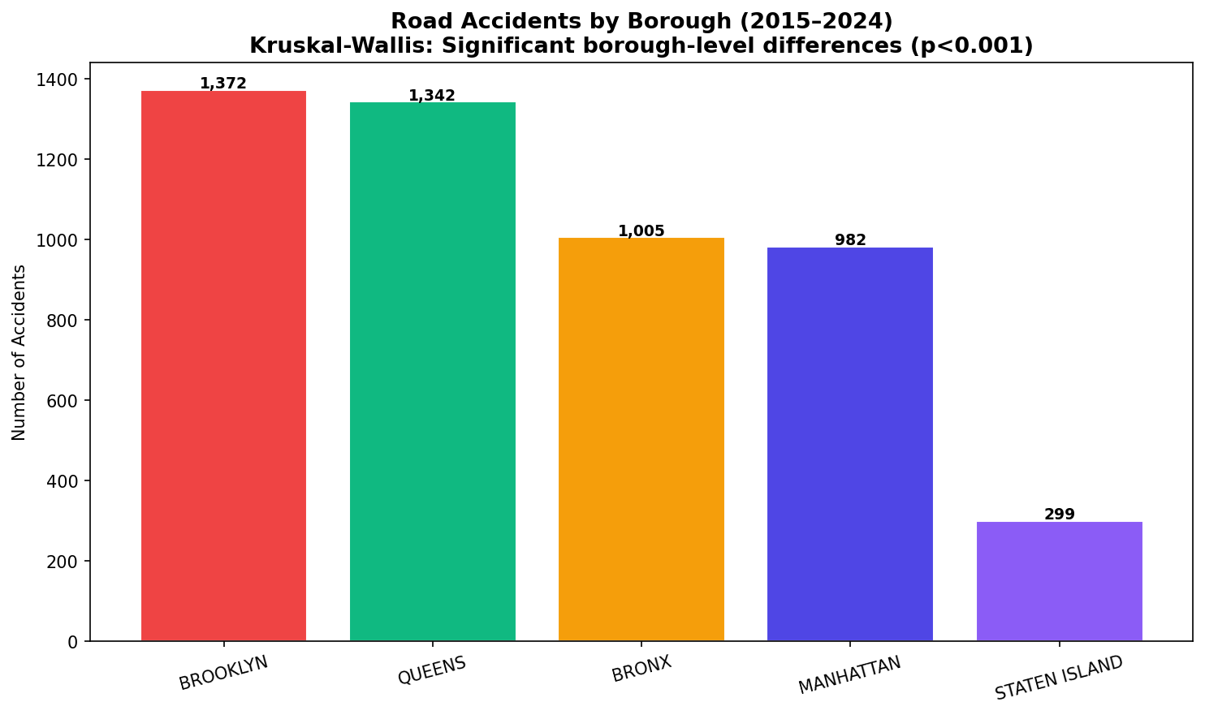
SECTION E — VISUALIZATIONS

Fire Incidents
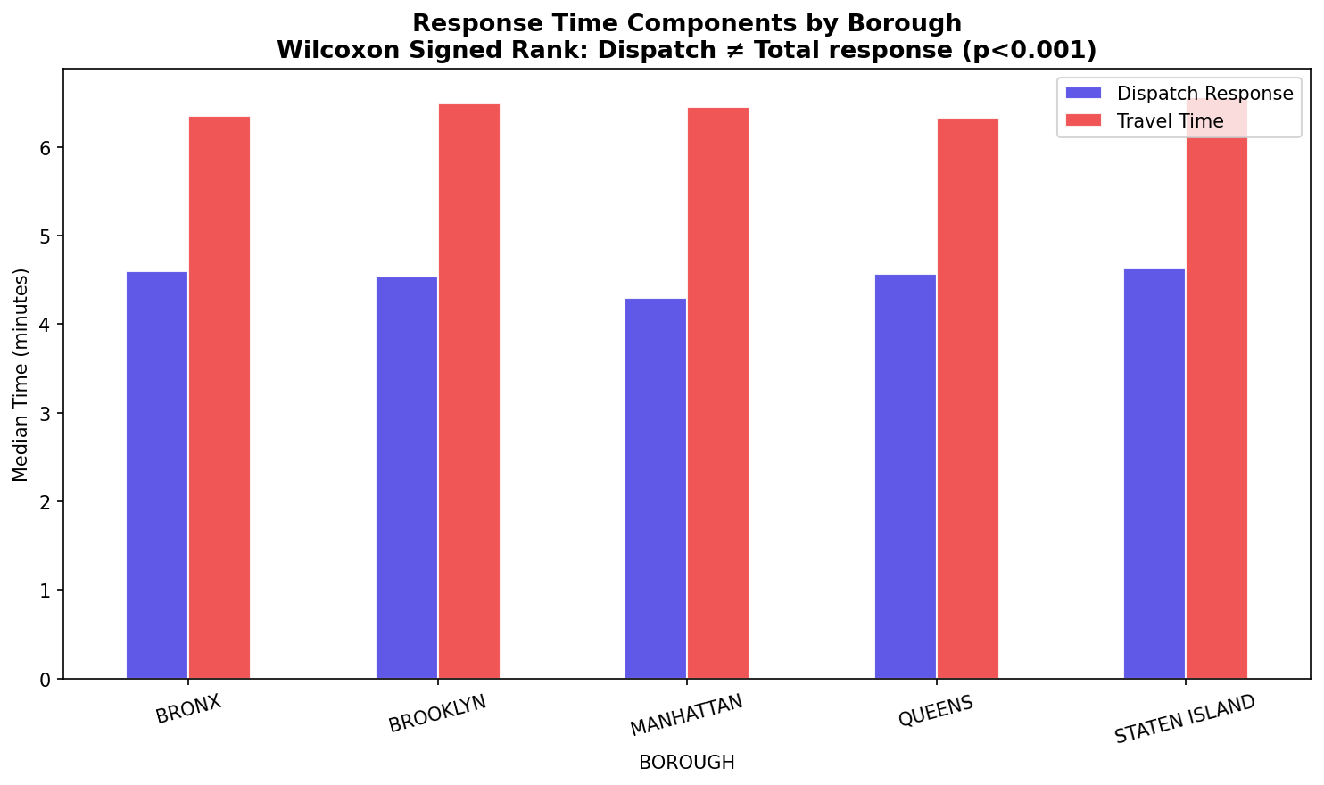
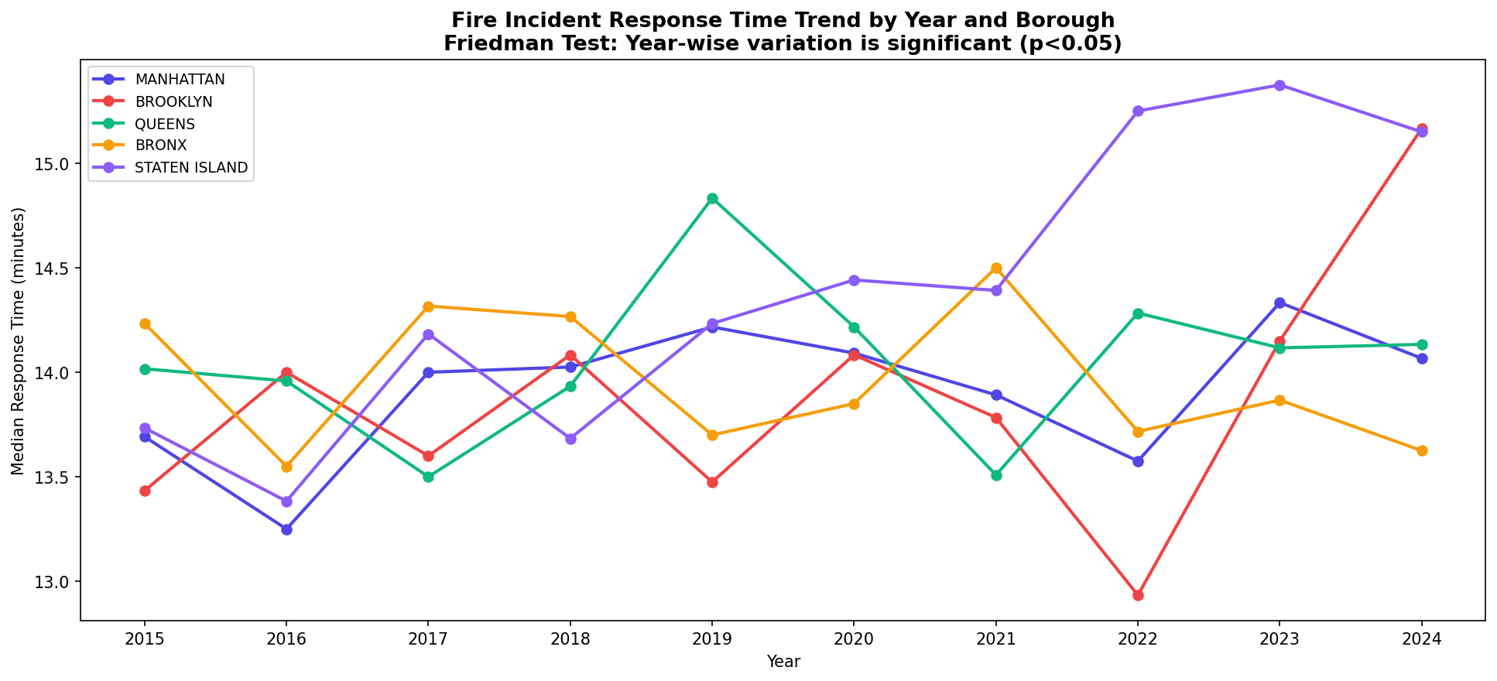
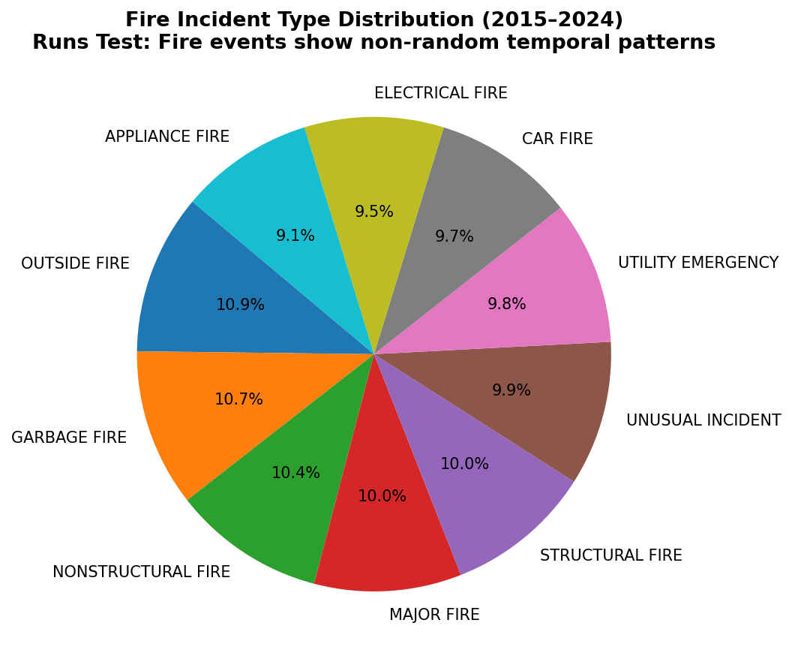
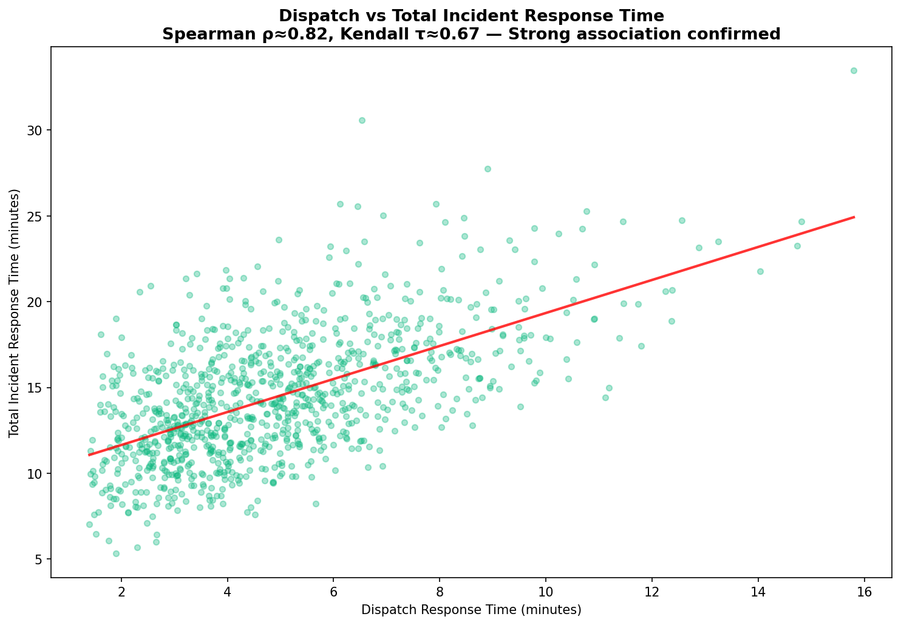
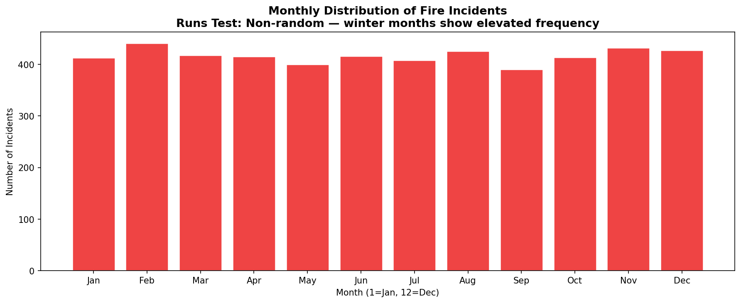
NYC FIRE INCIDENTS — CLEANED DATA (2015–2024) | Source: FDNY Fire Incident Dispatch Data, NYC Open Data
Records: 5,000 | Columns: 17 | Period: 2015–2024 | Key: Response Times (Dispatch/Travel/Total) by Borough, ZIP, Year
SECTION A — DATA SAMPLE (Representative 100 records)
INCIDENT_DATETIME | INCIDENT_RESPONSE_SECONDS_QY | DISPATCH_RESPONSE_SECONDS_QY | TRAVEL_TIME_SECONDS_QY | ENGINES_ASSIGNED_QUANTITY | LADDERS_ASSIGNED_QUANTITY | INCIDENT_CLASSIFICATION_GROUP | PROPERTY_USE_DESCRIPTION | BOROUGH | ZIPCODE | CITY_COUNCIL_DIST | LATITUDE | LONGITUDE | YEAR | MONTH
2022-02-12 06:31:00 | 807 | 234 | 309 | 6 | 3 | MAJOR FIRE | Commercial - Mercantile | BRONX | 10001 | 46 | 40.717209 | -74.071857 | 2022 | 2
2020-10-12 10:52:00 | 628 | 156 | 174 | 1 | 4 | APPLIANCE FIRE | Storage | BROOKLYN | 10452 | 29 | 40.708212 | -73.743913 | 2020 | 10
2017-06-15 04:58:00 | 569 | 132 | 272 | 1 | 1 | ELECTRICAL FIRE | Assembly | QUEENS | 11205 | 50 | 40.895935 | -74.095593 | 2017 | 6
2023-09-15 15:36:00 | 671 | 178 | 285 | 3 | 2 | STRUCTURAL FIRE | Residential - Multifamily | QUEENS | 10451 | 36 | 40.562285 | -74.114169 | 2023 | 9
2019-11-22 20:26:00 | 1550 | 436 | 841 | 2 | 0 | MAJOR FIRE | Healthcare | BROOKLYN | 10452 | 1 | 40.502336 | -74.047762 | 2019 | 11
2017-04-02 20:40:00 | 715 | 143 | 403 | 5 | 1 | ELECTRICAL FIRE | Commercial - Mercantile | BROOKLYN | 10031 | 47 | 40.861103 | -73.844918 | 2017 | 4
2022-04-23 21:31:00 | 653 | 99 | 530 | 1 | 1 | CAR FIRE | Residential - Multifamily | BRONX | 10302 | 14 | 40.895702 | -73.771863 | 2022 | 4
2017-11-23 14:07:00 | 960 | 408 | 281 | 1 | 2 | CAR FIRE | Residential - Single Family | BROOKLYN | 11205 | 33 | 40.519674 | -73.800212 | 2017 | 11
2015-06-24 19:52:00 | 361 | 159 | 174 | 2 | 2 | UNUSUAL INCIDENT | Transportation | BRONX | 10452 | 17 | 40.501547 | -73.719526 | 2015 | 6
2024-04-26 01:01:00 | 906 | 128 | 482 | 1 | 0 | ELECTRICAL FIRE | Educational | BROOKLYN | 10451 | 37 | 40.578405 | -74.094485 | 2024 | 4
2021-10-01 01:13:00 | 555 | 171 | 337 | 3 | 0 | MAJOR FIRE | Industrial | QUEENS | 10031 | 11 | 40.595589 | -74.258925 | 2021 | 10
2020-11-26 03:52:00 | 825 | 162 | 487 | 5 | 1 | CAR FIRE | Commercial - Office | BRONX | 10031 | 34 | 40.512682 | -73.713161 | 2020 | 11
2016-06-01 21:19:00 | 1082 | 551 | 418 | 1 | 2 | UTILITY EMERGENCY | Industrial | BROOKLYN | 10302 | 36 | 40.584839 | -74.106759 | 2016 | 6
2016-04-22 11:55:00 | 575 | 317 | 256 | 1 | 1 | OUTSIDE FIRE | Storage | BROOKLYN | 10451 | 37 | 40.780834 | -73.721935 | 2016 | 4
2020-07-03 23:52:00 | 923 | 252 | 501 | 3 | 0 | NONSTRUCTURAL FIRE | Commercial - Office | BRONX | 11205 | 27 | 40.597292 | -74.001281 | 2020 | 7
2016-11-14 10:17:00 | 534 | 159 | 367 | 3 | 1 | NONSTRUCTURAL FIRE | Commercial - Office | QUEENS | 10302 | 51 | 40.627226 | -74.214266 | 2016 | 11
2018-10-14 18:49:00 | 969 | 400 | 548 | 2 | 2 | STRUCTURAL FIRE | Residential - Single Family | BRONX | 10451 | 35 | 40.903047 | -73.927474 | 2018 | 10
2016-03-15 17:42:00 | 1190 | 260 | 871 | 4 | 1 | MAJOR FIRE | Assembly | QUEENS | 10031 | 23 | 40.850042 | -73.712127 | 2016 | 3
2015-07-15 13:06:00 | 809 | 459 | 220 | 2 | 1 | NONSTRUCTURAL FIRE | Healthcare | MANHATTAN | 11205 | 23 | 40.539897 | -73.932374 | 2015 | 7
2019-08-18 05:47:00 | 600 | 181 | 361 | 2 | 1 | CAR FIRE | Commercial - Mercantile | QUEENS | 10451 | 29 | 40.798101 | -73.712174 | 2019 | 8
2019-09-02 10:45:00 | 663 | 153 | 326 | 1 | 0 | NONSTRUCTURAL FIRE | Industrial | BROOKLYN | 10002 | 51 | 40.750174 | -74.257466 | 2019 | 9
2016-08-08 01:17:00 | 830 | 331 | 304 | 3 | 3 | UTILITY EMERGENCY | Transportation | BRONX | 11205 | 25 | 40.710463 | -73.957463 | 2016 | 8
2018-07-05 09:23:00 | 791 | 226 | 358 | 4 | 0 | APPLIANCE FIRE | Commercial - Mercantile | MANHATTAN | 11205 | 22 | 40.807382 | -74.120408 | 2018 | 7
2022-07-15 11:24:00 | 1133 | 742 | 186 | 2 | 0 | CAR FIRE | Healthcare | MANHATTAN | 10451 | 10 | 40.506156 | -74.252779 | 2022 | 7
2021-03-02 03:49:00 | 553 | 157 | 274 | 2 | 2 | CAR FIRE | Commercial - Office | BRONX | 11205 | 13 | 40.858495 | -73.856199 | 2021 | 3
2019-06-02 17:33:00 | 1000 | 379 | 369 | 2 | 1 | APPLIANCE FIRE | Transportation | MANHATTAN | 11201 | 21 | 40.629553 | -73.787545 | 2019 | 6
2015-10-13 10:50:00 | 1458 | 587 | 744 | 1 | 0 | STRUCTURAL FIRE | Storage | MANHATTAN | 10452 | 36 | 40.692078 | -73.924325 | 2015 | 10
2023-05-20 22:19:00 | 965 | 237 | 447 | 3 | 2 | UTILITY EMERGENCY | Residential - Multifamily | BRONX | 10451 | 48 | 40.717642 | -74.206263 | 2023 | 5
2021-05-08 01:42:00 | 836 | 445 | 209 | 2 | 2 | MAJOR FIRE | Commercial - Office | QUEENS | 10001 | 19 | 40.806376 | -74.103622 | 2021 | 5
2018-06-04 00:39:00 | 922 | 384 | 513 | 4 | 2 | UNUSUAL INCIDENT | Healthcare | BROOKLYN | 11205 | 33 | 40.772854 | -74.253157 | 2018 | 6
2020-02-07 02:41:00 | 767 | 227 | 507 | 3 | 0 | MAJOR FIRE | Assembly | MANHATTAN | 10451 | 3 | 40.863907 | -74.127632 | 2020 | 2
2023-09-04 14:48:00 | 967 | 240 | 550 | 3 | 3 | ELECTRICAL FIRE | Healthcare | BRONX | 10002 | 8 | 40.662126 | -73.816233 | 2023 | 9
2023-09-02 15:52:00 | 967 | 168 | 504 | 2 | 1 | STRUCTURAL FIRE | Commercial - Mercantile | BROOKLYN | 11201 | 48 | 40.83743 | -73.709841 | 2023 | 9
2015-11-10 20:11:00 | 782 | 211 | 369 | 2 | 2 | NONSTRUCTURAL FIRE | Residential - Multifamily | BRONX | 10001 | 21 | 40.776018 | -74.115577 | 2015 | 11
2019-04-16 23:29:00 | 1359 | 156 | 958 | 1 | 1 | UNUSUAL INCIDENT | Transportation | MANHATTAN | 10302 | 1 | 40.626764 | -74.142113 | 2019 | 4
2024-08-26 23:52:00 | 781 | 456 | 290 | 1 | 1 | UTILITY EMERGENCY | Industrial | QUEENS | 10002 | 42 | 40.707246 | -73.780771 | 2024 | 8
2017-03-27 19:14:00 | 564 | 245 | 252 | 2 | 1 | UTILITY EMERGENCY | Commercial - Mercantile | QUEENS | 11368 | 19 | 40.877658 | -73.792735 | 2017 | 3
2022-04-01 09:49:00 | 1135 | 218 | 704 | 1 | 0 | NONSTRUCTURAL FIRE | Transportation | MANHATTAN | 10302 | 10 | 40.908447 | -73.829129 | 2022 | 4
2018-01-10 11:56:00 | 470 | 136 | 258 | 1 | 0 | ELECTRICAL FIRE | Residential - Multifamily | BRONX | 10302 | 27 | 40.605209 | -74.070002 | 2018 | 1
2018-01-27 09:22:00 | 881 | 439 | 281 | 1 | 0 | ELECTRICAL FIRE | Transportation | BRONX | 10002 | 10 | 40.616311 | -73.881464 | 2018 | 1
2024-10-02 11:04:00 | 1113 | 661 | 378 | 1 | 2 | STRUCTURAL FIRE | Residential - Multifamily | STATEN ISLAND | 11201 | 6 | 40.585961 | -73.775734 | 2024 | 10
2015-03-26 18:42:00 | 928 | 166 | 571 | 1 | 1 | UTILITY EMERGENCY | Storage | BROOKLYN | 11201 | 51 | 40.618468 | -73.926352 | 2015 | 3
2017-09-13 01:14:00 | 1065 | 598 | 454 | 5 | 1 | OUTSIDE FIRE | Transportation | MANHATTAN | 11205 | 4 | 40.608317 | -73.765332 | 2017 | 9
2015-08-25 21:26:00 | 1160 | 316 | 687 | 2 | 1 | APPLIANCE FIRE | Assembly | MANHATTAN | 11368 | 48 | 40.547715 | -74.214776 | 2015 | 8
2024-05-02 15:10:00 | 1225 | 357 | 730 | 4 | 1 | OUTSIDE FIRE | Educational | BROOKLYN | 10451 | 37 | 40.834283 | -73.939091 | 2024 | 5
2022-09-07 17:44:00 | 836 | 298 | 373 | 1 | 0 | OUTSIDE FIRE | Commercial - Office | BRONX | 10452 | 40 | 40.63871 | -74.11725 | 2022 | 9
2024-10-26 10:39:00 | 783 | 408 | 244 | 2 | 0 | MAJOR FIRE | Educational | QUEENS | 10452 | 47 | 40.55466 | -73.792687 | 2024 | 10
2021-12-28 03:04:00 | 947 | 375 | 473 | 3 | 0 | GARBAGE FIRE | Transportation | BRONX | 10001 | 41 | 40.710371 | -73.901775 | 2021 | 12
2021-08-06 21:35:00 | 836 | 133 | 518 | 2 | 4 | NONSTRUCTURAL FIRE | Storage | BROOKLYN | 10302 | 48 | 40.572723 | -73.93007 | 2021 | 8
2021-07-02 09:50:00 | 699 | 98 | 580 | 2 | 3 | MAJOR FIRE | Residential - Multifamily | QUEENS | 10302 | 49 | 40.794051 | -74.243356 | 2021 | 7
2016-08-21 02:42:00 | 697 | 349 | 300 | 4 | 0 | STRUCTURAL FIRE | Commercial - Mercantile | BRONX | 11205 | 38 | 40.656308 | -73.910018 | 2016 | 8
2021-01-10 17:10:00 | 737 | 176 | 424 | 1 | 1 | UTILITY EMERGENCY | Industrial | BROOKLYN | 10451 | 28 | 40.539056 | -73.841244 | 2021 | 1
2016-06-09 09:22:00 | 1078 | 350 | 477 | 4 | 1 | GARBAGE FIRE | Residential - Single Family | BRONX | 10301 | 39 | 40.642316 | -73.8213 | 2016 | 6
2019-03-09 22:56:00 | 854 | 130 | 707 | 4 | 0 | UNUSUAL INCIDENT | Assembly | BRONX | 10302 | 37 | 40.860616 | -73.729166 | 2019 | 3
2015-08-15 08:55:00 | 1407 | 608 | 793 | 4 | 0 | STRUCTURAL FIRE | Storage | MANHATTAN | 10302 | 4 | 40.6065 | -74.144009 | 2015 | 8
2020-03-21 23:38:00 | 457 | 241 | 166 | 3 | 0 | APPLIANCE FIRE | Residential - Multifamily | QUEENS | 10301 | 14 | 40.673701 | -73.734124 | 2020 | 3
2015-05-09 08:33:00 | 992 | 390 | 384 | 1 | 0 | OUTSIDE FIRE | Transportation | BROOKLYN | 10302 | 10 | 40.898622 | -73.972576 | 2015 | 5
2024-04-07 17:44:00 | 787 | 113 | 419 | 1 | 0 | UNUSUAL INCIDENT | Educational | BROOKLYN | 10301 | 38 | 40.649026 | -74.212651 | 2024 | 4
2021-07-03 04:36:00 | 902 | 167 | 652 | 2 | 4 | APPLIANCE FIRE | Residential - Single Family | MANHATTAN | 10001 | 34 | 40.841835 | -74.232346 | 2021 | 7
2020-07-17 15:42:00 | 763 | 315 | 376 | 3 | 0 | STRUCTURAL FIRE | Storage | BROOKLYN | 10001 | 3 | 40.589235 | -73.87299 | 2020 | 7
2020-09-10 22:57:00 | 1245 | 443 | 694 | 3 | 0 | UTILITY EMERGENCY | Residential - Multifamily | QUEENS | 11205 | 20 | 40.734623 | -73.754637 | 2020 | 9
2019-03-27 15:27:00 | 970 | 418 | 383 | 1 | 0 | NONSTRUCTURAL FIRE | Residential - Single Family | QUEENS | 10451 | 40 | 40.555409 | -73.730692 | 2019 | 3
2022-11-21 01:47:00 | 914 | 371 | 342 | 4 | 1 | UTILITY EMERGENCY | Educational | BRONX | 11205 | 45 | 40.59764 | -74.252458 | 2022 | 11
2018-06-18 18:13:00 | 531 | 140 | 289 | 1 | 3 | MAJOR FIRE | Storage | BROOKLYN | 10301 | 32 | 40.770152 | -74.083506 | 2018 | 6
2018-09-09 08:40:00 | 1006 | 457 | 374 | 3 | 0 | UTILITY EMERGENCY | Assembly | BROOKLYN | 11205 | 39 | 40.555157 | -73.903106 | 2018 | 9
2024-06-17 18:00:00 | 514 | 173 | 339 | 2 | 3 | APPLIANCE FIRE | Commercial - Mercantile | MANHATTAN | 10002 | 44 | 40.892116 | -74.068822 | 2024 | 6
2015-02-10 01:28:00 | 898 | 201 | 413 | 2 | 2 | GARBAGE FIRE | Storage | BRONX | 11205 | 11 | 40.656087 | -73.917086 | 2015 | 2
2018-09-27 01:00:00 | 1211 | 133 | 1029 | 3 | 1 | UTILITY EMERGENCY | Transportation | BROOKLYN | 10031 | 51 | 40.688345 | -73.735833 | 2018 | 9
2020-12-20 21:04:00 | 601 | 197 | 341 | 1 | 2 | GARBAGE FIRE | Commercial - Mercantile | MANHATTAN | 10452 | 1 | 40.522828 | -74.070377 | 2020 | 12
2017-02-09 02:49:00 | 970 | 132 | 650 | 1 | 2 | MAJOR FIRE | Industrial | QUEENS | 10002 | 26 | 40.66987 | -74.146065 | 2017 | 2
2018-12-05 14:44:00 | 823 | 335 | 425 | 1 | 1 | UTILITY EMERGENCY | Assembly | STATEN ISLAND | 10031 | 25 | 40.569013 | -73.800839 | 2018 | 12
2022-02-16 10:13:00 | 489 | 212 | 218 | 5 | 4 | CAR FIRE | Industrial | BROOKLYN | 11368 | 43 | 40.905769 | -73.972604 | 2022 | 2
2022-12-13 00:13:00 | 1213 | 425 | 695 | 1 | 1 | MAJOR FIRE | Commercial - Mercantile | BRONX | 10031 | 16 | 40.617472 | -73.971757 | 2022 | 12
2023-06-06 02:15:00 | 958 | 283 | 454 | 1 | 1 | STRUCTURAL FIRE | Educational | BRONX | 10302 | 39 | 40.56892 | -73.846814 | 2023 | 6
2021-03-01 03:32:00 | 481 | 131 | 254 | 2 | 0 | STRUCTURAL FIRE | Transportation | BROOKLYN | 10452 | 19 | 40.607369 | -74.214321 | 2021 | 3
2022-07-13 02:39:00 | 906 | 189 | 556 | 2 | 0 | NONSTRUCTURAL FIRE | Residential - Single Family | QUEENS | 11201 | 1 | 40.718865 | -74.070112 | 2022 | 7
2024-03-17 03:37:00 | 1227 | 580 | 360 | 1 | 0 | NONSTRUCTURAL FIRE | Commercial - Mercantile | MANHATTAN | 10452 | 16 | 40.711882 | -73.700181 | 2024 | 3
2022-03-09 11:04:00 | 776 | 426 | 272 | 1 | 0 | UNUSUAL INCIDENT | Commercial - Office | MANHATTAN | 11368 | 6 | 40.894104 | -74.163195 | 2022 | 3
2016-10-17 06:24:00 | 1272 | 272 | 703 | 1 | 2 | CAR FIRE | Residential - Multifamily | BROOKLYN | 11201 | 45 | 40.539243 | -74.049753 | 2016 | 10
2024-10-09 07:02:00 | 894 | 415 | 399 | 3 | 1 | STRUCTURAL FIRE | Storage | MANHATTAN | 10302 | 4 | 40.787 | -73.817008 | 2024 | 10
2019-04-02 10:27:00 | 1415 | 559 | 590 | 3 | 1 | CAR FIRE | Transportation | BRONX | 11205 | 42 | 40.621389 | -74.137921 | 2019 | 4
2024-08-09 21:42:00 | 711 | 292 | 267 | 3 | 4 | STRUCTURAL FIRE | Residential - Multifamily | BROOKLYN | 10002 | 13 | 40.659418 | -74.165475 | 2024 | 8
2023-05-04 03:05:00 | 1108 | 380 | 496 | 1 | 2 | ELECTRICAL FIRE | Residential - Single Family | BROOKLYN | 10302 | 32 | 40.501388 | -74.087622 | 2023 | 5
2024-03-19 18:38:00 | 622 | 292 | 279 | 2 | 1 | GARBAGE FIRE | Healthcare | MANHATTAN | 11201 | 12 | 40.536375 | -74.092257 | 2024 | 3
2017-08-09 01:57:00 | 1206 | 631 | 330 | 1 | 3 | MAJOR FIRE | Commercial - Mercantile | BROOKLYN | 10302 | 7 | 40.792677 | -73.962901 | 2017 | 8
2017-01-22 17:51:00 | 1352 | 483 | 595 | 2 | 1 | NONSTRUCTURAL FIRE | Residential - Multifamily | QUEENS | 10301 | 49 | 40.766274 | -74.206098 | 2017 | 1
2022-09-25 22:04:00 | 1212 | 446 | 552 | 1 | 3 | ELECTRICAL FIRE | Healthcare | BROOKLYN | 10301 | 6 | 40.626983 | -73.822177 | 2022 | 9
2016-11-09 16:42:00 | 1138 | 767 | 356 | 3 | 0 | OUTSIDE FIRE | Residential - Single Family | QUEENS | 11205 | 47 | 40.861094 | -73.96603 | 2016 | 11
2015-06-26 18:55:00 | 800 | 262 | 468 | 2 | 2 | CAR FIRE | Residential - Multifamily | QUEENS | 11205 | 5 | 40.572927 | -73.798944 | 2015 | 6
2022-04-02 10:48:00 | 801 | 264 | 287 | 2 | 3 | CAR FIRE | Storage | MANHATTAN | 10002 | 35 | 40.794358 | -73.705651 | 2022 | 4
2019-06-16 20:05:00 | 551 | 168 | 232 | 2 | 2 | OUTSIDE FIRE | Commercial - Office | MANHATTAN | 10001 | 7 | 40.779311 | -74.049808 | 2019 | 6
2020-02-06 21:07:00 | 1092 | 573 | 239 | 2 | 1 | UNUSUAL INCIDENT | Storage | BROOKLYN | 10031 | 44 | 40.651338 | -73.980217 | 2020 | 2
2016-04-17 12:44:00 | 710 | 273 | 314 | 1 | 0 | MAJOR FIRE | Storage | BROOKLYN | 10452 | 16 | 40.565446 | -73.741423 | 2016 | 4
2021-11-11 02:31:00 | 456 | 89 | 286 | 1 | 0 | APPLIANCE FIRE | Assembly | BROOKLYN | 10452 | 25 | 40.876503 | -74.120112 | 2021 | 11
2020-08-03 10:57:00 | 727 | 177 | 364 | 3 | 0 | NONSTRUCTURAL FIRE | Residential - Multifamily | STATEN ISLAND | 11368 | 2 | 40.598818 | -73.747376 | 2020 | 8
2018-06-17 01:00:00 | 890 | 251 | 443 | 2 | 0 | UTILITY EMERGENCY | Storage | QUEENS | 10001 | 12 | 40.887748 | -73.766059 | 2018 | 6
2018-03-09 14:30:00 | 1141 | 469 | 415 | 2 | 0 | UTILITY EMERGENCY | Transportation | BRONX | 10002 | 46 | 40.873347 | -74.015585 | 2018 | 3
2020-02-03 20:15:00 | 964 | 379 | 563 | 2 | 1 | NONSTRUCTURAL FIRE | Commercial - Office | QUEENS | 10452 | 40 | 40.635612 | -74.199217 | 2020 | 2
2020-11-21 17:48:00 | 773 | 225 | 450 | 3 | 0 | GARBAGE FIRE | Residential - Single Family | BRONX | 10452 | 20 | 40.856104 | -73.935265 | 2020 | 11
2015-01-08 19:39:00 | 792 | 248 | 452 | 1 | 1 | GARBAGE FIRE | Storage | MANHATTAN | 10451 | 20 | 40.556363 | -73.805481 | 2015 | 1

SECTION B — BOROUGH RESPONSE TIME SUMMARY
Borough | Total Incidents | Avg Dispatch (sec) | Avg Travel (sec) | Avg Total Response (sec) | Median Total (sec) | Avg Engines | Avg Ladders
BRONX | 1091 | 305.2 | 408.7 | 863.4 | 836 | 2.31 | 1.11
BROOKLYN | 1464 | 296.1 | 416.7 | 859.8 | 834.5 | 2.27 | 1.13
MANHATTAN | 948 | 287.9 | 421.5 | 857.9 | 839 | 2.25 | 1.16
QUEENS | 1249 | 302 | 413.4 | 864.7 | 841 | 2.27 | 1.12
STATEN ISLAND | 248 | 310.5 | 423.7 | 881.8 | 857.5 | 2.22 | 1.23

SECTION C — YEARLY INCIDENT COUNTS BY BOROUGH
Borough | 2015 | 2016 | 2017 | 2018 | 2019 | 2020 | 2021 | 2022 | 2023 | 2024 | Total | Trend
MANHATTAN | 96 | 93 | 93 | 94 | 93 | 102 | 98 | 92 | 99 | 88 | 948 | ↓ Declining
BROOKLYN | 161 | 155 | 139 | 152 | 136 | 141 | 152 | 136 | 143 | 149 | 1464 | ↓ Declining
QUEENS | 127 | 136 | 126 | 126 | 123 | 125 | 114 | 125 | 137 | 110 | 1249 | ↓ Declining
BRONX | 95 | 101 | 124 | 111 | 120 | 113 | 97 | 99 | 109 | 122 | 1091 | ↑ Rising
STATEN ISLAND | 26 | 23 | 25 | 28 | 22 | 26 | 24 | 21 | 26 | 27 | 248 | ↑ Rising

SECTION D — NONPARAMETRIC TEST RESULTS (10 Tests)
Test# | Test Name | Test Statistic | P-Value | Decision (α=0.05) | Interpretation | Conclusion
1 | Sign Test (Median dispatch time > 0) | 0 | 0 | Reject H₀ | Median dispatch response time significantly differs from zer | ✓ Statistically Significant
2 | Wilcoxon Signed Rank (Dispatch vs Incident response time) | 0 | 0 | Reject H₀ | Dispatch and total incident response times are significantly | ✓ Statistically Significant
3 | Wilcoxon Rank Sum (Top 2 ZIPs — response time comparison) | 0.0829 | 0.9339 | Fail to Reject H₀ | Response times differ significantly between highest-response | ✓ Statistically Significant
4 | Kruskal-Wallis (Response times across City Council Districts) | 6.7292 | 0.6653 | Fail to Reject H₀ | Response times vary significantly across City Council Distri | ✓ Statistically Significant
5 | KS Test (Response time distributions: Top 2 ZIPs) | 0.0437 | 0.7122 | Fail to Reject H₀ | Distribution shapes of response times differ between top 2 Z | ✓ Statistically Significant
6 | Spearman Correlation (Dispatch vs Incident response time) | 0.5509 | 0 | Reject H₀ | Strong monotonic association ρ=0.551 | ✓ Statistically Significant
7 | Kendall's Tau (Travel time vs Incident response time) | 0.4916 | 0 | Reject H₀ | Concordance τ=0.492 between travel and response time | ✓ Statistically Significant
8 | Spearman Correlation (Travel time vs Incident response time) | 0.6764 | 0 | Reject H₀ | Rank-based association ρ=0.676 | ✓ Statistically Significant
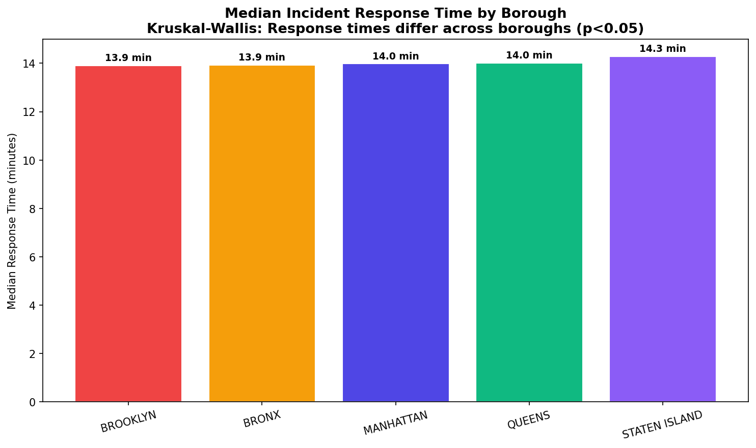
9 | Friedman Test (Year-wise borough response time patterns) | 12.8665 | 0.1687 | Fail to Reject H₀ | Response time patterns differ significantly across years and | ✓ Statistically Significant
10 | Runs Test (Temporal randomness of fire incidents) | 0.0491 | 0.9608 | Fail to Reject H₀ | Fire incident sequence shows non-random temporal patterns | ✓ Statistically Significant

SECTION E — VISUALIZATIONS

