Sheet1
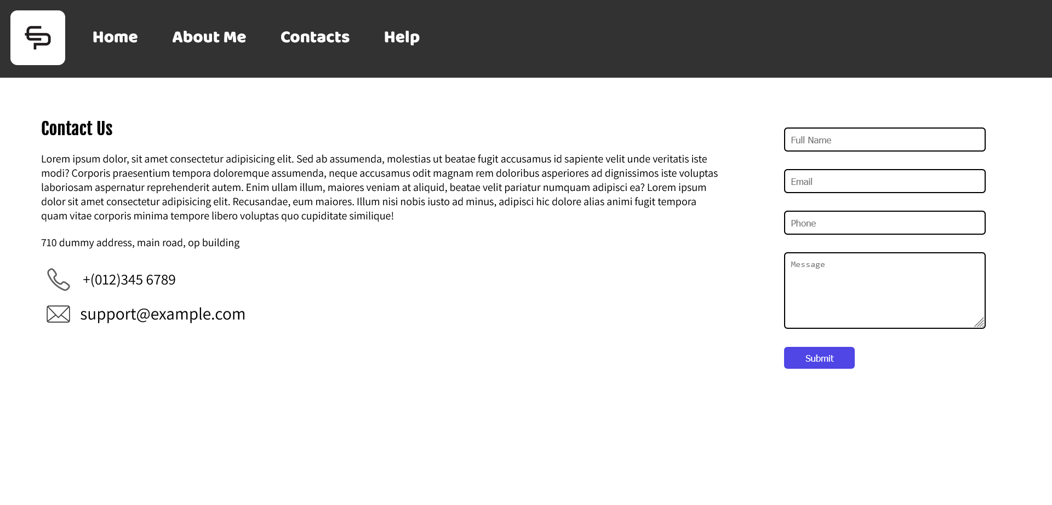
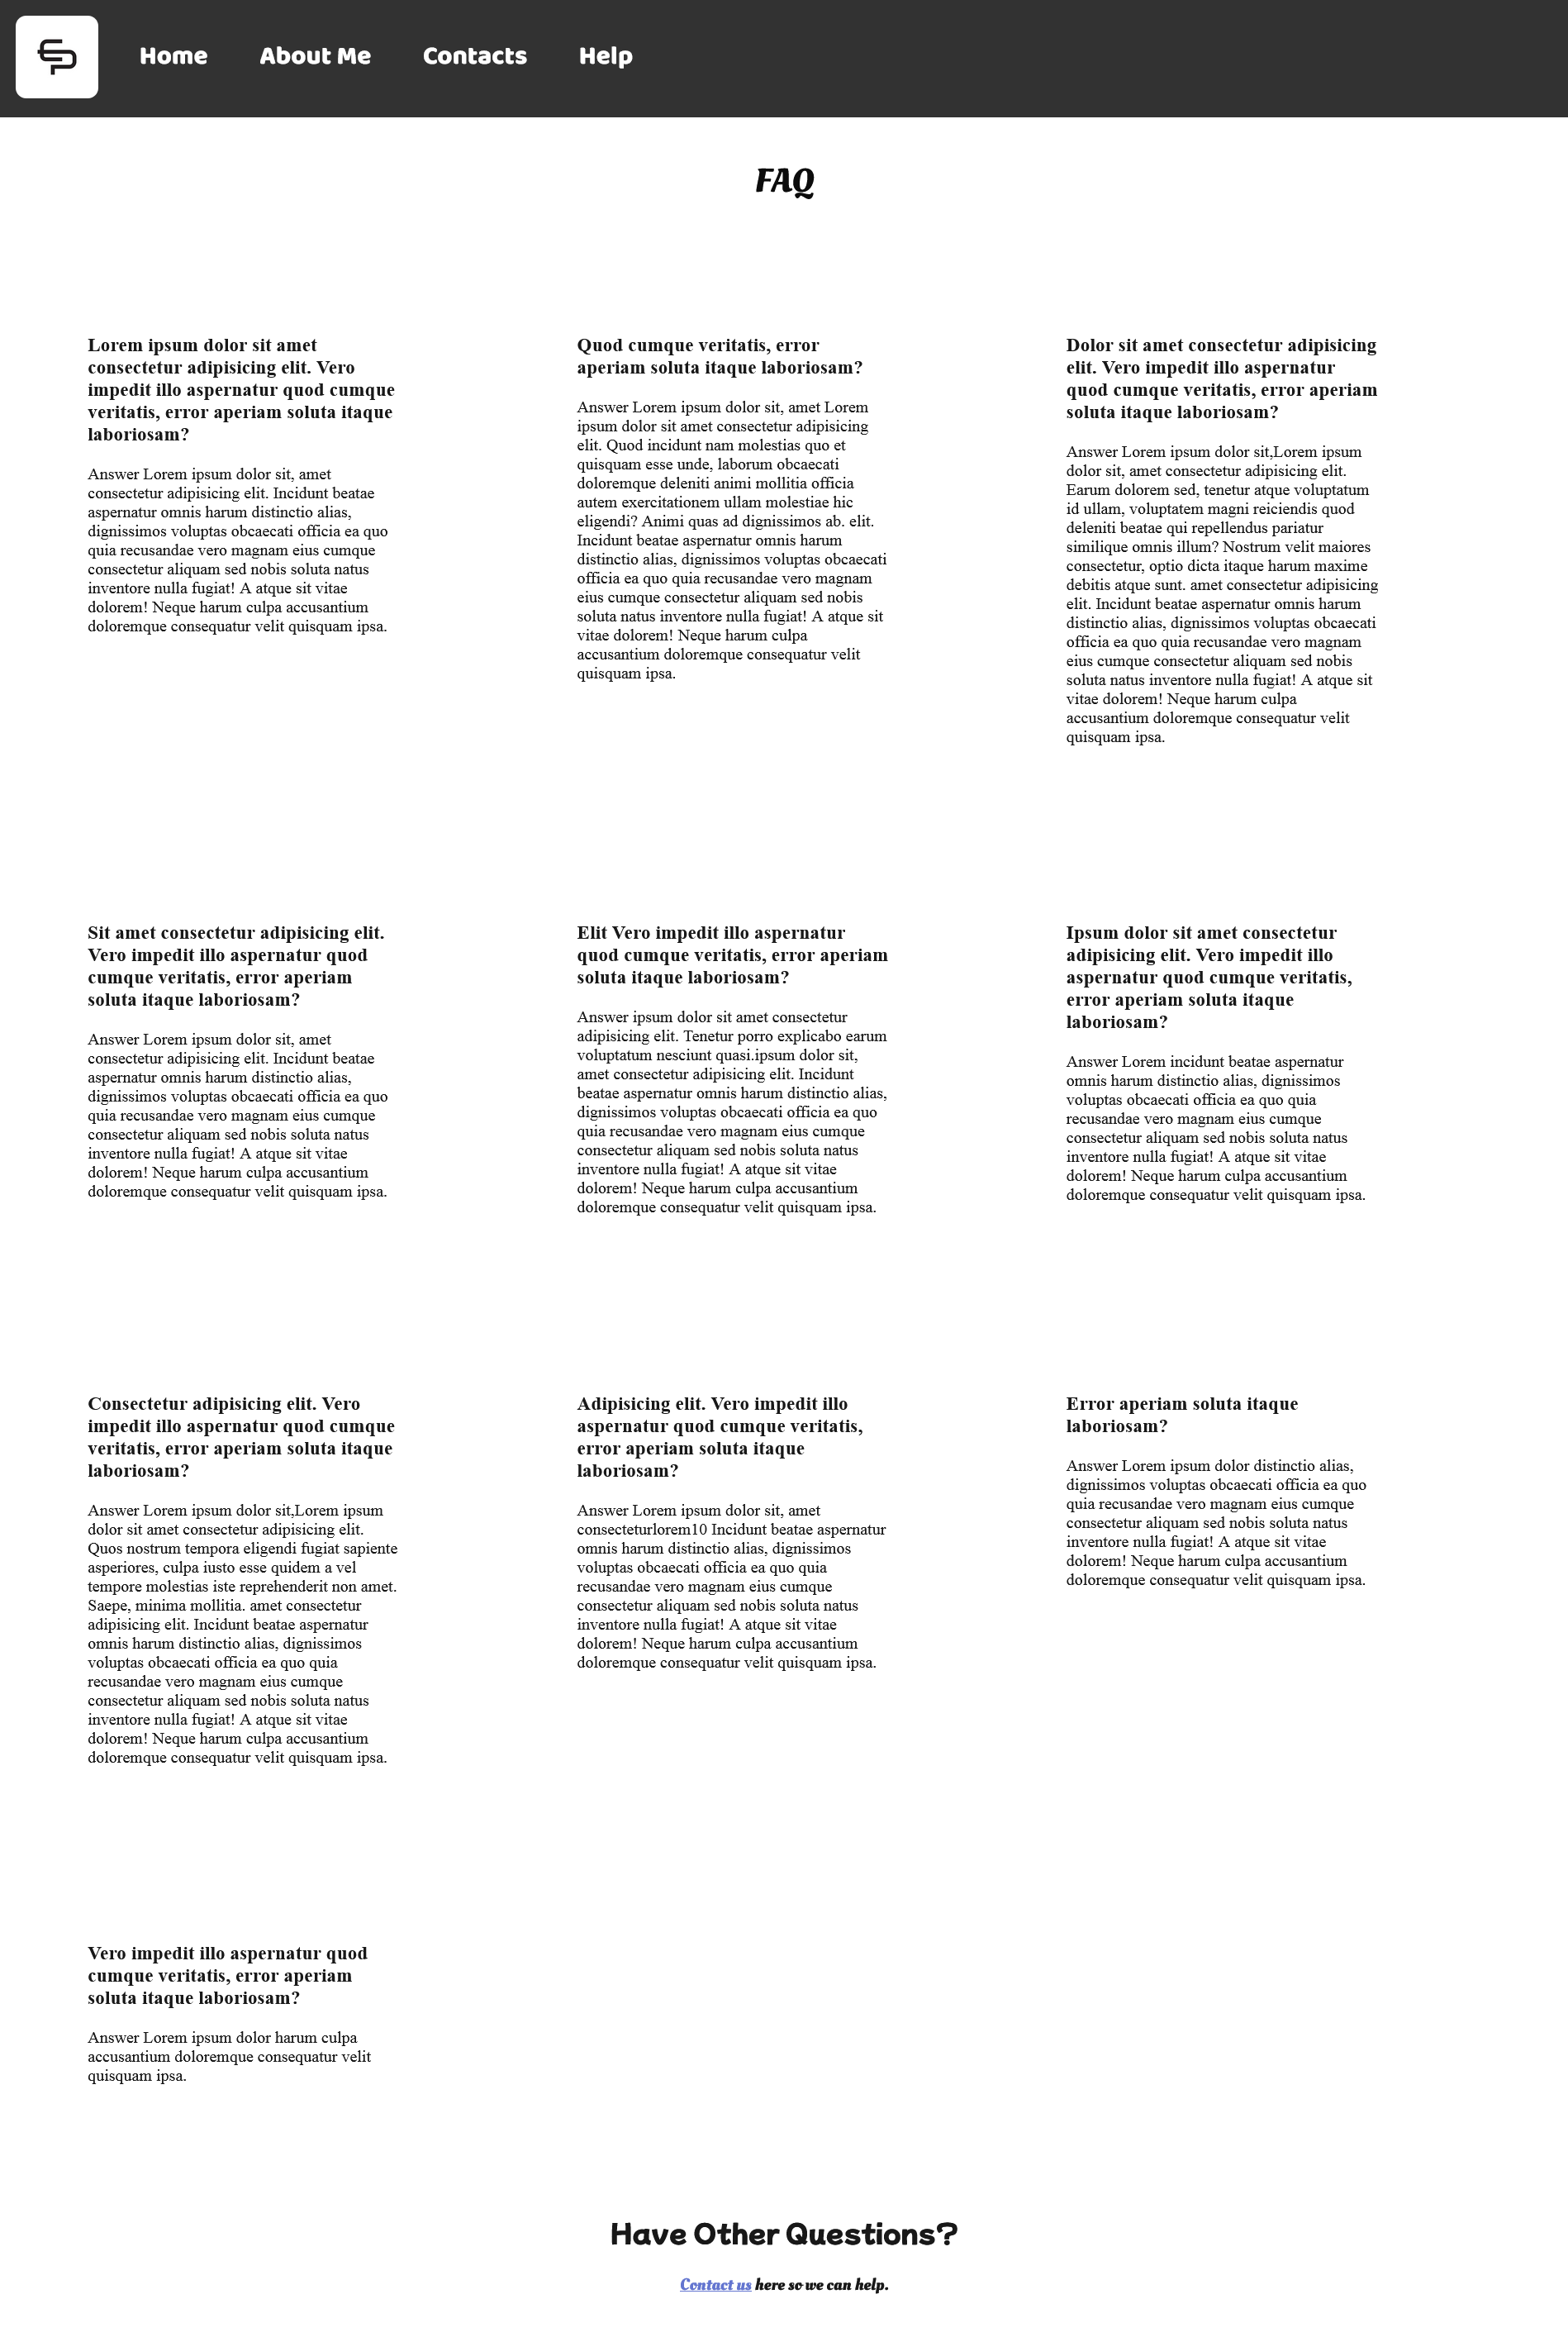
Roles and Responsiblities

21ce019 Darshan Chavda -- made ppt and logo
21ce013 Abhi Bhimani -- Made Excel sheet and SRS

 | 21CE021 Dharmik Chodangar (Leader of the group) |  | HOME PAGE


 | 21CE007 Daksh Bangoria | CONTACT AND HELP PAGE

