Sheet1
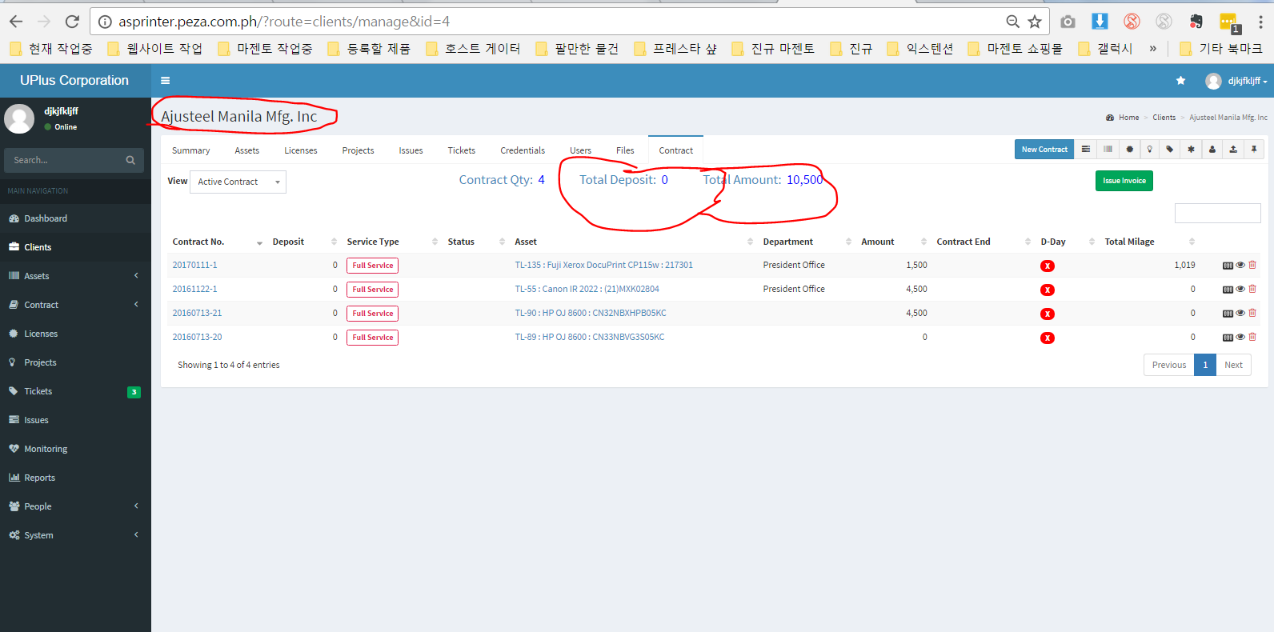
When I open client page

Client list --> ajusteel ---> there is information about the Total Amount and Total Deposit --->
Task : Do not show to Technician

Sheet2
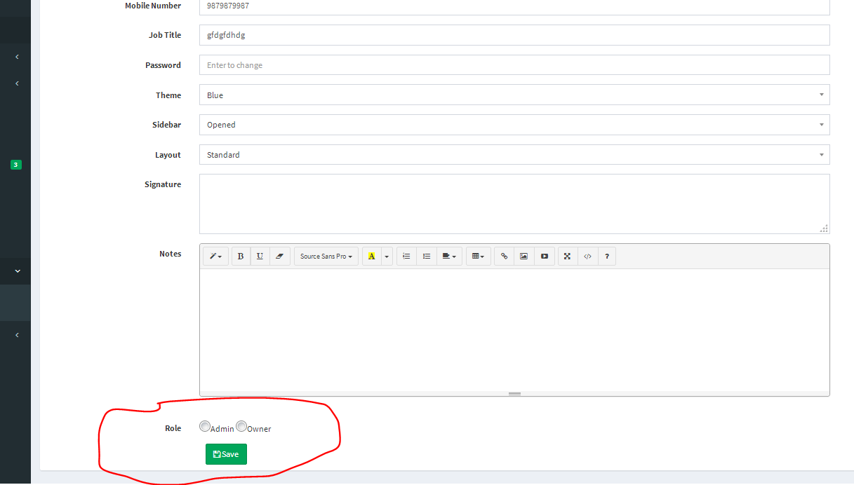
Task 1
 | There is 2 roll --> Change to 3 Roll
 | 1. Technician --> can not see the Amount | Technician can not see the amount at client Page ( Done ) but Client Detailed page is not done -- Click here to view client detailed page
 | 2. Admin - same as before |  | Click
 | 3. Owner - Same as before

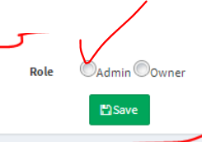
Task 2 | When I edit the user page --- > currently it does not show the current value that is why nothing shows

 | At list it should show the current value to check what is the user value

