Sheet2
 | task1 | make this circle and make this get proper value |  | task2 | delete issue invoice button -- because we should not issue invoice here |  |  |  |  | task3 | hide this button group so that we can save whole row
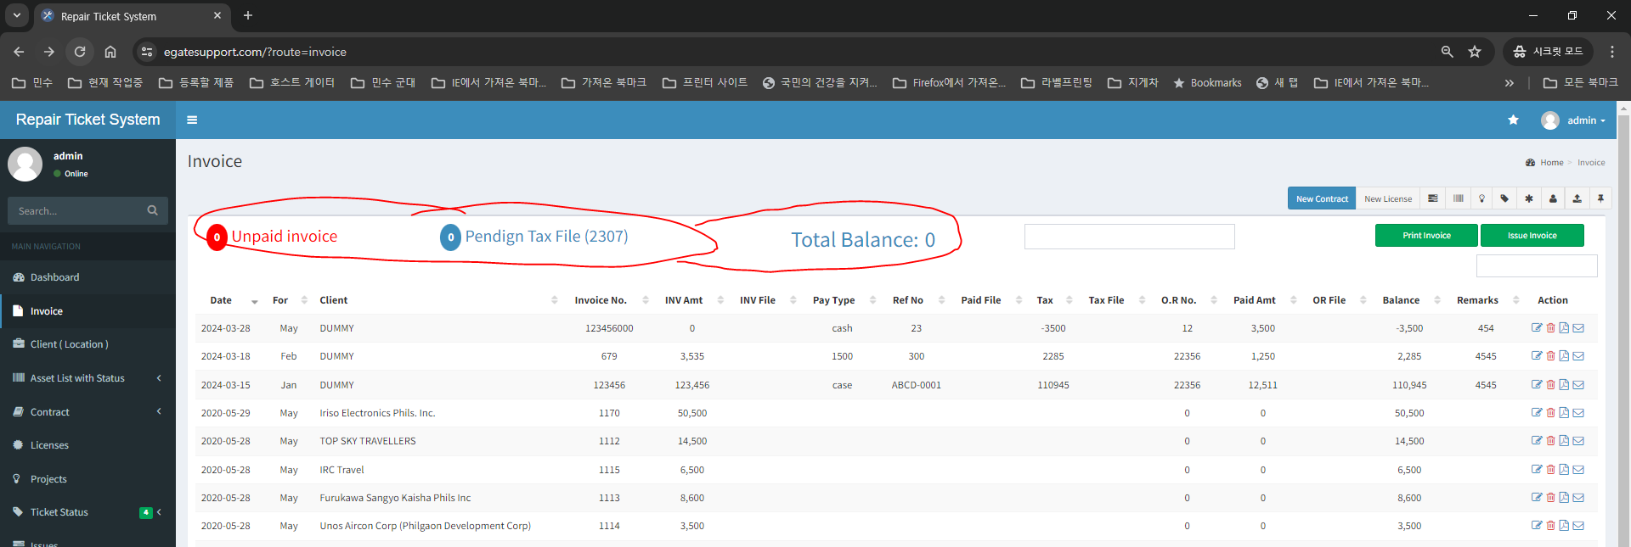

 | task4 | filtered date -- print invoice | we can not print all invoice because it will be very big data
 |  |  | my pupose of this filter -- I want to print invoice for filtered month only …like for march --- we can print all client invoice for the march
 |  |  | so you can put condition select month filter first before print invoice

task5 ( Error ) |  | this filter should be per month not by date -- because user sometimes create invoice for Jan at 2024-03-28 ( late invoicing ) |  |  |  |  |  | if filter is difficult to make code we can do this way

 |  |  |  |  |  |  |  | we can put edit date function at edit form --> so user can change date |  |  |  | like this

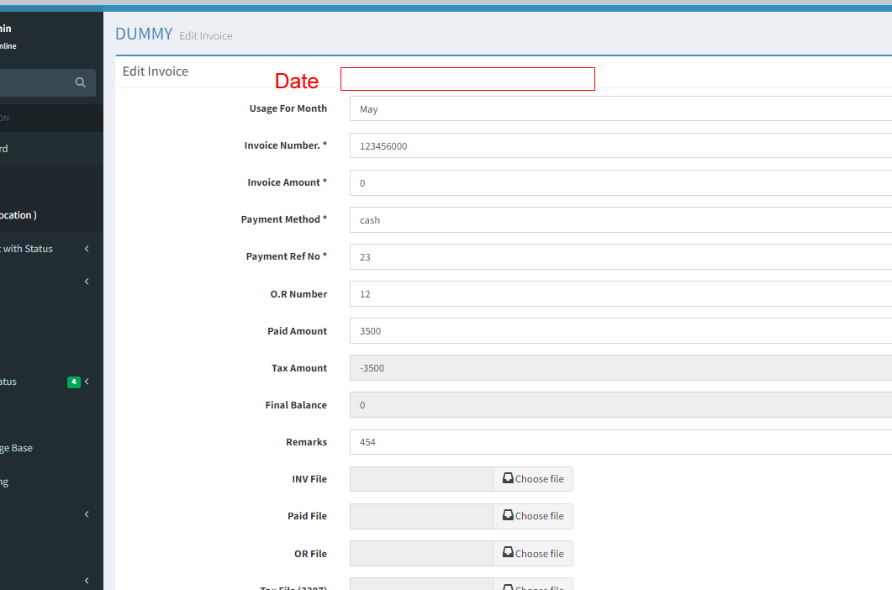
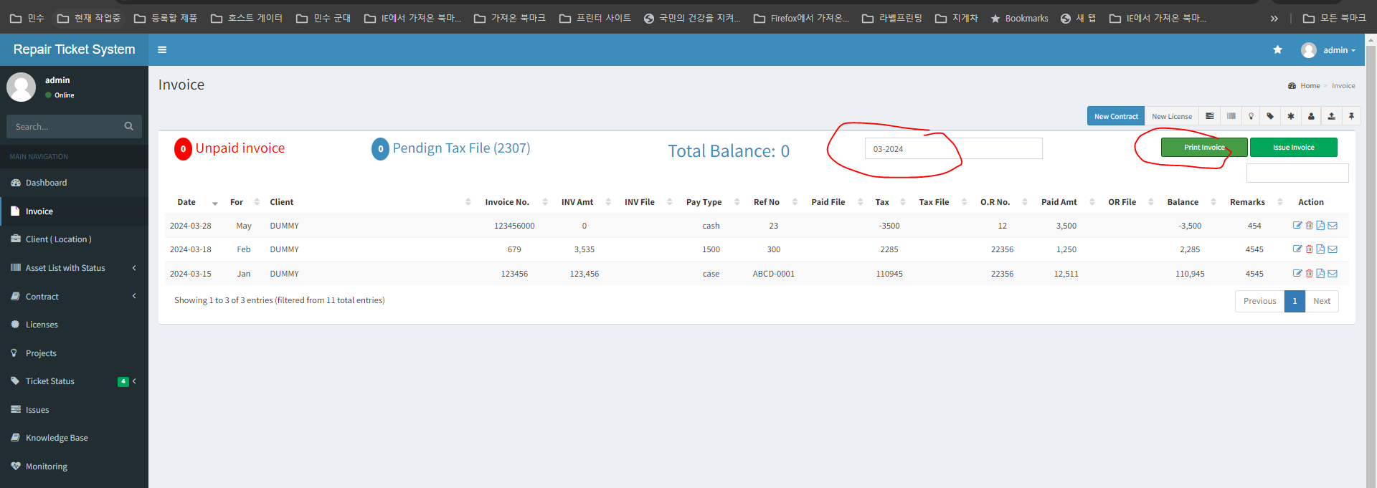

 | task6 | we can put date range filter |  |  |  | task7 | filtered data quantity |  | task 8 -- this filter is not necessary -- it can stay here
 |  |  |  |  |  |  |  |  | but if this code conflict with other code -- remove

Sheet1- done
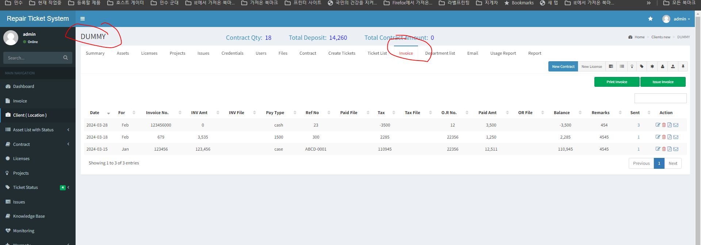
step1 | before we have this data here

step2 | currently you deleted this here | Task1 | restore this data here

