Sheet1
step1 | under client--->invoice-->click edit button
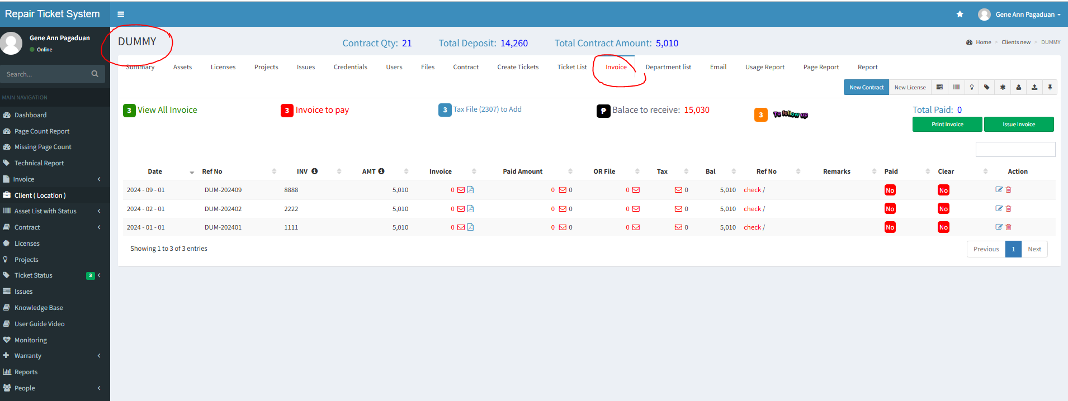

 |  |  |  | step3 | we have new way of input payment system here
step2 | there is payment related data field here -- before we use this edit button to input payment informatiion ( before )
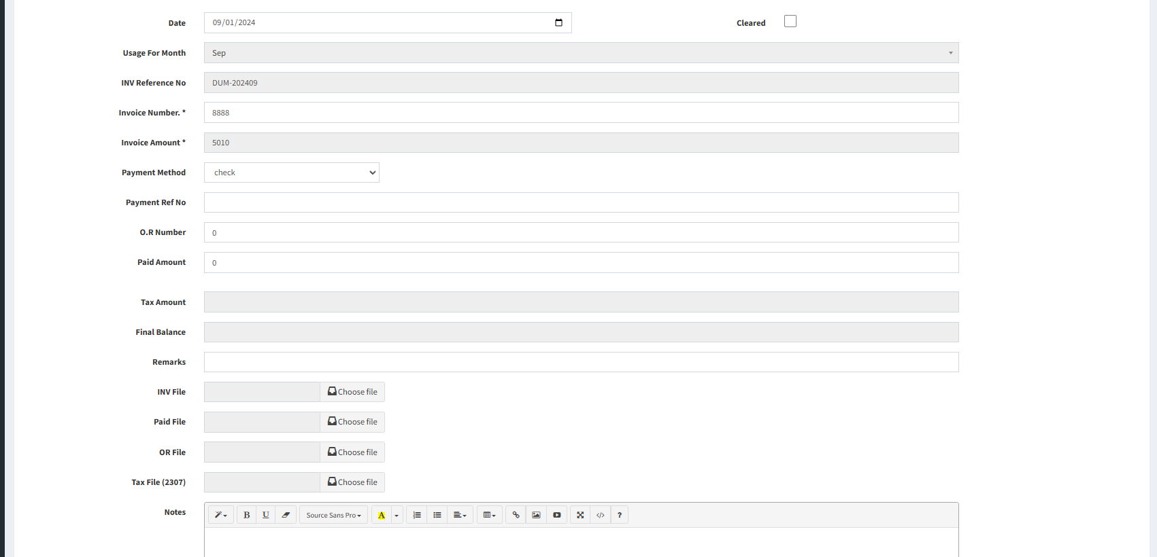

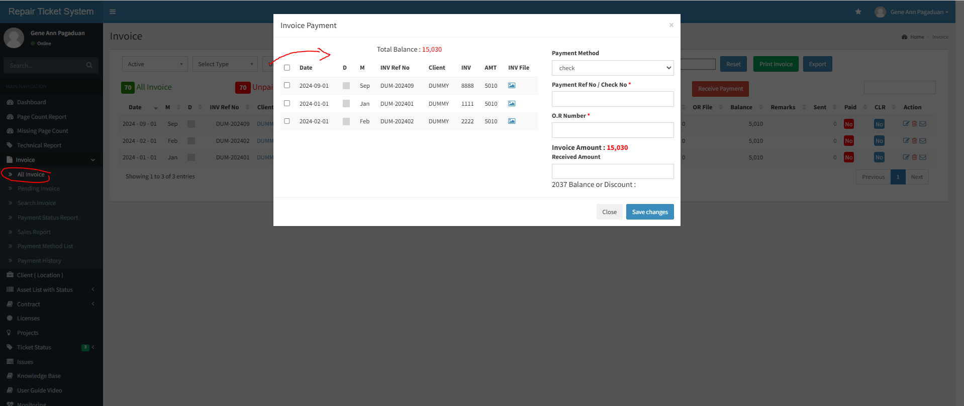

 |  | task1 | check if this data field and this data field is over wrapting or sharing

 |  |  | if this data fields are different ----we do not use this anymore
 |  |  | so we will make this as read only ---> no need to remove or hide because in future we canuse this
 |  |  | for other data

