Sheet1
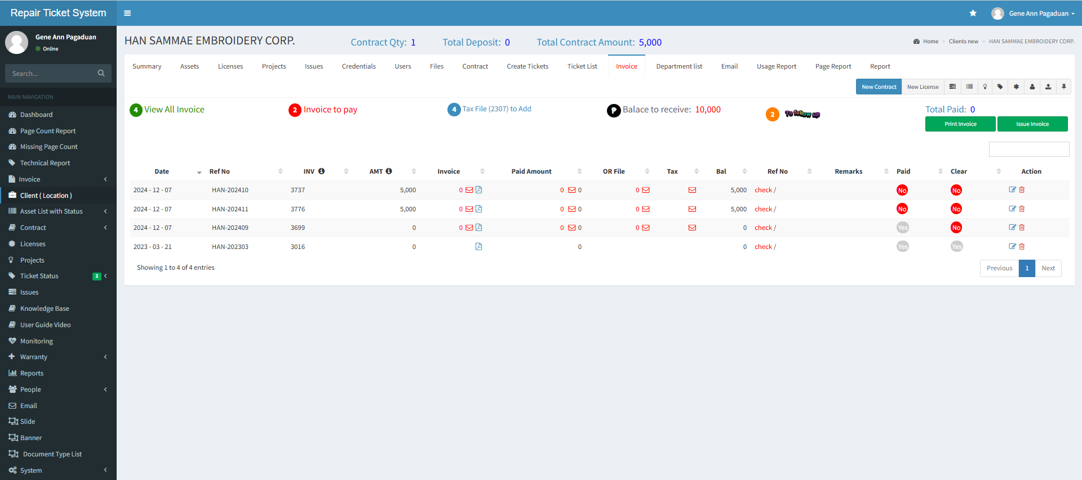
step1 | under client ---> invoice---> clik edit button | try to edit this data

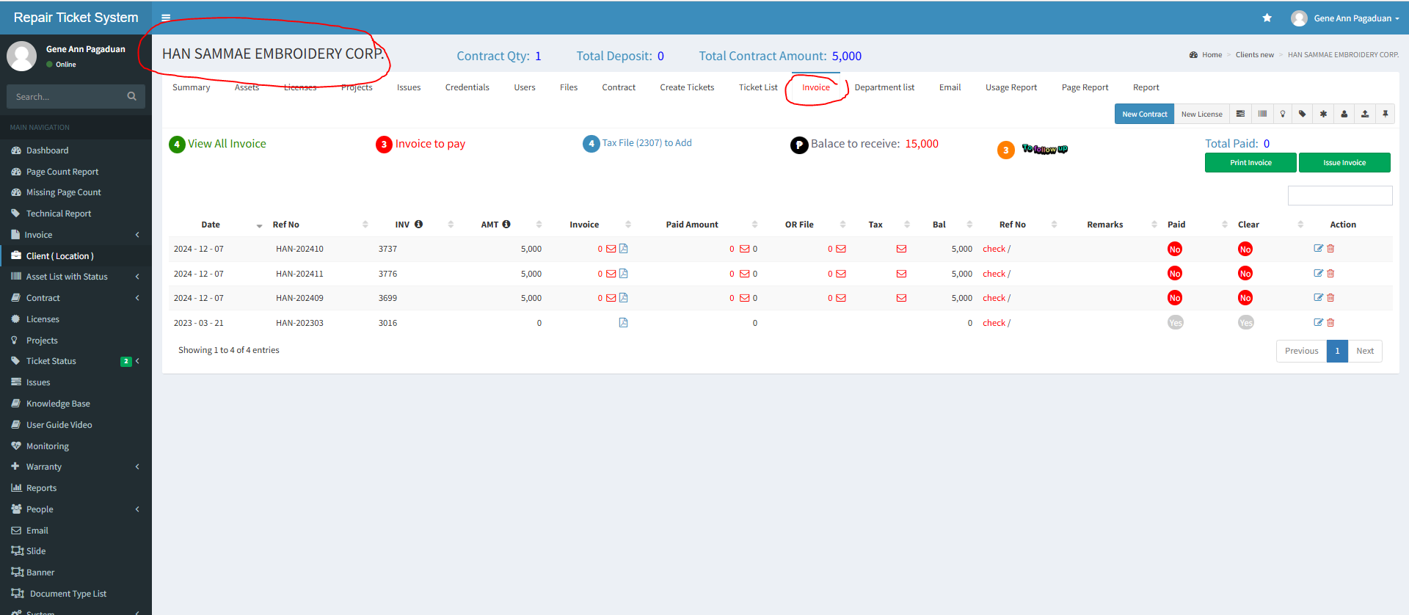

step 2 | click edit button to adjust amount

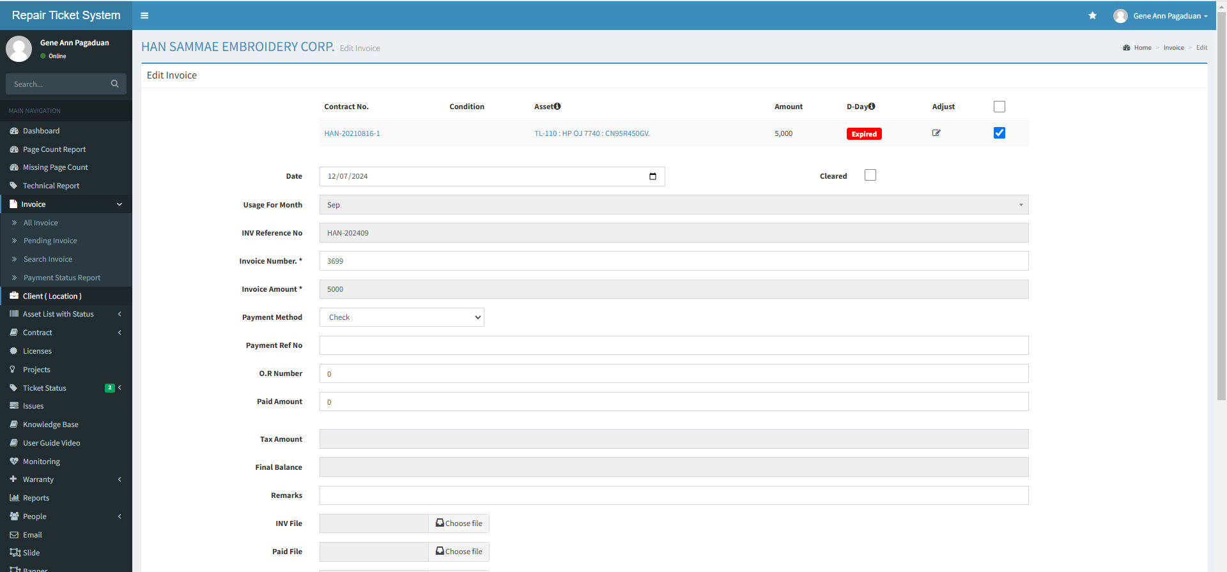

step 3 | enter correct data then click update

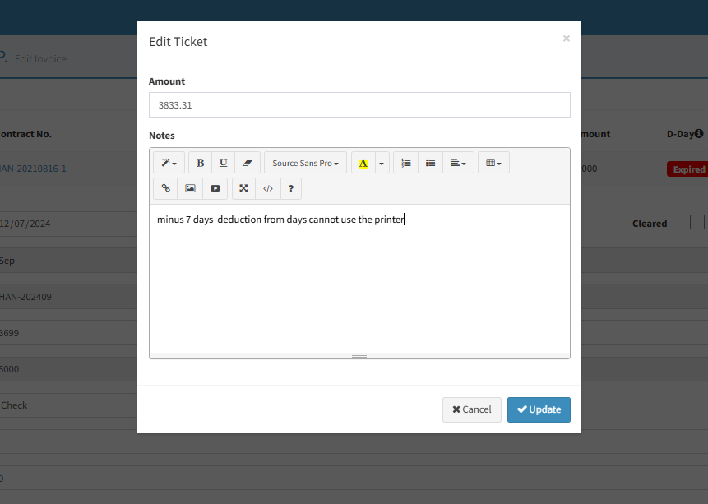

step 4 | click edit button to save changes

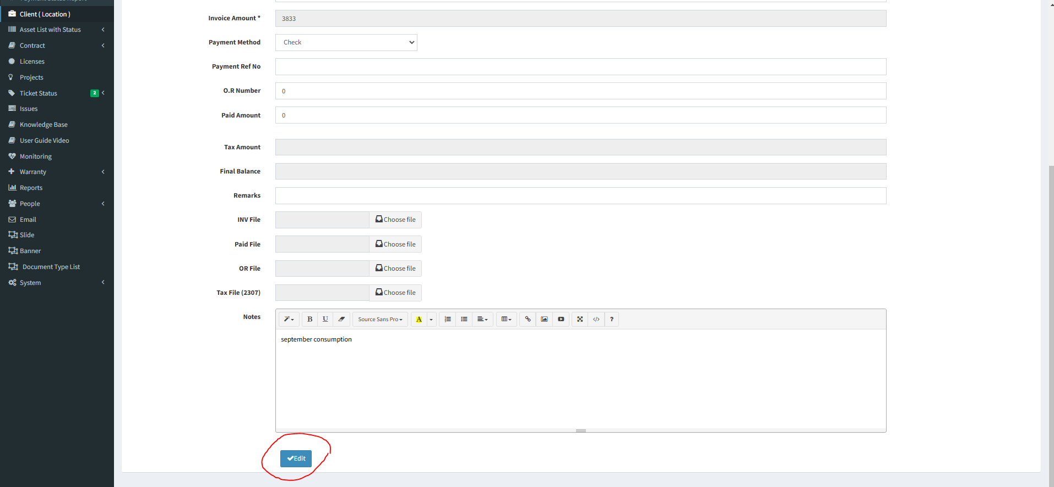

task 1 | after saving amount reflect now is zero.. It should refect the updated amount saved here

Sheet2
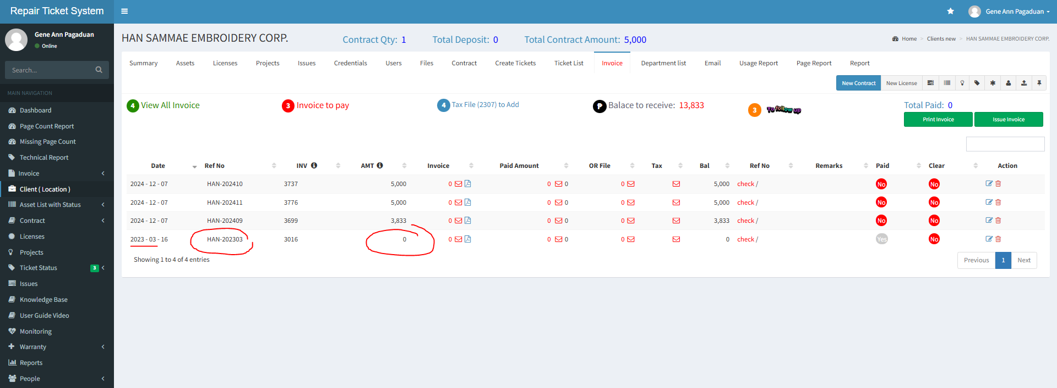
step 1 | under client--->invoice----> click edit button
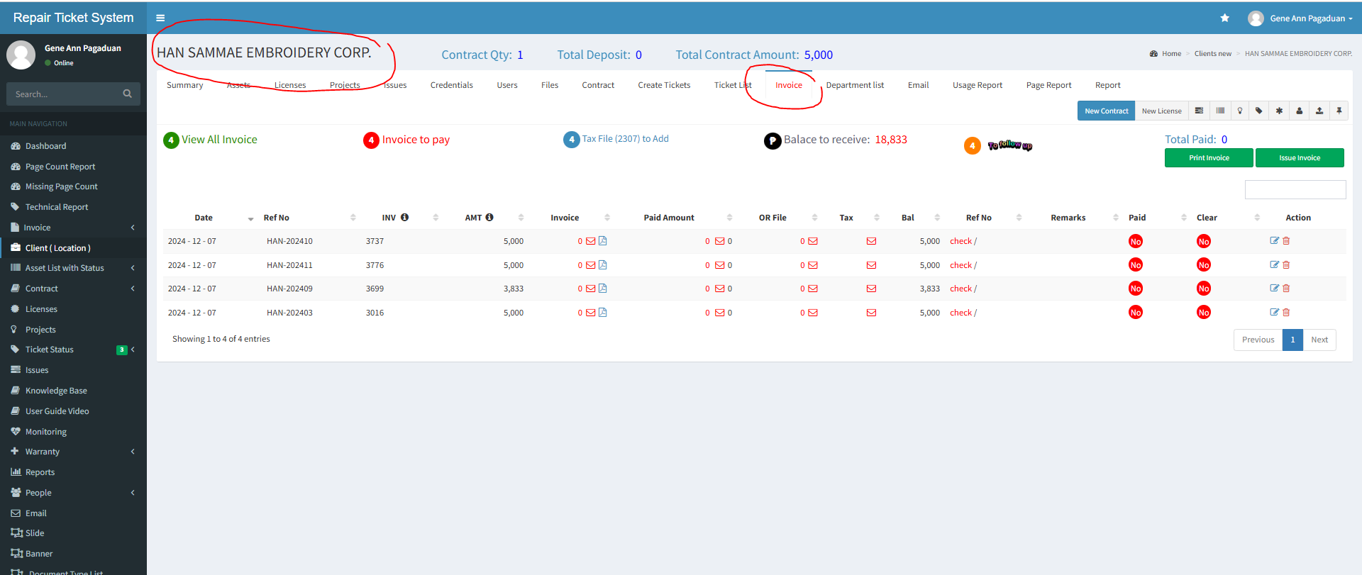

step 2 | edit invoice date since we cannot input invoices for previous year… | invoice amount still same

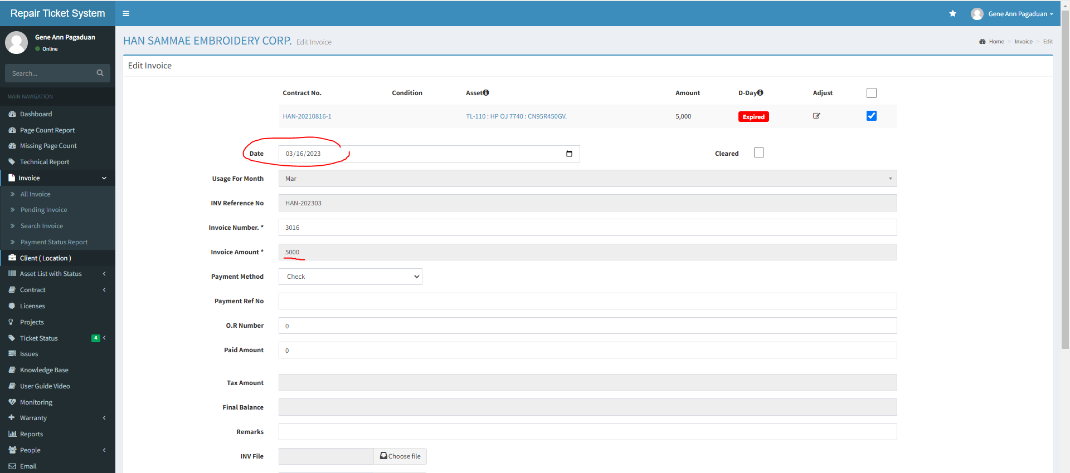

step3 | click edit button to save changes
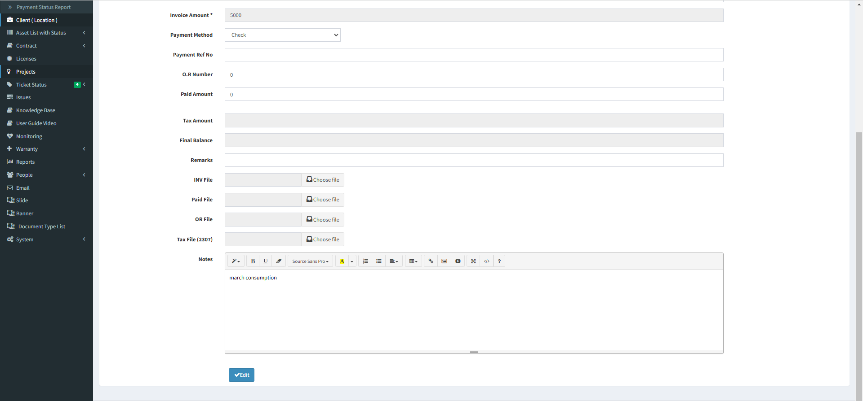

 | after saving the date and invoice reference no. is correct.. | task 1 | after saving amount reflect now is zero.. It should refect the updated amount saved here

