Sheet1
STEP 1- Fill- up and Up-loading of attachements ( 7 pages)
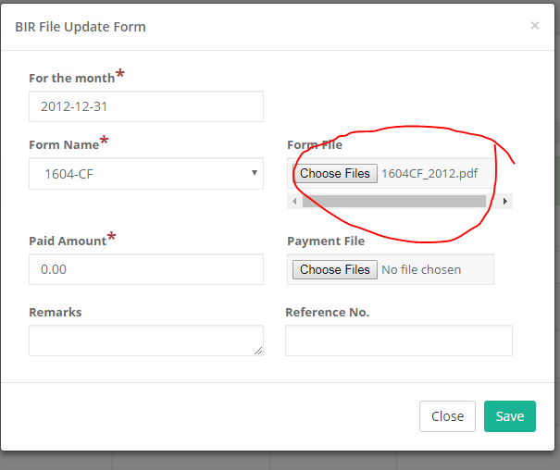

Step 2- Uploading on process
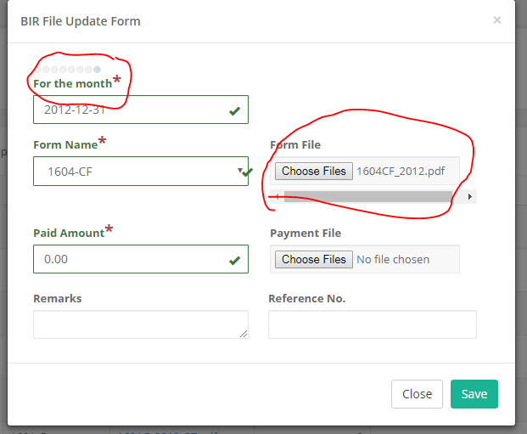

Step 3- Uploaded Sucessfully
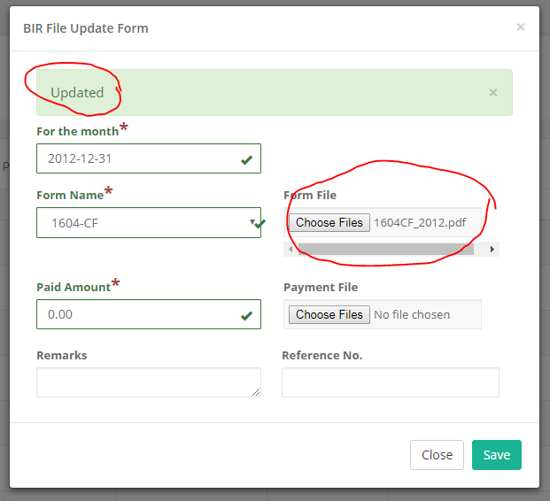

Step4- After uploading and checking to the summary list there is no attachements?

