Sheet2
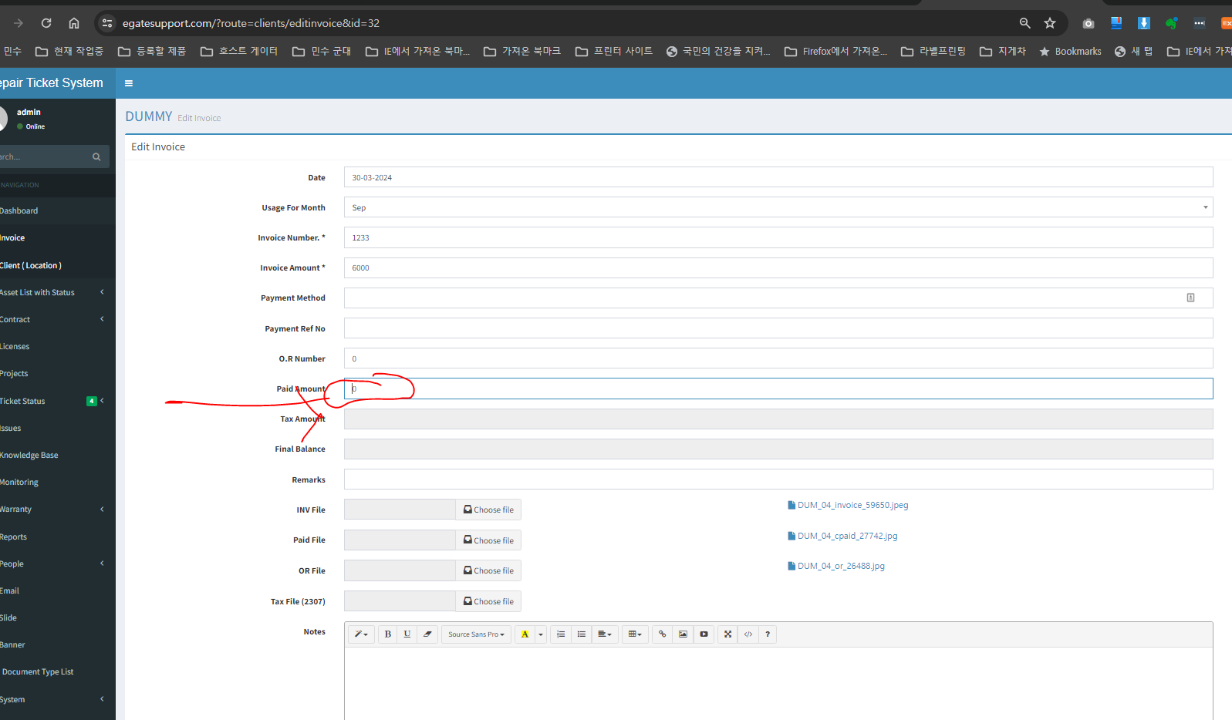
When Edit invoice -- Paid Amount should not be bigger than invoice amount -- for example -- invoice amount is 6000 | if user input 6001 -- it will show error message " Error! Received amount should not be bigger than invoice amount "

Sheet7
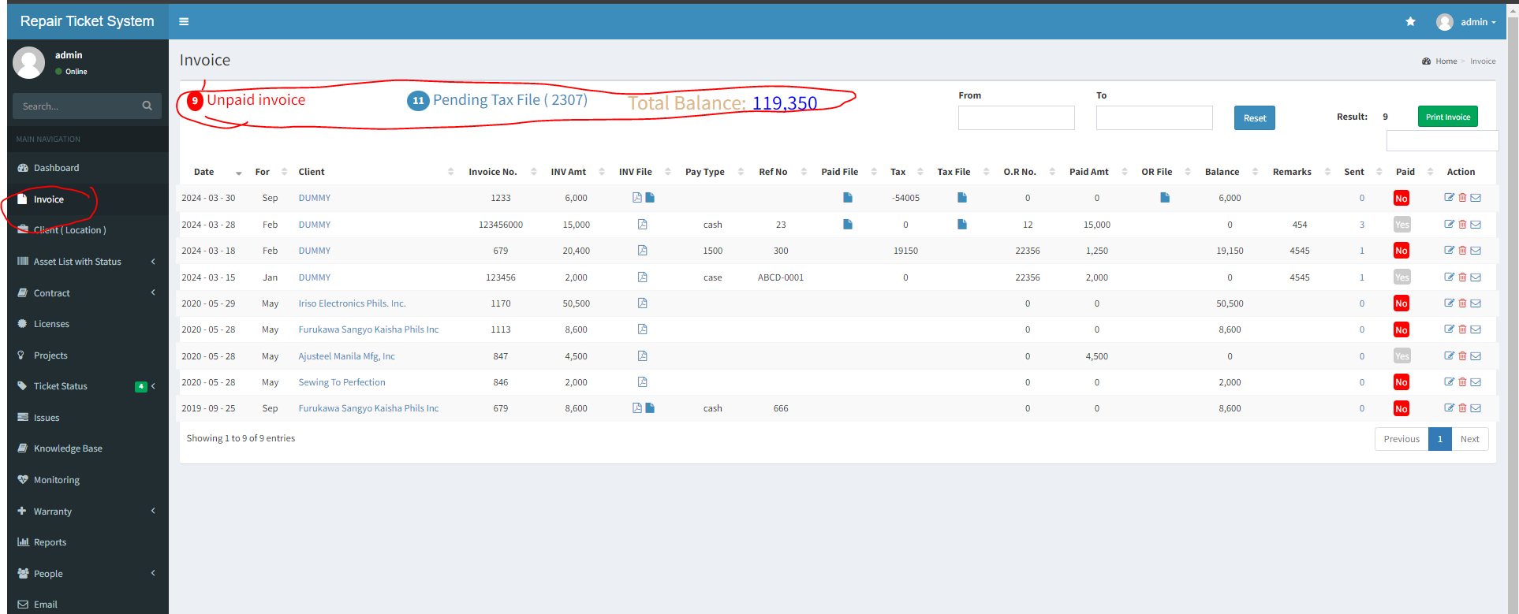
step1 |  | this list value under invoice tab is belongs to this company wise only

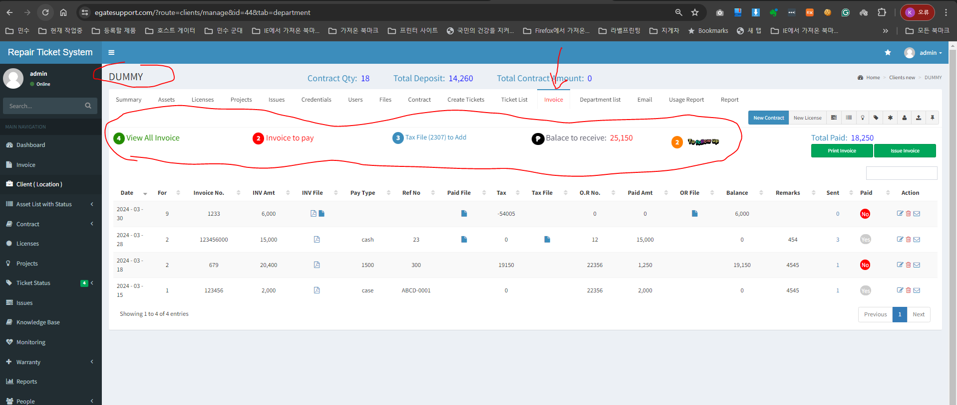

step2 | in admin -- I want to see all invoice together under this menu |  | task1 | add same function of filter like this to here |  | noneed to include this here
 |  |  |  | upon click this default filter is applied already ..it is good -- you can just add View All Invoice
 |  |  |  | if code is complicated to display as default filter ..just display all list then user will filter by click this
 |  |  | task2 | make this from and To -- one line | task3 make this font size larger

Sheet10
step1 | there is knowledge base function here | I just made this function but but I did not check it well . If it works well or not

Task1 | Error --> current I can not add New article --> pls check how the code works ---> after you check code .. I will discuss more what to do
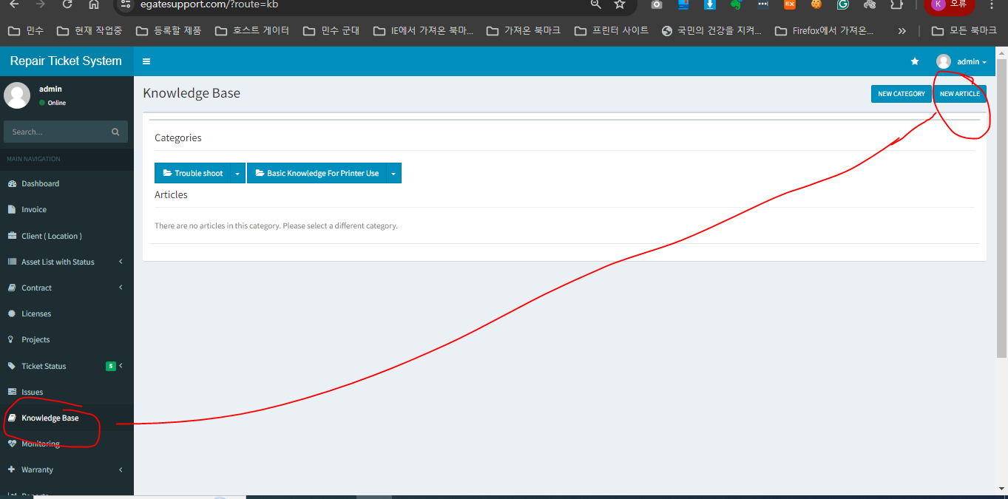

task2 | When open first time ---->>> Error -- the form does not open by one click -- it opens when double click ----> make it open 1 click

task3 | when user did not select category -- the article is not show ---> need to check if article is save to DB or not --->> We need to make category selection as required

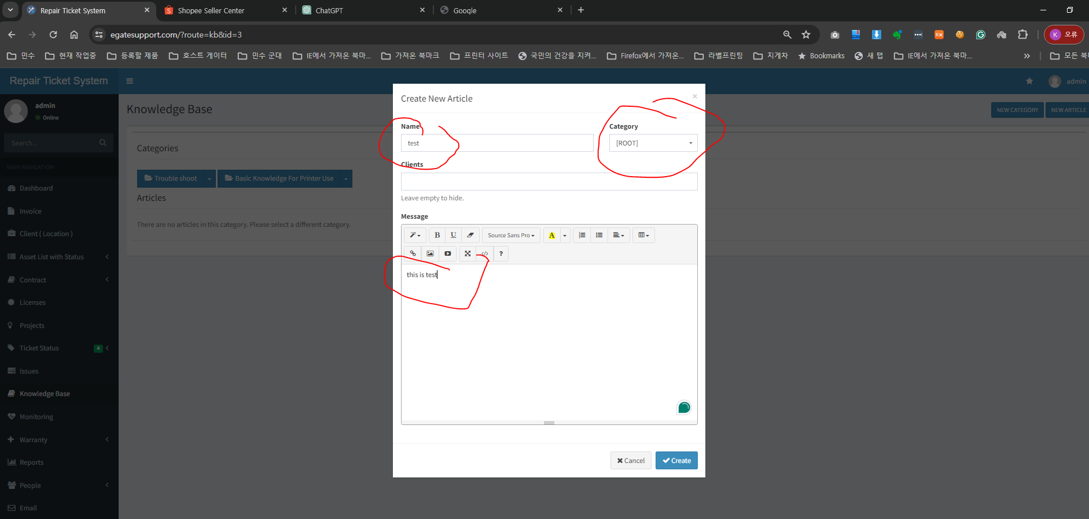

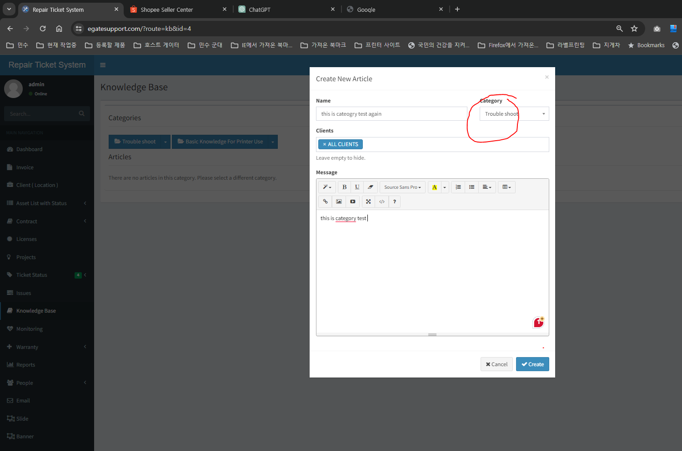

step1
 | I choose category

step2 | after choose category article does not show |  | Error -- It only shows when user click this category ( maybe this category works like filter )
 |  |  |  | task2 | after saving article -- make it display article as default


 |  |  |  | task3 |  | I edit this article then save it but it is disapeared --- Maybe the category value is deleted while I am edit

