Sheet1
step1 | user received payment | 9000 |  | and withholding tax is 1020 here
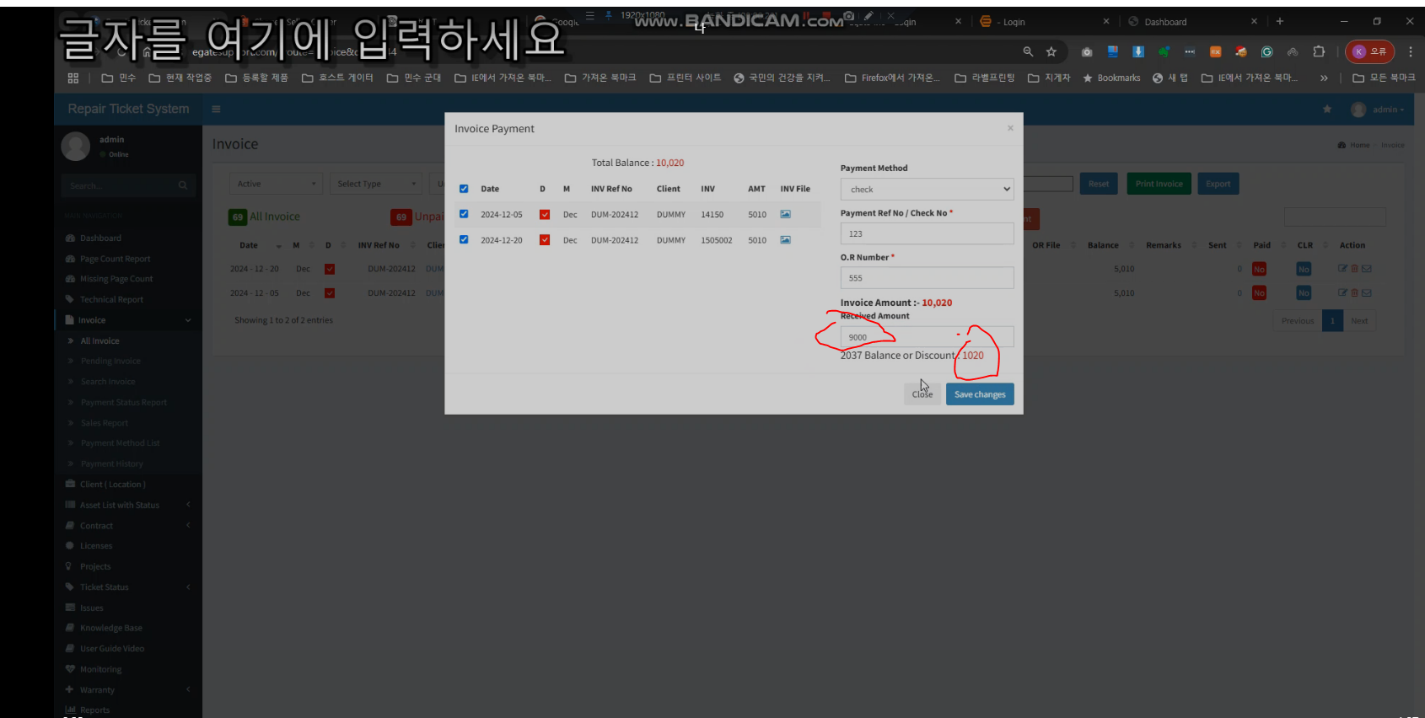

step2 | this amount record splited -- this is wrong

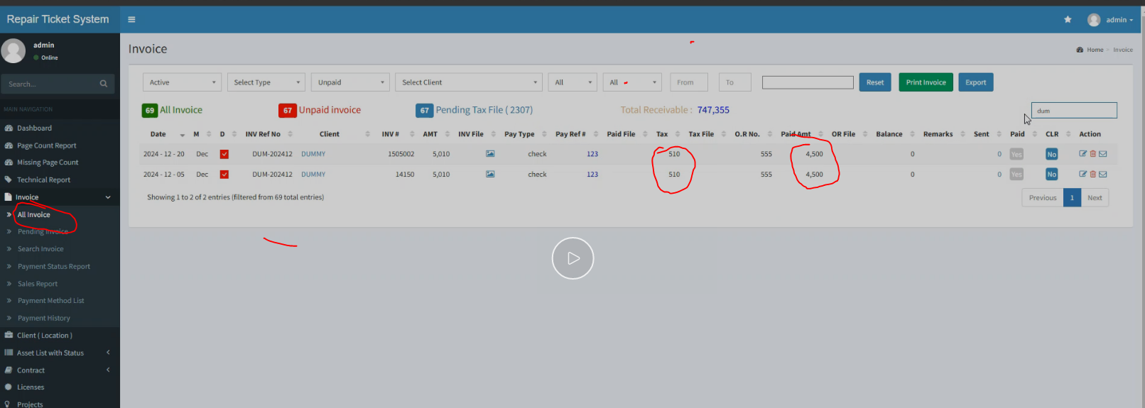

task1 | we will recordd like this |  | task2 | add one more collum -- indicate G --- means it is multiple payment | task3 | hover explanation over mark ---> M means that this payment is included in payment which paid in multiple invoice
 |  |  |  |  |  |  | "M" indicates that this payment is part of a larger payment applied across multiple invoices

Sheet2
 | step1 | when dcouble click -- it opens pop up -- | task 1 | make one click --- open pop up

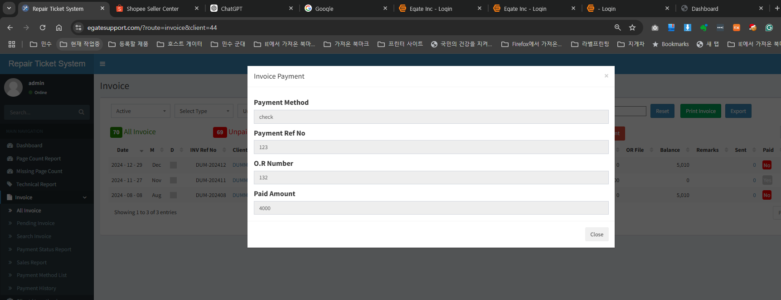

step2 | in this pop up -- payment Ref No is ok here -- but we do not know this reference no and payment is for what invoice number

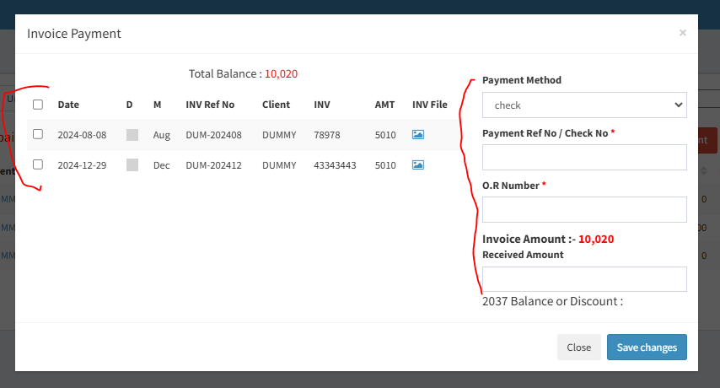
step3 | when we create payment here -- we use this information like this |  |  |  | task2 | once user click refereence no --- instead of this pop up
 |  |  |  |  |  |  | Display this window as read only

 |  |  |  |  |  |  | so user will know this reference no of payment details

Sheet3
 | step1 | this is multiple invoice payment -- when we delete this multiple invoice payment -- we need to delete multiple way

task1 | Put M | same as a while ago
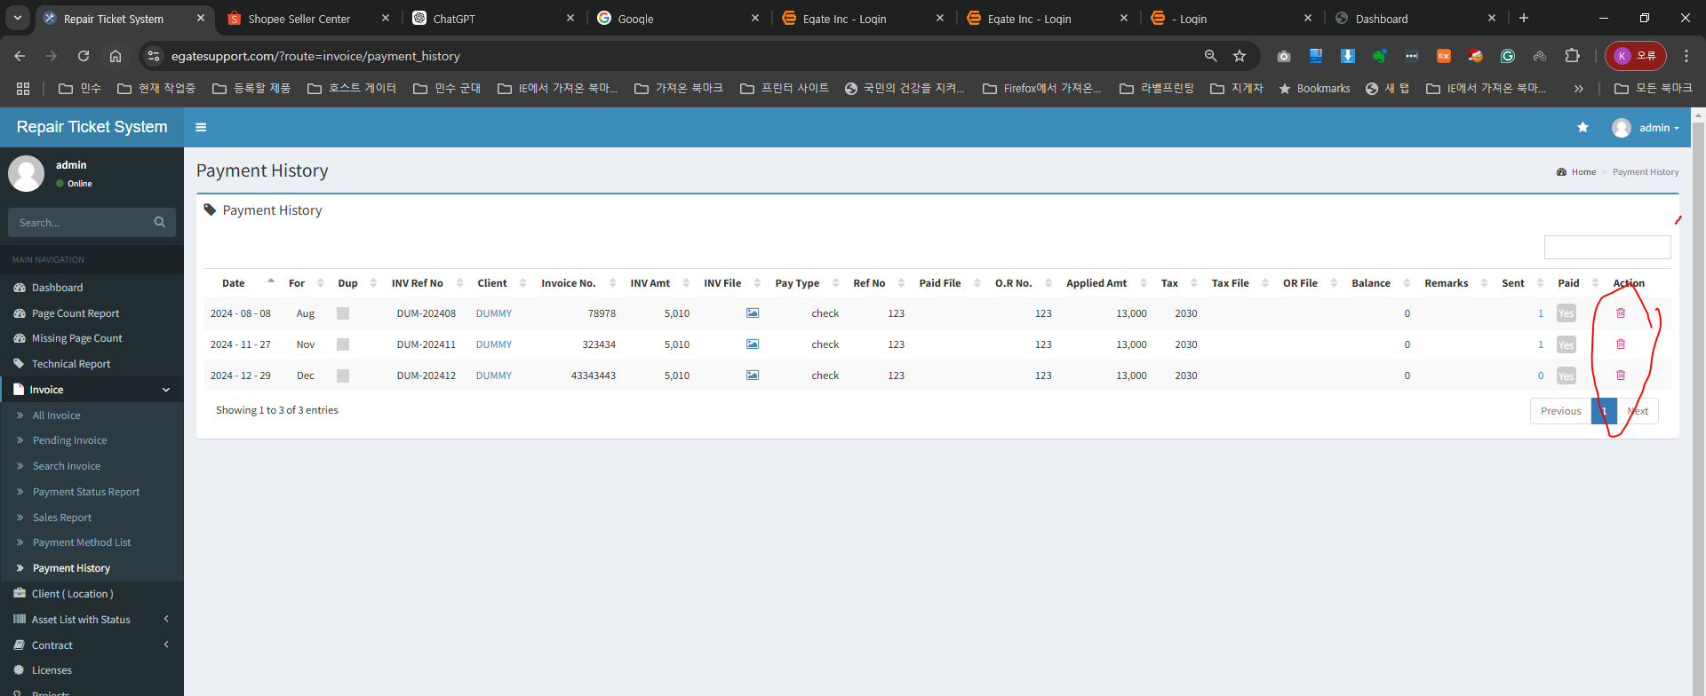

 | my idea | step1 | Receive payment ---> select multiplr invoice for the payment ----> When saving payment record --> there will be hidden action ( create payment transaction key , no or any text ) -- this key does not need to display
 |  |  |  |  |  | it will only stored in DB

 |  |  |  |  |  | One transaction of Receive payment ( single or even multiple invoice ) will create its own Transaction Key


 |  |  |  |  |  |  | if 3 invoice is for one payment transaction
 |  |  |  |  |  |  | it will have one Transaction Key for eacy invoice

 | step2 | when user will click delete butoon -- it will check transaction key -- then verify how many transaction key --- then it will delete all payment history which has same transaction key

 |  | Task1 |  | I think we can use this Reference No as transaction key | if user will click delete button -- Check this row Ref No -- then delete same Ref no row

Sheet4
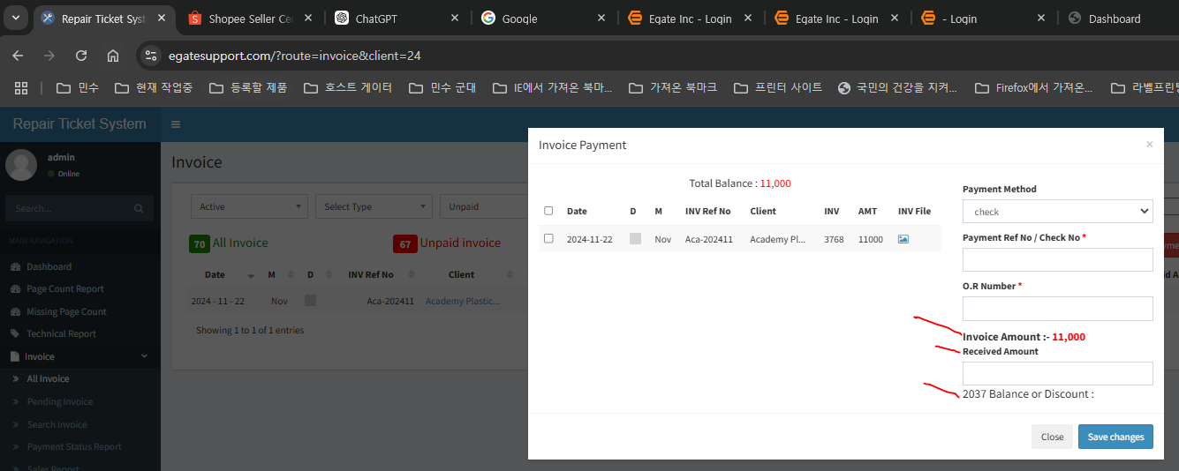
step 1 | click to open pop up | task2 | if pop up open fast -- that will be better-- no need open effect to look good

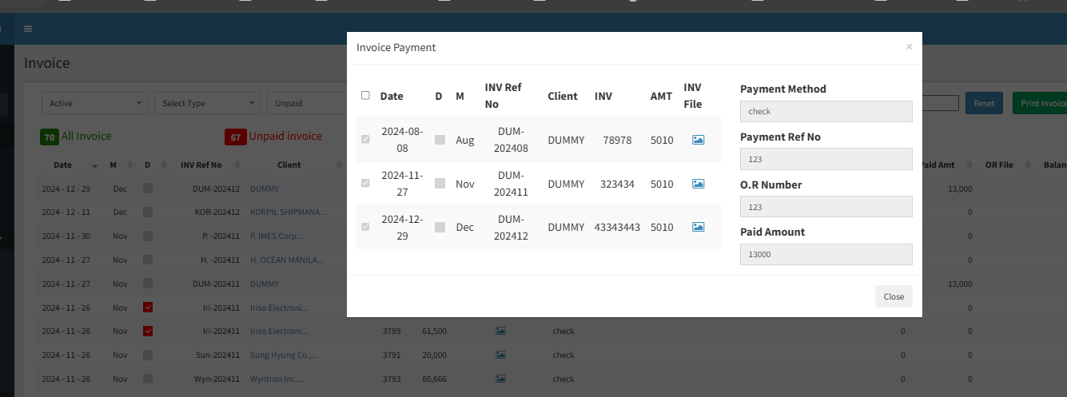

task2 | make to display in one row … ( make small font or make widow width wider ) |  |  | task3 | layout make like this
 | apply this design here -- and read only

Sheet5
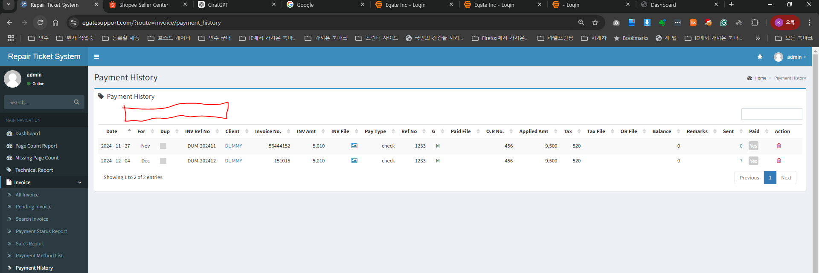
task1 | add company filter here

Sheet6
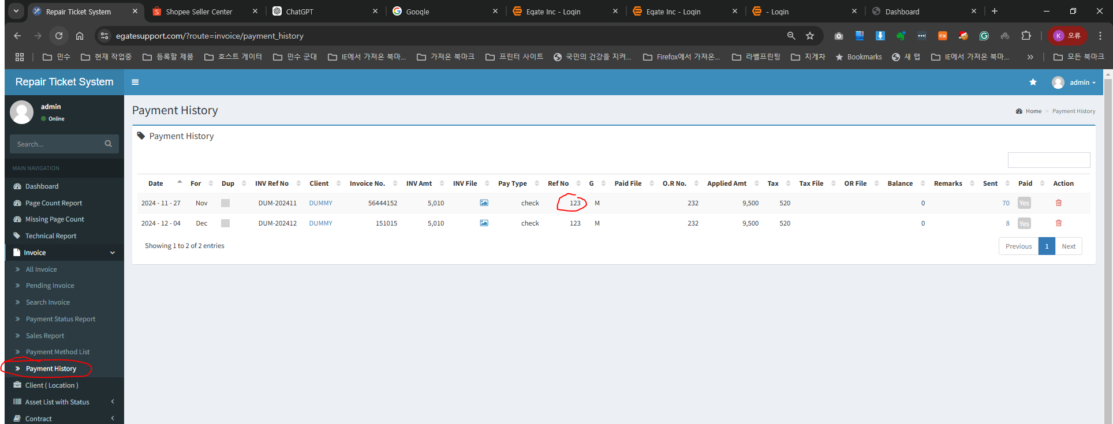
step1 | invoice page click this
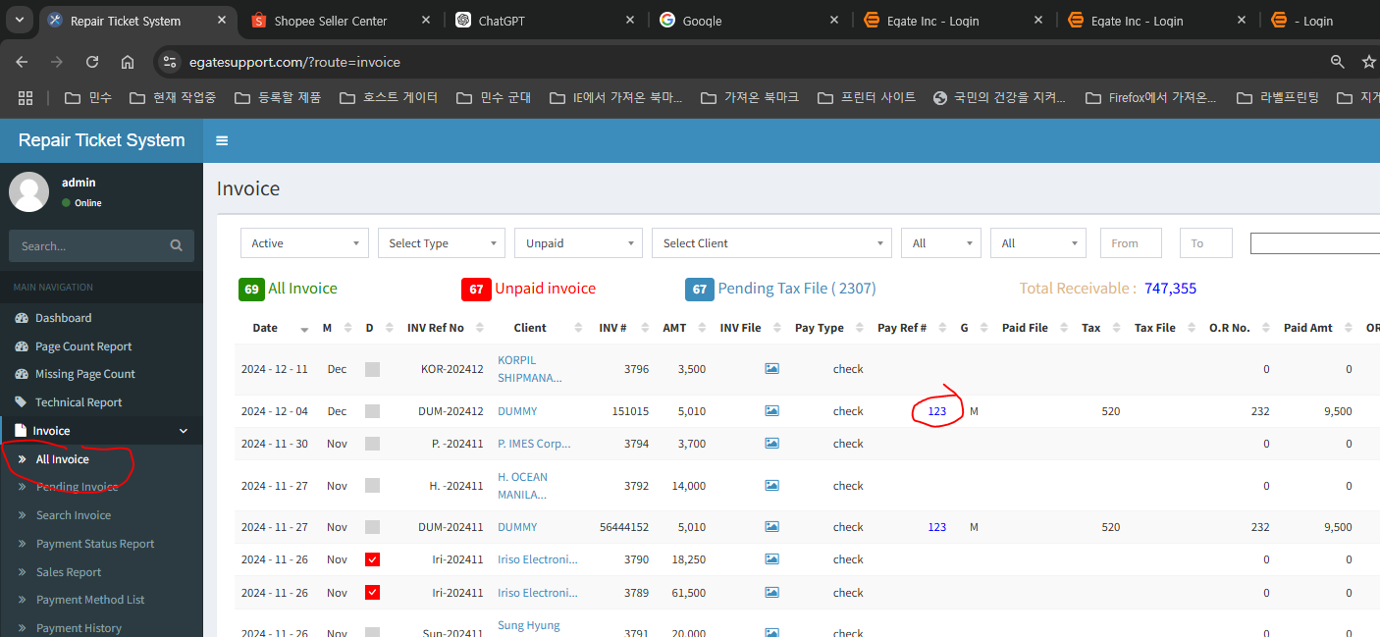

stp2 -- show this

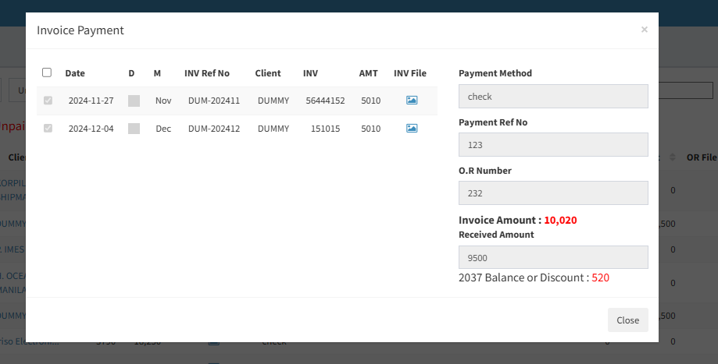

task1 | apply same way at payment History page also

Sheet7
step1 | this is group payment | task 1 -- Change Text from Ref No --- Pay Ref No.

task2 | add this collume " M " here same As admin -- So client will know this is multiple invoice payment

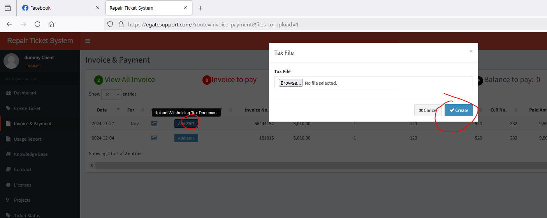
step2 | if client log in -- there is 2037 upload function here

task3 | if client will upload 2037 file here
 | if this is multiple invoice payment ( the Payement Reference No need to use )
 | so if client add file then save -- upon saving this button

 | attached file will be displayed at multiple invoice
 | we can add one file attatchment . But we can record same image url for each multiple invoice

