Sheet1
step1 | user received payment | 9000 |  | and withholding tax is 1020 here
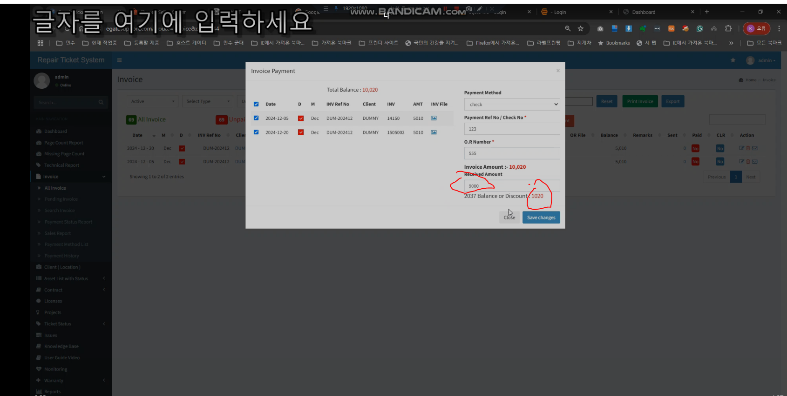

step2 | this amount record splited -- this is wrong

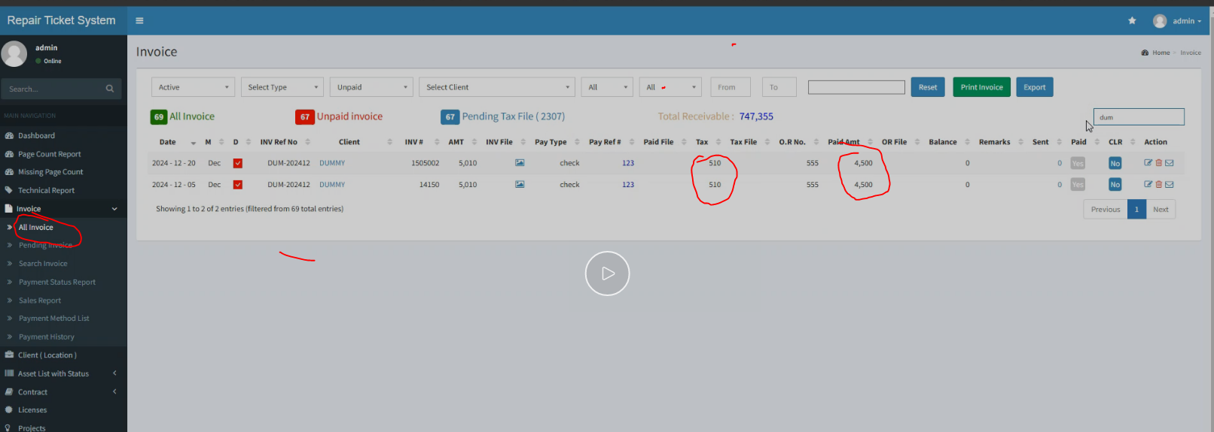

task1 | we will recordd like this |  | task2 | add one more collum -- indicate G --- means it is multiple payment | task3 | hover explanation over mark ---> M means that this payment is included in payment which paid in multiple invoice
 |  |  |  |  |  |  | "M" indicates that this payment is part of a larger payment applied across multiple invoices

Sheet2
 | step1 | when dcouble click -- it opens pop up -- | task 1 | make one click --- open pop up

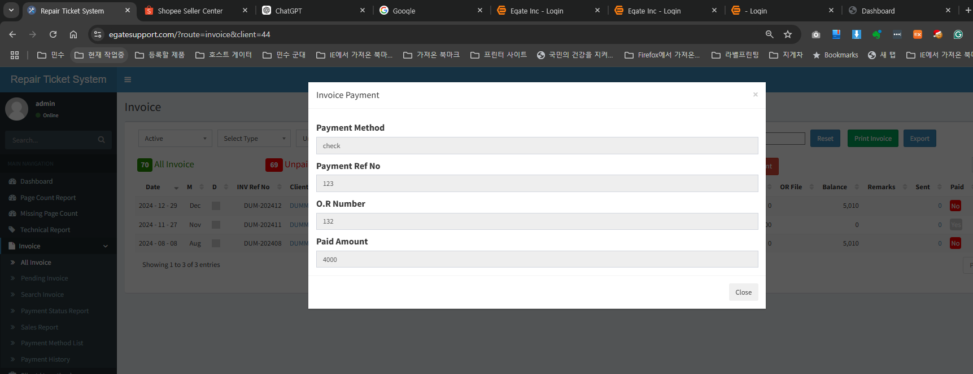

step2 | in this pop up -- payment Ref No is ok here -- but we do not know this reference no and payment is for what invoice number

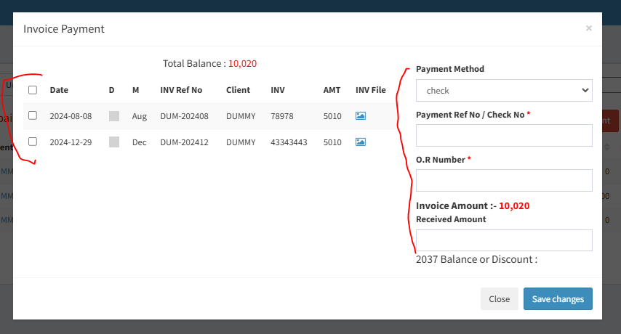
step3 | when we create payment here -- we use this information like this |  |  |  | task2 | once user click refereence no --- instead of this pop up
 |  |  |  |  |  |  | Display this window as read only

 |  |  |  |  |  |  | so user will know this reference no of payment details

