Drive
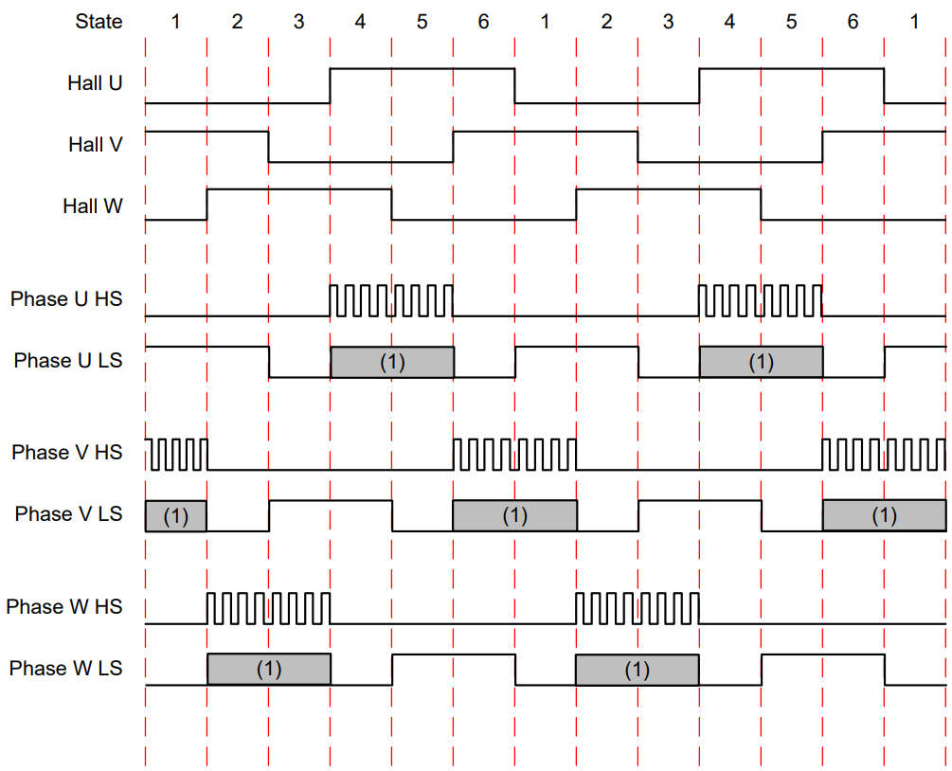
HallState | Hall Input |  |  | Phase U |  | Phase V |  | Phase W
 | U | V | W | U High | U Low | V High | V Low | W High | W Low
1 | 0 | 1 | 0 | L | H | PWM | L/PWM | L | L
2 | 1 | 1 | 0 | L | L | PWM | L/PWM | L | H
3 | 1 | 0 | 0 | PWM | L/PWM | L | L | L | H
4 | 1 | 0 | 1 | PWM | L/PWM | L | H | L | L
5 | 0 | 0 | 1 | L | L | L | H | PWM | L/PWM
6 | 0 | 1 | 1 | L | H | L | L | PWM | L/PWM
X1 | 0 | 0 | 0 | L | L | L | L | L | L
X2 | 1 | 1 | 1 | L | L | L | L | L | L

