Tabelle11
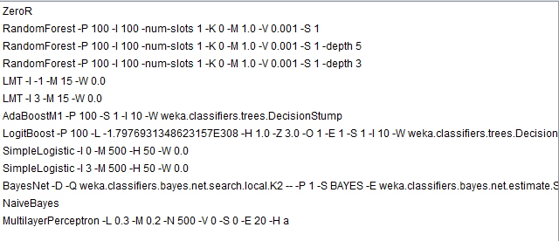
Algorithmus | (Alle)
F1 | (Mehrere Elemente)
AUC | (Mehrere Elemente)

Anzahl von Filter | Spaltenbeschriftungen
Zeilenbeschriftungen | h1 | h2 | h3b | h3c | Gesamtergebnis
new only
dynamik_klasse_prj_bi
bzr |  |  | 2 | 1 | 3
plr_distcalc |  |  | 1 | 1 | 2
OA only
dynamik_klasse_prj_bi
bzr |  | 1 |  |  | 1
plr_distcalc |  | 1 |  |  | 1
status_klasse_prj_bi
bzr | 2 |  |  |  | 2
plr_distcalc | 2 |  |  |  | 2
Gesamtergebnis | 4 | 2 | 3 | 2 | 11

