Sheet1
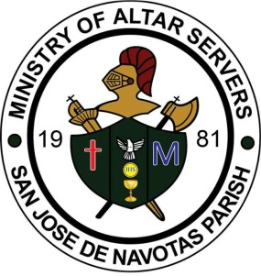
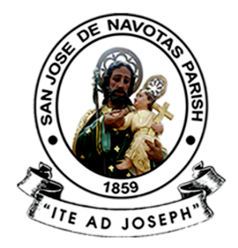
 | SAN JOSE DE NAVOTAS PARISH
 | M. Naval St., San Jose, Navotas City

 | MINISTRY OF ALTAR SERVERS

 | ATTENDANCE REPORT
===========================================================================

