Sheet1
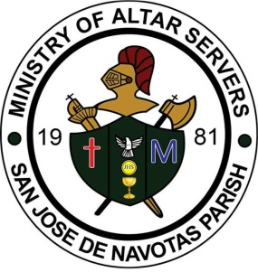
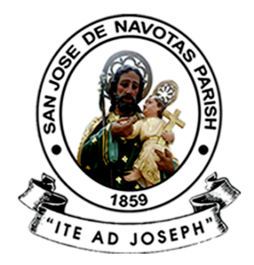
 | SAN JOSE DE NAVOTAS PARISH
 | M. Naval St., San Jose, Navotas City

 | MINISTRY OF ALTAR SERVERS

 | 2017-01-22
 | Year of the Parish as Communion of Communities

 | To : ALL MEMBERS AND OFFICERS OF THE MINISTRY,
 | PARENTS,PARISH OFFICE AND PEOPLE OF GOD

 | From : SIR TREASURER OFFICER
 | Treasurer, Ministry of Altar Servers
 | Subject : QUARTER FINANCIAL REPORT OF THE MINISTRY

===========================================================================
 | Pagbati ng kapayapaan!

 | Malugod pong ipinababatid sa lahat na kasalukuyang pondo ng ating samahan
 | miyembro ng aming ministry para sa M.Y. 2016 – 2017. Sila po ay sina:

