Manual
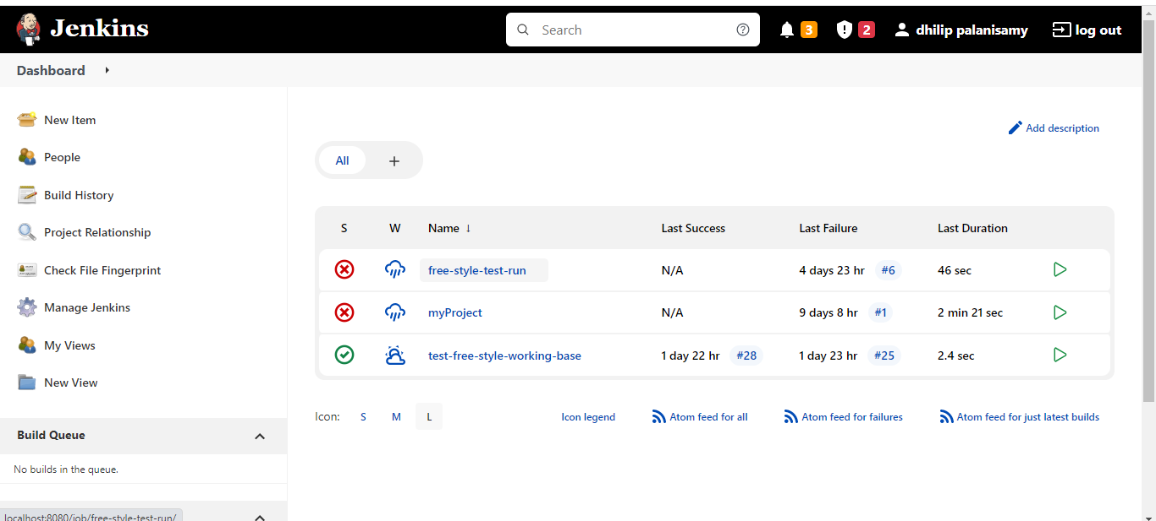
 | Executing Jenkins from Local:

 | In command prompt ,Navigate to directory where jenkins.war file exists

 | for example:

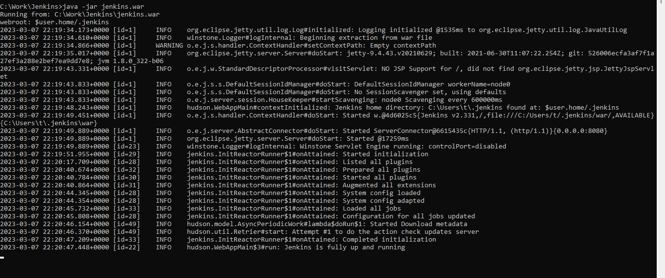

 | Navigate to localhost : http://localhost:8080
 | Login with already registered with username and password



Dashboard View once we logged in:

