Manual
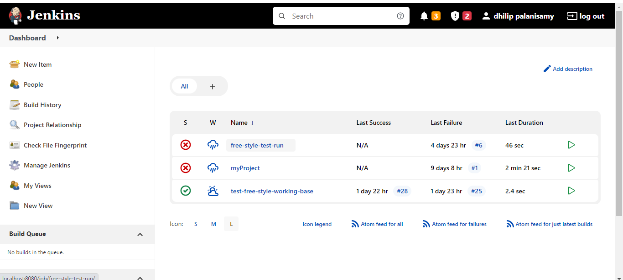
 | Executing Jenkins from Local:

 | In command prompt ,Navigate to directory where jenkins.war file exists

 | for example:

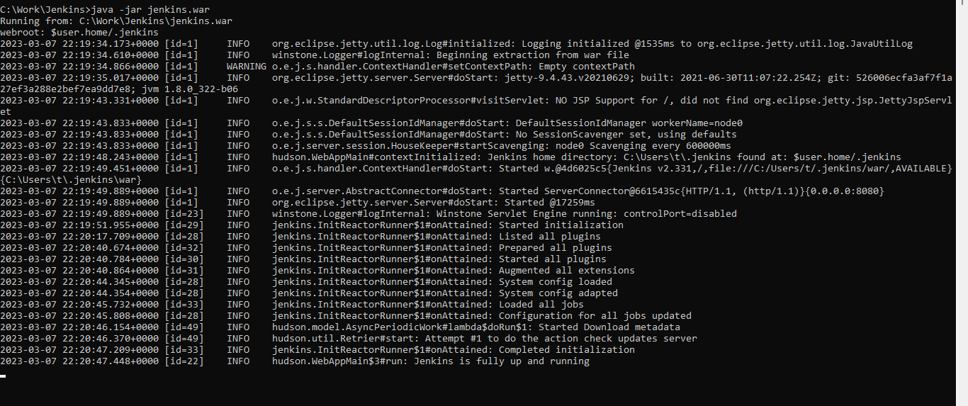

 | Navigate to localhost : http://localhost:8080
 | Login with already registered with username and password



Dashboard View once we logged in:

Jenkins_Job
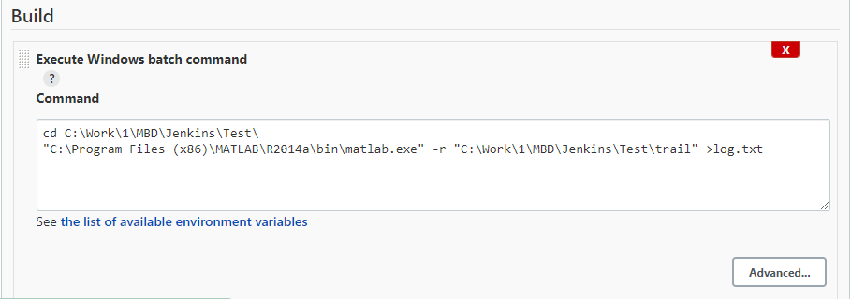
Sample Jenkins Job to Execute Mscript :
Step 1:Create freestyle project from Dashboard ---> New Item ----> Freestyle Project

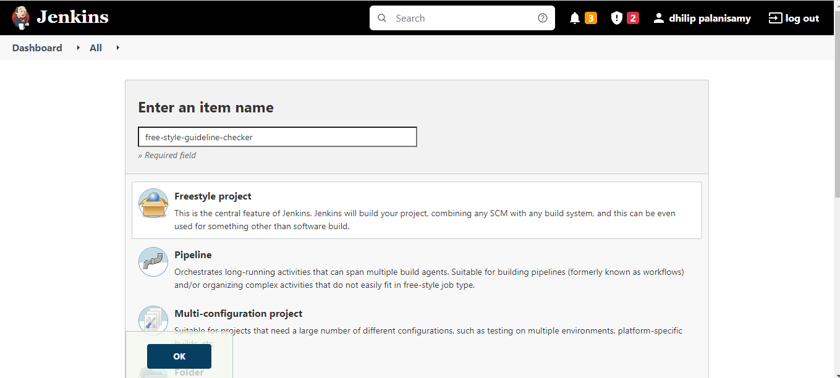

Step 2:Sample command line execution to Mscript in Local:

