Sheet1
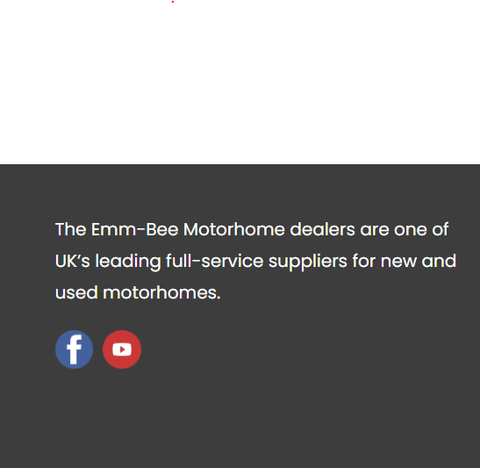
index | section | on Live Site Faulty screenshorts | on UAT Site Right screenshorts (needed like this) | details | Dhiraj Comments



1 | footer |  |  | in footer session emm-bee loco is not displaying | Done

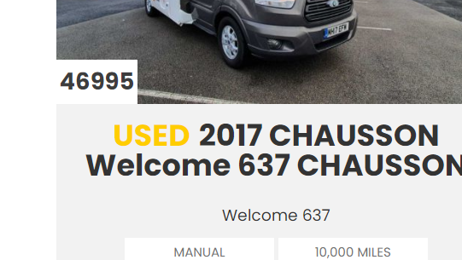
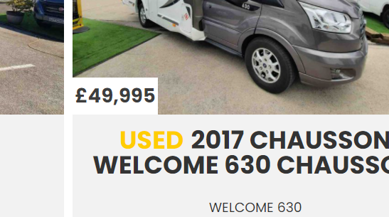

2 | on vehicle dipslay section |  |  | vehicle Price is not in proper formate and also Currency symbol is not displaying . | Done

3 | on footer section |  |  | contact details are not display in footer session | Done

4 | Feed Url Not Working | https://www.emm-bee.co.uk/feed_test4.php |  | previously after hit this Url We were getting all vehicle information xml but now this url is not giving us desiarable result . | Not Done

 |  |  |  | menu bar icon logo change from previous one | Done
5 | Navbar Menu Icon

 |  |  |  | this drive form is not submiting previously also that form was not submited | not done
6 | test-drive Form Not submiting | https://www.emm-bee.co.uk/test-drive/
 |  |  |  | this sell-motorhome-cash form Also not submiting previously also that form was not submited | not done
7 | sell-motorhome-cash form Also not submiting | https://www.emm-bee.co.uk/sell-motorhome-cash/

 |  |  |  | After Submiting formData mai success message comes but mail not sended | Not done
8 | equiry Form also not submiting

