Regression Model in Azure
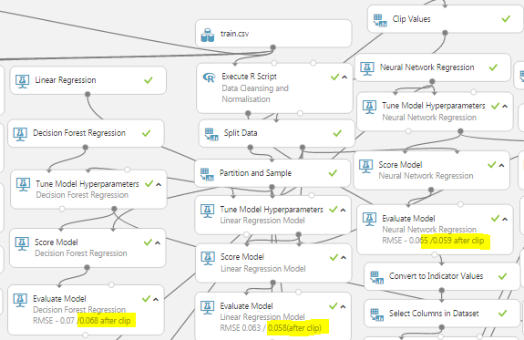
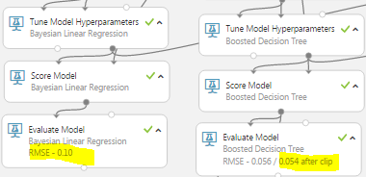
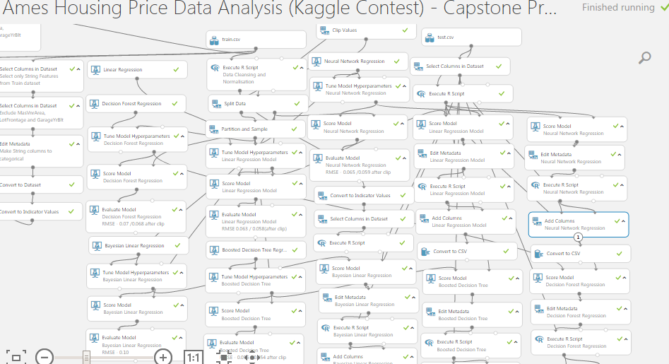
RMSE for Decision Forest ,Linear Regression Model, Neural Network ,Boosted Decision Tree and Bayesian Linear Regression Modules. | Overall Azure ML experiment

DataExploratory Analysis
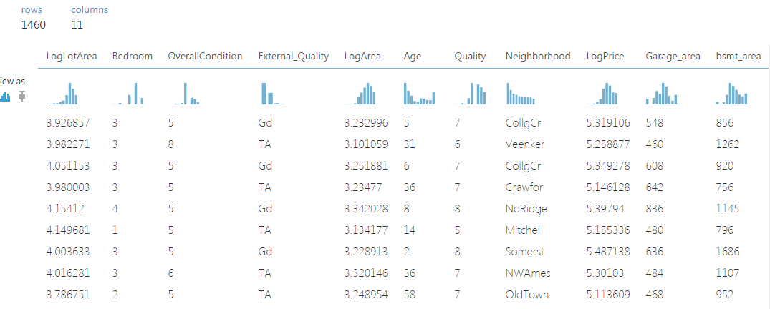
Standardizing datatypes and replacing NA's |  | Removing outliers(clip values) | Normalization
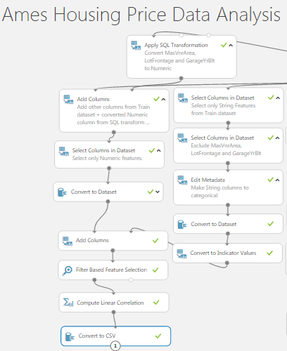
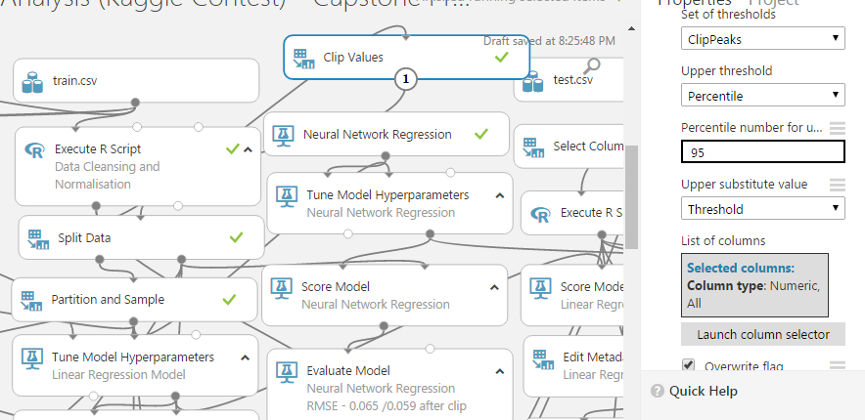
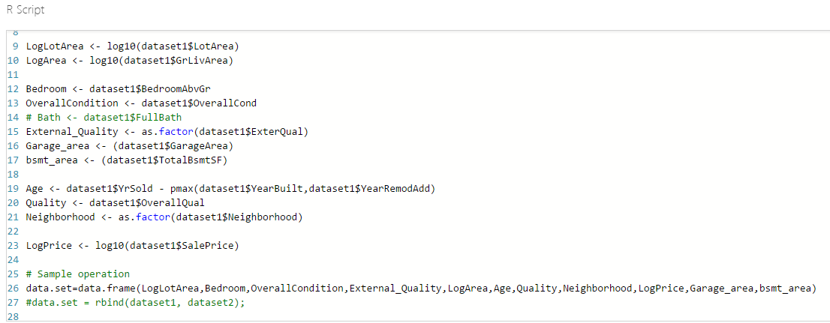

 | Selected Features based on Filter based Feature Analysis and Correlation Analysis

Feature selection -Correlation
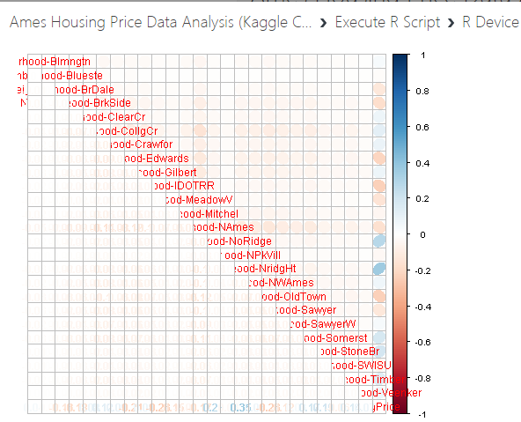
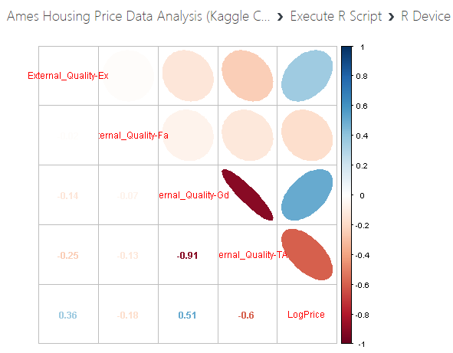
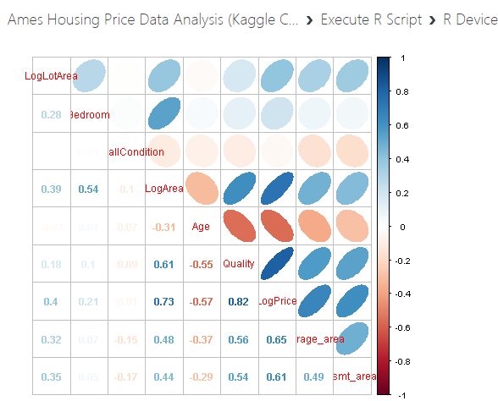
Observations based on below correlation analysis after normalising the dataset
1) Log(Price) is positively correlated to Overall Quality, GrLivArea , Garage Area, bsmt_area,Lot Area and # of Bedrooms
2) Log(Price) is negatively correlated to Age[Derived from features (YearSold - max(YearBuilt, Year Remodelled))]
3) Log(Price) vs External Quality - Positively correlated to External Quality Ex and Gd, Negatively Correlated to Fa and TA

 | Correlation Matrix for Numeric variables from the selected features
 | LotArea | Bedroom | OverallCondition | GrLivArea | Age | Overall Quality | LogPrice | Garage_area | bsmt_area
LotArea | 1 | 0.27917636 | -0.006305335 | 0.3854352 | -0.02942406 | 0.17821541 | 0.39991774 | 0.32204548 | 0.351838
Bedroom | 0.279176355 | 1 | 0.01298006 | 0.5388476 | 0.03827301 | 0.10167636 | 0.20904368 | 0.06525253 | 0.05044996
OverallCondition | -0.006305335 | 0.01298006 | 1 | -0.1019653 | -0.07093059 | -0.09193234 | -0.03686799 | -0.15152137 | -0.17109751
GrLivArea | 0.385435197 | 0.53884759 | -0.101965333 | 1 | -0.31352847 | 0.61420952 | 0.73025485 | 0.47616021 | 0.43585157
Age | -0.029424059 | 0.03827301 | -0.070930594 | -0.3135285 | 1 | -0.55257033 | -0.56813573 | -0.37344699 | -0.29209575
Quality | 0.178215412 | 0.10167636 | -0.091932343 | 0.6142095 | -0.55257033 | 1 | 0.81718442 | 0.56202176 | 0.5378085
LogPrice | 0.399917741 | 0.20904368 | -0.036867988 | 0.7302549 | -0.56813573 | 0.81718442 | 1 | 0.65088756 | 0.61213398
Garage_area | 0.322045476 | 0.06525253 | -0.151521371 | 0.4761602 | -0.37344699 | 0.56202176 | 0.65088756 | 1 | 0.48666546
bsmt_area | 0.351838002 | 0.05044996 | -0.171097515 | 0.4358516 | -0.29209575 | 0.5378085 | 0.61213398 | 0.48666546 | 1

Azure ML_Predicted Sales price
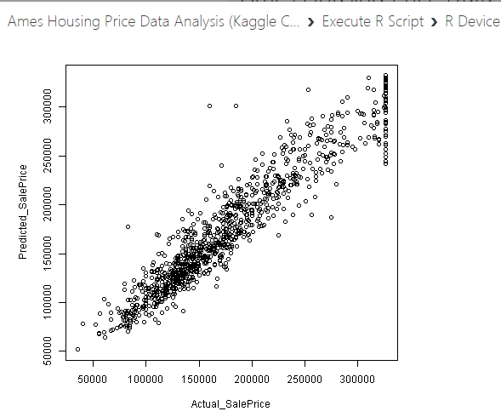
Boosted Decision Tree Train Model |  | Actual SalePrice vs predicted SalePrice Plot | Boosted Decision Tree |  | Linear Regression |  | Neural Network |  | Decision Forest |  | Bayesian linear Regression
Actual | Predicted |  | RMSE | 0.054 | RMSE | 0.058 | RMSE | 0.059 | RMSE | 0.068 | RMSE | 0.1
142500 | 170063.5828 |  | Id | SalePrice | Id | SalePrice | Id | SalePrice | Id | SalePrice | Id | SalePrice
165600 | 164784.39593 |  | 1461 | 134972.4741 | 1461 | 130929.41 | 1461 | 128105.9253 | 1461 | 135690.90258 | 1461 | 127715.66833
148000 | 156008.62637 |  | 1462 | 153031.24829 | 1462 | 161141.2337 | 1462 | 158428.70414 | 1462 | 152771.96311 | 1462 | 198538.03005
109900 | 97959.470435 |  | 1463 | 169848.24127 | 1463 | 174190.65206 | 1463 | 167300.19111 | 1463 | 165763.08157 | 1463 | 195100.30712
135500 | 119467.43159 |  | 1464 | 177187.90236 | 1464 | 188678.99932 | 1464 | 182620.07598 | 1464 | 178118.84106 | 1464 | 198137.52722
271900 | 280184.7147 |  | 1465 | 212019.80861 | 1465 | 213832.52467 | 1465 | 219825.5705 | 1465 | 208670.91176 | 1465 | 166510.99981
143000 | 152182.41224 |  | 1466 | 168769.13113 | 1466 | 174912.3005 | 1466 | 169427.49082 | 1466 | 177141.84892 | 1466 | 183670.43062
168500 | 159861.69427 |  | 1467 | 168507.31818 | 1467 | 174617.16198 | 1467 | 169909.60633 | 1467 | 157046.41868 | 1467 | 153425.81563
194700 | 177136.54995 |  | 1468 | 158544.42186 | 1468 | 163856.1093 | 1468 | 159233.68667 | 1468 | 165318.12729 | 1468 | 152840.67858
144000 | 137463.20163 |  | 1469 | 188178.9071 | 1469 | 193278.7831 | 1469 | 188461.76546 | 1469 | 177716.21435 | 1469 | 199188.67356
145000 | 148092.37681 |  | 1470 | 117056.39307 | 1470 | 108937.11858 | 1470 | 106085.5478 | 1470 | 107341.85866 | 1470 | 93673.513999
119900 | 116940.00911 |  | 1471 | 182318.759 | 1471 | 175587.88357 | 1471 | 174611.97025 | 1471 | 195803.46193 | 1471 | 148090.77201
170000 | 169272.23172 |  | 1472 | 102977.54154 | 1472 | 95854.66731 | 1472 | 93109.020181 | 1472 | 92847.24318 | 1472 | 87409.577411
94750 | 114481.64138 |  | 1473 | 97108.126026 | 1473 | 92410.595406 | 1473 | 89217.478226 | 1473 | 86573.54731 | 1473 | 75871.885456
104900 | 125241.78053 |  | 1474 | 142488.55542 | 1474 | 145657.75073 | 1474 | 148743.38747 | 1474 | 156567.84022 | 1474 | 124558.87836
326099.70975 | 306359.81874 |  | 1475 | 137087.14949 | 1475 | 123800.39764 | 1475 | 128225.81938 | 1475 | 133516.23916 | 1475 | 94940.808587
116050 | 108206.44286 |  | 1476 | 325354.09801 | 1476 | 344148.84809 | 1476 | 332930.91624 | 1476 | 316757.34068 | 1476 | 362910.15887
271000 | 248711.94282 |  | 1477 | 279844.0667 | 1477 | 277524.63997 | 1477 | 272398.3709 | 1477 | 260241.99566 | 1477 | 269415.07455
127000 | 108575.48861 |  | 1478 | 273821.81948 | 1478 | 302970.69618 | 1478 | 298889.45782 | 1478 | 300063.29309 | 1478 | 309382.3015
117500 | 130049.60556 |  | 1479 | 304583.90554 | 1479 | 299832.39439 | 1479 | 293133.09772 | 1479 | 311917.20601 | 1479 | 339961.37698
124500 | 124762.10321 |  | 1480 | 331961.08061 | 1480 | 460673.72129 | 1480 | 440499.7781 | 1480 | 317777.80549 | 1480 | 469711.77227
189000 | 175529.43565 |  | 1481 | 316370.15205 | 1481 | 322141.51396 | 1481 | 313344.607 | 1481 | 324105.98298 | 1481 | 400327.36618
231500 | 182796.81005 |  | 1482 | 222661.57808 | 1482 | 230653.20692 | 1482 | 227264.26003 | 1482 | 242804.89197 | 1482 | 223607.26264
142000 | 146388.61995 |  | 1483 | 175267.91151 | 1483 | 190282.24247 | 1483 | 185185.80293 | 1483 | 179563.11046 | 1483 | 197435.3703
180000 | 217483.43592 |  | 1484 | 176213.00609 | 1484 | 163373.0909 | 1484 | 155449.16795 | 1484 | 197052.85686 | 1484 | 135528.84889
130000 | 167107.42921 |  | 1485 | 157618.96483 | 1485 | 172450.73986 | 1485 | 169295.46504 | 1485 | 163398.01125 | 1485 | 178045.62217
176000 | 198359.02867 |  | 1486 | 199302.33475 | 1486 | 196347.84401 | 1486 | 192117.93301 | 1486 | 214729.65401 | 1486 | 188535.17134
138000 | 137550.91926 |  | 1487 | 314329.76067 | 1487 | 344229.3297 | 1487 | 329798.04829 | 1487 | 325665.83874 | 1487 | 341663.49193
326099.70975 | 274562.10416 |  | 1488 | 268094.54845 | 1488 | 275802.0268 | 1488 | 272122.75682 | 1488 | 274155.32173 | 1488 | 297710.52124
140000 | 158625.38746 |  | 1489 | 205867.66676 | 1489 | 210920.86477 | 1489 | 208323.82328 | 1489 | 198728.95004 | 1489 | 215200.46877
79900 | 88744.038966 |  | 1490 | 184626.08002 | 1490 | 216203.8928 | 1490 | 211177.85791 | 1490 | 178942.98933 | 1490 | 259423.87009
235128 | 276723.27484 |  | 1491 | 199302.33475 | 1491 | 192979.07251 | 1491 | 190102.52464 | 1491 | 192225.14478 | 1491 | 211045.1109
185000 | 166412.58278 |  | 1492 | 119725.19645 | 1492 | 118640.9692 | 1492 | 115185.17828 | 1492 | 106596.71562 | 1492 | 130123.44196
162500 | 163937.1323 |  | 1493 | 184740.03916 | 1493 | 172127.04096 | 1493 | 171486.54143 | 1493 | 172921.50094 | 1493 | 214654.55551
185000 | 199302.33475 |  | 1494 | 303160.27126 | 1494 | 294625.77032 | 1494 | 283805.65808 | 1494 | 303233.67479 | 1494 | 284644.36778
85500 | 88518.660995 |  | 1495 | 283471.18969 | 1495 | 287198.9528 | 1495 | 277206.17865 | 1495 | 294152.34612 | 1495 | 256056.08484
168000 | 159472.86135 |  | 1496 | 208241.03917 | 1496 | 215310.06687 | 1496 | 212404.02518 | 1496 | 209120.52445 | 1496 | 203170.76653
190000 | 197938.26988 |  | 1497 | 199111.82874 | 1497 | 202066.91296 | 1497 | 199195.35774 | 1497 | 196197.71865 | 1497 | 187139.13998
141000 | 137433.01918 |  | 1498 | 155635.48777 | 1498 | 164550.90611 | 1498 | 163439.6594 | 1498 | 149741.64485 | 1498 | 130568.83975
319900 | 266321.63967 |  | 1499 | 155635.48777 | 1499 | 160817.33849 | 1499 | 159861.16771 | 1499 | 150574.46341 | 1499 | 117942.24471
153000 | 156383.34638 |  | 1500 | 134717.96865 | 1500 | 152262.1831 | 1500 | 150144.81322 | 1500 | 135373.70207 | 1500 | 112583.78931
185900 | 197352.35336 |  | 1501 | 163089.56922 | 1501 | 169559.74954 | 1501 | 166487.14681 | 1501 | 165960.50266 | 1501 | 147832.19095
242000 | 223280.70971 |  | 1502 | 145564.16258 | 1502 | 151712.56935 | 1502 | 151120.10363 | 1502 | 151829.66372 | 1502 | 103644.69203
84900 | 102784.94599 |  | 1503 | 257929.73244 | 1503 | 282139.80317 | 1503 | 277557.32885 | 1503 | 269679.2372 | 1503 | 367705.05821
136000 | 144411.78698 |  | 1504 | 251466.30104 | 1504 | 239197.61928 | 1504 | 237088.42664 | 1504 | 260806.18916 | 1504 | 261683.40232
55000 | 67892.071116 |  | 1505 | 225988.53099 | 1505 | 223694.08585 | 1505 | 220957.06856 | 1505 | 207864.76996 | 1505 | 214445.33685
224500 | 212085.46524 |  | 1506 | 193057.6297 | 1506 | 197437.89946 | 1506 | 193109.35711 | 1506 | 169902.50136 | 1506 | 180861.87264
159500 | 132920.77156 |  | 1507 | 210318.23584 | 1507 | 209659.73133 | 1507 | 204170.18081 | 1507 | 202321.15696 | 1507 | 209574.59955
326099.70975 | 327089.10651 |  | 1508 | 203402.27602 | 1508 | 197391.4329 | 1508 | 192077.43729 | 1508 | 209587.6255 | 1508 | 241402.4968
125000 | 128002.16399 |  | 1509 | 159614.92625 | 1509 | 156331.47071 | 1509 | 153531.76216 | 1509 | 148561.71045 | 1509 | 146251.56054
189000 | 202348.67666 |  | 1510 | 142765.26466 | 1510 | 137547.33719 | 1510 | 134700.66374 | 1510 | 150353.11061 | 1510 | 128083.97449
171000 | 156746.74676 |  | 1511 | 142765.26466 | 1511 | 136780.63165 | 1511 | 133973.50779 | 1511 | 147014.74183 | 1511 | 127172.87745
138500 | 127096.22527 |  | 1512 | 165943.48736 | 1512 | 165504.85198 | 1512 | 161278.60255 | 1512 | 151836.39261 | 1512 | 174334.99644
214000 | 220180.41335 |  | 1513 | 140322.90985 | 1513 | 154858.51829 | 1513 | 151770.59254 | 1513 | 158811.30494 | 1513 | 191934.23433
140000 | 137463.20163 |  | 1514 | 154953.80181 | 1514 | 154509.43305 | 1514 | 151955.84005 | 1514 | 144129.61043 | 1514 | 149465.60271
119000 | 108254.6889 |  | 1515 | 186186.21742 | 1515 | 195886.18783 | 1515 | 189470.30777 | 1515 | 163167.18952 | 1515 | 290232.45808
118500 | 112609.0453 |  | 1516 | 161817.81649 | 1516 | 164178.05626 | 1516 | 160718.94957 | 1516 | 165052.36472 | 1516 | 237198.80171
326099.70975 | 325441.62995 |  | 1517 | 145775.44241 | 1517 | 163390.17793 | 1517 | 160335.07303 | 1517 | 152833.28348 | 1517 | 215703.38354
82500 | 177342.04893 |  | 1518 | 165088.08895 | 1518 | 156419.99799 | 1518 | 153010.91899 | 1518 | 139115.78601 | 1518 | 133627.24284
153900 | 163206.00335 |  | 1519 | 204256.28036 | 1519 | 191374.06393 | 1519 | 190334.3502 | 1519 | 201391.28047 | 1519 | 159729.17697
145000 | 123119.619 |  | 1520 | 130228.35736 | 1520 | 123561.90631 | 1520 | 121269.3924 | 1520 | 135596.8558 | 1520 | 111875.21719
326099.70975 | 314495.46237 |  | 1521 | 130228.35736 | 1521 | 131293.3118 | 1521 | 128615.82698 | 1521 | 143091.88169 | 1521 | 133795.171
207500 | 195360.09482 |  | 1522 | 173653.34417 | 1522 | 161034.75503 | 1522 | 158146.81143 | 1522 | 170415.84277 | 1522 | 178304.78993
179900 | 165191.07664 |  | 1523 | 110961.71697 | 1523 | 116396.78896 | 1523 | 113028.22135 | 1523 | 111528.33317 | 1523 | 120047.28668
173000 | 185411.83624 |  | 1524 | 116200.48968 | 1524 | 133722.96018 | 1524 | 130482.11718 | 1524 | 131243.94218 | 1524 | 167001.87806
151000 | 156222.88704 |  | 1525 | 117592.52993 | 1525 | 121248.87078 | 1525 | 119074.17604 | 1525 | 124664.34707 | 1525 | 119522.27297
167000 | 175973.45415 |  | 1526 | 122082.98512 | 1526 | 121685.65182 | 1526 | 119072.47645 | 1526 | 119355.23027 | 1526 | 142831.8712
155000 | 167836.50118 |  | 1527 | 110614.7975 | 1527 | 114559.30811 | 1527 | 110911.65559 | 1527 | 103245.28899 | 1527 | 119442.50408
105900 | 109675.14163 |  | 1528 | 125378.9533 | 1528 | 147750.47268 | 1528 | 145460.9533 | 1528 | 123747.06964 | 1528 | 168480.41772
143000 | 165463.72346 |  | 1529 | 146631.6824 | 1529 | 136214.24879 | 1529 | 133453.50095 | 1529 | 140650.85549 | 1529 | 121958.22834
302000 | 267721.85794 |  | 1530 | 161851.39945 | 1530 | 178657.20773 | 1530 | 174788.63057 | 1530 | 168534.14394 | 1530 | 226039.44796
89500 | 90535.631311 |  | 1531 | 108505.05756 | 1531 | 94541.636028 | 1531 | 90449.290143 | 1531 | 118322.95669 | 1531 | 105314.19418
128500 | 121707.30842 |  | 1532 | 91278.128264 | 1532 | 87969.582168 | 1532 | 85457.522405 | 1532 | 94429.406903 | 1532 | 86503.077934
145500 | 146125.58315 |  | 1533 | 129215.83169 | 1533 | 127625.36885 | 1533 | 123642.65756 | 1533 | 142320.9852 | 1533 | 112774.74148
232000 | 241525.60605 |  | 1534 | 109484.92478 | 1534 | 114083.7863 | 1534 | 111470.91837 | 1534 | 115782.69339 | 1534 | 121219.16401
125000 | 117047.3968 |  | 1535 | 128921.49602 | 1535 | 131258.89175 | 1535 | 126517.59189 | 1535 | 130203.58315 | 1535 | 184878.38986
115000 | 101245.3086 |  | 1536 | 103033.75019 | 1536 | 104384.45637 | 1536 | 101138.87032 | 1536 | 123096.39225 | 1536 | 111019.76745
200000 | 188910.28691 |  | 1537 | 72327.026933 | 1537 | 63961.5297 | 1537 | 60671.633413 | 1537 | 73751.407361 | 1537 | 48758.933983
175000 | 192178.05959 |  | 1538 | 166937.98247 | 1538 | 161621.55505 | 1538 | 159393.03823 | 1538 | 193309.69035 | 1538 | 238357.8547
165500 | 150378.59133 |  | 1539 | 176072.0196 | 1539 | 180125.34108 | 1539 | 176169.28627 | 1539 | 215210.05034 | 1539 | 304141.36953
156000 | 161269.74894 |  | 1540 | 98094.437796 | 1540 | 101732.84851 | 1540 | 98229.698965 | 1540 | 112398.2966 | 1540 | 130150.10441
182900 | 180768.59955 |  | 1541 | 129015.80306 | 1541 | 135556.54382 | 1541 | 131156.90985 | 1541 | 149706.14882 | 1541 | 191376.77363
276000 | 291785.40976 |  | 1542 | 128266.37233 | 1542 | 133464.3336 | 1542 | 126734.75707 | 1542 | 137295.27512 | 1542 | 142054.20331
161000 | 146757.31264 |  | 1543 | 203941.43116 | 1543 | 177830.59818 | 1543 | 170102.05203 | 1543 | 232317.61288 | 1543 | 264336.27289
326099.70975 | 328553.31545 |  | 1544 | 86824.828139 | 1544 | 88013.761533 | 1544 | 83513.052933 | 1544 | 90258.029056 | 1544 | 80045.680303
129000 | 145125.47055 |  | 1545 | 110879.99826 | 1545 | 121415.07775 | 1545 | 116316.13764 | 1545 | 104917.59482 | 1545 | 141932.61606
326099.70975 | 317225.4673 |  | 1546 | 115213.13121 | 1546 | 122043.65636 | 1546 | 117246.8905 | 1546 | 127589.36137 | 1546 | 111766.99146
129900 | 147441.78717 |  | 1547 | 117878.60147 | 1547 | 121583.20918 | 1547 | 115626.00359 | 1547 | 123896.67177 | 1547 | 134082.7494
122000 | 139434.29405 |  | 1548 | 126535.09589 | 1548 | 136734.21075 | 1548 | 131006.07962 | 1548 | 129128.53769 | 1548 | 149655.68671
151000 | 157224.19321 |  | 1549 | 105662.41583 | 1549 | 116373.59894 | 1549 | 110622.44914 | 1549 | 97618.98985 | 1549 | 119103.38838
55993 | 88994.317745 |  | 1550 | 128950.94186 | 1550 | 119815.62068 | 1550 | 114242.18978 | 1550 | 128925.33879 | 1550 | 106976.87655
125000 | 167070.0041 |  | 1551 | 109183.6134 | 1551 | 101171.22187 | 1551 | 98878.079226 | 1551 | 120714.69785 | 1551 | 98021.65321
254000 | 218764.46943 |  | 1552 | 125836.26865 | 1552 | 111273.20988 | 1552 | 106557.27906 | 1552 | 120718.26558 | 1552 | 117059.8261
185000 | 173355.78207 |  | 1553 | 125586.99358 | 1553 | 129598.02251 | 1553 | 126114.28285 | 1553 | 128917.82804 | 1553 | 214003.92282
110000 | 100674.54464 |  | 1554 | 96738.431378 | 1554 | 106566.01505 | 1554 | 104138.88756 | 1554 | 97621.24299 | 1554 | 98654.397853
236500 | 253767.28578 |  | 1555 | 168007.96674 | 1555 | 176942.74238 | 1555 | 169843.20621 | 1555 | 163038.40793 | 1555 | 193279.68269
210000 | 240948.4586 |  | 1556 | 92882.040437 | 1556 | 109863.85242 | 1556 | 106292.38023 | 1556 | 93213.542738 | 1556 | 98522.90201
122500 | 131097.30542 |  | 1557 | 103263.08671 | 1557 | 100255.3502 | 1557 | 100491.88328 | 1557 | 125894.63287 | 1557 | 98166.56743
168000 | 174999.66762 |  | 1558 | 100597.97202 | 1558 | 95497.43101 | 1558 | 94370.002228 | 1558 | 85922.763381 | 1558 | 72113.979727
153500 | 145590.05626 |  | 1559 | 91822.332847 | 1559 | 82959.678666 | 1559 | 80214.699273 | 1559 | 110672.85143 | 1559 | 74862.706727
156000 | 147318.6442 |  | 1560 | 140669.83847 | 1560 | 135272.89078 | 1560 | 130387.59726 | 1560 | 156324.33461 | 1560 | 168711.01139
163500 | 151330.14275 |  | 1561 | 113548.52662 | 1561 | 122936.02763 | 1561 | 124989.70328 | 1561 | 122341.06957 | 1561 | 109747.28328
118000 | 110077.47419 |  | 1562 | 132943.83231 | 1562 | 118826.90172 | 1562 | 118746.99578 | 1562 | 121297.81928 | 1562 | 99166.755355
290000 | 293913.32793 |  | 1563 | 117047.3968 | 1563 | 106357.42752 | 1563 | 106170.84359 | 1563 | 119849.47047 | 1563 | 94286.006387
237000 | 271226.99984 |  | 1564 | 146737.01123 | 1564 | 144020.59841 | 1564 | 143124.67446 | 1564 | 157851.26434 | 1564 | 121308.55404
157000 | 145696.39652 |  | 1565 | 136521.62663 | 1565 | 131103.16633 | 1565 | 130501.31595 | 1565 | 149836.9166 | 1565 | 125069.18936
106000 | 105766.53067 |  | 1566 | 225964.46405 | 1566 | 257207.53064 | 1566 | 248504.49215 | 1566 | 156447.18181 | 1566 | 354295.51684
109900 | 130315.75068 |  | 1567 | 81951.617439 | 1567 | 85410.965946 | 1567 | 84581.832127 | 1567 | 82807.732552 | 1567 | 73854.823165
118000 | 103908.17642 |  | 1568 | 208790.26941 | 1568 | 202284.21771 | 1568 | 195615.7281 | 1568 | 205906.60494 | 1568 | 208941.74302
188000 | 170827.87056 |  | 1569 | 115820.91284 | 1569 | 113125.36719 | 1569 | 108704.43258 | 1569 | 132077.68245 | 1569 | 138141.15376
40000 | 77901.063804 |  | 1570 | 119363.45886 | 1570 | 129978.17161 | 1570 | 128174.16111 | 1570 | 117930.08421 | 1570 | 147010.44149
128200 | 120217.31444 |  | 1571 | 113439.74052 | 1571 | 117494.03006 | 1571 | 113653.17423 | 1571 | 111414.79215 | 1571 | 150933.69901
84500 | 75450.427534 |  | 1572 | 129329.9484 | 1572 | 131706.4972 | 1572 | 128830.08687 | 1572 | 134447.60296 | 1572 | 143114.89224
134900 | 128303.41625 |  | 1573 | 220046.2836 | 1573 | 204665.69428 | 1573 | 201419.69962 | 1573 | 209147.61013 | 1573 | 299684.6342
124500 | 128160.65176 |  | 1574 | 113236.5292 | 1574 | 120037.73069 | 1574 | 117563.61247 | 1574 | 113827.52455 | 1574 | 113518.33038
199900 | 210111.6634 |  | 1575 | 198795.52362 | 1575 | 206731.6336 | 1575 | 202400.89344 | 1575 | 182352.55308 | 1575 | 265840.55029
262280 | 246269.34245 |  | 1576 | 199186.60961 | 1576 | 229925.03604 | 1576 | 223174.82879 | 1576 | 200277.88316 | 1576 | 251722.9399
267000 | 290817.90365 |  | 1577 | 189955.0136 | 1577 | 190256.353 | 1577 | 185786.38385 | 1577 | 194399.74796 | 1577 | 171077.22221
319000 | 294946.50329 |  | 1578 | 142305.00559 | 1578 | 166386.4111 | 1578 | 161455.42241 | 1578 | 150526.17373 | 1578 | 258600.61884
116000 | 124505.52322 |  | 1579 | 138847.65442 | 1579 | 142265.87927 | 1579 | 136829.10729 | 1579 | 141894.75988 | 1579 | 142826.00118
123000 | 117047.3968 |  | 1580 | 199302.33475 | 1580 | 194962.01554 | 1580 | 189234.13249 | 1580 | 192387.08847 | 1580 | 221885.59789
85000 | 80484.123785 |  | 1581 | 138820.52116 | 1581 | 163804.1514 | 1581 | 157830.06501 | 1581 | 141357.04239 | 1581 | 200103.25071
150000 | 149794.41614 |  | 1582 | 130049.60556 | 1582 | 127679.43122 | 1582 | 123455.05161 | 1582 | 123416.98788 | 1582 | 104679.93096
179900 | 153855.76072 |  | 1583 | 279562.45376 | 1583 | 290740.18689 | 1583 | 282781.70037 | 1583 | 289856.65794 | 1583 | 296151.06082
174000 | 209190.22249 |  | 1584 | 231980.67765 | 1584 | 220504.16539 | 1584 | 214406.42376 | 1584 | 236805.84075 | 1584 | 225398.67057
144000 | 125512.27983 |  | 1585 | 137463.20163 | 1585 | 134491.7296 | 1585 | 131035.13836 | 1585 | 139875.92747 | 1585 | 105540.83897
212000 | 223915.57591 |  | 1586 | 69197.555337 | 1586 | 69815.028976 | 1586 | 67591.363097 | 1586 | 69825.501353 | 1586 | 67040.641768
139000 | 129703.37551 |  | 1587 | 99147.358238 | 1587 | 101911.58771 | 1587 | 100057.4397 | 1587 | 99111.745608 | 1587 | 101848.58461
326099.70975 | 244248.10959 |  | 1588 | 130941.51174 | 1588 | 129251.7347 | 1588 | 126555.79819 | 1588 | 148302.9318 | 1588 | 135668.30096
113000 | 100884.34001 |  | 1589 | 106875.86494 | 1589 | 108587.68737 | 1589 | 105110.59624 | 1589 | 91620.356912 | 1589 | 129615.31432
131000 | 132856.13522 |  | 1590 | 120077.48263 | 1590 | 125619.64593 | 1590 | 124354.55927 | 1590 | 120859.20564 | 1590 | 108150.88664
118500 | 117904.61892 |  | 1591 | 93223.485637 | 1591 | 89294.180868 | 1591 | 87269.342103 | 1591 | 110626.66753 | 1591 | 77789.290693
185500 | 202348.67666 |  | 1592 | 119781.86621 | 1592 | 115514.36089 | 1592 | 112148.68796 | 1592 | 126506.49901 | 1592 | 113022.96624
325624 | 301416.14267 |  | 1593 | 127736.67663 | 1593 | 110436.18562 | 1593 | 108641.31322 | 1593 | 116266.11715 | 1593 | 98766.868811
210000 | 215678.0945 |  | 1594 | 119599.98702 | 1594 | 115933.32389 | 1594 | 112083.44562 | 1594 | 126827.56351 | 1594 | 119277.91184
180500 | 199910.06288 |  | 1595 | 99724.791903 | 1595 | 101435.99547 | 1595 | 98629.346805 | 1595 | 114981.81595 | 1595 | 112767.0723
206900 | 177713.36757 |  | 1596 | 208534.81989 | 1596 | 215015.66896 | 1596 | 214511.67753 | 1596 | 235847.20578 | 1596 | 212789.31222
194500 | 209255.46238 |  | 1597 | 185978.02516 | 1597 | 183118.17884 | 1597 | 179912.61932 | 1597 | 175115.18879 | 1597 | 184887.95887
309000 | 318968.95598 |  | 1598 | 195744.42236 | 1598 | 196442.47467 | 1598 | 195551.09064 | 1598 | 161490.87488 | 1598 | 239188.56065
93500 | 87297.22962 |  | 1599 | 179338.31156 | 1599 | 181504.74951 | 1599 | 174407.14539 | 1599 | 215378.22008 | 1599 | 151940.38314
326099.70975 | 330027.34008 |  | 1600 | 194462.98865 | 1600 | 181345.90771 | 1600 | 174686.75574 | 1600 | 215343.99289 | 1600 | 136952.03728
130000 | 124744.84447 |  | 1601 | 60300.595084 | 1601 | 53668.817406 | 1601 | 50820.892736 | 1601 | 53147.292179 | 1601 | 49973.990924
230500 | 261093.30192 |  | 1602 | 105104.01825 | 1602 | 100745.37663 | 1602 | 97731.396247 | 1602 | 120120.70228 | 1602 | 114483.67688
104900 | 130992.70326 |  | 1603 | 90593.403653 | 1603 | 77049.31774 | 1603 | 76090.843323 | 1603 | 104335.04257 | 1603 | 74533.832116
214000 | 205603.15094 |  | 1604 | 244708.46163 | 1604 | 217148.58338 | 1604 | 218960.79615 | 1604 | 255586.68593 | 1604 | 141377.49489
87000 | 87526.704949 |  | 1605 | 263079.41088 | 1605 | 229882.78558 | 1605 | 231512.23921 | 1605 | 257669.94954 | 1605 | 247546.08251
196500 | 201180.99875 |  | 1606 | 158954.89926 | 1606 | 173293.01994 | 1606 | 172656.56406 | 1606 | 163373.08823 | 1606 | 180953.79044
91000 | 80161.169134 |  | 1607 | 212446.47377 | 1607 | 218013.0949 | 1607 | 216655.94325 | 1607 | 198919.76858 | 1607 | 193882.62727
66500 | 89174.485441 |  | 1608 | 194246.39446 | 1608 | 211795.12962 | 1608 | 212389.33341 | 1608 | 205077.8689 | 1608 | 174276.0791
147000 | 131806.53495 |  | 1609 | 189499.64234 | 1609 | 195811.38118 | 1609 | 196341.08585 | 1609 | 189929.74893 | 1609 | 171338.87153
130000 | 139837.51057 |  | 1610 | 131403.24509 | 1610 | 150826.00572 | 1610 | 148840.10079 | 1610 | 144801.08919 | 1610 | 144664.67072
256300 | 287823.0154 |  | 1611 | 151273.32869 | 1611 | 150903.31967 | 1611 | 148734.24216 | 1611 | 156001.33499 | 1611 | 192570.6927
110000 | 114524.6375 |  | 1612 | 166726.5987 | 1612 | 169212.97676 | 1612 | 167388.01731 | 1612 | 164352.65311 | 1612 | 155519.39455
178000 | 179735.91097 |  | 1613 | 161886.94457 | 1613 | 166110.97144 | 1613 | 164360.84978 | 1613 | 171856.72257 | 1613 | 155673.77637
160000 | 154264.93872 |  | 1614 | 114274.93252 | 1614 | 104558.16935 | 1614 | 101942.80312 | 1614 | 111262.55555 | 1614 | 104149.0026
135000 | 129058.58965 |  | 1615 | 88192.801772 | 1615 | 90380.480975 | 1615 | 87608.90959 | 1615 | 88596.05868 | 1615 | 83639.152636
157000 | 205387.90424 |  | 1616 | 77367.128891 | 1616 | 79491.903076 | 1616 | 77149.633971 | 1616 | 81170.110108 | 1616 | 69739.834917
184000 | 176291.57424 |  | 1617 | 92204.618252 | 1617 | 93242.112341 | 1617 | 90332.77586 | 1617 | 86133.199813 | 1617 | 82335.356132
277000 | 252717.09499 |  | 1618 | 120463.33788 | 1618 | 122162.04294 | 1618 | 121821.21405 | 1618 | 125857.5608 | 1618 | 100333.00925
187000 | 171699.8126 |  | 1619 | 140910.52216 | 1619 | 136352.40059 | 1619 | 135289.98239 | 1619 | 138891.40334 | 1619 | 144633.56859
138800 | 138730.623 |  | 1620 | 159458.50425 | 1620 | 161093.34468 | 1620 | 159030.66152 | 1620 | 168763.04387 | 1620 | 142386.37595
140000 | 114298.27215 |  | 1621 | 129373.40736 | 1621 | 139206.31904 | 1621 | 137994.89305 | 1621 | 132491.52464 | 1621 | 134339.5427
230000 | 195360.09482 |  | 1622 | 127446.96965 | 1622 | 132935.44248 | 1622 | 132454.86926 | 1622 | 139910.00894 | 1622 | 118085.04438
165500 | 163791.93977 |  | 1623 | 250708.99841 | 1623 | 230750.34856 | 1623 | 232829.88669 | 1623 | 261043.53765 | 1623 | 239534.19924
175900 | 208683.24038 |  | 1624 | 201964.02147 | 1624 | 195195.83765 | 1624 | 194052.62473 | 1624 | 215338.8876 | 1624 | 220019.5392
219500 | 243688.80322 |  | 1625 | 138335.76221 | 1625 | 127325.71924 | 1625 | 125722.47386 | 1625 | 130796.39679 | 1625 | 131883.12673
141000 | 121312.67346 |  | 1626 | 161519.43003 | 1626 | 161627.70507 | 1626 | 159621.58591 | 1626 | 164677.53613 | 1626 | 140354.94233
88000 | 122855.89495 |  | 1627 | 172515.77123 | 1627 | 180345.28168 | 1627 | 174751.21201 | 1627 | 180011.08041 | 1627 | 182040.65226
149500 | 139067.20179 |  | 1628 | 245194.7169 | 1628 | 251942.33601 | 1628 | 247100.30827 | 1628 | 281209.93159 | 1628 | 255186.67549
133000 | 121709.04561 |  | 1629 | 173949.12514 | 1629 | 172017.6181 | 1629 | 168110.37641 | 1629 | 172053.52457 | 1629 | 176068.15149
135750 | 113499.04281 |  | 1630 | 307233.60691 | 1630 | 358402.7701 | 1630 | 359363.4351 | 1630 | 311506.35926 | 1630 | 460159.62876
161500 | 158588.12074 |  | 1631 | 242523.69754 | 1631 | 239035.09257 | 1631 | 243785.41157 | 1631 | 249913.09218 | 1631 | 234198.12347
142953 | 145454.88444 |  | 1632 | 263895.52046 | 1632 | 268777.13814 | 1632 | 273671.83877 | 1632 | 266565.45657 | 1632 | 276486.87615
171500 | 159237.88269 |  | 1633 | 150969.52013 | 1633 | 164877.63074 | 1633 | 162062.29612 | 1633 | 167732.92466 | 1633 | 150706.85698
126000 | 132170.56849 |  | 1634 | 172515.77123 | 1634 | 178452.21571 | 1634 | 173583.9563 | 1634 | 182324.25322 | 1634 | 157901.7334
183500 | 199302.33475 |  | 1635 | 164005.00487 | 1635 | 164668.47356 | 1635 | 159877.66752 | 1635 | 166496.10741 | 1635 | 159872.95843
208500 | 201180.99875 |  | 1636 | 157319.51142 | 1636 | 157434.49889 | 1636 | 153596.16996 | 1636 | 152433.67 | 1636 | 121423.8271
126175 | 110082.67132 |  | 1637 | 183303.68509 | 1637 | 197392.97821 | 1637 | 188632.14016 | 1637 | 179971.64063 | 1637 | 238786.85321
223500 | 195593.17772 |  | 1638 | 222413.33191 | 1638 | 198289.26093 | 1638 | 195005.8525 | 1638 | 212154.04578 | 1638 | 222092.76441
137000 | 153173.9654 |  | 1639 | 184299.19305 | 1639 | 186148.88577 | 1639 | 181869.31293 | 1639 | 179475.59443 | 1639 | 193382.25726
272000 | 247372.03466 |  | 1640 | 245218.67807 | 1640 | 235615.7674 | 1640 | 230134.57371 | 1640 | 252278.332 | 1640 | 311404.56629
139000 | 131552.7993 |  | 1641 | 177783.43011 | 1641 | 170932.28264 | 1641 | 167190.38138 | 1641 | 175209.78424 | 1641 | 176326.98005
81000 | 77129.476322 |  | 1642 | 221468.09238 | 1642 | 223207.08004 | 1642 | 219737.25075 | 1642 | 236670.25168 | 1642 | 241021.89681
124900 | 114630.68813 |  | 1643 | 275245.15115 | 1643 | 244197.74079 | 1643 | 241919.99261 | 1643 | 261136.28829 | 1643 | 268712.31063
326099.70975 | 332093.77762 |  | 1644 | 242458.4675 | 1644 | 240141.05555 | 1644 | 238031.06739 | 1644 | 258720.76906 | 1644 | 273108.04037
187000 | 173402.04023 |  | 1645 | 173485.83127 | 1645 | 182249.48147 | 1645 | 176716.37043 | 1645 | 161743.70394 | 1645 | 182899.57198
79000 | 82027.685351 |  | 1646 | 152183.91605 | 1646 | 149494.74465 | 1646 | 147222.43456 | 1646 | 162846.67813 | 1646 | 125247.97992
167000 | 171611.98513 |  | 1647 | 172541.91249 | 1647 | 158705.10411 | 1647 | 157409.35678 | 1647 | 132359.90377 | 1647 | 135990.33112
244000 | 228907.06393 |  | 1648 | 142765.26466 | 1648 | 135690.07282 | 1648 | 132603.72763 | 1648 | 147473.27877 | 1648 | 131661.4458
326099.70975 | 317225.4673 |  | 1649 | 131012.69639 | 1649 | 134101.14946 | 1649 | 131578.94544 | 1649 | 138623.09407 | 1649 | 127026.72969
103200 | 87215.125915 |  | 1650 | 118960.87973 | 1650 | 109645.28864 | 1650 | 107167.63067 | 1650 | 118058.13983 | 1650 | 79433.821027
326099.70975 | 283557.10481 |  | 1651 | 124060.80801 | 1651 | 118378.30067 | 1651 | 115521.82254 | 1651 | 119937.09347 | 1651 | 97389.740339
326099.70975 | 327973.40075 |  | 1652 | 102977.54154 | 1652 | 96281.95273 | 1652 | 93534.960786 | 1652 | 92847.24318 | 1652 | 87359.468895
148000 | 149930.9868 |  | 1653 | 105766.53067 | 1653 | 101642.12515 | 1653 | 98662.489386 | 1653 | 105392.66779 | 1653 | 96084.237763
87500 | 87297.22962 |  | 1654 | 148556.51042 | 1654 | 141462.76487 | 1654 | 144456.34868 | 1654 | 157394.09416 | 1654 | 119775.6858
179200 | 157319.51142 |  | 1655 | 161397.81952 | 1655 | 137614.0195 | 1655 | 142030.43597 | 1655 | 134212.04948 | 1655 | 107452.99642
100000 | 102977.54154 |  | 1656 | 138731.38461 | 1656 | 139433.37975 | 1656 | 142536.12308 | 1656 | 157754.54942 | 1656 | 114435.09647
164000 | 168405.96101 |  | 1657 | 152132.79462 | 1657 | 142216.72757 | 1657 | 145223.81768 | 1657 | 162762.51979 | 1657 | 120983.5227
185000 | 166950.81332 |  | 1658 | 142071.14305 | 1658 | 141904.84651 | 1658 | 145484.91177 | 1658 | 158724.33459 | 1658 | 111492.4718
326099.70975 | 324617.26364 |  | 1659 | 137087.14949 | 1659 | 124073.73704 | 1659 | 128536.20649 | 1659 | 133516.23916 | 1659 | 91346.170679
124500 | 122902.17115 |  | 1660 | 137143.00228 | 1660 | 146985.56722 | 1660 | 144196.15056 | 1660 | 138168.17933 | 1660 | 138989.36994
148000 | 137147.82084 |  | 1661 | 328477.20859 | 1661 | 373364.3041 | 1661 | 360593.82057 | 1661 | 322294.0017 | 1661 | 384893.02222
110000 | 107614.51233 |  | 1662 | 325354.09801 | 1662 | 362789.52038 | 1662 | 353653.35747 | 1662 | 308067.43095 | 1662 | 470674.4583
274300 | 250288.74156 |  | 1663 | 317225.4673 | 1663 | 354373.62984 | 1663 | 343306.63846 | 1663 | 304914.46075 | 1663 | 317978.09227
190000 | 173726.38387 |  | 1664 | 327089.10651 | 1664 | 472305.32985 | 1664 | 453521.72006 | 1664 | 325252.15807 | 1664 | 577987.87831
207500 | 188730.12872 |  | 1665 | 274562.10416 | 1665 | 313006.13829 | 1665 | 304926.54459 | 1665 | 314087.31406 | 1665 | 264322.43886
274725 | 234332.75181 |  | 1666 | 298047.25457 | 1666 | 315526.47125 | 1666 | 307876.89238 | 1666 | 300335.70494 | 1666 | 350615.34834
205000 | 234786.27349 |  | 1667 | 316928.50624 | 1667 | 324338.64226 | 1667 | 316696.14468 | 1667 | 315281.26711 | 1667 | 406284.18825
148800 | 154244.9536 |  | 1668 | 274562.10416 | 1668 | 315892.4169 | 1668 | 307691.7044 | 1668 | 297223.52476 | 1668 | 250839.36427
145000 | 114398.71203 |  | 1669 | 262024.91594 | 1669 | 287164.11198 | 1669 | 283128.41118 | 1669 | 262105.7504 | 1669 | 317576.84688
91500 | 97668.964697 |  | 1670 | 294467.28759 | 1670 | 326055.09674 | 1670 | 316986.62327 | 1670 | 319538.50614 | 1670 | 293993.65356
140000 | 135666.02006 |  | 1671 | 249820.63467 | 1671 | 265675.44685 | 1671 | 258586.73302 | 1671 | 243342.205 | 1671 | 294953.39537
245500 | 227861.91222 |  | 1672 | 331961.08061 | 1672 | 418417.21681 | 1672 | 406512.25149 | 1672 | 316600.90223 | 1672 | 513861.37083
326099.70975 | 327973.40075 |  | 1673 | 318108.93987 | 1673 | 293037.1874 | 1673 | 286328.98297 | 1673 | 306481.53359 | 1673 | 342797.25899
160000 | 155635.48777 |  | 1674 | 271634.98897 | 1674 | 275829.17528 | 1674 | 270816.65004 | 1674 | 258479.28767 | 1674 | 247612.02576
115000 | 150673.26973 |  | 1675 | 173166.68991 | 1675 | 199430.45534 | 1675 | 193827.12356 | 1675 | 184791.88466 | 1675 | 188508.29452
143000 | 163274.64884 |  | 1676 | 168647.61715 | 1676 | 199594.37185 | 1676 | 193491.16882 | 1676 | 189996.3456 | 1676 | 184301.83749
135000 | 125417.22885 |  | 1677 | 204088.8232 | 1677 | 222494.8693 | 1677 | 217428.99914 | 1677 | 200336.83218 | 1677 | 241297.45327
135000 | 135650.6785 |  | 1678 | 331961.08061 | 1678 | 467246.96784 | 1678 | 448984.85654 | 1678 | 326066.9215 | 1678 | 545804.61383
115000 | 103274.53857 |  | 1679 | 321082.46792 | 1679 | 345907.39389 | 1679 | 336016.79771 | 1679 | 309938.17331 | 1679 | 430934.6828
128000 | 125318.25956 |  | 1680 | 284510.76375 | 1680 | 314257.82253 | 1680 | 305215.94608 | 1680 | 309925.08395 | 1680 | 283099.91571
210000 | 202348.67666 |  | 1681 | 232275.81371 | 1681 | 255587.13575 | 1681 | 250344.25864 | 1681 | 251683.49678 | 1681 | 205558.16158
55000 | 68880.022576 |  | 1682 | 290140.16959 | 1682 | 292667.38608 | 1682 | 286350.99022 | 1682 | 294532.57325 | 1682 | 342276.93406
115000 | 121103.7355 |  | 1683 | 191625.6041 | 1683 | 203122.6899 | 1683 | 199220.0733 | 1683 | 187247.77577 | 1683 | 156236.50588
192000 | 196125.8452 |  | 1684 | 181369.39126 | 1684 | 182746.29919 | 1684 | 179314.48752 | 1684 | 174581.48215 | 1684 | 177175.42223
128000 | 95392.685597 |  | 1685 | 164784.39593 | 1685 | 169406.74304 | 1685 | 165050.93487 | 1685 | 167425.06435 | 1685 | 154102.25772
149000 | 142726.39589 |  | 1686 | 176213.00609 | 1686 | 168236.44408 | 1686 | 159911.37456 | 1686 | 164014.77332 | 1686 | 144683.441
142000 | 133216.0467 |  | 1687 | 150969.52013 | 1687 | 166988.01101 | 1687 | 164144.07833 | 1687 | 163974.87594 | 1687 | 153336.02761
155000 | 169850.10614 |  | 1688 | 199302.33475 | 1688 | 191083.92737 | 1688 | 187245.07036 | 1688 | 188985.55433 | 1688 | 172836.99731
178000 | 163034.60537 |  | 1689 | 199302.33475 | 1689 | 193064.91013 | 1689 | 189100.58278 | 1689 | 194284.8285 | 1689 | 187414.73611
264132 | 267236.69698 |  | 1690 | 190370.29801 | 1690 | 182203.54427 | 1690 | 178816.48381 | 1690 | 178875.31349 | 1690 | 166587.44734
99900 | 98982.029569 |  | 1691 | 171281.05737 | 1691 | 170528.00888 | 1691 | 167761.51702 | 1691 | 172485.16618 | 1691 | 144468.05944
135000 | 139210.34591 |  | 1692 | 255994.30551 | 1692 | 235994.01305 | 1692 | 232079.26946 | 1692 | 272305.08611 | 1692 | 232350.08719
99500 | 127110.18067 |  | 1693 | 150969.52013 | 1693 | 167501.3183 | 1693 | 164629.77647 | 1693 | 163974.87594 | 1693 | 155435.80469
184000 | 195522.75138 |  | 1694 | 166412.58278 | 1694 | 167065.17725 | 1694 | 162262.24331 | 1694 | 165878.99634 | 1694 | 157793.11535
156500 | 132252.73067 |  | 1695 | 159861.69427 | 1695 | 162767.88211 | 1695 | 159512.08735 | 1695 | 168623.16653 | 1695 | 150491.40071
129500 | 146585.32304 |  | 1696 | 264158.45119 | 1696 | 249639.6085 | 1696 | 242672.86068 | 1696 | 255375.88397 | 1696 | 276151.14776
113000 | 113962.6909 |  | 1697 | 164191.12336 | 1697 | 171833.18079 | 1697 | 168183.11594 | 1697 | 171469.98282 | 1697 | 166604.24492
60000 | 103292.68275 |  | 1698 | 309716.54984 | 1698 | 328089.85228 | 1698 | 314734.8483 | 1698 | 316275.16318 | 1698 | 321533.67234
140000 | 167436.91127 |  | 1699 | 290924.57137 | 1699 | 321459.66549 | 1699 | 308853.67227 | 1699 | 297212.26952 | 1699 | 286614.83565
202900 | 245866.24571 |  | 1700 | 251056.62739 | 1700 | 247654.52867 | 1700 | 237453.40603 | 1700 | 243417.92735 | 1700 | 233435.13005
307000 | 262850.45237 |  | 1701 | 276059.59453 | 1701 | 283226.09949 | 1701 | 272497.08585 | 1701 | 279412.98911 | 1701 | 305115.68669
160200 | 176213.00609 |  | 1702 | 270983.51216 | 1702 | 292472.78602 | 1702 | 288764.38792 | 1702 | 289445.66939 | 1702 | 295108.07387
84000 | 73918.386683 |  | 1703 | 268819.3493 | 1703 | 270471.42354 | 1703 | 267783.29999 | 1703 | 270158.31996 | 1703 | 282009.75212
207500 | 180805.51992 |  | 1704 | 270252.87621 | 1704 | 282831.43132 | 1704 | 279583.327 | 1704 | 296153.10465 | 1704 | 286956.81689
100000 | 101911.24405 |  | 1705 | 237396.0559 | 1705 | 233109.53644 | 1705 | 232079.77909 | 1705 | 237885.81648 | 1705 | 236173.66783
213000 | 194973.73891 |  | 1706 | 309207.22543 | 1706 | 403791.59354 | 1706 | 390328.00366 | 1706 | 311743.53688 | 1706 | 481298.06551
198900 | 195304.54794 |  | 1707 | 215885.63592 | 1707 | 217747.20886 | 1707 | 215375.66927 | 1707 | 197262.54334 | 1707 | 206962.93747
130500 | 127109.3433 |  | 1708 | 203877.40034 | 1708 | 220157.29653 | 1708 | 217707.53417 | 1708 | 188793.88364 | 1708 | 207042.10979
233170 | 229591.95644 |  | 1709 | 270000.18358 | 1709 | 296299.76716 | 1709 | 295071.85558 | 1709 | 259977.58865 | 1709 | 299929.79073
163990 | 157417.65279 |  | 1710 | 246382.66336 | 1710 | 243436.1315 | 1710 | 241317.79047 | 1710 | 242664.75229 | 1710 | 251446.65105
326099.70975 | 316634.60437 |  | 1711 | 249286.60998 | 1711 | 253741.59517 | 1711 | 251054.42221 | 1711 | 247642.19226 | 1711 | 291070.0449
155000 | 147213.86767 |  | 1712 | 278180.31897 | 1712 | 274115.72082 | 1712 | 271212.70602 | 1712 | 302674.90884 | 1712 | 290952.77698
135500 | 128996.11466 |  | 1713 | 240874.39562 | 1713 | 253819.83402 | 1713 | 249587.86876 | 1713 | 247976.93666 | 1713 | 268403.55214
195000 | 189820.74673 |  | 1714 | 234276.92706 | 1714 | 231874.2991 | 1714 | 228743.25517 | 1714 | 207989.38578 | 1714 | 232406.00242
109500 | 114061.95924 |  | 1715 | 212061.94758 | 1715 | 212782.37732 | 1715 | 209911.28609 | 1715 | 201125.3391 | 1715 | 224830.95154
143000 | 152073.5086 |  | 1716 | 194573.4058 | 1716 | 189940.55077 | 1716 | 188043.83099 | 1716 | 187945.45612 | 1716 | 162160.32134
132000 | 137675.26914 |  | 1717 | 187673.59261 | 1717 | 166249.47278 | 1717 | 165227.89944 | 1717 | 184689.41707 | 1717 | 124693.58898
110000 | 124777.72031 |  | 1718 | 140507.4513 | 1718 | 140088.98497 | 1718 | 137990.04473 | 1718 | 146044.44887 | 1718 | 126398.94512
227000 | 268819.3493 |  | 1719 | 204733.84911 | 1719 | 198111.76429 | 1719 | 194906.95957 | 1719 | 210686.60995 | 1719 | 218077.787
131000 | 129674.18498 |  | 1720 | 245340.40469 | 1720 | 232966.33687 | 1720 | 231041.95625 | 1720 | 246042.94214 | 1720 | 198047.31185
126000 | 114453.86592 |  | 1721 | 196222.77123 | 1721 | 175680.7169 | 1721 | 174250.19283 | 1721 | 182732.58047 | 1721 | 153713.013
134450 | 157339.72215 |  | 1722 | 137240.91245 | 1722 | 135046.51588 | 1722 | 131854.87965 | 1722 | 152531.04824 | 1722 | 143698.51349
127500 | 113607.13736 |  | 1723 | 160169.15209 | 1723 | 149926.47702 | 1723 | 146110.18174 | 1723 | 153727.47411 | 1723 | 133643.27449
225000 | 208080.3673 |  | 1724 | 210576.1012 | 1724 | 209785.72765 | 1724 | 206387.0691 | 1724 | 202846.51298 | 1724 | 180225.6351
208900 | 191942.72393 |  | 1725 | 220299.62781 | 1725 | 210664.06976 | 1725 | 207176.47833 | 1725 | 235352.22107 | 1725 | 222706.86842
252000 | 282996.63588 |  | 1726 | 175052.51473 | 1726 | 183033.32434 | 1726 | 178858.89677 | 1726 | 191014.68798 | 1726 | 185253.35843
82000 | 89561.872539 |  | 1727 | 161696.33639 | 1727 | 172179.53999 | 1727 | 168620.39965 | 1727 | 177664.15052 | 1727 | 155851.99736
263435 | 252146.14697 |  | 1728 | 193295.81792 | 1728 | 178119.73151 | 1728 | 175872.62666 | 1728 | 176859.3131 | 1728 | 174330.32515
149300 | 137463.20163 |  | 1729 | 139067.20179 | 1729 | 171317.0875 | 1729 | 167256.84622 | 1729 | 142275.01954 | 1729 | 194830.54108
326099.70975 | 313647.50786 |  | 1730 | 160559.85902 | 1730 | 169986.1011 | 1730 | 165729.72354 | 1730 | 152572.41725 | 1730 | 186496.69588
240000 | 271226.99984 |  | 1731 | 128189.64233 | 1731 | 115183.1934 | 1731 | 115039.07343 | 1731 | 130076.89728 | 1731 | 99253.553725
67000 | 71132.089 |  | 1732 | 134972.4741 | 1732 | 118708.32104 | 1732 | 118628.40993 | 1732 | 122311.3435 | 1732 | 88215.722896
127000 | 138173.64209 |  | 1733 | 126620.42782 | 1733 | 110296.23888 | 1733 | 109978.89623 | 1733 | 116448.68254 | 1733 | 99221.127153
173000 | 197901.97944 |  | 1734 | 118498.10228 | 1734 | 115378.73029 | 1734 | 115227.4265 | 1734 | 127976.14208 | 1734 | 102294.40211
186000 | 157356.13449 |  | 1735 | 122892.72561 | 1735 | 125870.78025 | 1735 | 126034.27362 | 1735 | 126744.25093 | 1735 | 109928.91659
139900 | 137708.83112 |  | 1736 | 117840.8152 | 1736 | 109790.38402 | 1736 | 109842.04842 | 1736 | 118275.79702 | 1736 | 90138.052893
177500 | 144117.32809 |  | 1737 | 310141.23037 | 1737 | 363162.86429 | 1737 | 365269.56485 | 1737 | 300877.11192 | 1737 | 455792.57603
90350 | 93726.996526 |  | 1738 | 219246.10788 | 1738 | 265448.20831 | 1738 | 254042.99641 | 1738 | 220485.14411 | 1738 | 304488.37771
145000 | 180000.54455 |  | 1739 | 258764.2423 | 1739 | 272579.22478 | 1739 | 266143.03707 | 1739 | 276459.96598 | 1739 | 258728.36651
88000 | 102977.54154 |  | 1740 | 195562.89987 | 1740 | 220615.78311 | 1740 | 215533.2182 | 1740 | 194205.14709 | 1740 | 198158.73281
134000 | 152374.1851 |  | 1741 | 165359.29489 | 1741 | 186532.69578 | 1741 | 182702.70446 | 1741 | 161913.14814 | 1741 | 171436.78743
320000 | 261629.3501 |  | 1742 | 163089.56922 | 1742 | 169911.6116 | 1742 | 166833.17298 | 1742 | 167276.8758 | 1742 | 148191.1627
178000 | 184084.21751 |  | 1743 | 180755.69905 | 1743 | 178292.39372 | 1743 | 176977.91839 | 1743 | 167846.40192 | 1743 | 143083.51493
176000 | 174938.57703 |  | 1744 | 266169.33762 | 1744 | 318421.17406 | 1744 | 318339.54181 | 1744 | 272513.63352 | 1744 | 348459.40697
155835 | 181859.72831 |  | 1745 | 233253.35133 | 1745 | 246825.35289 | 1745 | 249790.73856 | 1745 | 215621.33314 | 1745 | 276365.53443
239000 | 225934.446 |  | 1746 | 210299.30121 | 1746 | 224038.9199 | 1746 | 229287.39106 | 1746 | 227032.84231 | 1746 | 222795.79583
127500 | 115096.05248 |  | 1747 | 223461.4605 | 1747 | 210073.32984 | 1747 | 205541.75783 | 1747 | 207892.52953 | 1747 | 250942.17579
130500 | 172093.3254 |  | 1748 | 188530.68346 | 1748 | 204873.47463 | 1748 | 199636.32335 | 1748 | 176212.14795 | 1748 | 223034.50425
134000 | 120570.38675 |  | 1749 | 142941.24686 | 1749 | 144128.23239 | 1749 | 140572.87756 | 1749 | 158705.54073 | 1749 | 123855.0997
239000 | 232483.75546 |  | 1750 | 138060.51361 | 1750 | 141304.6873 | 1750 | 139218.75276 | 1750 | 145682.13766 | 1750 | 119916.00577
115000 | 117047.3968 |  | 1751 | 219944.83432 | 1751 | 221054.9557 | 1751 | 216505.65578 | 1751 | 218422.26495 | 1751 | 277527.88276
190000 | 216026.24249 |  | 1752 | 117840.8152 | 1752 | 114312.06502 | 1752 | 112264.00115 | 1752 | 118440.51465 | 1752 | 103383.23789
136500 | 137463.20163 |  | 1753 | 167493.35927 | 1753 | 158893.63186 | 1753 | 154955.84342 | 1753 | 149305.57023 | 1753 | 165065.6128
222000 | 230002.71352 |  | 1754 | 219619.06402 | 1754 | 190171.56788 | 1754 | 187438.21633 | 1754 | 227563.86664 | 1754 | 181215.73842
152000 | 147975.83904 |  | 1755 | 159649.27905 | 1755 | 160827.57147 | 1755 | 157783.28343 | 1755 | 167163.2016 | 1755 | 166168.14082
164000 | 154990.72502 |  | 1756 | 122902.17115 | 1756 | 115604.25193 | 1756 | 112414.11027 | 1756 | 116036.70687 | 1756 | 110817.92486
108000 | 98997.463066 |  | 1757 | 122892.72561 | 1757 | 117087.13745 | 1757 | 115237.54814 | 1757 | 124179.81641 | 1757 | 102959.71755
121600 | 106825.5357 |  | 1758 | 131186.5782 | 1758 | 135380.43 | 1758 | 131183.40941 | 1758 | 129970.22232 | 1758 | 124884.28036
237000 | 220146.81283 |  | 1759 | 173690.90906 | 1759 | 167991.32727 | 1759 | 163033.88936 | 1759 | 160597.71851 | 1759 | 219702.20094
87000 | 92429.232164 |  | 1760 | 149392.66713 | 1760 | 152666.056 | 1760 | 149110.15223 | 1760 | 149995.32012 | 1760 | 147482.02915
143000 | 131971.61683 |  | 1761 | 143628.42257 | 1761 | 143430.61871 | 1761 | 140280.8554 | 1761 | 156994.06536 | 1761 | 139471.69192
228500 | 222592.64734 |  | 1762 | 170438.74846 | 1762 | 165223.71783 | 1762 | 160650.8494 | 1762 | 151632.7274 | 1762 | 187034.78201
144000 | 144294.18478 |  | 1763 | 165325.71015 | 1763 | 164464.17106 | 1763 | 161927.47552 | 1763 | 156486.00541 | 1763 | 177668.84846
89471 | 115627.9079 |  | 1764 | 116932.69081 | 1764 | 117056.11011 | 1764 | 114689.22783 | 1764 | 116569.28036 | 1764 | 119573.25163
305000 | 292813.03395 |  | 1765 | 180734.86172 | 1765 | 190908.6451 | 1765 | 187004.07174 | 1765 | 170191.46095 | 1765 | 219989.62311
127000 | 133948.50358 |  | 1766 | 169233.76435 | 1766 | 173563.60238 | 1766 | 170414.23559 | 1766 | 170868.05398 | 1766 | 187317.84924
109500 | 111785.16948 |  | 1767 | 199463.6745 | 1767 | 216091.60746 | 1767 | 210134.0419 | 1767 | 187488.44614 | 1767 | 332439.53914
326099.70975 | 324531.73503 |  | 1768 | 136731.94129 | 1768 | 139726.81119 | 1768 | 137240.30971 | 1768 | 135134.32313 | 1768 | 137678.03564
326099.70975 | 242167.67532 |  | 1769 | 190967.56309 | 1769 | 175085.6771 | 1769 | 173430.60081 | 1769 | 130588.39967 | 1769 | 197878.15271
236000 | 227123.57057 |  | 1770 | 131935.83155 | 1770 | 145868.95699 | 1770 | 144576.62284 | 1770 | 133761.76663 | 1770 | 143669.17531
164000 | 213900.42103 |  | 1771 | 130228.35736 | 1771 | 127867.20142 | 1771 | 125346.7448 | 1771 | 138712.43022 | 1771 | 122191.86971
317000 | 304688.93165 |  | 1772 | 132601.39816 | 1772 | 140259.84204 | 1772 | 137137.88275 | 1772 | 145619.89242 | 1772 | 140468.0945
139400 | 120776.15019 |  | 1773 | 120391.80447 | 1773 | 121099.61928 | 1773 | 117731.92398 | 1773 | 134436.59523 | 1773 | 122250.28404
187100 | 216428.88772 |  | 1774 | 161782.28656 | 1774 | 164563.45879 | 1774 | 160652.26051 | 1774 | 143536.43852 | 1774 | 152168.17071
140000 | 121544.12263 |  | 1775 | 139529.39723 | 1775 | 139404.13652 | 1775 | 137758.73568 | 1775 | 135539.07449 | 1775 | 136586.38189
72500 | 73514.509201 |  | 1776 | 116957.85741 | 1776 | 124603.83487 | 1776 | 121584.9653 | 1776 | 101844.09144 | 1776 | 149821.51848
98300 | 102429.28404 |  | 1777 | 107898.5797 | 1777 | 105970.19126 | 1777 | 104084.81872 | 1777 | 108046.1602 | 1777 | 103478.63986
208300 | 178198.71176 |  | 1778 | 126583.31387 | 1778 | 137501.82914 | 1778 | 134724.62497 | 1778 | 127209.69093 | 1778 | 151473.57059
163500 | 157810.13783 |  | 1779 | 111027.52539 | 1779 | 117051.85716 | 1779 | 114107.4287 | 1779 | 111463.62303 | 1779 | 133014.53093
234000 | 206734.51911 |  | 1780 | 173974.52851 | 1780 | 171983.25792 | 1780 | 169773.47674 | 1780 | 148070.79556 | 1780 | 230309.77495
230000 | 218242.43065 |  | 1781 | 126595.54498 | 1781 | 132964.28083 | 1781 | 130175.32062 | 1781 | 129543.41155 | 1781 | 140845.26495
174000 | 212050.30615 |  | 1782 | 82713.302132 | 1782 | 73310.839774 | 1782 | 70334.197765 | 1782 | 98934.839028 | 1782 | 54501.552698
192000 | 204256.28036 |  | 1783 | 109419.43 | 1783 | 120275.94149 | 1783 | 116552.64171 | 1783 | 128052.10277 | 1783 | 118622.31041
140000 | 144914.49631 |  | 1784 | 83523.965212 | 1784 | 92039.07762 | 1784 | 88419.582906 | 1784 | 87425.468621 | 1784 | 115523.89556
159000 | 172867.87389 |  | 1785 | 113305.05519 | 1785 | 106347.77351 | 1785 | 103169.59176 | 1785 | 122553.85671 | 1785 | 118387.3885
173733 | 136523.12558 |  | 1786 | 147401.64517 | 1786 | 134411.50028 | 1786 | 127752.38555 | 1786 | 127939.77446 | 1786 | 189838.15739
326099.70975 | 294387.44017 |  | 1787 | 143237.07718 | 1787 | 151080.61682 | 1787 | 148320.02793 | 1787 | 139187.15276 | 1787 | 168293.56718
277500 | 264194.70805 |  | 1788 | 53891.665618 | 1788 | 48946.518027 | 1788 | 48111.149268 | 1788 | 62657.280725 | 1788 | 32175.17199
197000 | 169795.101 |  | 1789 | 110562.22196 | 1789 | 99559.757902 | 1789 | 96461.71363 | 1789 | 112999.53389 | 1789 | 107763.68679
194500 | 189442.84974 |  | 1790 | 69490.071736 | 1790 | 67881.855021 | 1790 | 64660.974037 | 1790 | 78932.955576 | 1790 | 79550.197989
178400 | 184344.72806 |  | 1791 | 206772.2022 | 1791 | 200431.77908 | 1791 | 196927.45949 | 1791 | 173176.91007 | 1791 | 161886.39375
164990 | 189933.7414 |  | 1792 | 149614.76044 | 1792 | 171077.45059 | 1792 | 168089.33582 | 1792 | 157923.89314 | 1792 | 194992.5087
325000 | 299606.05012 |  | 1793 | 128110.70766 | 1793 | 121059.99959 | 1793 | 123498.16355 | 1793 | 137674.15601 | 1793 | 93734.888627
170000 | 148866.25032 |  | 1794 | 140841.07276 | 1794 | 157474.83995 | 1794 | 155398.31462 | 1794 | 140308.24118 | 1794 | 165345.78935
318061 | 284510.76375 |  | 1795 | 140718.1895 | 1795 | 139846.37886 | 1795 | 138128.13693 | 1795 | 138492.26341 | 1795 | 143700.94001
173500 | 158473.06711 |  | 1796 | 114026.77356 | 1796 | 126406.8713 | 1796 | 124342.13511 | 1796 | 113288.78607 | 1796 | 150591.52974
227000 | 224758.70358 |  | 1797 | 134072.09924 | 1797 | 138502.46639 | 1797 | 136696.51616 | 1797 | 128633.39369 | 1797 | 110600.09076
142000 | 155494.57457 |  | 1798 | 126467.59381 | 1798 | 121748.86135 | 1798 | 119607.34093 | 1798 | 129650.4113 | 1798 | 107950.34962
326099.70975 | 299796.90472 |  | 1799 | 101192.07547 | 1799 | 106283.41914 | 1799 | 104520.6814 | 1799 | 112037.26751 | 1799 | 98011.257285
230000 | 223782.36489 |  | 1800 | 105232.76783 | 1800 | 113833.57671 | 1800 | 111647.42253 | 1800 | 98744.211192 | 1800 | 110127.32056
81000 | 88063.915813 |  | 1801 | 116481.38426 | 1801 | 135347.36297 | 1801 | 131292.7767 | 1801 | 122456.15142 | 1801 | 149178.64509
150750 | 160224.55726 |  | 1802 | 153513.72607 | 1802 | 162889.30911 | 1802 | 159785.88699 | 1802 | 158521.79793 | 1802 | 179913.62804
245350 | 256386.13702 |  | 1803 | 161824.39038 | 1803 | 152775.78645 | 1803 | 150426.15036 | 1803 | 147401.98625 | 1803 | 146251.74846
105500 | 132243.58288 |  | 1804 | 139130.88809 | 1804 | 137035.52577 | 1804 | 134134.23438 | 1804 | 141494.92875 | 1804 | 131334.4678
118500 | 115356.16401 |  | 1805 | 135906.946 | 1805 | 131857.12511 | 1805 | 130536.99879 | 1805 | 135178.74256 | 1805 | 120828.20251
243000 | 221026.94887 |  | 1806 | 100588.58401 | 1806 | 117894.95256 | 1806 | 115122.59338 | 1806 | 103054.20474 | 1806 | 117835.52767
128500 | 122892.72561 |  | 1807 | 130361.11532 | 1807 | 124932.55209 | 1807 | 121514.50026 | 1807 | 136709.09541 | 1807 | 153854.44963
100000 | 88472.896441 |  | 1808 | 105373.35973 | 1808 | 113672.29399 | 1808 | 109508.12774 | 1808 | 109676.89154 | 1808 | 173636.31173
102000 | 112545.51226 |  | 1809 | 91884.255402 | 1809 | 109992.92025 | 1809 | 106399.91951 | 1809 | 109882.74277 | 1809 | 163608.21242
141000 | 135545.86612 |  | 1810 | 121297.62322 | 1810 | 111511.10637 | 1810 | 107786.21201 | 1810 | 125008.02077 | 1810 | 118303.31096
144900 | 158076.677 |  | 1811 | 91351.217572 | 1811 | 89013.721991 | 1811 | 88093.70152 | 1811 | 110438.63979 | 1811 | 93108.232002
132500 | 148014.02472 |  | 1812 | 100268.92151 | 1812 | 96962.27025 | 1812 | 93766.727555 | 1812 | 116265.18338 | 1812 | 128566.90691
220000 | 188904.47936 |  | 1813 | 100385.35533 | 1813 | 110276.52884 | 1813 | 106882.67118 | 1813 | 114735.41126 | 1813 | 110560.97854
80500 | 81457.953431 |  | 1814 | 92468.210017 | 1814 | 82895.408102 | 1814 | 79862.743783 | 1814 | 104777.82234 | 1814 | 81270.607061
206000 | 185697.87515 |  | 1815 | 54597.001156 | 1815 | 51702.079373 | 1815 | 49125.347712 | 1815 | 67642.949392 | 1815 | 41718.501666
184900 | 189442.84974 |  | 1816 | 91079.209056 | 1816 | 94725.04373 | 1816 | 92218.184983 | 1816 | 101188.71543 | 1816 | 99699.996712
141000 | 136723.53449 |  | 1817 | 99673.890352 | 1817 | 99720.849247 | 1817 | 95781.947843 | 1817 | 106590.79875 | 1817 | 99399.290047
144500 | 137463.20163 |  | 1818 | 143675.58201 | 1818 | 138855.65314 | 1818 | 134231.4703 | 1818 | 151743.56445 | 1818 | 205561.77166
133000 | 127631.11239 |  | 1819 | 97208.29445 | 1819 | 102768.444 | 1819 | 100466.95047 | 1819 | 105583.5902 | 1819 | 92469.918804
136500 | 129260.38767 |  | 1820 | 59673.778623 | 1820 | 57789.278843 | 1820 | 55931.300153 | 1820 | 77866.935057 | 1820 | 41061.939024
76500 | 76724.90029 |  | 1821 | 106738.77637 | 1821 | 105375.29085 | 1821 | 105902.37055 | 1821 | 111687.63726 | 1821 | 96691.162673
130250 | 124637.23672 |  | 1822 | 133997.4868 | 1822 | 127504.52343 | 1822 | 124196.14185 | 1822 | 138898.23657 | 1822 | 138521.09738
125000 | 129910.03284 |  | 1823 | 54131.246587 | 1823 | 52651.483159 | 1823 | 50139.726546 | 1823 | 59655.145743 | 1823 | 58088.921782
127500 | 141959.81114 |  | 1824 | 126294.28137 | 1824 | 129525.8547 | 1824 | 124077.83588 | 1824 | 120035.94188 | 1824 | 147752.91146
187750 | 197457.25658 |  | 1825 | 114441.04875 | 1825 | 121694.91179 | 1825 | 115372.37714 | 1825 | 115935.60258 | 1825 | 142698.15852
233230 | 285244.86719 |  | 1826 | 93771.051637 | 1826 | 97371.596449 | 1826 | 92948.147374 | 1826 | 92212.212036 | 1826 | 91877.561637
211000 | 212001.65186 |  | 1827 | 108451.22235 | 1827 | 106376.50092 | 1827 | 101355.64248 | 1827 | 114500.0762 | 1827 | 109965.64728
98000 | 79958.203101 |  | 1828 | 128266.37233 | 1828 | 127396.50405 | 1828 | 120981.99911 | 1828 | 130403.00398 | 1828 | 143930.64899
195000 | 219959.0827 |  | 1829 | 136007.10961 | 1829 | 130912.45752 | 1829 | 124227.9183 | 1829 | 126422.72163 | 1829 | 115353.43047
110500 | 99555.33039 |  | 1830 | 148748.77693 | 1830 | 135698.34887 | 1830 | 131608.70925 | 1830 | 155302.16782 | 1830 | 161113.42847
223500 | 206663.71166 |  | 1831 | 146517.42017 | 1831 | 150505.60209 | 1831 | 146593.53144 | 1831 | 169712.03807 | 1831 | 252354.17988
173900 | 166787.3853 |  | 1832 | 96987.719393 | 1832 | 84560.261855 | 1832 | 82158.019833 | 1832 | 109493.3456 | 1832 | 63643.343951
185850 | 200595.17399 |  | 1833 | 124495.271 | 1833 | 112770.52506 | 1833 | 109446.10388 | 1833 | 129452.72648 | 1833 | 127323.51546
125000 | 108327.09831 |  | 1834 | 99355.498335 | 1834 | 111718.07309 | 1834 | 108826.00177 | 1834 | 111981.93862 | 1834 | 122521.72714
171000 | 239921.54853 |  | 1835 | 134442.98045 | 1835 | 110155.34501 | 1835 | 109127.28479 | 1835 | 173313.60257 | 1835 | 93612.78757
148500 | 136645.34605 |  | 1836 | 131560.59927 | 1836 | 121633.79312 | 1836 | 117892.58028 | 1836 | 150828.62893 | 1836 | 130705.30538
111000 | 104428.45561 |  | 1837 | 81216.740798 | 1837 | 75754.233638 | 1837 | 72474.486396 | 1837 | 87748.815453 | 1837 | 87670.643568
295000 | 259119.05749 |  | 1838 | 109778.63009 | 1838 | 114393.61646 | 1838 | 110809.16728 | 1838 | 122295.00766 | 1838 | 161151.14759
124000 | 119925.56724 |  | 1839 | 79412.086711 | 1839 | 96512.322269 | 1839 | 95684.299767 | 1839 | 78748.808232 | 1839 | 81017.50018
178000 | 189442.84974 |  | 1840 | 123731.337 | 1840 | 119683.30615 | 1840 | 117456.13805 | 1840 | 145501.80831 | 1840 | 130875.67047
180500 | 164771.18883 |  | 1841 | 130557.9258 | 1841 | 124050.2424 | 1841 | 121252.21744 | 1841 | 153389.93085 | 1841 | 142799.69145
315000 | 317223.02921 |  | 1842 | 80416.020734 | 1842 | 88751.529801 | 1842 | 87427.009288 | 1842 | 84498.816396 | 1842 | 77437.404835
326099.70975 | 248439.01737 |  | 1843 | 142545.82633 | 1843 | 136193.59043 | 1843 | 135564.32152 | 1843 | 143047.91612 | 1843 | 123673.21766
136500 | 162806.17595 |  | 1844 | 121501.42602 | 1844 | 119363.2533 | 1844 | 120135.11056 | 1844 | 111816.75949 | 1844 | 97908.29758
230000 | 211724.60523 |  | 1845 | 133573.56 | 1845 | 139851.58612 | 1845 | 138570.77872 | 1845 | 144485.91737 | 1845 | 173647.49721
282922 | 261771.58149 |  | 1846 | 160416.60082 | 1846 | 142240.0781 | 1846 | 142533.30614 | 1846 | 156226.74615 | 1846 | 150153.1894
220000 | 236335.49749 |  | 1847 | 166529.19518 | 1847 | 170628.65828 | 1847 | 163815.67993 | 1847 | 154586.13797 | 1847 | 194071.50875
154000 | 146125.58315 |  | 1848 | 53578.20636 | 1848 | 54375.615754 | 1848 | 53178.682282 | 1848 | 65129.090068 | 1848 | 45018.955076
278000 | 251777.93418 |  | 1849 | 105001.132 | 1849 | 110346.22576 | 1849 | 106341.75773 | 1849 | 96477.384238 | 1849 | 167974.21971
227000 | 222255.87833 |  | 1850 | 123642.25029 | 1850 | 116053.18974 | 1850 | 113483.21753 | 1850 | 135538.91477 | 1850 | 126923.00638
114504 | 111446.32061 |  | 1851 | 139410.10745 | 1851 | 146507.72246 | 1851 | 143601.93175 | 1851 | 126016.51729 | 1851 | 204675.6282
115000 | 124908.07604 |  | 1852 | 124339.95077 | 1852 | 114644.25178 | 1852 | 112512.64737 | 1852 | 126511.07612 | 1852 | 109358.05902
176500 | 199302.33475 |  | 1853 | 119961.12428 | 1853 | 110369.64022 | 1853 | 108691.90124 | 1853 | 122424.66208 | 1853 | 84701.892221
326099.70975 | 303658.63494 |  | 1854 | 187160.18207 | 1854 | 178265.85384 | 1854 | 175567.79191 | 1854 | 177638.84008 | 1854 | 206693.13644
129500 | 125802.0089 |  | 1855 | 133395.63558 | 1855 | 167365.29916 | 1855 | 163322.16197 | 1855 | 136399.85612 | 1855 | 225595.72616
235000 | 213658.89303 |  | 1856 | 229618.1745 | 1856 | 204996.22114 | 1856 | 201431.6421 | 1856 | 235821.09597 | 1856 | 229715.80074
275000 | 287509.06524 |  | 1857 | 151977.69781 | 1857 | 158961.4648 | 1857 | 152887.48911 | 1857 | 159317.30622 | 1857 | 304239.03564
119500 | 110174.93084 |  | 1858 | 150960.90095 | 1858 | 145861.82859 | 1858 | 142096.88343 | 1858 | 145022.86679 | 1858 | 111923.5105
199900 | 191034.67069 |  | 1859 | 126787.6449 | 1859 | 124109.33869 | 1859 | 120938.17211 | 1859 | 125937.83676 | 1859 | 112172.41034
97000 | 95280.159555 |  | 1860 | 144663.0027 | 1860 | 148718.0404 | 1860 | 144263.29444 | 1860 | 147339.73578 | 1860 | 133373.02173
270000 | 271383.98369 |  | 1861 | 126787.6449 | 1861 | 123350.01754 | 1861 | 120228.1384 | 1861 | 127885.50483 | 1861 | 110602.28466
315000 | 278895.02623 |  | 1862 | 256321.96277 | 1862 | 242542.40597 | 1862 | 237758.6373 | 1862 | 298573.41723 | 1862 | 216310.53694
108000 | 108227.59242 |  | 1863 | 256321.96277 | 1863 | 233192.68816 | 1863 | 229004.09802 | 1863 | 283574.24112 | 1863 | 181727.4272
192000 | 202348.67666 |  | 1864 | 256321.96277 | 1864 | 233299.01805 | 1864 | 229103.94023 | 1864 | 283574.24112 | 1864 | 182094.91877
98600 | 117218.31544 |  | 1865 | 255026.16472 | 1865 | 306573.42779 | 1865 | 295136.658 | 1865 | 266731.02657 | 1865 | 305742.99331
239000 | 263373.33558 |  | 1866 | 257079.28387 | 1866 | 283458.80232 | 1866 | 275384.50414 | 1866 | 284607.33717 | 1866 | 234854.27054
158500 | 172285.78533 |  | 1867 | 234372.37744 | 1867 | 239514.69372 | 1867 | 234919.84436 | 1867 | 248242.96526 | 1867 | 203426.14142
326099.70975 | 271665.41154 |  | 1868 | 263195.2653 | 1868 | 263689.68347 | 1868 | 257420.76558 | 1868 | 269616.86971 | 1868 | 293375.25464
131500 | 137463.20163 |  | 1869 | 185697.87515 | 1869 | 195915.72639 | 1869 | 191111.66374 | 1869 | 206600.98708 | 1869 | 173528.58775
274900 | 273821.81948 |  | 1870 | 217374.81465 | 1870 | 221747.96339 | 1870 | 217443.80078 | 1870 | 234743.68858 | 1870 | 215315.3619
176485 | 189318.71424 |  | 1871 | 245340.40469 | 1871 | 244423.5344 | 1871 | 239427.34829 | 1871 | 254433.06666 | 1871 | 231771.65097
173000 | 172515.77123 |  | 1872 | 156993.21739 | 1872 | 171124.34523 | 1872 | 165919.80318 | 1872 | 159829.53905 | 1872 | 186019.2199
305900 | 283728.70165 |  | 1873 | 239200.32663 | 1873 | 231008.6437 | 1873 | 225306.96636 | 1873 | 227192.69566 | 1873 | 232478.93748
135000 | 116912.53575 |  | 1874 | 143737.27542 | 1874 | 151449.85686 | 1874 | 145987.67007 | 1874 | 146666.19515 | 1874 | 146259.96158
169000 | 160695.65818 |  | 1875 | 216428.88772 | 1875 | 211470.38647 | 1875 | 205299.74981 | 1875 | 212207.71141 | 1875 | 246509.6544
35311 | 51921.222064 |  | 1876 | 172515.77123 | 1876 | 185619.20073 | 1876 | 178772.70691 | 1876 | 200056.28275 | 1876 | 210270.08268
215000 | 186465.4663 |  | 1877 | 204256.28036 | 1877 | 208800.79715 | 1877 | 203654.56875 | 1877 | 199745.76941 | 1877 | 204806.37485
320000 | 267339.70539 |  | 1878 | 214393.00585 | 1878 | 215398.40686 | 1878 | 209859.20547 | 1878 | 211130.53463 | 1878 | 215170.78543
182000 | 213869.42258 |  | 1879 | 127008.62037 | 1879 | 131240.94605 | 1879 | 126699.69626 | 1879 | 130076.40524 | 1879 | 139393.58912
192000 | 172515.77123 |  | 1880 | 133452.91484 | 1880 | 140910.79273 | 1880 | 135600.34654 | 1880 | 132160.48871 | 1880 | 137060.09257
195000 | 199302.33475 |  | 1881 | 228515.07324 | 1881 | 255076.27193 | 1881 | 247173.84308 | 1881 | 227243.51974 | 1881 | 223985.91072
212900 | 229132.86991 |  | 1882 | 280201.32727 | 1882 | 247813.42617 | 1882 | 242188.41562 | 1882 | 267572.71641 | 1882 | 285290.06928
190000 | 207702.37544 |  | 1883 | 201180.99875 | 1883 | 200365.73587 | 1883 | 195049.10717 | 1883 | 213212.24997 | 1883 | 211851.95589
52000 | 77371.12145 |  | 1884 | 214341.69598 | 1884 | 217825.73849 | 1884 | 211385.71067 | 1884 | 227547.04878 | 1884 | 255445.6178
275000 | 252955.83429 |  | 1885 | 250479.80501 | 1885 | 240661.25594 | 1885 | 234836.54704 | 1885 | 243710.89542 | 1885 | 321640.41942
128000 | 121298.95502 |  | 1886 | 274787.38543 | 1886 | 263356.63645 | 1886 | 256986.43635 | 1886 | 269787.73734 | 1886 | 306461.5628
159000 | 155607.80747 |  | 1887 | 202348.67666 | 1887 | 198590.47358 | 1887 | 193975.29876 | 1887 | 188472.33841 | 1887 | 185181.20021
179200 | 191474.59867 |  | 1888 | 254338.55357 | 1888 | 250208.06142 | 1888 | 244890.15649 | 1888 | 248248.12358 | 1888 | 234929.77495
98000 | 96827.267671 |  | 1889 | 138783.94539 | 1889 | 167028.372 | 1889 | 162049.84097 | 1889 | 149288.96201 | 1889 | 177499.47911
140000 | 194309.53394 |  | 1890 | 120766.20506 | 1890 | 119678.27378 | 1890 | 116218.22511 | 1890 | 119772.16315 | 1890 | 120888.79639
117000 | 129325.8305 |  | 1891 | 121216.41079 | 1891 | 116356.54806 | 1891 | 115135.61329 | 1891 | 137089.38551 | 1891 | 84338.238893
144000 | 134750.36586 |  | 1892 | 99730.923735 | 1892 | 90536.918919 | 1892 | 88541.017468 | 1892 | 115781.34765 | 1892 | 68959.927164
219500 | 210111.6634 |  | 1893 | 118494.97978 | 1893 | 122941.47481 | 1893 | 120128.51557 | 1893 | 129675.01207 | 1893 | 150451.28937
155000 | 145472.29315 |  | 1894 | 139594.6746 | 1894 | 130874.09578 | 1894 | 129006.17095 | 1894 | 138002.33845 | 1894 | 115899.68563
325000 | 311521.02138 |  | 1895 | 146232.95679 | 1895 | 139197.01585 | 1895 | 135176.39491 | 1895 | 144399.87196 | 1895 | 198211.16997
130000 | 167107.42921 |  | 1896 | 110636.78221 | 1896 | 115561.46021 | 1896 | 112981.69334 | 1896 | 119672.29908 | 1896 | 130952.15215
97000 | 121359.96734 |  | 1897 | 98137.20544 | 1897 | 101008.68942 | 1897 | 98587.555377 | 1897 | 104364.82147 | 1897 | 85085.675256
326099.70975 | 324476.86604 |  | 1898 | 104991.33308 | 1898 | 111244.73698 | 1898 | 109337.28649 | 1898 | 98651.565773 | 1898 | 103285.98735
125500 | 98498.942563 |  | 1899 | 141956.07041 | 1899 | 158500.78743 | 1899 | 157728.89562 | 1899 | 128642.31948 | 1899 | 146027.18898
165400 | 186879.48242 |  | 1900 | 134811.77921 | 1900 | 152403.84987 | 1900 | 152598.36519 | 1900 | 143960.60717 | 1900 | 149598.0241
147000 | 131014.71026 |  | 1901 | 158918.95101 | 1901 | 162676.19259 | 1901 | 159105.06235 | 1901 | 173250.17905 | 1901 | 206019.26476
260000 | 232871.04796 |  | 1902 | 134802.01039 | 1902 | 145506.59542 | 1902 | 143269.79272 | 1902 | 142444.80158 | 1902 | 150223.5619
175000 | 184626.28274 |  | 1903 | 211117.81355 | 1903 | 198489.30354 | 1903 | 197863.52318 | 1903 | 216726.88592 | 1903 | 182507.88894
310000 | 269278.99895 |  | 1904 | 147106.09682 | 1904 | 142883.39736 | 1904 | 140909.12974 | 1904 | 137057.56844 | 1904 | 128319.47099
125000 | 130749.72166 |  | 1905 | 199341.07065 | 1905 | 194863.74298 | 1905 | 192717.71873 | 1905 | 179001.73883 | 1905 | 195598.75261
278000 | 265798.73976 |  | 1906 | 160920.41965 | 1906 | 170124.19139 | 1906 | 166953.37961 | 1906 | 150282.65773 | 1906 | 205259.48588
269790 | 248711.94282 |  | 1907 | 204677.4348 | 1907 | 201422.08407 | 1907 | 198371.66089 | 1907 | 216773.70833 | 1907 | 233795.37243
80000 | 76001.920367 |  | 1908 | 117171.34905 | 1908 | 125293.07223 | 1908 | 119041.49591 | 1908 | 114163.97845 | 1908 | 78961.534026
139000 | 173304.01803 |  | 1909 | 123161.53199 | 1909 | 133869.91549 | 1909 | 126878.71931 | 1909 | 139100.23938 | 1909 | 87147.083525
200000 | 217064.29034 |  | 1910 | 123161.53199 | 1910 | 134924.60724 | 1910 | 127845.83738 | 1910 | 139100.23938 | 1910 | 90231.055303
80000 | 91034.319602 |  | 1911 | 181668.7403 | 1911 | 194232.53391 | 1911 | 191481.11594 | 1911 | 206456.64501 | 1911 | 226621.90633
287000 | 278865.32495 |  | 1912 | 278161.07752 | 1912 | 323301.6728 | 1912 | 317500.39529 | 1912 | 316515.30709 | 1912 | 458268.03114
175000 | 167386.17947 |  | 1913 | 139523.88223 | 1913 | 117639.29079 | 1913 | 113089.79184 | 1913 | 143683.11708 | 1913 | 134748.73599
83000 | 91373.486845 |  | 1914 | 67461.615935 | 1914 | 65428.961165 | 1914 | 63077.545068 | 1914 | 65043.773223 | 1914 | 63873.660657
240000 | 230632.88834 |  | 1915 | 244708.46163 | 1915 | 215097.5113 | 1915 | 214425.96362 | 1915 | 262528.64025 | 1915 | 119877.07254
145000 | 135001.07859 |  | 1916 | 66819.174195 | 1916 | 56250.93375 | 1916 | 54315.865046 | 1916 | 53335.626302 | 1916 | 80187.827883
91500 | 104118.19405 |  | 1917 | 271226.99984 | 1917 | 233136.47296 | 1917 | 234636.54788 | 1917 | 270001.72479 | 1917 | 257242.89113
326099.70975 | 282741.0301 |  | 1918 | 127483.63696 | 1918 | 137412.7991 | 1918 | 137444.18591 | 1918 | 133830.91983 | 1918 | 140786.90066
179000 | 177217.28107 |  | 1919 | 146591.43906 | 1919 | 172665.67614 | 1919 | 171379.4407 | 1919 | 146178.86774 | 1919 | 204329.37778
91000 | 97661.029523 |  | 1920 | 179232.60423 | 1920 | 186234.1521 | 1920 | 182953.82738 | 1920 | 177506.79378 | 1920 | 212066.90727
326099.70975 | 297030.28481 |  | 1921 | 299107.11248 | 1921 | 337382.73122 | 1921 | 334312.60815 | 1921 | 312113.63085 | 1921 | 277699.13836
103600 | 107967.90582 |  | 1922 | 272117.67762 | 1922 | 291766.50785 | 1922 | 290930.32105 | 1922 | 275495.51145 | 1922 | 222973.09455
158000 | 178568.68707 |  | 1923 | 190759.05099 | 1923 | 230402.02331 | 1923 | 225861.03023 | 1923 | 185699.91383 | 1923 | 321851.71499
196000 | 184340.68005 |  | 1924 | 210680.1686 | 1924 | 221299.227 | 1924 | 220545.75693 | 1924 | 206490.59667 | 1924 | 220296.62673
156000 | 141230.21365 |  | 1925 | 222102.43793 | 1925 | 219922.22531 | 1925 | 219220.59273 | 1925 | 228723.38725 | 1925 | 222657.44381
221000 | 223835.9347 |  | 1926 | 293920.75023 | 1926 | 338223.24365 | 1926 | 334068.23472 | 1926 | 305216.81921 | 1926 | 300166.9395
143000 | 190697.06521 |  | 1927 | 130958.33371 | 1927 | 140773.12582 | 1927 | 139734.21919 | 1927 | 143727.76016 | 1927 | 149148.91321
214000 | 220556.89611 |  | 1928 | 150368.6851 | 1928 | 154595.99909 | 1928 | 152769.69394 | 1928 | 161566.93992 | 1928 | 172483.33963
129000 | 141097.38557 |  | 1929 | 118097.92308 | 1929 | 127016.94796 | 1929 | 126239.52024 | 1929 | 122248.43298 | 1929 | 123753.20843
...

