All
ABUs' assumptions:
 | Number of ABUs attached | Energy reserved for ABU's own safe operations (kWh) | Structural fraction of battery mass | Integration hardware fraction of battery mass | Divert distance (mi) | Required hover time (s) | Approximate hover descent time (s)
Parameters | n_abus | E_abu_ops_total_kwh | struct_frac | integration_frac | divert_distance_mi | t_hover_s | t_hover_descend_s
Value | 1 | 6.0 | 0.20 | 0.05 | 6 | 60.0 | 20 and 40 | (for 2 altitudes)

Note: | Modeling a low-energy or emergency landing phase where the aircraft cannot land immediately, so it must hover while awaiting clearance, instructions, or relocation to an alternate site
 | ABU stays attached through loiter, divert cruise, hover, and final descent/landing
 | ABU mission energy is the only usable energy for propulsion
 | ABU ops reserve remains unused (safety margin for its own post-touchdown ops)
 | Assume divert distance = 6 miles (similar to Uber's reserve mission)
 | Assume required hover time = 60 sec |  |  |  |  |  |  |  |  |  |  |  |  |  |  |  |  |  | Hover descend time | 20s |  | Hover descend time | 20s |  | Hover descend time | 40s |  | Hover descend time | 40s
 | Approximate hover descent time = 20/40 sec (depends on each altitude scenarios) |  |  |  |  |  |  |  |  |  |  |  |  |  |  |  |  |  | Descend Altitude | 300 ft |  | Descend Altitude | 300 ft |  | Descend Altitude | 600 ft |  | Descend Altitude | 600 ft
 |  |  |  |  |  |  |  |  |  |  |  |  |  |  |  |  |  | 1500 ft | V_cruise | 67.1 m/s | 1500 ft | V_cruise | 48.7 m/s | 3000 ft | V_cruise | 67.1 m/s | 3000 ft | V_cruise | 48.7 m/s
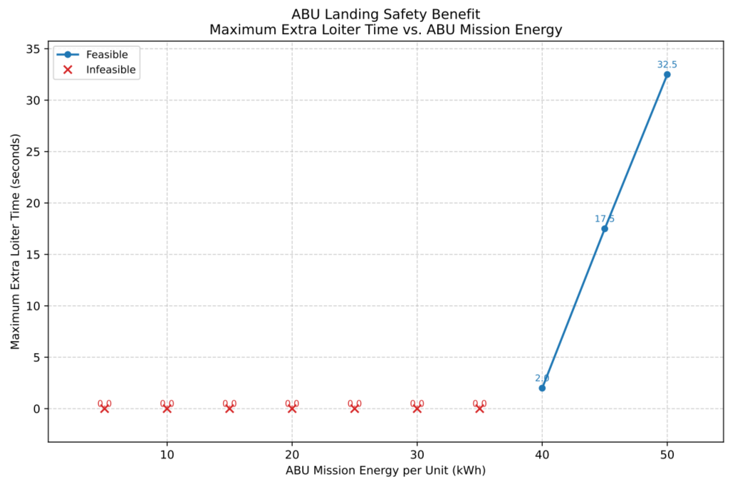
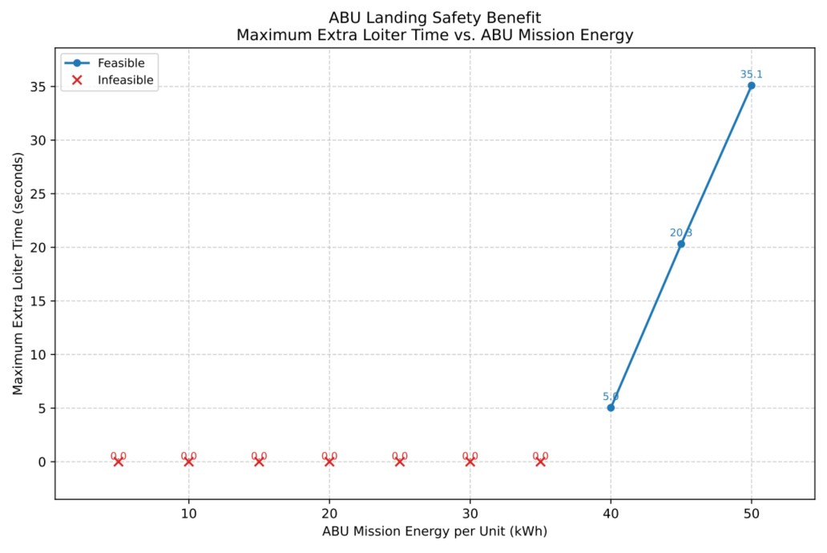
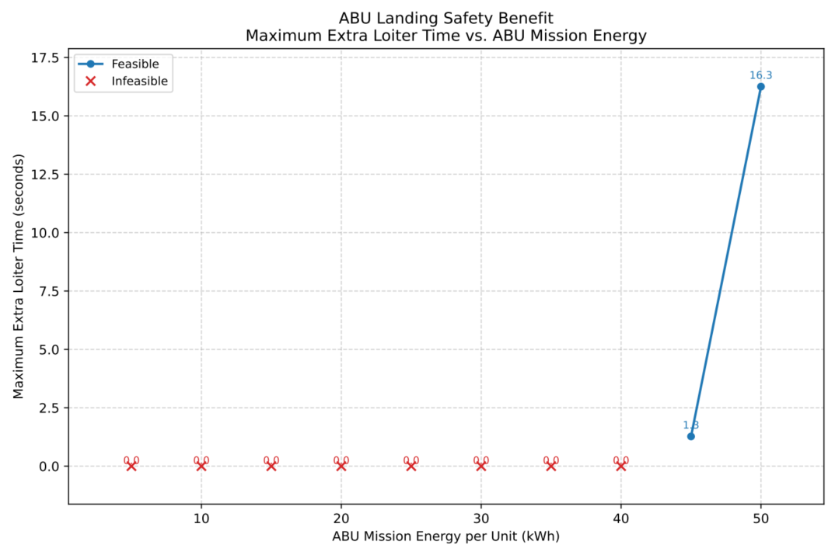
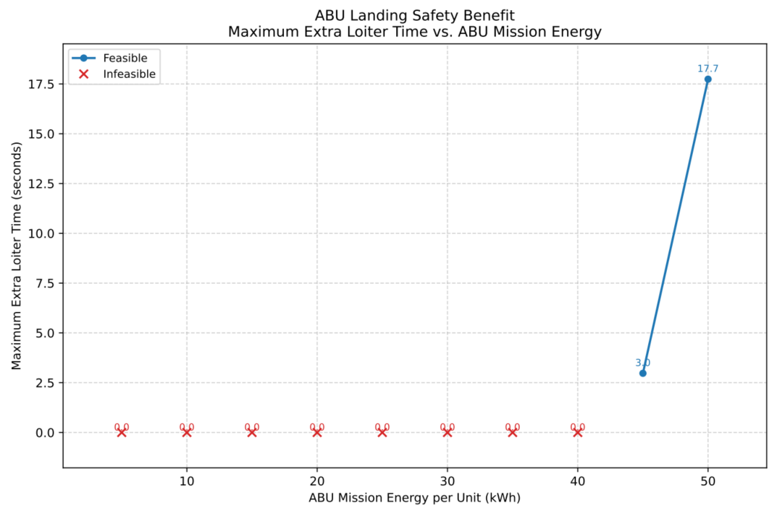
 | The tables below are for V_cruise = 67.1 m/s at both altitudes (different hover descent time) (see the plots for more cases)

Archer Midnight
Altitude | E_abu_mission_kwh | m_abu_batt_kg | m_abu_total_all_kg | P_hover_attach_kw | P_cruise_attach_kw | t_divert_s | divert_distance_mi | E_divert_kwh | t_hover_s | E_hover_kwh | t_hover_descend_s | E_hover_descend_kwh | E_ops_kwh_total | t_loiter_hover_max_s | feasible | margin_kwh | note
1500 ft | 5 | 67.1 | 91.9 | 921.3 | 269.8 | 143.9 | 6.0 | 10.8 | 60.0 | 15.4 | 20.0 | 4.2 | 6.0 | 0.0 | 0.0 | -31.3 | Insufficient ABU mission energy
 | 10 | 97.5 | 130.0 | 937.4 | 272.2 | 143.9 | 6.0 | 10.9 | 60.0 | 15.6 | 20.0 | 4.2 | 6.0 | 0.0 | 0.0 | -26.7 | Insufficient ABU mission energy
 | 15 | 128.0 | 168.1 | 953.7 | 274.6 | 143.9 | 6.0 | 11.0 | 60.0 | 15.9 | 20.0 | 4.3 | 6.0 | 0.0 | 0.0 | -22.2 | Insufficient ABU mission energy
 | 20 | 158.5 | 206.2 | 970.0 | 277.0 | 143.9 | 6.0 | 11.1 | 60.0 | 16.2 | 20.0 | 4.4 | 6.0 | 0.0 | 0.0 | -17.6 | Insufficient ABU mission energy
 | 25 | 189.0 | 244.3 | 986.5 | 279.4 | 143.9 | 6.0 | 11.2 | 60.0 | 16.4 | 20.0 | 4.5 | 6.0 | 0.0 | 0.0 | -13.1 | Insufficient ABU mission energy
 | 30 | 219.5 | 282.4 | 1003.0 | 281.8 | 143.9 | 6.0 | 11.3 | 60.0 | 16.7 | 20.0 | 4.5 | 6.0 | 0.0 | 0.0 | -8.5 | Insufficient ABU mission energy
 | 35 | 250.0 | 320.5 | 1019.6 | 284.3 | 143.9 | 6.0 | 11.4 | 60.0 | 17.0 | 20.0 | 4.6 | 6.0 | 0.0 | 0.0 | -4.0 | Insufficient ABU mission energy
 | 40 | 280.4 | 358.6 | 1036.4 | 286.8 | 143.9 | 6.0 | 11.5 | 60.0 | 17.3 | 20.0 | 4.7 | 6.0 | 2.0 | 1.0 | 0.6 | feasible
 | 45 | 310.9 | 396.7 | 1053.2 | 289.3 | 143.9 | 6.0 | 11.6 | 60.0 | 17.6 | 20.0 | 4.8 | 6.0 | 17.5 | 1.0 | 5.1 | feasible
 | 50 | 341.4 | 434.8 | 1070.1 | 291.8 | 143.9 | 6.0 | 11.7 | 60.0 | 17.8 | 20.0 | 4.8 | 6.0 | 32.5 | 1.0 | 9.7 | feasible
3000 ft | 5 | 67.1 | 92.1 | 921.3 | 264.1 | 143.9 | 6.0 | 10.6 | 60.0 | 15.4 | 40.0 | 8.5 | 6.0 | 0.0 | 0.0 | -35.4 | Insufficient ABU mission energy
 | 10 | 97.5 | 130.2 | 937.5 | 266.5 | 143.9 | 6.0 | 10.7 | 60.0 | 15.6 | 40.0 | 8.7 | 6.0 | 0.0 | 0.0 | -30.9 | Insufficient ABU mission energy
 | 15 | 128.0 | 168.3 | 953.8 | 269.0 | 143.9 | 6.0 | 10.8 | 60.0 | 15.9 | 40.0 | 8.8 | 6.0 | 0.0 | 0.0 | -26.5 | Insufficient ABU mission energy
 | 20 | 158.5 | 206.4 | 970.1 | 271.4 | 143.9 | 6.0 | 10.8 | 60.0 | 16.2 | 40.0 | 9.0 | 6.0 | 0.0 | 0.0 | -22.0 | Insufficient ABU mission energy
 | 25 | 189.0 | 244.5 | 986.6 | 273.9 | 143.9 | 6.0 | 10.9 | 60.0 | 16.4 | 40.0 | 9.1 | 6.0 | 0.0 | 0.0 | -17.5 | Insufficient ABU mission energy
 | 30 | 219.5 | 282.6 | 1003.1 | 276.4 | 143.9 | 6.0 | 11.0 | 60.0 | 16.7 | 40.0 | 9.3 | 6.0 | 0.0 | 0.0 | -13.0 | Insufficient ABU mission energy
 | 35 | 250.0 | 320.7 | 1019.7 | 278.9 | 143.9 | 6.0 | 11.1 | 60.0 | 17.0 | 40.0 | 9.4 | 6.0 | 0.0 | 0.0 | -8.6 | Insufficient ABU mission energy
 | 40 | 280.4 | 358.8 | 1036.4 | 281.4 | 143.9 | 6.0 | 11.3 | 60.0 | 17.3 | 40.0 | 9.6 | 6.0 | 0.0 | 0.0 | -4.1 | Insufficient ABU mission energy
 | 45 | 310.9 | 396.9 | 1053.2 | 284.0 | 143.9 | 6.0 | 11.4 | 60.0 | 17.6 | 40.0 | 9.7 | 6.0 | 1.3 | 1.0 | 0.4 | feasible
 | 50 | 341.4 | 435.0 | 1070.1 | 286.6 | 143.9 | 6.0 | 11.5 | 60.0 | 17.8 | 40.0 | 9.9 | 6.0 | 16.3 | 1.0 | 4.8 | feasible

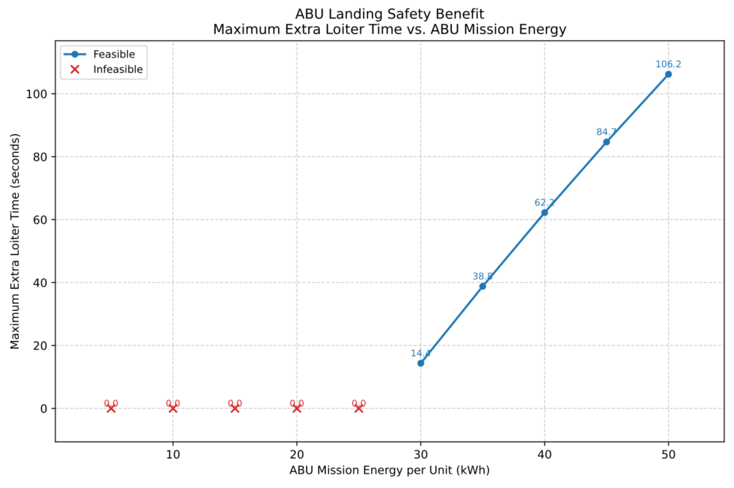
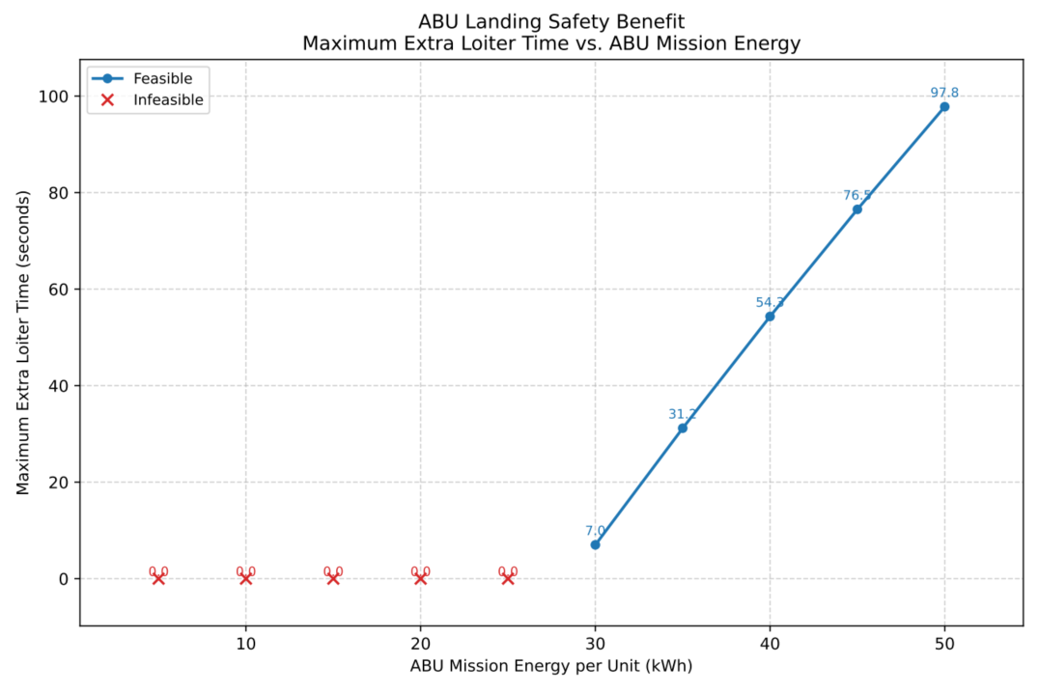
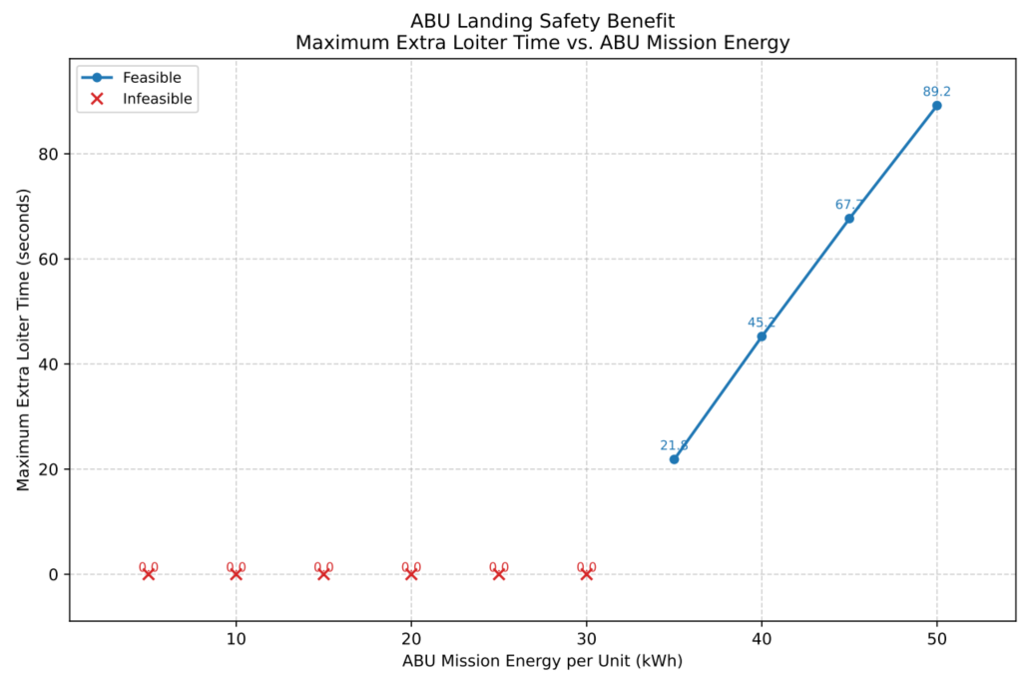
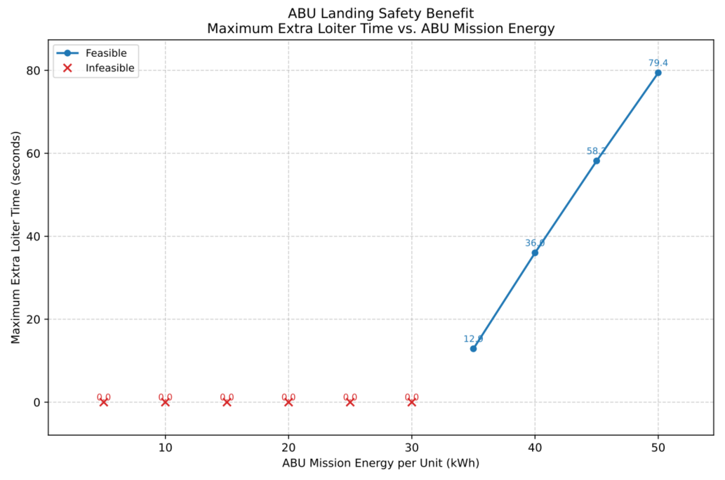
Joby S4
Altitude | E_abu_mission_kwh | m_abu_batt_kg | m_abu_total_all_kg | P_hover_attach_kw | P_cruise_attach_kw | t_divert_s | divert_distance_mi | E_divert_kwh | t_hover_s | E_hover_kwh | t_hover_descend_s | E_hover_descend_kwh | E_ops_kwh_total | t_loiter_hover_max_s | feasible | margin_kwh | note
1500 ft | 5 | 67.1 | 104.8 | 584.5 | 174.2 | 143.9 | 6.0 | 7.0 | 60.0 | 9.7 | 20.0 | 2.6 | 6.0 | 0.0 | 0.0 | -20.4 | Insufficient ABU mission energy
 | 10 | 97.5 | 142.9 | 597.9 | 177.2 | 143.9 | 6.0 | 7.1 | 60.0 | 10.0 | 20.0 | 2.7 | 6.0 | 0.0 | 0.0 | -15.8 | Insufficient ABU mission energy
 | 15 | 128.0 | 181.0 | 611.3 | 180.2 | 143.9 | 6.0 | 7.2 | 60.0 | 10.2 | 20.0 | 2.8 | 6.0 | 0.0 | 0.0 | -11.2 | Insufficient ABU mission energy
 | 20 | 158.5 | 219.1 | 624.9 | 183.3 | 143.9 | 6.0 | 7.3 | 60.0 | 10.4 | 20.0 | 2.8 | 6.0 | 0.0 | 0.0 | -6.6 | Insufficient ABU mission energy
 | 25 | 189.0 | 257.2 | 638.6 | 186.4 | 143.9 | 6.0 | 7.4 | 60.0 | 10.6 | 20.0 | 2.9 | 6.0 | 0.0 | 0.0 | -2.0 | Insufficient ABU mission energy
 | 30 | 219.5 | 295.3 | 652.3 | 189.5 | 143.9 | 6.0 | 7.6 | 60.0 | 10.9 | 20.0 | 3.0 | 6.0 | 14.4 | 1.0 | 2.6 | feasible
 | 35 | 250.0 | 333.4 | 666.2 | 192.6 | 143.9 | 6.0 | 7.7 | 60.0 | 11.1 | 20.0 | 3.0 | 6.0 | 38.8 | 1.0 | 7.2 | feasible
 | 40 | 280.4 | 371.5 | 680.2 | 195.8 | 143.9 | 6.0 | 7.8 | 60.0 | 11.3 | 20.0 | 3.1 | 6.0 | 62.2 | 1.0 | 11.8 | feasible
 | 45 | 310.9 | 409.6 | 694.2 | 199.1 | 143.9 | 6.0 | 8.0 | 60.0 | 11.6 | 20.0 | 3.1 | 6.0 | 84.7 | 1.0 | 16.3 | feasible
 | 50 | 341.4 | 447.7 | 708.4 | 202.4 | 143.9 | 6.0 | 8.1 | 60.0 | 11.8 | 20.0 | 3.2 | 6.0 | 106.2 | 1.0 | 20.9 | feasible
3000 ft | 5 | 67.1 | 105.2 | 584.7 | 173.6 | 143.9 | 6.0 | 6.9 | 60.0 | 9.7 | 40.0 | 5.4 | 6.0 | 0.0 | 0.0 | -23.1 | Insufficient ABU mission energy
 | 10 | 97.5 | 143.3 | 598.0 | 176.7 | 143.9 | 6.0 | 7.1 | 60.0 | 10.0 | 40.0 | 5.5 | 6.0 | 0.0 | 0.0 | -18.6 | Insufficient ABU mission energy
 | 15 | 128.0 | 181.4 | 611.5 | 179.8 | 143.9 | 6.0 | 7.2 | 60.0 | 10.2 | 40.0 | 5.6 | 6.0 | 0.0 | 0.0 | -14.0 | Insufficient ABU mission energy
 | 20 | 158.5 | 219.5 | 625.1 | 183.0 | 143.9 | 6.0 | 7.3 | 60.0 | 10.4 | 40.0 | 5.8 | 6.0 | 0.0 | 0.0 | -9.5 | Insufficient ABU mission energy
 | 25 | 189.0 | 257.6 | 638.7 | 186.1 | 143.9 | 6.0 | 7.4 | 60.0 | 10.6 | 40.0 | 5.9 | 6.0 | 0.0 | 0.0 | -5.0 | Insufficient ABU mission energy
 | 30 | 219.5 | 295.7 | 652.5 | 189.4 | 143.9 | 6.0 | 7.6 | 60.0 | 10.9 | 40.0 | 6.0 | 6.0 | 0.0 | 0.0 | -0.5 | Insufficient ABU mission energy
 | 35 | 250.0 | 333.8 | 666.4 | 192.6 | 143.9 | 6.0 | 7.7 | 60.0 | 11.1 | 40.0 | 6.2 | 6.0 | 21.8 | 1.0 | 4.0 | feasible
 | 40 | 280.4 | 372.0 | 680.3 | 195.9 | 143.9 | 6.0 | 7.8 | 60.0 | 11.3 | 40.0 | 6.3 | 6.0 | 45.2 | 1.0 | 8.6 | feasible
 | 45 | 310.9 | 410.1 | 694.4 | 199.2 | 143.9 | 6.0 | 8.0 | 60.0 | 11.6 | 40.0 | 6.4 | 6.0 | 67.7 | 1.0 | 13.1 | feasible
 | 50 | 341.4 | 448.2 | 708.5 | 202.6 | 143.9 | 6.0 | 8.1 | 60.0 | 11.8 | 40.0 | 6.5 | 6.0 | 89.2 | 1.0 | 17.6 | feasible

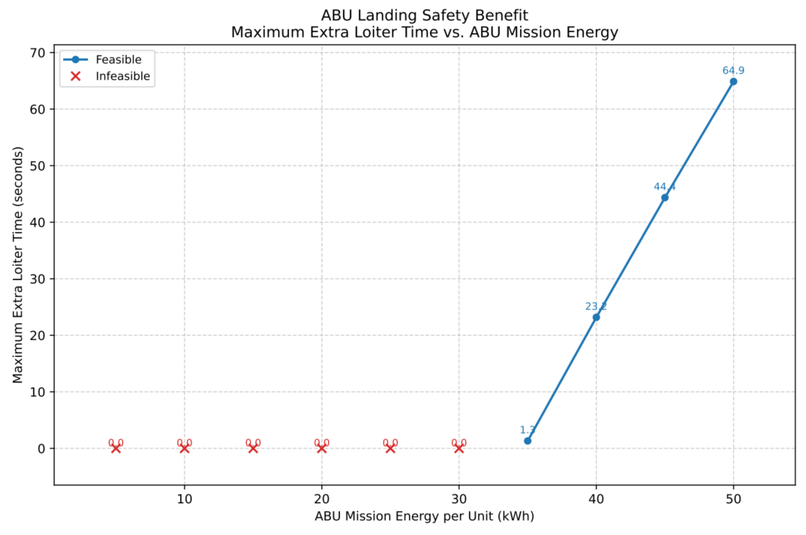
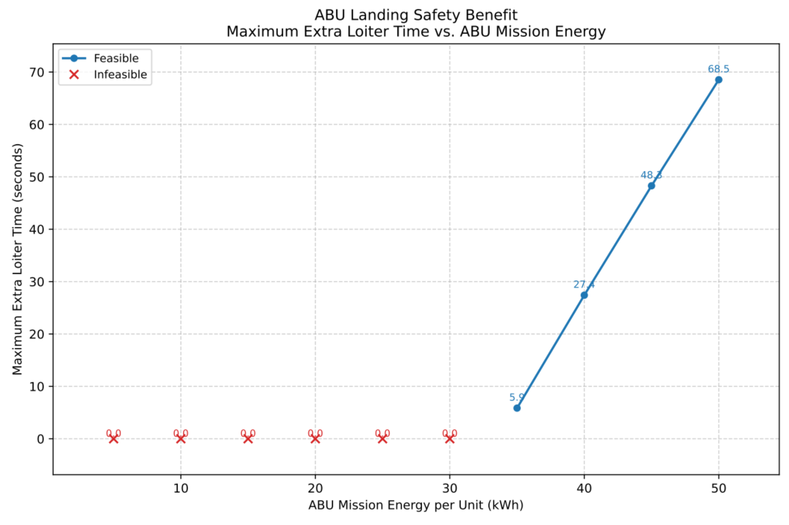
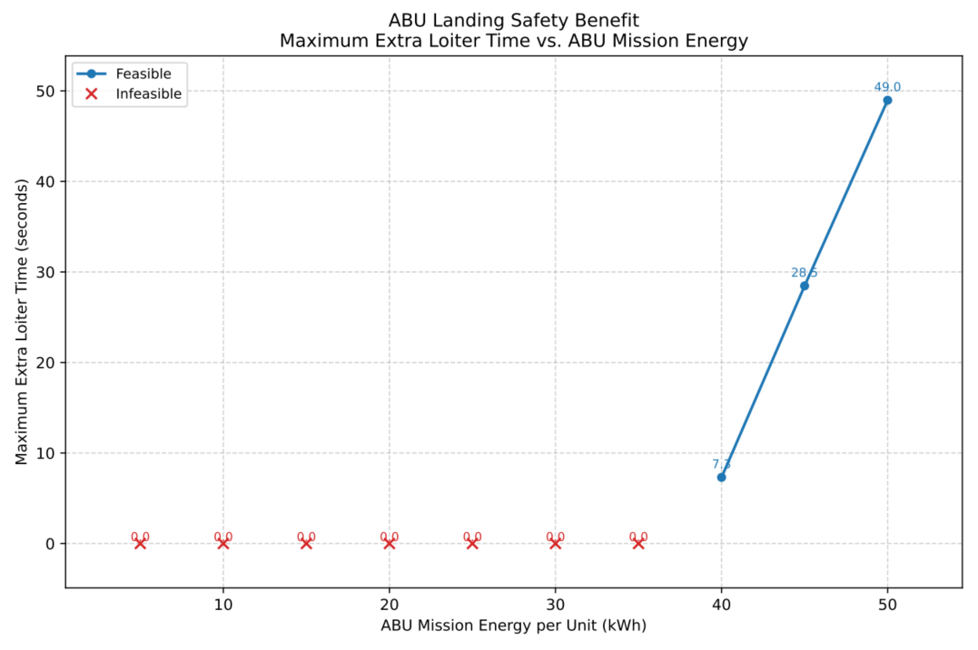
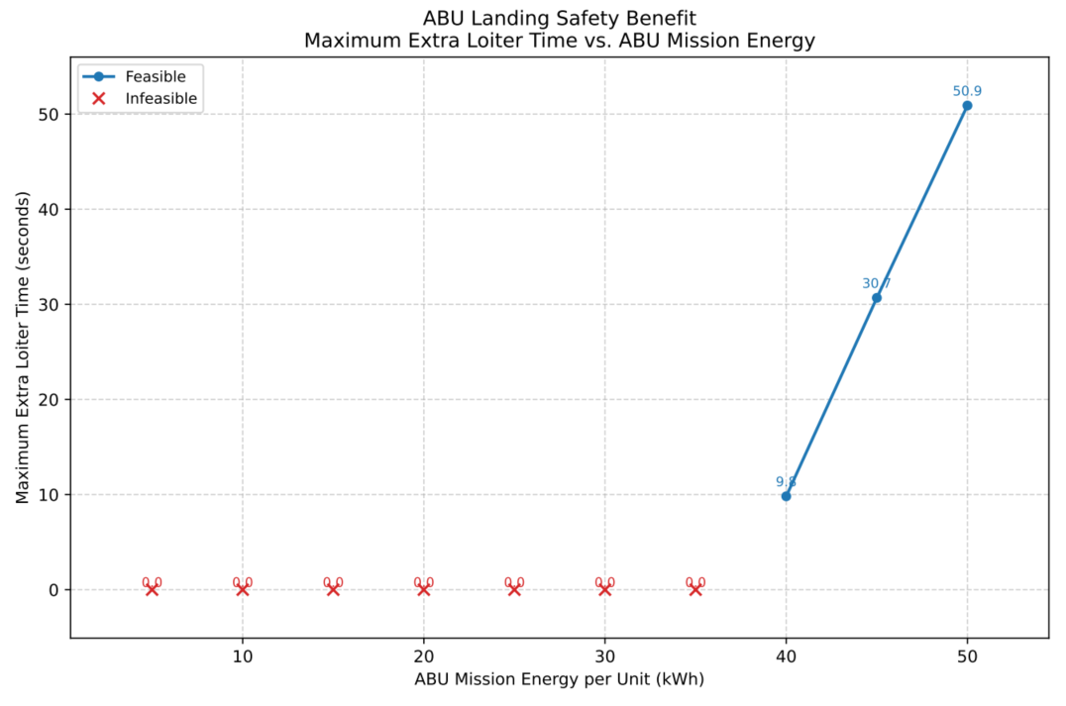
Supernal S-A2
Altitude | E_abu_mission_kwh | m_abu_batt_kg | m_abu_total_all_kg | P_hover_attach_kw | P_cruise_attach_kw | t_divert_s | divert_distance_mi | E_divert_kwh | t_hover_s | E_hover_kwh | t_hover_descend_s | E_hover_descend_kwh | E_ops_kwh_total | t_loiter_hover_max_s | feasible | margin_kwh | note
1500 ft | 5 | 67.1 | 105.9 | 682.0 | 303.1 | 143.9 | 6.0 | 12.1 | 60.0 | 11.4 | 20.0 | 3.1 | 6.0 | 0.0 | 0.0 | -27.6 | Insufficient ABU mission energy
 | 10 | 97.5 | 144.0 | 693.3 | 305.9 | 143.9 | 6.0 | 12.2 | 60.0 | 11.6 | 20.0 | 3.1 | 6.0 | 0.0 | 0.0 | -22.9 | Insufficient ABU mission energy
 | 15 | 128.0 | 182.1 | 704.7 | 308.8 | 143.9 | 6.0 | 12.3 | 60.0 | 11.7 | 20.0 | 3.2 | 6.0 | 0.0 | 0.0 | -18.3 | Insufficient ABU mission energy
 | 20 | 158.5 | 220.3 | 716.1 | 311.7 | 143.9 | 6.0 | 12.5 | 60.0 | 11.9 | 20.0 | 3.2 | 6.0 | 0.0 | 0.0 | -13.6 | Insufficient ABU mission energy
 | 25 | 189.0 | 258.4 | 727.6 | 314.7 | 143.9 | 6.0 | 12.6 | 60.0 | 12.1 | 20.0 | 3.3 | 6.0 | 0.0 | 0.0 | -9.0 | Insufficient ABU mission energy
 | 30 | 219.5 | 296.5 | 739.2 | 317.6 | 143.9 | 6.0 | 12.7 | 60.0 | 12.3 | 20.0 | 3.3 | 6.0 | 0.0 | 0.0 | -4.4 | Insufficient ABU mission energy
 | 35 | 250.0 | 334.6 | 750.8 | 320.6 | 143.9 | 6.0 | 12.8 | 60.0 | 12.5 | 20.0 | 3.4 | 6.0 | 1.3 | 1.0 | 0.3 | feasible
 | 40 | 280.4 | 372.7 | 762.5 | 323.6 | 143.9 | 6.0 | 12.9 | 60.0 | 12.7 | 20.0 | 3.4 | 6.0 | 23.2 | 1.0 | 4.9 | feasible
 | 45 | 310.9 | 410.8 | 774.2 | 326.6 | 143.9 | 6.0 | 13.1 | 60.0 | 12.9 | 20.0 | 3.5 | 6.0 | 44.4 | 1.0 | 9.5 | feasible
 | 50 | 341.4 | 448.9 | 786.0 | 329.6 | 143.9 | 6.0 | 13.2 | 60.0 | 13.1 | 20.0 | 3.6 | 6.0 | 64.9 | 1.0 | 14.2 | feasible
3000 ft | 5 | 67.1 | 106.4 | 682.2 | 297.0 | 143.9 | 6.0 | 11.9 | 60.0 | 11.4 | 40.0 | 6.3 | 6.0 | 0.0 | 0.0 | -30.5 | Insufficient ABU mission energy
 | 10 | 97.5 | 144.5 | 693.5 | 299.9 | 143.9 | 6.0 | 12.0 | 60.0 | 11.6 | 40.0 | 6.4 | 6.0 | 0.0 | 0.0 | -25.9 | Insufficient ABU mission energy
 | 15 | 128.0 | 182.6 | 704.9 | 302.8 | 143.9 | 6.0 | 12.1 | 60.0 | 11.7 | 40.0 | 6.5 | 6.0 | 0.0 | 0.0 | -21.4 | Insufficient ABU mission energy
 | 20 | 158.5 | 220.7 | 716.3 | 305.8 | 143.9 | 6.0 | 12.2 | 60.0 | 11.9 | 40.0 | 6.6 | 6.0 | 0.0 | 0.0 | -16.8 | Insufficient ABU mission energy
 | 25 | 189.0 | 258.8 | 727.8 | 308.7 | 143.9 | 6.0 | 12.3 | 60.0 | 12.1 | 40.0 | 6.7 | 6.0 | 0.0 | 0.0 | -12.2 | Insufficient ABU mission energy
 | 30 | 219.5 | 296.9 | 739.3 | 311.7 | 143.9 | 6.0 | 12.5 | 60.0 | 12.3 | 40.0 | 6.8 | 6.0 | 0.0 | 0.0 | -7.6 | Insufficient ABU mission energy
 | 35 | 250.0 | 335.1 | 751.0 | 314.7 | 143.9 | 6.0 | 12.6 | 60.0 | 12.5 | 40.0 | 6.9 | 6.0 | 0.0 | 0.0 | -3.0 | Insufficient ABU mission energy
 | 40 | 280.4 | 373.2 | 762.6 | 317.8 | 143.9 | 6.0 | 12.7 | 60.0 | 12.7 | 40.0 | 7.0 | 6.0 | 7.3 | 1.0 | 1.5 | feasible
 | 45 | 310.9 | 411.3 | 774.4 | 320.8 | 143.9 | 6.0 | 12.8 | 60.0 | 12.9 | 40.0 | 7.1 | 6.0 | 28.5 | 1.0 | 6.1 | feasible
 | 50 | 341.4 | 449.4 | 786.2 | 323.9 | 143.9 | 6.0 | 12.9 | 60.0 | 13.1 | 40.0 | 7.3 | 6.0 | 49.0 | 1.0 | 10.7 | feasible

