Output Curve Chart
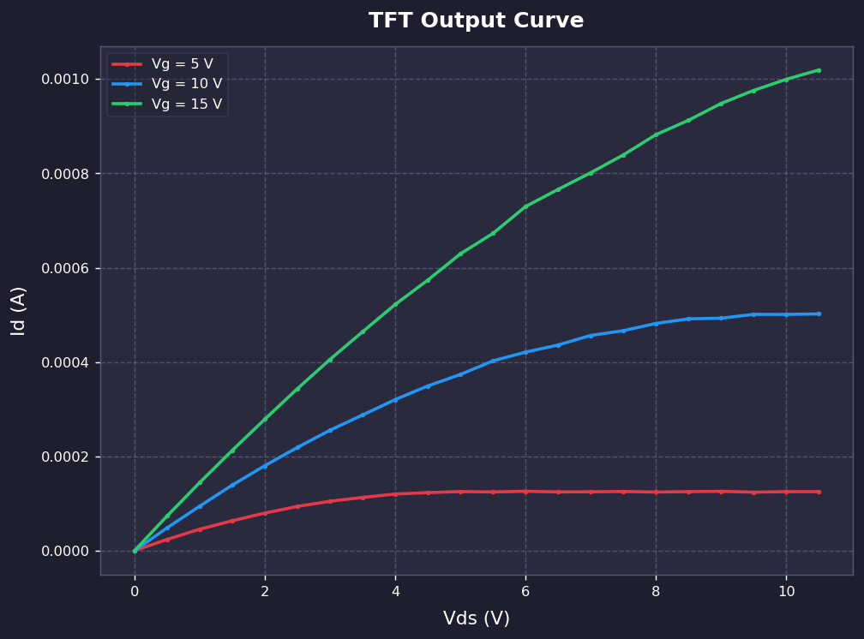
TFT Output Curve (Vd-Id)
Y축: 선형 스케일 (Linear)

