Transfer Curve Chart
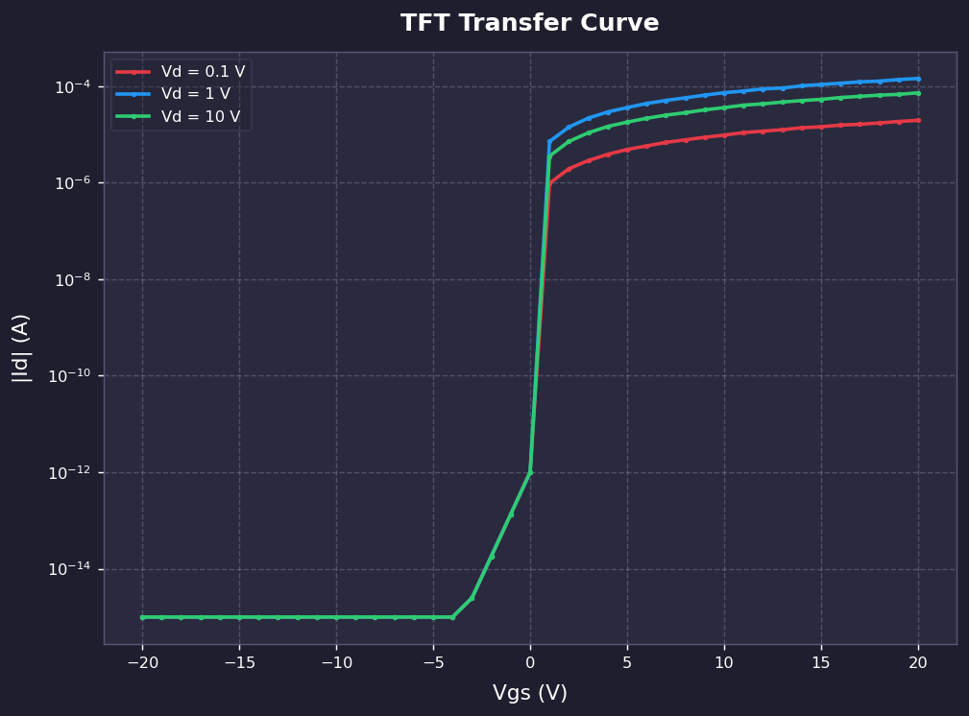
TFT Transfer Curve (Vgs-Id)
Y축: 로그 스케일 (Log)

