data
Comparison of Coffee Prices and Deforestation
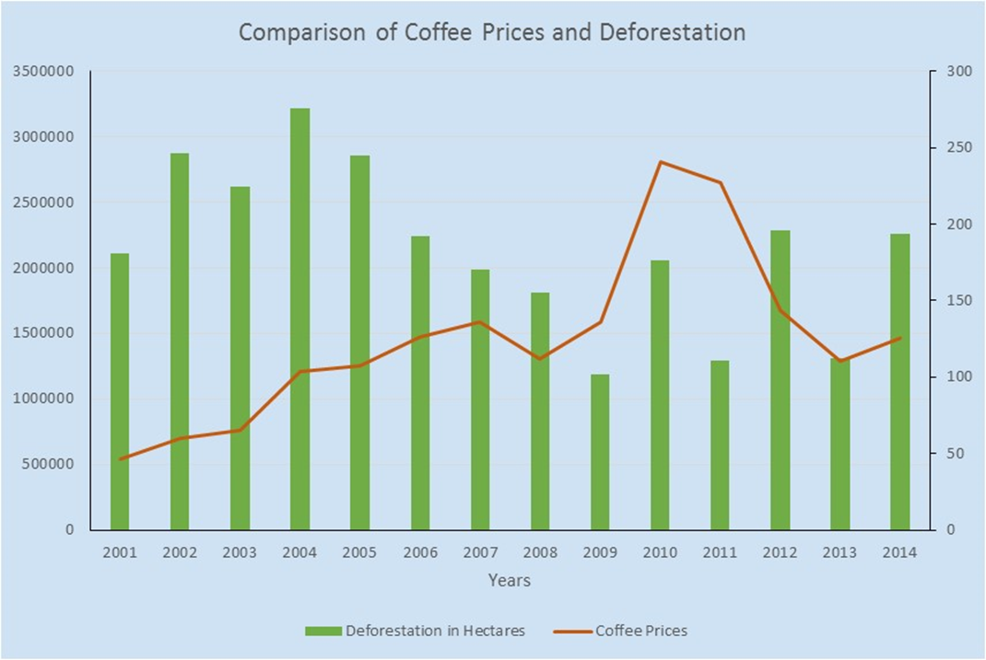
2001 | 46.2 | 2114131.3925
2002 | 60.2 | 2874818.6721
2003 | 64.95 | 2616297.7114
2004 | 103.75 | 3216539.6191
2005 | 107.1 | 2854331.1478
2006 | 126.2 | 2244575.0481
2007 | 136.2 | 1989589.7535
2008 | 112.05 | 1812077.7147
2009 | 135.95 | 1185671.1611
2010 | 240.5 | 2056665.5847
2011 | 226.85 | 1291133.4298
2012 | 143.8 | 2286402.4627
2013 | 110.7 | 1313276.2122
2014 | 125.2 | 2262241.3968

