Test Cases
Test ID | Operation | Menu keys / inputs to type (each item = one line + Enter) | Expected Output | Actual Output (type what you saw) | Image | Pass/Fail
T01 | Add employee | 1, 1, E103, Neha Joshi, HR | Employee added successfully. | Exployee Added sucessfully |  | Pass
T02 | Add employee with duplicate ID | 1, 1, E101, Test User, IT | [ERROR] Duplicate record: Person ID E101 already exists | [ERROR] Duplicate record: Person ID E103 already exists |  | Pass
T03 | Add vehicle | 1, 3, GJ05XY9999, Car, E103 | Vehicle added successfully. | Vehicle added successfully. |  | Pass
T04 | Add vehicle with unknown owner | 1, 3, GJ06AB1111, Bike, E999 | [ERROR] Not found: Owner ID E999 is not a registered person | [ERROR] Not found: Owner ID E999 is not a registered person |  | Pass
T05 | Issue pass | 6, 1, E103, GJ05XY9999, (blank), 2027-06-30 | Pass issued successfully: [PASS] P003 | Person: E103 | Vehicle: GJ05XY9999 | Issued: <today's date> | Expires: 2027-06-30 | Status: ACTIVE | Pass issued successfully: [PASS] P003 | Person: E103 | Vehicle: GJ05XY9999 | Issued: 2026-10-04 | Expires: 2027-06-30 | Status: ACTIVE |  | Pass
T06 | Issue pass with invalid date | 6, 1, E102, (blank), 2026-13-40, 2027-03-31 | [ERROR] Validation failed: Issue date must be a valid date in YYYY-MM-DD format | [ERROR] Validation failed: Issue date must be a valid date in YYYY-MM-DD format |  | Pass
T07 | Record gate entry (IN) | 6, 3, P001, S01, IN | Gate movement recorded: [LOG] L001 | Pass: P001 | IN | <date> <time> | Guard: S01 | Gate movement recorded: [LOG] L001 | Pass: P001 | IN | 2026-10-04 18:42:26 | Guard: S01 |  | Pass
T08 | Second IN for the same pass | 6, 3, P001, S01, IN | [ERROR] Pass rejected: pass P001 is already inside (record OUT first) | [ERROR] Pass rejected: pass P001 is already inside (record OUT first) |  | Pass
T09 | Record gate exit (OUT) | 6, 3, P001, S01, OUT | Gate movement recorded: [LOG] L002 | Pass: P001 | OUT | <date> <time> | Guard: S01 | Gate movement recorded: [LOG] L002 | Pass: P001 | OUT | 2026-10-04 18:48:47 | Guard: S01 |  | Pass
T10 | Search person by ID | 3, 1, E101 | [EMPLOYEE] E101 | Rahul Shah | Dept: Operations | [EMPLOYEE] E101 | Rahul Shah | Dept: Operations |  | Pass
T11 | Update person name | 4, 1, E101, Rahul K Shah | Name updated. (then 3, 1, E101 shows: [EMPLOYEE] E101 | Rahul K Shah | Dept: Operations) | Name updated. |  | Pass
T12 | Revoke pass | 6, 4, P002 | Pass revoked. | Pass revoked. |  | Pass
T13 | Verify a revoked pass | 6, 2, P002, S01 | [ERROR] Pass rejected: pass P002 has been revoked | [ERROR] Pass rejected: pass P002 has been revoked |  | Pass
T14 | Delete person who has an active pass | 5, 1, E101, Y | [ERROR] Operation not allowed: Person E101 has active pass P001. Revoke it first. | [ERROR] Operation not allowed: Person E101 has active pass P001. Revoke it first. |  | Pass
T15 | Persistence: save, close, reopen | 7 (report), then 9, Y. Run .\gatepass.exe again, then 2, 6 | On restart: Loaded 14 record(s) from the Data folder. All records still shown, incl. E103, GJ05XY9999, P003, P002 (REVOKED), logs L001 and L002, and E101 as 'Rahul K Shah'. |  | 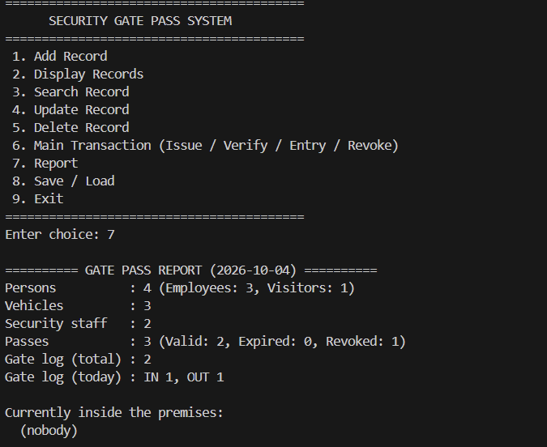 | Pass

