Sensitivity Report 1
Microsoft Excel 16.100 Sensitivity Report
Worksheet: [Chapter 4 Homework Fall 2025.xlsx]#1
Report Created: 9/30/25 12:26:51 PM

Answer the following questions: YOU MUST CREATE THE SENSITIVITY REPORT and use those values to answer the questions. Do not repeatedly run solver to answer the questions. You need to refer to the sensitivity report when you answer the questions.
1. Is the solution degenerate? Explain your reasoning. A: No, There are no zero values for the allowable increase or decrease
2. Is the solution unique? Explain your reasoning. A: Yes it is unique there are no multiple optimals, we know this becasue for rows 10-13 there are no zero values for the allowable increase or decrease. 3. If the Nut Company wanted to decrease the production on any product which one would you recommend and why? A: "Pounds produced whole" since the reduced cost is -0.23
4. If the Nut Company wanted to increase the production on any product which one would you recommend and why? A: "Pounds Produced Roasted" since the reduced cost is 0.568
5. Which resources are preventing the Nut company from making more money? If they could acquire more of this resource how much should they acquire and how much should they be willing to pay to acquire it? A: "Packaging Used" Since the company is williing to pay 0.832 more per unit with an allowable increase of 56.25. 6. How much should the company be willing to pay to acquire more chocolate? A: The company should not accuire more chocolate since the shadow price is 0 and it will not add any more value to the profit
7. If the marketing dept. wanted to decrease the price of Whole nuts by $0.25, would the optimal solution change? A: No, It wont change the optimal solution since the allwable decrease is 1E+30.
Variable Cells
 |  |  | Final | Reduced | Objective | Allowable | Allowable
 | Cell | Name | Value | Cost | Coefficient | Increase | Decrease
 | $C$5:$F$5
 | $C$5 | Pounds produced Whole | 1000 | -0.23 | 1.85 | 0.23 | 1E+30
 | $D$5 | Pounds produced Cluster | 500 | 0.0688 | 1.4 | 1E+30 | 0.0688
 | $E$5 | Pounds produced Crunch | 80 | 0 | 1.04 | 0.05375 | 0.115
 | $F$5 | Pounds produced Roasted | 200 | 0.568 | 1.4 | 1E+30 | 0.568

Constraints
 |  |  | Final | Shadow | Constraint | Allowable | Allowable
 | Cell | Name | Value | Price | R.H. Side | Increase | Decrease
 | $G$16:$G$19 <= $H$16:$H$19
 | $G$16 | Hulling Used | 1780 | 0 | 3600 | 1.00E+30 | 1820
 | $G$17 | Roasting Used | 3180 | 0 | 3600 | 1E+30 | 420
 | $G$18 | Coating Used | 1366 | 0 | 3600 | 1E+30 | 2234
 | $G$19 | Packaging Used | 3600 | 0.832 | 3600 | 56.25 | 100
 | $G$22 | Nuts Used | 1016 | 0 | 1100 | 1E+30 | 84
 | $G$23 | Chocolate Used | 764 | 0 | 800 | 1E+30 | 36

#1
Molokai Nut Company
Answer the following questions: YOU MUST CREATE THE SENSITIVITY REPORT and use those values to answer the questions. Do not repeatedly run solver to answer the questions. You need to refer to the sensitivity report when you answer the questions.
1. Is the solution degenerate? Explain your reasoning.
2. Is the solution unique? Explain your reasoning.
3. If the Nut Company wanted to decrease the production on any product which one would you recommend and why?
4. If the Nut Company wanted to increase the production on any product which one would you recommend and why?
5. Which resources are preventing the Nut company from making more money? If they could acquire more of this resource how much should they acquire and how much should they be willing to pay to acquire it? 6. How much should the company be willing to pay to acquire more chocolate? 7. If the marketing dept. wanted to decrease the price of Whole nuts by $0.25, would the optimal solution change?
Answered in the sensitivity report

 | Whole | Cluster | Crunch | Roasted
Pounds produced | 1000 | 500 | 80 | 200
Min Req'd | 1000 | 400 | 0 | 0
Max Needed | 99999 | 500 | 150 | 200

Unit Selling Price | $5.00 | $4.00 | $3.20 | $4.50
Unit Variable Cost | $3.15 | $2.60 | $2.16 | $3.10
Unit Profit Margin | $1.85 | $1.40 | $1.04 | $1.40

Total Profit | $2,913.20

Machine Use | Minutes required per pound |  |  |  | Used | Available
Hulling | 1.00 | 1.00 | 1.00 | 1.00 | 1780 | 3600
Roasting | 2.00 | 1.50 | 1.00 | 1.75 | 3180 | 3600
Coating | 1.00 | 0.70 | 0.20 | 0.00 | 1366 | 3600
Packaging | 2.50 | 1.60 | 1.25 | 1.00 | 3600 | 3600

Direct Materials | Ingredients required per pound |  |  |  | Used | Available
Nuts | 0.60 | 0.40 | 0.20 | 1.00 | 1016 | 1100
Chocolate | 0.40 | 0.60 | 0.80 | 0.00 | 764 | 800
Maximize: C13
By Changing: C5:F5
Subject to: G16:G19<=H16:H19
G22:G23<=H22:H23
C5:F5>=C6:F6
C5:F5<=C7:F7

#2
CitruSun
The CitruSun Corporation ships frozen orange juice concentrate from processing plants in Eustis and Clermont to distributors in Miami, Orlando, and Tallahassee. Each plant can produce 20 tons of concentrate each week. The company has just received orders of 10 tons from Miami for the coming week, 15 tons for Orlando, and 10 tons for Tallahassee. The cost per ton for supplying each of the distributors from each of the processing plants is shown in the following table.
The company wants to determine the least costly plan for filling their orders for the coming week. 1. Formulate an LP model for this problem. Decision variables
Let $x_{EM},x_{EO},x_{ET}≥0$ be tons shipped from Eustis to Miami, Orlando, and Tallahassee, respectively.
Let $x_{CM},x_{CO},x_{CT}≥0$ be tons shipped from Clermont to Miami, Orlando, and Tallahassee, respectively.
Objective (minimize cost)
Minimize $Z=c_{EM}x_{EM}+c_{EO}x_{EO}+c_{ET}x_{ET}+c_{CM}x_{CM}+c_{CO}x_{CO}+c_{CT}x_{CT}$, where $c_{ij}$ are the given costs per ton from the table to be substituted in the coefficients.
Supply constraints
Eustis capacity: $x_{EM}+x_{EO}+x_{ET}≤20$.
Clermont capacity: $x_{CM}+x_{CO}+x_{CT}≤20$.
Demand constraints
Miami demand: $x_{EM}+x_{CM}=10$.
Orlando demand: $x_{EO}+x_{CO}=15$.
Tallahassee demand: $x_{ET}+x_{CT}=10$.
2. Implement the model in a spreadsheet and solve it.
3. What is the optimal solution? $8600
4. Is the optimal solution degenerate?
A: No, There are no zero values for the allowable increase or decrease
5. Is the optimal solution unique? If not, identify an alternate optimal solution for the problem.
A: No, There are multiple optimal solutions for the problem
6. How would the solution change if the plant in Clermont is forced to shut for one day resulting in a loss of four tons of production capacity?
A: There would be no change since the allowable decrease is 5 tons for the clermont plant
7. What would the optimal objective function value be if the processing capacity in Eustis was reduced by five tons? A:Therte would be a chnage of -100$ since the the shadow price is -20$ on each reduced 10. Hence, if we reduce the production by 5 Tons we reduce the profit by 5*-20=-100$
8. Interpret the reduced cost for shipping from Eustis to Miami. A: If we were to ship 1 ton from Eustis to Miami we would have an increase in cost by 50$

 | Miami | Orlando | Tallahasee
Eustis | $260 | $220 | $290
Clermont | $230 | $240 | $310

 | Miami | Orlando | Tallahassee | Used | Available
Eustis | 0 | 15 | 5 | 20 | 20
Clermont | 10 | 0 | 5 | 15 | 20
Shipped | 10 | 15 | 10
Demand | 10 | 15 | 10

Total Cost | $8,600.00

#3
#3 Implement the following LP model in a spreadsheet. Use Solver to solve the problem and create a Sensitivity Report. Use this information to answer the following questions:
MIN 5X1 + 3X2 +4X3 ST X1+X2+X3 >= 2 5X1+ 3X2 + 2X3 >= 1
1. What is the smallest value the objective function coefficient for X3 can assume without changing the optimal solution?
A: Since the allowable decrease is 1 we can go as low as 3 (4-1) without chaning the optimal solution 2. What is the optimal objective function value if the objective function coefficient for X3 changes to –1? (Hint: The answer to this question is not given in the Sensitivity Report. Consider what the new objective function is relative to the constraints. How many X3 would you want to make? Is there anything preventing you from making that many) A: The problem becomes unbounded since it exceed the allowable decrese of 5 and due to that there will be no optimal solution
3. What is the optimal objective function value if the RHS value of the first constraint increases to 7?
A: 21
4. What is the optimal objective function value if the RHS value of the first constraint decreases by 1?
A: 3
5. Will the current solution remain optimal if the objective function coefficients for X1and X3 both decrease by 1?
A: Yes, since the decreases (−1 for X1 and −1 for X3) are each within their allowable decreases of 2 and 1 respectively
 | X1 | X2 | X3 | Total
 | 0 | 1 | 0 | 1
 | 5 | 3 | 4
Objective | 3

#4
ElectroTech Corporation
4. Create and use the sensitivity report to answer the following: 1. How much excess wiring and testing capacity exists in the optimal solution?
A: Excess wiring = 0 and excess testing = 10, because in the Answer/Sensitivity report unused capacity for a ≤ constraint equals RHS − Final Value, so Wiring Used has Final = 260 and RHS = 260 (0 slack) while Testing Used has Final = 130 and RHS = 140 (10 slack).
2. What is the company’s total profit if it has 10 additional hours of wiring capacity?
A: $33750 (Additional profit of $1250 compared to the original profit)
3. By how much does the profit on alternators need to increase before their production is justified?
A:225, because the alternator’s reduced cost is −225, which means its profit must rise by 225 (from 150 up to 375) for it to enter production at the optimum.
4. Does the optimal solution change if the marginal profit on generators decreases by $50 and the marginal profit on alternators increases by $75?
A: No, the solution stays the same since the coefficient changes (−50 for generators, +75 for alternators) are within the allowable ranges (decrease 150, increase 225).
5. Suppose the marginal profit on generators decreases by $25. What is the maximum profit that can be earned on alternators without changing the optimal solution?
A: alternator profit can rise up to $225 without changing the solution.
6. Suppose the amount of wiring required on alternators is reduced to 1.5 hours. Does this change the optimal solution? Why or why not?
A: No, it doesn’t change, because alternators are not produced in the current solutions, so reducing their wiring from 2 to 1.5 hours doesn’t affect the binding wiring constraint or any chosen variable.

 | Generators | Alternators |  | Total Profit
Number to produce | 130 | 0 |  | $32,500
Profit per Unit | $250 | $150

Resources Required |  |  | Used | Available
Wiring | 2 | 2 | 260 | 260
Testing | 1 | 2 | 130 | 140

Maximize: F4
By Changing: C4:D4
Subject To: E8:E9<=F8:F9
C4:D4>=0

#5
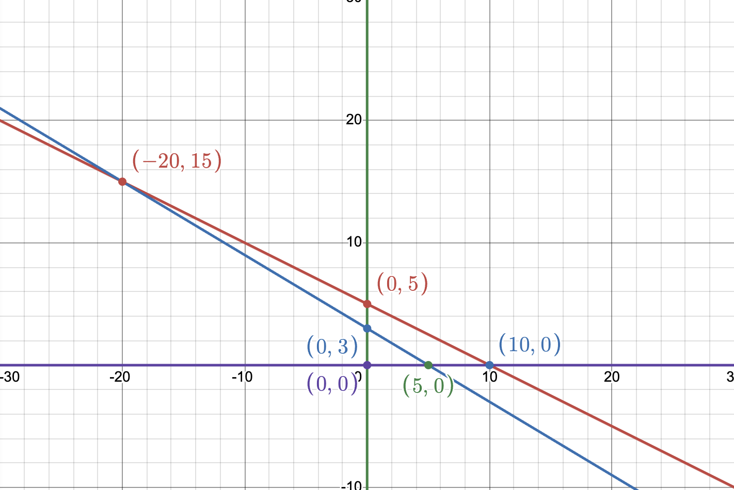
#5. Consider the following LP:
MAX: 4X1 + 2X2 ST 2X1 + 4X2 <= 20 3X1 + 5X2 <= 15
1. Use slack variables to rewrite this problem so that all its constraints are equal-to constraints.
Using S1,S2≥0 2X1+4X2+S1=20 3X1+5X2+S2=15 X1,X2,S1,S2≥0.
2. Plot the LP and identify all of the corner pts (including the infeasible ones)
3. Create a table similar to the one completed in class. Identify the different sets of basic variables that might be used to obtain a solution to the problem.
Of the possible sets of basic variables, which lead to feasible solutions and what are the values for all the variables at each of these solutions? What is the value of the objective function at each of the basic feasible solutions? The best (optimal) one is $\left(5 , 0\right)$ with $z=20$.
Basic feasible solutions
Basis {S1, S2}: $\left(X_{1} , X_{2} , S_{1} , S_{2}\right)=\left(0 , 0 , 20 , 15\right)$ and $z=4\left(0\right)+2\left(0\right)=0$.
Basis {X2, S1}: $\left(0 , 3 , 8 , 0\right)$ and $z=4\left(0\right)+2\left(3\right)=6$.
Basis {X1, S1}: $\left(5 , 0 , 10 , 0\right)$ and $z=4\left(5\right)+2\left(0\right)=20$.
Infeasible basics
Basis {X1, X2}: $\left(− , 20 , 15 , 00\right)$ violates $X_{1}≥0$.
Basis {X2, S2}: $\left(0 , 5 , 0 , −10\right)$ violates $S_{2}≥0$.
Basis {X1, S2}: $\left(10 , 0 , 0 , −15\right)$ violates $S_{2}≥0$
4. What is the optimal solution to the problem? The best (optimal) one is $\left(5 , 0\right)$ with $z=20$.
5. Which constraints are binding at the optimal solution? Binding: $3X_{1}+5X_{2}=15$ because its slack is $S_{2}=0$ at $\left(5 , 0\right)$
Binding: $X_{2}≥0$ since $X_{2}=0$ at the optimum

X1 | X2 | S1 | S2 | Feaseable? | Optimal Function
0 | 0 | 20 | 15 | Yes | 0
0 | 3 | 8 | 0 | Yes | 6
0 | 5 | 0 | -10 | No | 10
5 | 0 | 10 | 0 | Yes | 20 | X | Optimal
10 | 0 | 0 | -15 | No | 40
-20 | 15 | 0 | 0 | No (X1<0) | -50

