1
Blood Bank
The blood bank wants to determine the least expensive way to transport available blood donations from Pittsburgh and Staunton to hospitals in Charleston, Roanoke, Richmond, Norfolk, and Suffolk. The supply and demand for donated blood is shown below along with the unit cost of shipping along each possible arc. A. Create a spreadsheet model for this problem.
B. What is the optimal solution?
C, Suppose that no more than 1,000 units of blood can be transported over any one arc. What is the optimal solution to this revised problem. Duplicate this sheet and create a new one - titled "1C"

Units of flow | -- Arcs -- |  |  |  | Unit Cost
 | From |  | To |  |  | nodes | Name | Netflow | Supply/Demad
0.0 | 1 | pittsburgh | 3 | charleston | 3 | 1 | pittsburgh | -1300 | -1300
1300.0 | 1 | pittsburgh | 4 | ranoke | 4 | 2 | staunton | -1100 | -1200
1100.0 | 2 | staunton | 3 | charleston | 3 | 3 | charleston | 300 | 300
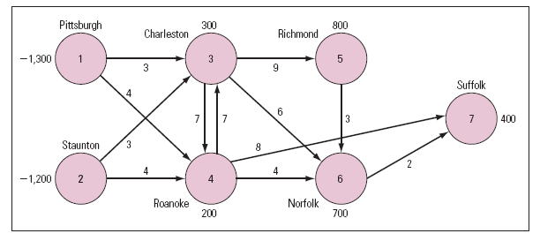
0.0 | 2 | staunton | 4 | ranoke | 4 | 4 | ranoke | 200 | 200
0.0 | 3 | charleston | 4 | ranoke | 7 | 5 | richmond | 800 | 800
800.0 | 3 | charleston | 5 | richmond | 9 | 6 | norflok | 700 | 700
0.0 | 3 | charleston | 6 | norflok | 6 | 7 | suffolk | 400 | 400
0.0 | 4 | ranoke | 3 | charleston | 7
1100.0 | 4 | ranoke | 6 | norflok | 4
0.0 | 4 | ranoke | 7 | suffolk | 8
0.0 | 5 | richmond | 6 | norflok | 3
400.0 | 6 | norflok | 7 | suffolk | 2

 |  |  |  | Cost | 20900

1C
Blood Bank
The blood bank wants to determine the least expensive way to transport available blood donations from Pittsburgh and Staunton to hospitals in Charleston, Roanoke, Richmond, Norfolk, and Suffolk. The supply and demand for donated blood is shown below along with the unit cost of shipping along each possible arc. A. Create a spreadsheet model for this problem.
B. What is the optimal solution?
C, Suppose that no more than 1,000 units of blood can be transported over any one arc. What is the optimal solution to this revised problem. Duplicate this sheet and create a new one - titled "1C"

Units of flow | -- Arcs -- |  |  |  | Unit Cost
 | From |  | To |  |  | nodes | Name | Netflow | Supply/Demad
1000.0 | 1 | pittsburgh | 3 | charleston | 3 | 1 | pittsburgh | -1300 | -1300
300.0 | 1 | pittsburgh | 4 | ranoke | 4 | 2 | staunton | -1100 | -1200
200.0 | 2 | staunton | 3 | charleston | 3 | 3 | charleston | 300 | 300
900.0 | 2 | staunton | 4 | ranoke | 4 | 4 | ranoke | 200 | 200
0.0 | 3 | charleston | 4 | ranoke | 7 | 5 | richmond | 800 | 800
800.0 | 3 | charleston | 5 | richmond | 9 | 6 | norflok | 700 | 700
100.0 | 3 | charleston | 6 | norflok | 6 | 7 | suffolk | 400 | 400
0.0 | 4 | ranoke | 3 | charleston | 7
1000.0 | 4 | ranoke | 6 | norflok | 4
0.0 | 4 | ranoke | 7 | suffolk | 8
0.0 | 5 | richmond | 6 | norflok | 3
400.0 | 6 | norflok | 7 | suffolk | 2

 |  |  |  | Cost | 21000

2
As rush coordinator for the Alpha Beta Chi (ABC) sorority, Kim Wong asked each pledge to identify five existing members of ABC whom she would most like to have as a big sister. Kim then asks the pledges to rank order these potential big sisters from 5 down to 1, where 5 represents the person they most want as a big sister, 4 represents their next choice, and so on. These rankings are summarized in the following table. After much consideration, Kim decides that this problem is similar to some of the problems she encountered in a business analytics class she took during her sophomore year. She knows that every pledge must be assigned a big sister, and each potential big sister can be assigned no more than one pledge. Ideally, Kim wants to assign each pledge to the big sister to whom she gave a ranking of 5. The sum of the rankings for such an assignment is 25 because each of the 5 pledges would be assigned to the big sister they ranked as number 5. But in the previous table, that would involve assigning pledges 2 and 4 to the same big sister, which is not allowable. Kim figures that the next best strategy is to determine the assignment that maximizes the sum of the rankings. Which pledges should be assigned to which big sisters?
Ans P1-> S15 P2->S2 P3->S8 P4->S3 P5->S5
ABC Sorority

 | Big Sister Rankings
Pledges | 1 | 2 | 3 | 4 | 5 | 6 | 7 | 8 | 9 | 10 | 11 | 12 | 13 | 14 | 15
1 |  |  | 5 |  | 3 |  |  | 1 |  |  | 2 |  |  |  | 4
2 |  | 5 |  | 2 |  | 1 |  | 4 |  | 3
3 | 2 |  | 3 |  |  | 4 |  | 5 |  |  |  | 1
4 |  | 5 | 4 |  |  |  | 1 |  | 2 |  |  |  |  |  | 3
5 |  | 3 |  |  | 5 |  |  |  |  | 2 |  |  | 4 | 1

 | Big Sister Assignments

 | Big sister
Pleadge | 1 | 2 | 3 | 4 | 5 | 6 | 7 | 8 | 9 | 10 | 11 | 12 | 13 | 14 | 15 | Total | Req
1 | 0 | 0 | 0 | 0 | 0 | 0 | 0 | 0 | 0 | 0 | 0 | 0 | 0 | 0 | 1 | 1 | 1
2 | 0 | 1 | 0 | 0 | 0 | 0 | 0 | 0 | 0 | 0 | 0 | 0 | 0 | 0 | 0 | 1 | 1
3 | 0 | 0 | 0 | 0 | 0 | 0 | 0 | 1 | 0 | 0 | 0 | 0 | 0 | 0 | 0 | 1 | 1
4 | 0 | 0 | 1 | 0 | 0 | 0 | 0 | 0 | 0 | 0 | 0 | 0 | 0 | 0 | 0 | 1 | 1
5 | 0 | 0 | 0 | 0 | 1 | 0 | 0 | 0 | 0 | 0 | 0 | 0 | 0 | 0 | 0 | 1 | 1
total | 0 | 1 | 1 | 0 | 1 | 0 | 0 | 1 | 0 | 0 | 0 | 0 | 0 | 0 | 1 | 5
Req | 1 | 1 | 1 | 1 | 1 | 1 | 1 | 1 | 1 | 1 | 1 | 1 | 1 | 1 | 1

 |  |  |  |  |  |  |  |  |  |  |  |  |  |  |  | 23

3
Car Transport
A used-car broker needs to transport his inventory of cars from locations 1 and 2 (shown in the figure( to used-car auctions being held at locations 4 and 5. The costs of transporting cars along each of the routes are indicated on the arcs. The trucks used to carry the cars can hold a maximum of 10 cars. Therefore, the maximum number of cars that can flow over any arc is 10.
A. Formulate an LP model to determine the least costly method of distributing the cars from locations 1 and 2 so that 20 cars will be available for sale at location 4, and 10 cars will be available for sale at location 5.
What is the optimal solution to this problem?

Units of flow | -- Arcs -- |  | Unit Cost | Nodes | Netfow | Sup/Dem
 | From | To |  | 1 | -15 | -15
0 | 1 | 2 | 12 | 2 | -15 | -15
5 | 1 | 3 | 8 | 3 | 0 | 0
10 | 1 | 4 | 15 | 4 | 20 | 20
5 | 2 | 3 | 9 | 5 | 10 | 10
10 | 2 | 5 | 16
10 | 3 | 4 | 6
0 | 3 | 5 | 7
0 | 5 | 4 | 12
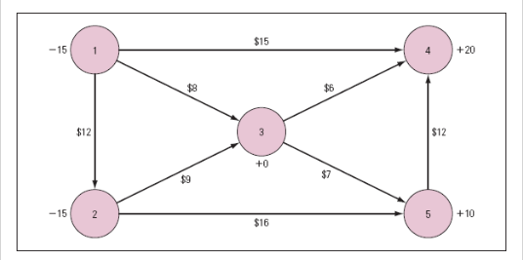
 |  | Total Cost | 455

4
Trejo Manufacturing
Trejo Manufacturing makes a variety of household appliances at a single manufacturing facility. The expected demand for one of these appliances during the next 4 months is shown in the following table along with the expected production costs and the expected capacity for producing these items. Trejo estimates that it costs $1.50 per month for each unit of this appliance carried in inventory at the end of each month. Currently, Trejo has 120 units in inventory on hand for this product. To maintain a level workforce, the company wants to produce at least 400 units per month. They also want to maintain a safety stock of at least 50 units per month. Trejo wants to determine how many of each appliance to manufacture during each of the next 4 months to meet the expected demand at the lowest possible total cost.
A. Draw a network flow model for this problem.
B. Create a spreadsheet model for this problem and solve it using Solver.
C. What is the optimal solution?
Hint: You want to create the following notdes: 1. A beginning and ending inventory (start and end) 2. 4 Production Nodes (Supply) 3. 4 Demand Nodes Here is a start for you....

Month
 | 1 | 2 | 3 | 4
Demand | 420 | 580 | 310 | 540
Production cost | $49.00 | $45.00 | $46.00 | $47.00
Production capacity | 500 | 520 | 450 | 550

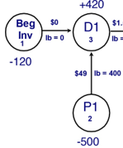

 | Month 1 | Month 2 | Month 3 | Month 4
Beginning Inventory | 120 | 110 | 50 | 140
Units Produced | 410 | 520 | 400 | 450
Units Demanded | 420 | 580 | 310 | 540
Ending Inventory | 110 | 50 | 140 | 50

Minimum Production | 400 | 400 | 400 | 400
Maximum Production | 500 | 520 | 450 | 550

Minimum Inventory | 50 | 50 | 50 | 50
Maximum Inventory | 1000 | 1000 | 1000 | 1000

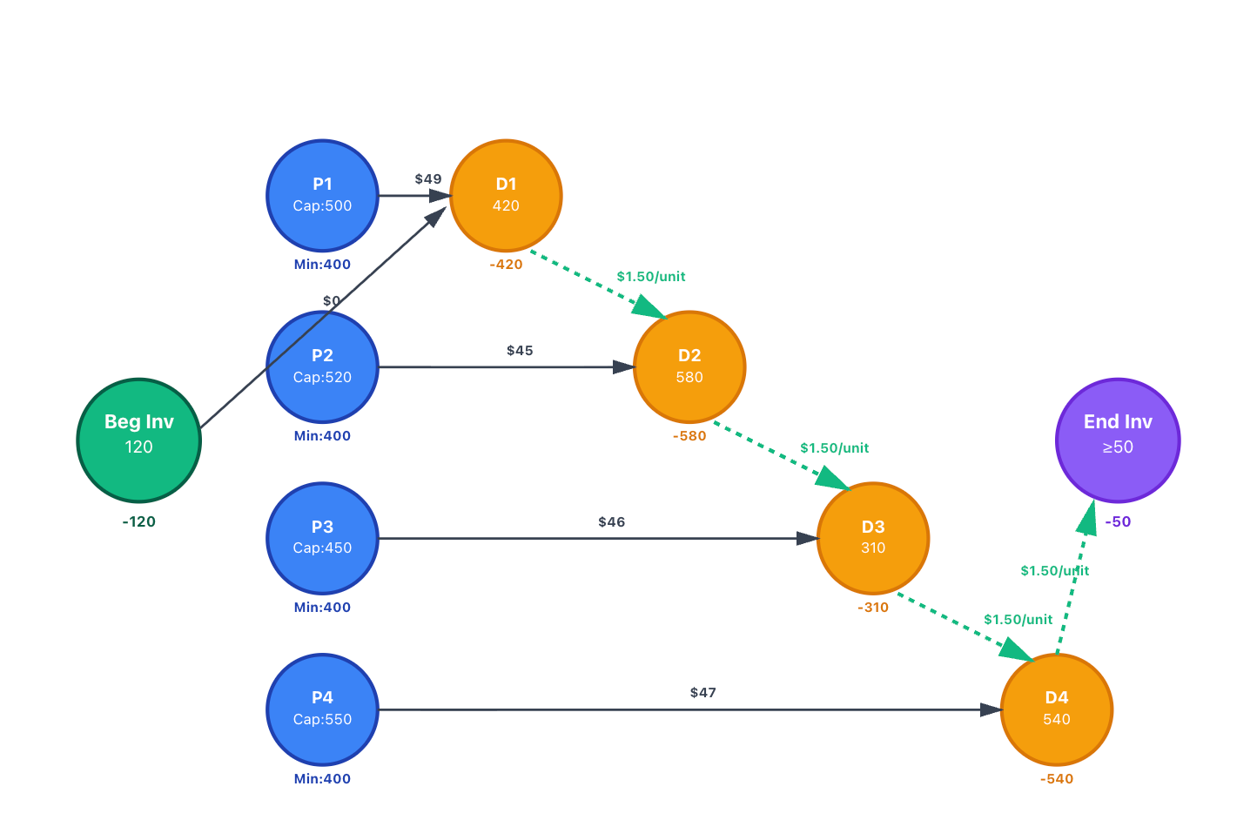
Unit Production Cost | $49.00 | $45.00 | $46.00 | $47.00
Unit Holding Cost | $1.50 | $1.50 | $1.50 | $1.50

Monthly Production Cost | $20,090.00 | $23,400.00 | $18,400.00 | $21,150.00
Monthly Carrying Cost | $165.00 | $75.00 | $210.00 | $75.00
 |  |  |  |  | Total Cost | 83565

5A
A residential moving company needs to move a family from city 1 to city 12 in where the numbers on the arcs represent the driving distance in miles between cities. A. Create a spreadsheet model for this problem.
B. What is the optimal solution?
C. Suppose the moving company gets paid by the mile and, as a result, wants to determine the longest path from city 1 to city 12. What is the optimal solution?
D. Now suppose travel is permissible in either direction between cities 6 and 9. Describe the optimal solution to this problem.
There should be a separate worksheet for parts b, c and D

 |  |  |  |  |  |  | Net Flow | Supply/Demand
Select Route? | From | to | Distance |  |  | 1 | -1 | -1
 |  |  |  |  |  | 2 | 0 | 0
0 | 1 | 2 | 180 |  |  | 3 | 0 | 0
1 | 1 | 3 | 370 |  |  | 4 | 0 | 0
0 | 1 | 4 | 459 |  |  | 5 | 0 | 0
0 | 2 | 5 | 813 |  |  | 6 | 0 | 0
0 | 2 | 3 | 430 |  |  | 7 | 0 | 0
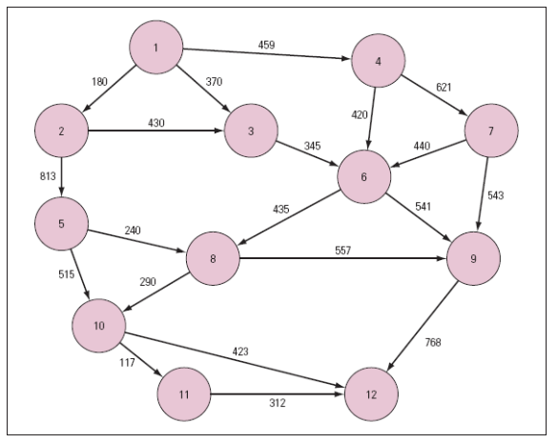
1 | 3 | 6 | 345 |  |  | 8 | 0 | 0
0 | 4 | 6 | 420 |  |  | 9 | 0 | 0
0 | 4 | 7 | 621 |  |  | 10 | 0 | 0
0 | 5 | 10 | 515 |  |  | 11 | 0 | 0
0 | 5 | 8 | 240 |  |  | 12 | 1 | 1
1 | 6 | 8 | 435
0 | 6 | 9 | 541
0 | 7 | 6 | 440
0 | 7 | 9 | 543
0 | 8 | 9 | 557
1 | 8 | 10 | 290
0 | 9 | 12 | 768
0 | 10 | 11 | 117
1 | 10 | 12 | 423
0 | 11 | 12 | 312

 |  |  |  | Total distance | 1863

5B
A residential moving company needs to move a family from city 1 to city 12 in where the numbers on the arcs represent the driving distance in miles between cities. A. Create a spreadsheet model for this problem.
B. What is the optimal solution?
C. Suppose the moving company gets paid by the mile and, as a result, wants to determine the longest path from city 1 to city 12. What is the optimal solution?
D. Now suppose travel is permissible in either direction between cities 6 and 9. Describe the optimal solution to this problem.
There should be a separate worksheet for parts b, c and D

 |  |  |  |  |  |  | Net Flow | Supply/Demand
Select Route? | From | to | Distance |  |  | 1 | -1 | -1
 |  |  |  |  |  | 2 | 0 | 0
0 | 1 | 2 | 180 |  |  | 3 | 0 | 0
1 | 1 | 3 | 370 |  |  | 4 | 0 | 0
0 | 1 | 4 | 459 |  |  | 5 | 0 | 0
0 | 2 | 5 | 813 |  |  | 6 | 0 | 0
0 | 2 | 3 | 430 |  |  | 7 | 0 | 0
1 | 3 | 6 | 345 |  |  | 8 | 0 | 0
0 | 4 | 6 | 420 |  |  | 9 | 0 | 0
0 | 4 | 7 | 621 |  |  | 10 | 0 | 0
0 | 5 | 10 | 515 |  |  | 11 | 0 | 0
0 | 5 | 8 | 240 |  |  | 12 | 1 | 1
1 | 6 | 8 | 435
0 | 6 | 9 | 541
0 | 7 | 6 | 440
0 | 7 | 9 | 543
0 | 8 | 9 | 557
1 | 8 | 10 | 290
0 | 9 | 12 | 768
0 | 10 | 11 | 117
1 | 10 | 12 | 423
0 | 11 | 12 | 312

 |  |  |  | Total distance | 1863

5C
A residential moving company needs to move a family from city 1 to city 12 in where the numbers on the arcs represent the driving distance in miles between cities. A. Create a spreadsheet model for this problem.
B. What is the optimal solution?
C. Suppose the moving company gets paid by the mile and, as a result, wants to determine the longest path from city 1 to city 12. What is the optimal solution?
D. Now suppose travel is permissible in either direction between cities 6 and 9. Describe the optimal solution to this problem.
There should be a separate worksheet for parts b, c and D

 |  |  |  |  |  |  | Net Flow | Supply/Demand
Select Route? | From | to | Distance |  |  | 1 | -1 | -1
 |  |  |  |  |  | 2 | 0 | 0
0 | 1 | 2 | 180 |  |  | 3 | 0 | 0
0 | 1 | 3 | 370 |  |  | 4 | 0 | 0
1 | 1 | 4 | 459 |  |  | 5 | 0 | 0
0 | 2 | 5 | 813 |  |  | 6 | 0 | 0
0 | 2 | 3 | 430 |  |  | 7 | 0 | 0
0 | 3 | 6 | 345 |  |  | 8 | 0 | 0
0 | 4 | 6 | 420 |  |  | 9 | 0 | 0
1 | 4 | 7 | 621 |  |  | 10 | 0 | 0
0 | 5 | 10 | 515 |  |  | 11 | 0 | 0
0 | 5 | 8 | 240 |  |  | 12 | 1 | 1
1 | 6 | 8 | 435
0 | 6 | 9 | 541
1 | 7 | 6 | 440
0 | 7 | 9 | 543
1 | 8 | 9 | 557
0 | 8 | 10 | 290
1 | 9 | 12 | 768
0 | 10 | 11 | 117
0 | 10 | 12 | 423
0 | 11 | 12 | 312

 |  |  |  | Total distance | 3280

5D
A residential moving company needs to move a family from city 1 to city 12 in where the numbers on the arcs represent the driving distance in miles between cities. A. Create a spreadsheet model for this problem.
B. What is the optimal solution?
C. Suppose the moving company gets paid by the mile and, as a result, wants to determine the longest path from city 1 to city 12. What is the optimal solution?
D. Now suppose travel is permissible in either direction between cities 6 and 9. Describe the optimal solution to this problem.
There should be a separate worksheet for parts b, c and D

 |  |  |  |  |  |  | Net Flow | Supply/Demand
Select Route? | From | to | Distance |  |  | 1 | -1 | -1
 |  |  |  |  |  | 2 | 0 | 0
0 | 1 | 2 | 180 |  |  | 3 | 0 | 0
1 | 1 | 3 | 370 |  |  | 4 | 0 | 0
0 | 1 | 4 | 459 |  |  | 5 | 0 | 0
0 | 2 | 5 | 813 |  |  | 6 | 0 | 0
0 | 2 | 3 | 430 |  |  | 7 | 0 | 0
1 | 3 | 6 | 345 |  |  | 8 | 0 | 0
0 | 4 | 6 | 420 |  |  | 9 | 0 | 0
0 | 4 | 7 | 621 |  |  | 10 | 0 | 0
0 | 5 | 10 | 515 |  |  | 11 | 0 | 0
0 | 5 | 8 | 240 |  |  | 12 | 1 | 1
1 | 6 | 8 | 435
0 | 6 | 9 | 541
0 | 7 | 6 | 440
0 | 7 | 9 | 543
0 | 8 | 9 | 557
1 | 8 | 10 | 290
0 | 9 | 6 | 541
0 | 9 | 12 | 768
0 | 10 | 11 | 117
1 | 10 | 12 | 423
0 | 11 | 12 | 312

 |  |  |  | Total distance | 1863

6
Omega Airlines
Telephone calls for the YakLine, a discount long distance carrier, are routed through a variety of switching devices that interconnect various network hubs in different cities. The maximum number of calls that can be handled by each segment of their network is shown in the following table.
YakLine wants to determine the maximum number of calls that can go from its East Coast operations hub in Washington, DC to its West Coast operations hub in San Francisco.
A. Draw a network flow model for this problem.
B. Create a spreadsheet model for this problem and solve it.
C. What is the optimal solution?
Network Segments | Calls (in 1,000s)
Washington, DC to Chicago | 800
Washington, DC to Kansas City | 650
Washington, DC to Dallas | 700
Chicago to Dallas | 725
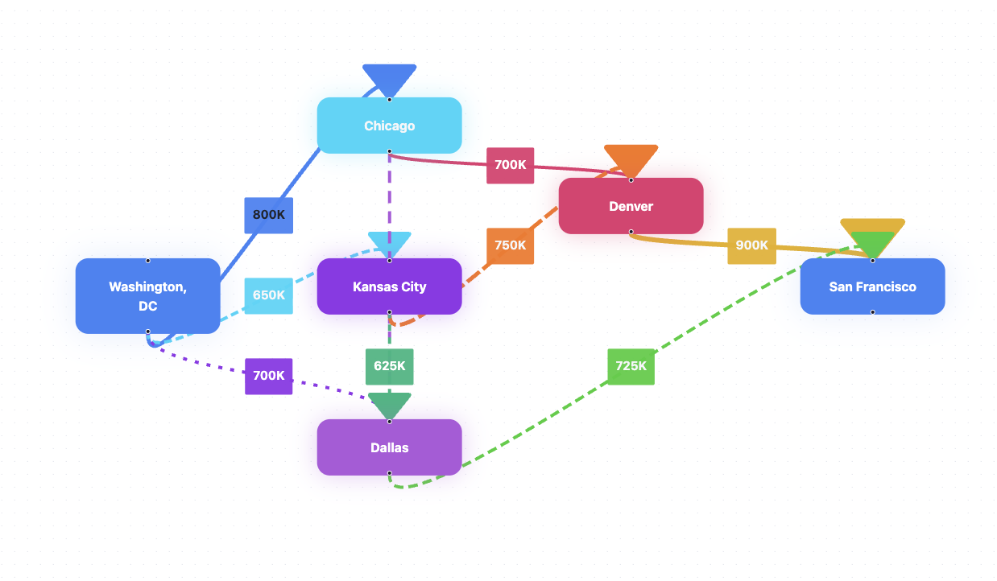
Chicago to Denver | 700
Kansas City to Denver | 750
Kansas City to Dallas | 625
Denver to San Francisco | 900
Dallas to San Francisco | 725

725
USED LOVABLE AI FOR THIS

 |  |  |  |  |  | nodes | Name | Netflow | Supply/Demad
Units | -- Arcs -- |  |  |  | Upper | 1 | Washington ,Dc | 0 | 0
of Flow | From |  | To |  | Bound | 2 | Chicago | 0 | 0
725 | 1 | Washington ,Dc | 2 | Chicago | 800 | 3 | Kansas City | 0 | 0
200 | 1 | Washington ,Dc | 3 | Kansas City | 650 | 4 | Dallas | 0 | 0
700 | 1 | Washington ,Dc | 4 | Dallas | 700 | 5 | Denver | 0 | 0
25 | 2 | Chicago | 4 | Dallas | 725 | 6 | Sanfrancisco | 0 | 0
700 | 2 | Chicago | 5 | Denver | 700
0 | 3 | Kansas City | 4 | Dallas | 625
200 | 3 | Kansas City | 5 | Denver | 750
725 | 4 | Dallas | 6 | Sanfrancisco | 725
900 | 5 | Denver | 6 | Sanfrancisco | 900
1625 | 6 | Sanfrancisco | 1 | Washington ,Dc | 9999

 | MaxFlow | 1625

7
The Metro Cable Television Company is to install a television cable system in a community consisting of seven suburbs. Each of the suburbs must be connected to the main cable system. The cable television company wants to lay out the main cable network in a way that will minimize the total length of cable that must be installed. The possible paths available to the cable television company (by consent of the town council) and the feet of cable (in thousands of feet) required for each path are shown below

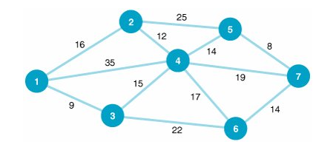

1
3
4
5

2

7

6

Total feet used | 72000 ft

