Sheet1
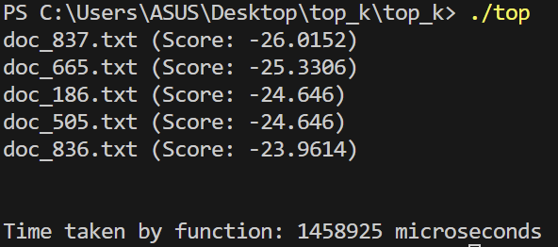
Number of docs | tword1("the") |  |  | tword2("for") |  |  | tword3("for the music") |  |  | tavg | tavg(inb) | tavg(imp)
trial# | 1 | 2 | 3 | 1 | 2 | 3 | 1 | 2 | 3 |  |  |  | %improv
5 | 7855 | 7330 | 17465 | 21446 | 23826 | 9417 | 6350 | 9523 | 16315 | 13280.777778 | 13280.777778 | 4837.2222222 | 63.577267061
10 | 18982 | 6723 | 30643 | 18304 | 16919 | 18300 | 16553 | 16938 | 16472 | 17759.333333 | 17759.333333 | 13257.777778 | 25.347548081
20 | 37066 | 30540 | 34942 | 30998 | 33029 | 31589 | 32481 | 42691 | 32808 | 34016 | 34016 | 22293.222222 | 34.462540504
50 | 89435 | 74819 | 76990 | 67408 | 72054 | 86277 | 89862 | 73443 | 81000 | 79032 | 79032 | 77077 | 2.4736815467
200 | 351898 | 325702 | 313521 | 302380 | 347848 | 277740 | 314971 | 304896 | 304855 | 315979 | 315979 | 290462.22222 | 8.0754663372
1000 | 1714921 | 1656000 | 2147891 | 1550347 | 1549921 | 1551612 | 1603954 | 1564229 | 1581934 | 1657867.6667 | 1657867.6667 | 1487236.7778 | 10.292189921

Inbuilt V/s Implemented approaches
Number of docs | tword1("the") |  |  | tword2("for") |  |  | tword3("for the music") |  |  | tavg
trial# | 1 | 2 | 3 | 1 | 2 | 3 | 1 | 2 | 3
5 | 8279 | 13199 | 3158 | 3320 | 3183 | 1262 | 561 | 3666 | 6907 | 4837.2222222
10 | 6069 | 9146 | 18205 | 17569 | 15628 | 15913 | 16432 | 9987 | 10371 | 13257.777778
20 | 30426 | 28138 | 30636 | 20828 | 31095 | 19519 | 15750 | 9760 | 14487 | 22293.222222
50 | 80349 | 79414 | 78116 | 79641 | 78298 | 72741 | 77562 | 79294 | 68278 | 77077
200 | 291157 | 295636 | 295072 | 283459 | 287849 | 289507 | 286876 | 287963 | 296641 | 290462.22222
1000 | 1470750 | 1472948 | 1458925 | 1520197 | 1471430 | 1469680 | 1503777 | 1500502 | 1516922 | 1487236.7778

