01
Customer Retention & Cohort Conversion Summary
SOURCE: PostgreSQL (View: cohort_analysis)
DATASET: contoso_100k
FIRST PURCHASE RANGE: 20 April 2022 - 20 April 2023
LOGIC: "Retained" = 2nd order placed within 365 days from 1st order.
COHORT MATURITY: This date range represents the latest fully matured cohort, ensuring every customer included has had a complete 365-day window to potentially return.

customer_segment | total_customer_count | customer_share_pct | total_segment_revenue | revenue_share_pct | avg_ltv | ltv_multiplier | customer_segment | customer_share_pct | revenue_share_pct
Churned_Cust | 6794 | 79 | 14516604.705 | 63.9 | 2136.68 | 1 | Churned_Cust | 79 | 63.9
Retained_Cust | 1807 | 21 | 8195692.1059 | 36.1 | 4535.52 | 2.12 | Retained_Cust | 21 | 36.1
Total | 8601 | 100 | 22712296.81 | 100

Customer Segment %
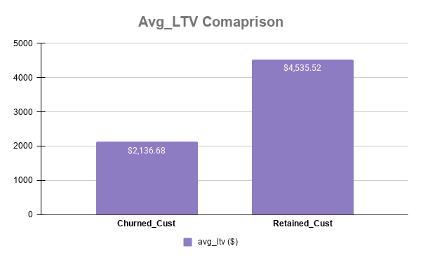

customer_share_pct and revenue_share_pct

