Sheet1
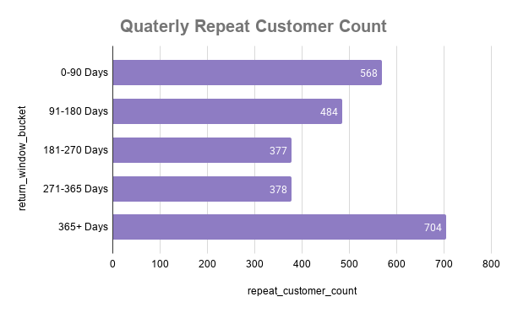
Customer Retention & Cohort Conversion Summary
SOURCE: PostgreSQL (View: cohort_analysis)
DATASET: contoso_100k
FIRST PURCHASE RANGE: 20 April 2022 - 20 April 2023
LOGIC: "Retained" = 2nd order placed within 365 days from 1st order.
COHORT MATURITY: This date range represents the latest fully matured cohort, ensuring every customer included has had a complete 365-day window to potentially return.
NOTE: Customers who made second purchase in the 365+ Days Bucket, are not actually retained customers. They are late returning customers (if we consider a buffer period before officially
considering churned) or re-activated cusotmers. But i have included those as weel as they give us extra insinghts without actually disrupting our main scope to answer.

return_window_bucket | repeat_customer_count | repeat_buyer_share_pct | cohort_conversion_pct
0-90 Days | 568 | 22.6 | 6.6
91-180 Days | 484 | 19.3 | 5.6
181-270 Days | 377 | 15 | 4.4
271-365 Days | 378 | 15.1 | 4.4
365+ Days | 704 | 28 | 8.2

