Sheet1
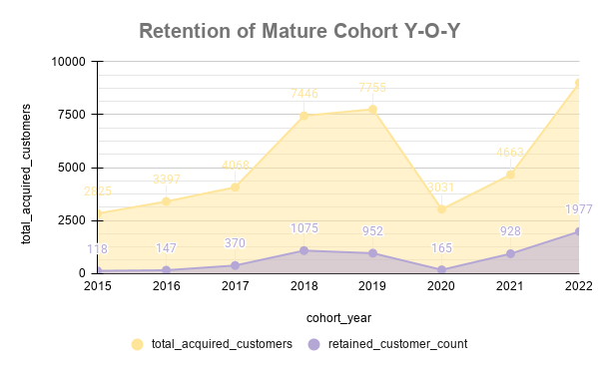
Y-O-Y Trend Analysis Summary
SOURCE: PostgreSQL (View: cohort_analysis)
DATASET: contoso_100k
DATE RANGE: 1 Jan, 2015 - 31 Dec, 2022
Note: I have not considered the 4 months of 2023 even though they are technically matured cohorts because we cannot compate 12 months of each year to the 4 months of another year. We
cound have used it if we were comparing only the Q1 (Quater 1) of all the years for our y-o-y trend analysis.

cohort_year | total_acquired_customers | churned_customer_count | retained_customer_count | retention_rate_pct | retained_order_1_aov | retained_order_2_aov
2015 | 2825 | 2707 | 118 | 4.18 | 2923.7 | 2829.59
2016 | 3397 | 3250 | 147 | 4.33 | 2609.22 | 2463.34
2017 | 4068 | 3698 | 370 | 9.1 | 3211.49 | 3337.31
2018 | 7446 | 6371 | 1075 | 14.44 | 2825.48 | 2862.89
2019 | 7755 | 6803 | 952 | 12.28 | 2936.91 | 2481.62
2020 | 3031 | 2866 | 165 | 5.44 | 2681.62 | 2902.72
2021 | 4663 | 3735 | 928 | 19.9 | 2629.34 | 2427.28
2022 | 9010 | 7033 | 1977 | 21.94 | 2377.55 | 2105.98

