About
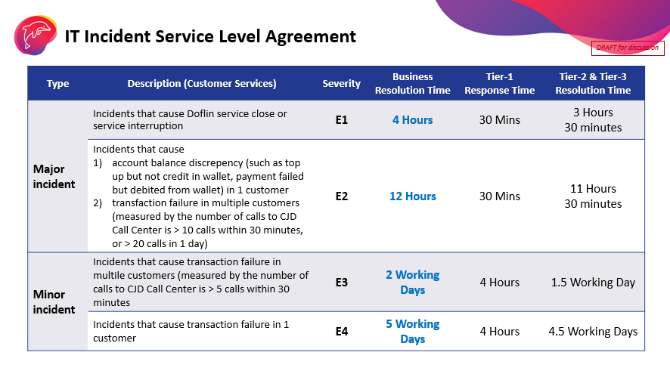
Business Criticality | Type | Purposes | Action/SLA
High | Operational | Marketing Campaigns (Business Impact) | RAISE A CASE, MAKE A CALL
Medium | Reporting | KPIs, Critical Reports and Dashboard, Risk monitoring, Models | RAISE A CASE / Log in JIRA
Low | Analysis, Modelling | Exploratory data analysis, hypothesis testing, Dashboard/Report | RAISE A CASE / Log in JIRA

PIC | Contact | Email
Zac | 065-523-5285 | chiamzhanpeng@CJDFintech.com
Praew | 065-523-5418 | praewpun.ch@CJDFintech.com
Champ | 065-523-5412 | visarn.ku@CJDFintech.com
Weilin | 084-524-5403 | ex-weilinlim@CJDFintech.com
Boss | 065-979-7325 | chattarin.ho@CJDFintech.com

IT/DI Criticality Definition
High : Violate to regulation and law, Harm to customer experiences, Data breach, What can make us lose money (e.g. sending sms twice times)
Medium : Critical dashboards/reports
Low : Monitoring purpose, Data exploration, Dashboards/reports

Domain | Keywords | PIC | Keywords | # Jobs
Transaction DQ | txn, acct, bal, utl | Boss | txn, acct, bal, utl | 0
Customer, Promo, KYC, LCM | cust, promo, risk, lcm | Weilin | cust, promo, risk, lcm | 0
Dashboards, Merchant, Risk, Realtime | Etc | Zac | Etc | 117
The1 | t1, tableau | Frank |  | 228
Marketing, Leads |  | Pitt |  | 274
 |  |  |  | 619

