Hoja1
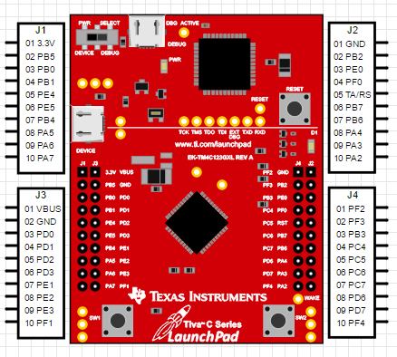
LED J1 |  | Botonrd
J1-1 | PB5 | J1 | PF4
J1-2 | PB0 | J2 | PF0
J1-3 | PB1
J1-4 | PE4 | LED sem
J1-5 | PE5 | Rojo | PF1
J1-6 | PB4 | Verde | PF3
J1-7 | PA5
J1-8 | PA6

LED J2
J2-1 | PD0
J2-2 | PD1
J2-3 | PD2
J2-4 | PD3
J2-5 | PE1
J2-6 | PE2
J2-7 | PE3
J2-8 | PB3

