CFG-Paths
 | VVTA, PPFDP Informatica, 2022-2023

Covered source code |  | Control Flow Graph (CFG) | Cyclomatic Complexity (CC)

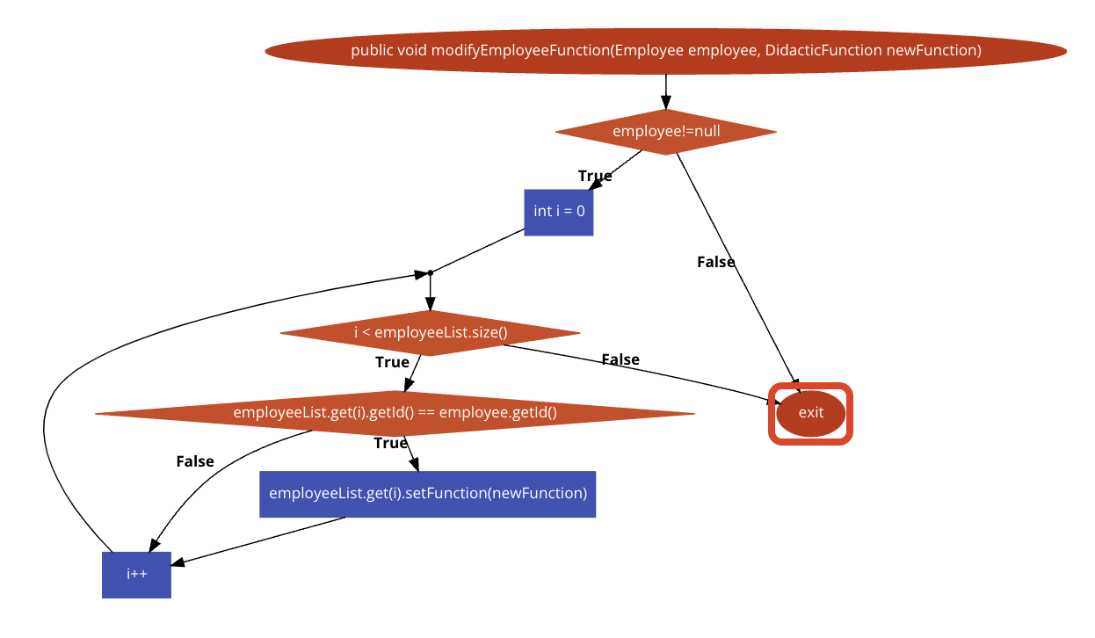
Line No. | Source code | please insert the CFG for tested method | CC1 = No. of regions = |  | 4
1 | public void modifyEmployeeFunction(Employee employee, DidacticFunction newFunction) { | It may be a screen capture, image, picture taken by phone, etc. | CC2 = Edges - Nodes + 2 = |  | 4
2 | if (employee!=null) { | <CFG > | CC3 = No. of Conditions + 1 = |  | 4
3 | int i = 0;
4 | while (i < employeeList.size()) {
5 | if (employeeList.get(i).getId() == employee.getId()) |  | Individual Paths
6 | employeeList.get(i).setFunction(newFunction);
R1
7 | i++; |  | Path No. | Path
8 | } |  | P01 | 1-2F-8
R2
9 | } |  | P02 | 1-2T-3-4T-5T-6-7-4F-8
10 | } |  | P03 | 1-2T-3-4F-8
11 |  |  | P04 | 1-2T-3-4T-5F-7-4F-8
12
13
R3
14
15
16
17
R4
18
19
20
21
22
23

