Cerinta
VVTA, PPFDP Informatica, 2021-2022
 | Lab02. Testare Black-box. Tehnicile de testare EP, BVA
 | Student | Diana Hategan
 | Data predarii | 16-10-2022 | Grupa | 1211

/**
* adauga o carte in repository
* @param c - o carte cu atributele: titlu, lista de autori, anAparitie,
* editura, lista de cuvinte cuvinteCheie
* @throws Exception - daca obiectul c nu este valid
*/
public void adaugaCarte(Carte c) throws Exception;

ECP
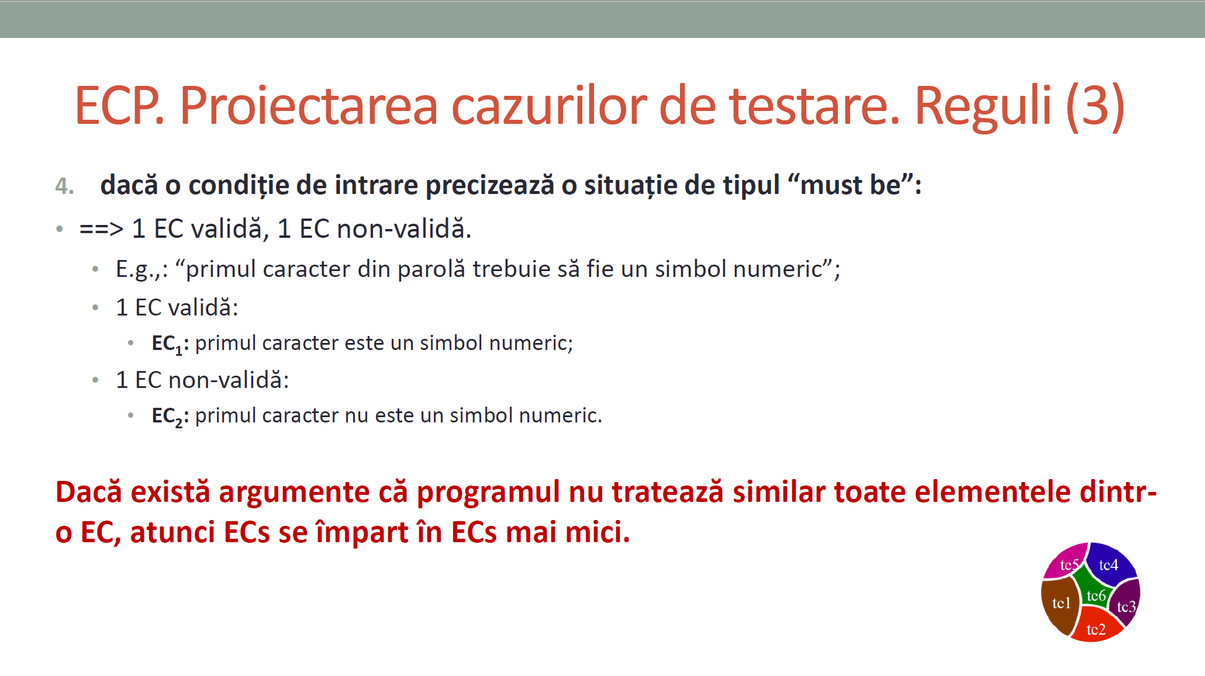
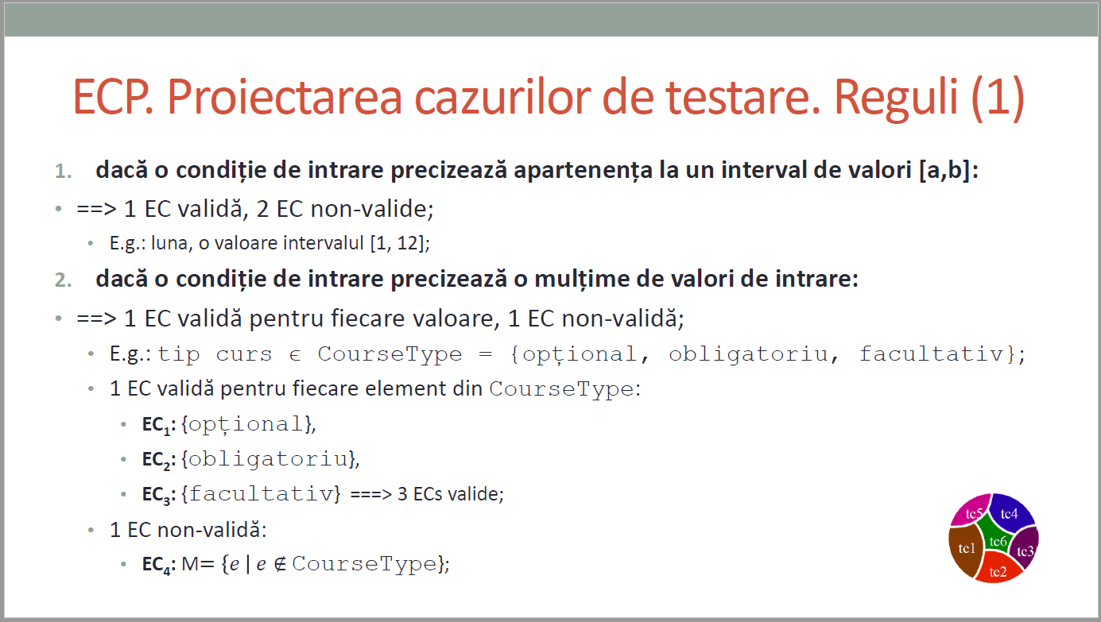
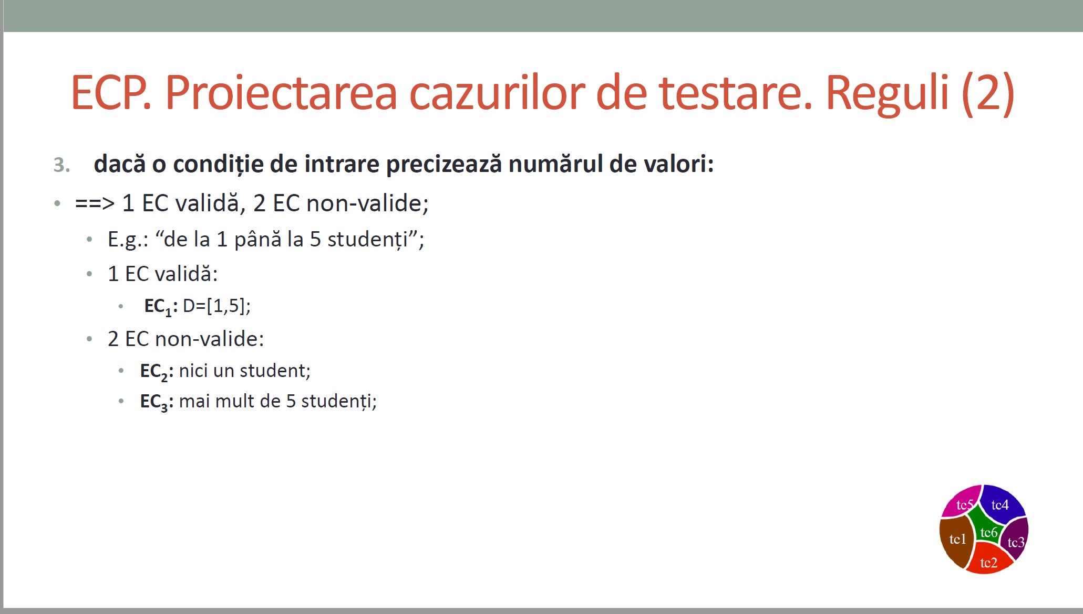
 |  |  | VVTA, PPFDP Informatica, 2022-2023
 |  |  |  | se vor identifica minimum 4 clase de echivalenta (2 valide, 2 non-valide)
 |  |  |  | se vor proiecta minimum 4 cazuri de testare (2 valide, 2 non-valide) sau se va realiza acoperire ECs de 100%.

 | Identificarea ECs valide/non-valide pentru date de intrare/ieşire |  |  |  |  | Proiectarea cazurilor de testare folosind ECP

 |  |  |  |  | No. TCxx_EC | EC | input data |  |  |  |  |  | output data
 | No. EC | Condition | Valid EC | Non-valid EC |  |  | id | lastName | firstName | cnp | function | salary | expected
 | 1 | lastName | să conțină doar litere |  | 1 | 1,2,3,4,5,6,7,8,9,10 | 1 | "Nume" | "Prenume" | 1234567891234 | "function1" | 1500 | TRUE
 | 2 |  |  | nu conțin doar litere | 2 | 1,2,3,4,5,6,7,8,9,10 | 1 | "Nume12" | "Prenume" | 1234567891234 | "function1" | 1500 | FALSE
 | 3 | cnp | lungime == 13 char |  | 3 | 1,2,3,4,5,6,7,8,9,10 | 1 | "Nume" | "Prenume" | 1234234 | "function1" | 1500 | FALSE
 | 4 |  |  | lungime != 13 char | 4 | 1,2,3,4,5,6,7,8,9,10 | 1 | "Nume" | "P" | 1234567891234 | "function1" | 1500 | FALSE
 | 5 | 2 char < firstName <= 15 char | lungime >= 2 char |  | 5 | 1,2,3,4,5,6,7,8,9,10 | 1 | "Nume" | "Prenume" | 1234567891234 | "function1" | 250 | FALSE
 | 6 |  |  | lungime < 2 char | 6 | 1,2,3,4,5,6,7,8,9,10 | 1abc | "Nume" | "Prenume" | 1234567891234 | "function1" | 1500 | FALSE
 | 7
 | 8 | salary | >=1000
 | 9 |  |  | <1000
 | 10
 | 11 | id | sa contina doar cifre
 | 12 |  |  | sa contina si litere
 | 13
 | 14
 | 15
 | 16
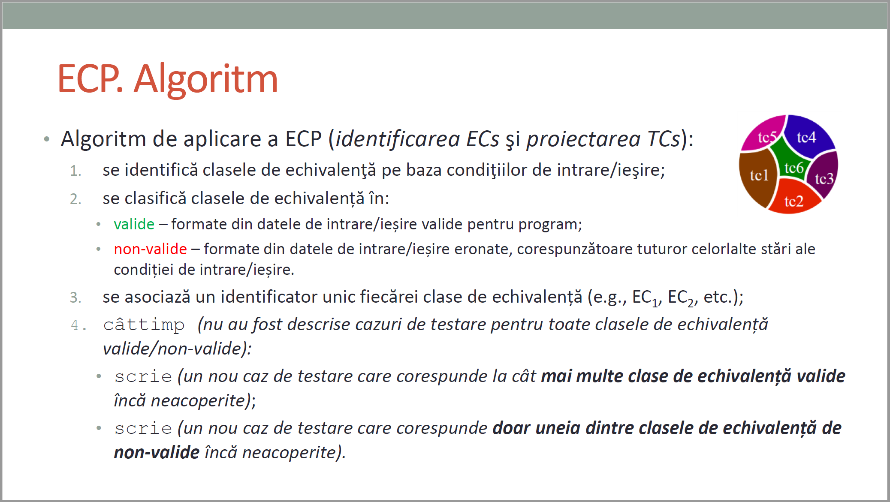
CURS 4

BVA
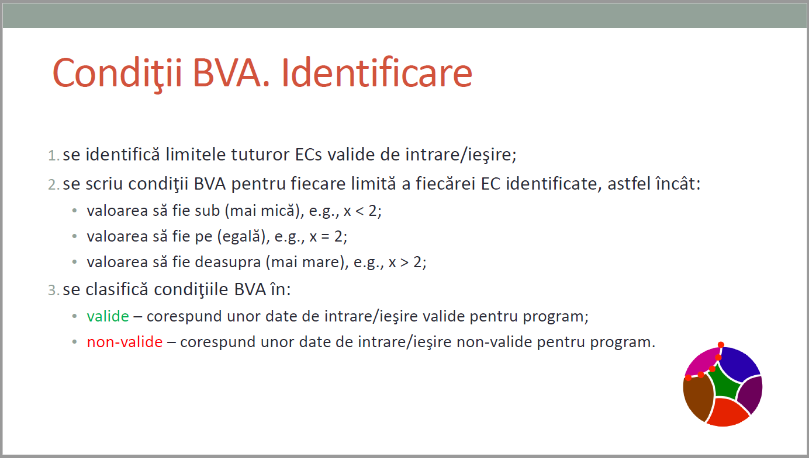
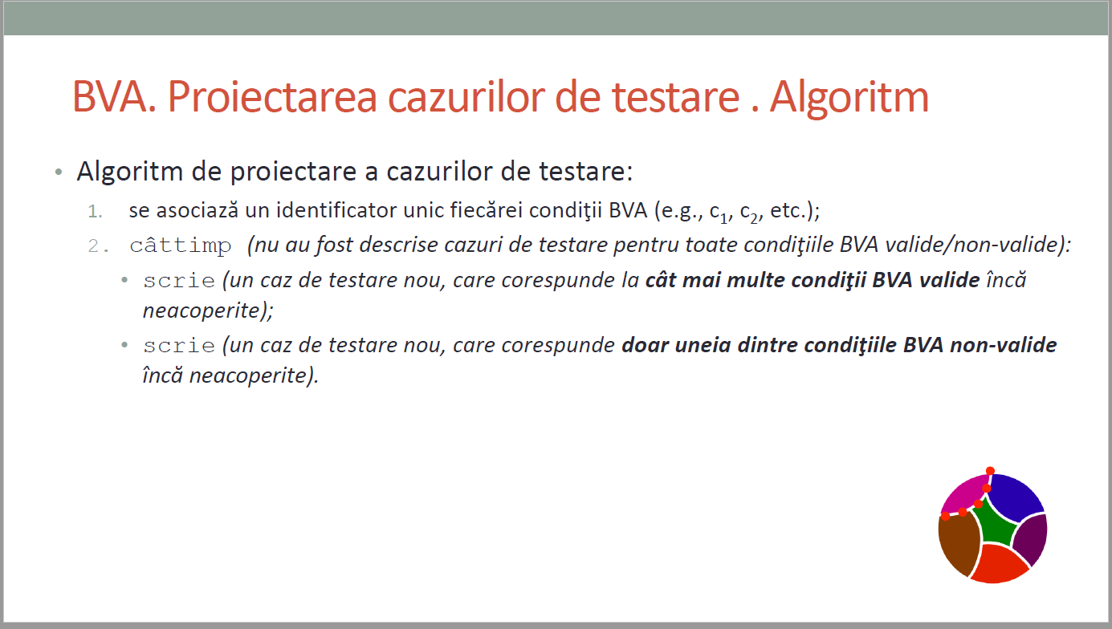
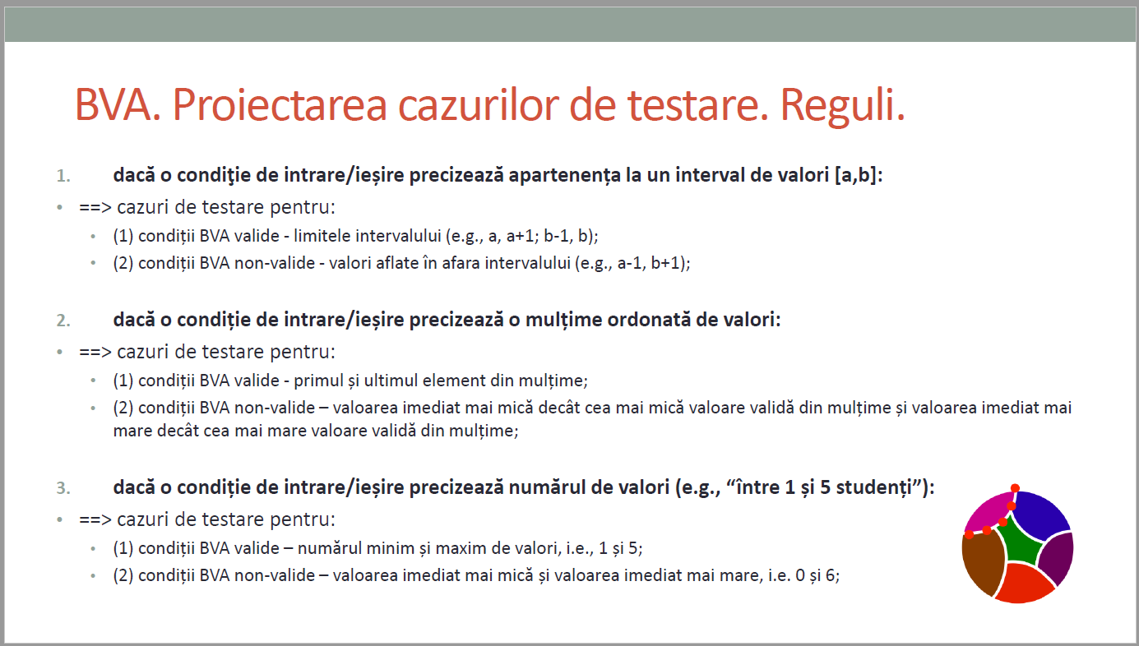
 |  |  |  | VVTA, PPFDP Informatica, 2022-2023
 |  | se vor identifica minimum 4 conditii BVA (2 valide, 2 non-valide)
 |  | se vor proiecta minimum 4 cazuri de testare (2 valide, 2 non-valide)

 | Identificarea condiţiilor BVA asociate ECs valide pentru date de intrare/ieşire |  |  |  | Proiectarea cazurilor de testare folosind condiţiile BVA

 |  |  |  |  | No TCxx_BVA | BVA condition | Correlated TC | Executable | input data |  |  |  |  |  | output data
 | Crt. No. | Valid EC | BVA Condition |  |  |  |  |  | id | lastName | firstName | cnp | function | salary | expected
 | a. | salary >= 1000 | 1 | 1001 | 1 | 1 | TC01_BVA | TRUE | 1 | "Nume" | "Prenume" | 1234567891234 | "function1" | 1001 | TRUE
 |  |  | 2 | 1000 | 2 | 2 | TC02_BVA | TRUE | 1 | "Nume" | "Prenume" | 1234567891234 | "function1" | 1000 | TRUE
 |  |  | 3 | 999 | 3 | 3 | TC03_BVA | TRUE | 1 | "Nume" | "Prenume" | 1234567891234 | "function1" | 999 | FALSE
 | b | 2 char < firstName <= 15 char | 4 | 1 | 4 | 4 | TC04_EC | TRUE | 1 | "Nume" | "P" | 1234567891234 | "function1" | 1500 | FALSE
 |  |  | 5 | 3 | 5 | 5 | TC05_BVA | TRUE | 1 | "Nume" | "Pre" | 1234567891234 | "function1" | 1500 | TRUE
 |  |  | 6 | 14 | 6 | 6 | TC06_BVA | TRUE | 1 | "Nume" | "Prenumeeeeeeee" | 1234567891234 | "function1" | 1500 | TRUE
 |  |  | 7 | 15 | 7 | 7 | TC07_BVA | TRUE | 1 | "Nume" | "Prenumeeeeeeeee" | 1234567891234 | "function1" | 1500 | TRUE
 |  |  | 8 | 16 | 8 | 8 | TC08_BVA | TRUE | 1 | "Nume" | "Prenumeeeeeeeeee" | 1234567891234 | "function1" | 1500 | FALSE
 |  |  | 9 |  | 9 | 9
 | c. |  | 10 |  | 10 | 10
 |  |  | 11 |  | 11 | 11
 |  |  | 12 |  | 12 | 12
 |  |  | 13 |  | 13 | 13
 |  |  | 14 |  | 14 | 14
 |  |  | 15 |  | 15 | 15
 |  |  |  |  | 16 | 16
CURS 4 |  |  |  |  | 17 | 17
 |  |  |  |  | 18 | 18
 |  |  |  |  | 19 | 19
 |  |  |  |  | 20 | 20
 |  |  |  |  | 21 | 21

