survival_transformers
 |  |  |  |  |  | Architecture + embedding structure + loss definition
 | citation |  | year | paper link | code | abstract | Embeddings: |  | approach | strengths | limitations
1 | TransformerLSR: Attentive Joint Model of Longitudinal Data, Survival, and Recurrent Events with Concurrent Latent Structure Zhiyue Zhanga , Yao Zhaoa , Yanxun Xua,b,∗ aDepartment of Applied Mathematics and Statistics,Johns Hopkins University, 3100 Wyman Park Dr, Baltimore, 21211, MD, USA bDivision of Biostatistics and Bioinformatics, School of Medicine, Johns Hopkins University, 733 N Broadway, Baltimore, 21205, MD, USA | TransformerLSR - survival transformer | 2024 | https://arxiv.org/pdf/2404.03804 |  | In applications such as biomedical studies, epidemiology, and social sciences, recurrent events often co-occur with longitudinal measurements and a terminal event, such as death. Therefore, jointly modeling longitudinal measurements, recurrent events, and survival data while accounting for their dependencies is critical. While joint models for the three components exist in statistical literature, many of these approaches are limited by heavy parametric assumptions and scalability issues. Recently, incorporating deep learning techniques into joint modeling has shown promising results. However, current methods only address joint modeling of longitudinal measurements at regularly-spaced observation times and survival events, neglecting recurrent events. In this paper, we develop TransformerLSR, a flexible transformer-based deep modeling and inference framework to jointly model all three components simultaneously. TransformerLSR integrates deep temporal point processes into the joint modeling framework, treating recurrent and terminal events as two competing processes dependent on past longitudinal measurements and recurrent event times. Additionally, TransformerLSR introduces a novel trajectory representation and model architecture to potentially incorporate a priori knowledge of known latent structures among concurrent longitudinal variables. We demonstrate the effectiveness and necessity of TransformerLSR through simulation studies and analyzing a realworld medical dataset on patients after kidney transplantation. Keywords: Deep learning, Kidney transplantation, Joint model, Temporal point process, Transformer | Baseline embed + type-specific linear embed + temporal embed , tokesn are 0/1 | 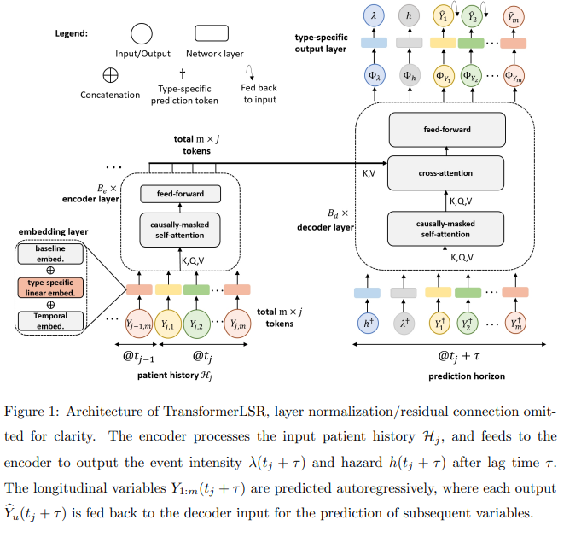
2 | Harnessing the power of longitudinal medical imaging for eye disease prognosis using Transformer-based sequence modeling Gregory Holste, Mingquan Lin, Ruiwen Zhou, Fei Wang, Lei Liu, Qi Yan, Sarah H Van Tassel, Kyle Kovacs, Emily Y Chew, Zhiyong Lu, Zhangyang Wang, Yifan Peng npj Digital Medicine | 16 August 2024 | LTSA - survival transformer | 2024 | https://github.com/bionlplab/longitudinal_transformer_for_survival_analysis | https://github.com/bionlplab/longitudinal_transformer_for_survival_analysis | Deep learning has enabled breakthroughs in automated diagnosis from medical imaging, with many successful applications in ophthalmology. However, standard medical image classification approaches only assess disease presence at the time of acquisition, neglecting the common clinical setting of longitudinal imaging. For slow, progressive eye diseases like age-related macular degeneration (AMD) and primary open-angle glaucoma (POAG), patients undergo repeated imaging over time to track disease progression and forecasting the future risk of developing a disease is critical to properly plan treatment. Our proposed Longitudinal Transformer for Survival Analysis (LTSA) enables dynamic disease prognosis from longitudinal medical imaging, modeling the time to disease from sequences of fundus photography images captured over long, irregular time periods. Using longitudinal imaging data from the Age-Related Eye Disease Study (AREDS) and Ocular Hypertension Treatment Study (OHTS), LTSA significantly outperformed a single-image baseline in 19/20 head-to-head comparisons on late AMD prognosis and 18/20 comparisons on POAG prognosis. A temporal attention analysis also suggested that, while the most recent image is typically the most influential, prior imaging still provides additional prognostic value. | image encoder + timestamp encoder | 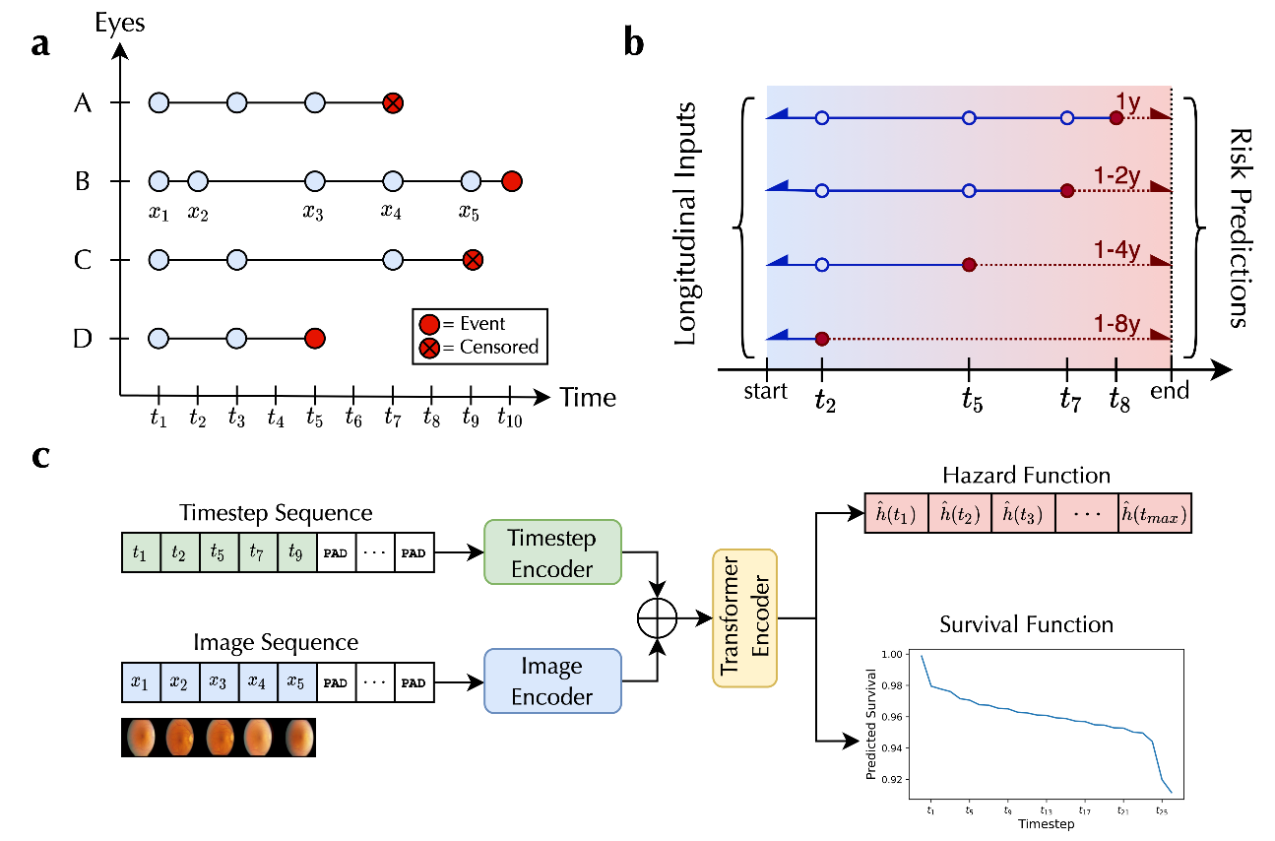
3 | @inproceedings{ zhen2022cosformer, title={cosFormer: Rethinking Softmax In Attention}, author={Zhen Qin and Weixuan Sun and Hui Deng and Dongxu Li and Yunshen Wei and Baohong Lv and Junjie Yan and Lingpeng Kong and Yiran Zhong}, booktitle={International Conference on Learning Representations}, year={2022}, url={https://openreview.net/forum?id=Bl8CQrx2Up4} } | new attention with less computational load | 2022 | https://arxiv.org/abs/2202.08791 | https://github.com/OpenNLPLab/cosFormer/blob/main/cosformer.py | Transformer has shown great successes in natural language processing, computer vision, and audio processing. As one of its core components, the softmax attention helps to capture long-range dependencies yet prohibits its scale-up due to the quadratic space and time complexity to the sequence length. Kernel methods are often adopted to reduce the complexity by approximating the softmax operator. Nevertheless, due to the approximation errors, their performances vary in different tasks/corpus and suffer crucial performance drops when compared with the vanilla softmax attention. In this paper, we propose a linear transformer called cosFormer that can achieve comparable or better accuracy to the vanilla transformer in both casual and cross attentions. cosFormer is based on two key properties of softmax attention: i). non-negativeness of the attention matrix; ii). a non-linear re-weighting scheme that can concentrate the distribution of the attention matrix. As its linear substitute, cosFormer fulfills these properties with a linear operator and a cosine-based distance re-weighting mechanism. Extensive experiments on language modeling and text understanding tasks demonstrate the effectiveness of our method. We further examine our method on long sequences and achieve state-of-the-art performance on the Long-Range Arena benchmark. |  |  |  |  | 244
4 | Hu, S., Fridgeirsson, E., van Wingen, G., & Welling, M. (2021, May). Transformer-based deep survival analysis. In Survival Prediction-Algorithms, Challenges and Applications (pp. 132-148). PMLR. | Survival transformer, nice theory | 2021 | https://proceedings.mlr.press/v146/hu21a/hu21a.pdf |  | In this work, we propose a new Transformer-based survival model which estimates the patient-specific survival distribution. Our contributions are twofold. First, to the best of our knowledge, existing deep survival models use either fully connected or recurrent networks, and we are the first to apply the Transformer in survival analysis. In addition, we use ordinal regression to optimize the survival probabilities over time, and penalize randomized discordant pairs. Second, many survival models are evaluated using only the ranking metrics such as the concordance index. We propose to also use the absolute error metric that evaluates the precise duration predictions on observed subjects. We demonstrate our model on two publicly available real-world datasets, and show that our mean absolute error results are significantly better than the current models, meanwhile, it is challenging to determine the best model under the concordance index. Keywords: survival analysis, Transformers, deep learning. | baseline + positional | 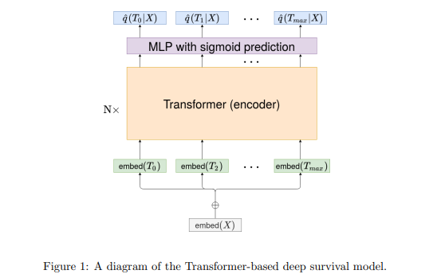
5 | Kaushal, P., Singh, S. & Vijayvergiya, R. A Kernel Attention-based Transformer Model for Survival Prediction of Heart Disease Patients. J. Cardiovasc. Transl. Res. 17, 1295–1306 (2024). https://doi.org/10.1007/s12265-024-10537-3 | CoxAttnSurv +DyACT | 2024 |  |  | Survival analysis is employed to scrutinize time-to-event data, with emphasis on comprehending the duration until the occurrence of a specific event. In this article, we introduce two novel survival prediction models: CosAttnSurv and CosAttnSurv DyACT. CosAttnSurv model leverages transformer-based architecture and a softmax-free kernel attention mechanism for survival prediction. Our second model, CosAttnSurv DyACT, enhances CosAttnSurv with Dynamic Adaptive Computation Time (DyACT) control, optimizing computation efficiency. The proposed models are validated using two public clinical datasets related to heart disease patients. When compared to other state-of-the-art models, our models demonstrated an enhanced discriminative and calibration performance. Furthermore, in comparison to other transformer architecture-based models, our proposed models demonstrate comparable performance while exhibiting significant reduction in both time and memory requirements. Overall, our models offer significant advancements in the field of survival analysis and emphasize the importance of computationally effective time-based predictions, with promising implications for medical decision-making and patient care. | baseline + positional | 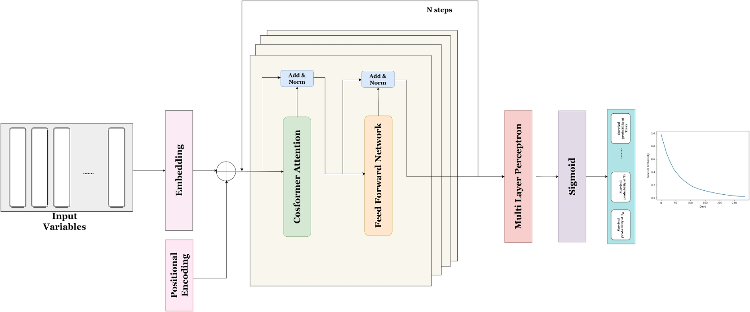
6 | Surformer: An interpretable pattern-perceptive survival transformer for cancer survival prediction from histopathology whole slide images https://www.sciencedirect.com/science/article/pii/S0169260723003991#fg0010 2023 Wang et al | Surformer | 2023 |  |  | High-resolution histopathology whole slide images (WSIs) contain abundant valuable information for cancer prognosis. However, most computational pathology methods for survival prediction have weak interpretability and cannot explain the decision-making processes reasonably. To address this issue, we propose a highly interpretable neural network termed pattern-perceptive survival transformer (Surformer) for cancer survival prediction from WSIs. Methods Notably, Surformer can quantify specific histological patterns through bag-level labels without any patch/cell-level auxiliary information. Specifically, the proposed ratio-reserved cross-attention module (RRCA) generates global and local features with the learnable prototypes ( , ) as detectors and quantifies the patches correlative to each in the form of ratio factors (rfs). Afterward, multi-head self&cross-attention modules proceed with the computation for feature enhancement against noise. Eventually, the designed disentangling loss function guides multiple local features to focus on distinct patterns, thereby assisting rfs from RRCA in achieving more explicit histological feature quantification. Results Extensive experiments on five TCGA datasets illustrate that Surformer outperforms existing state-of-the-art methods. In addition, we highlight its interpretation by visualizing rfs distribution across high-risk and low-risk cohorts and retrieving and analyzing critical histological patterns contributing to the survival prediction. Conclusions Surformer is expected to be exploited as a useful tool for performing histopathology image data-driven analysis and gaining new insights for interpreting the associations between such images and patient survival states. |  | 